table6etc
410 Brains of lnsectivora Table 6. Standards of body and brain weights, percentages of brain weight relative to body weight, encephalization indices (Els) derived from the standards and size indices (Sis) of NET brain volumes. Els and Sis are related to the average of the four Tenrecinae (AvTn = 100) For average encephalization indices in supraspecific taxonomic units see For NET brain volumes see Table 8 Table 7
 |  |  |  |  |  |  |  |  |  |  |  |  |  |  |  |  |  |  |  |  | Standards |  |  |  |  |  |  |  |  |  | BrW |  |  |  |  |  |  |  | BrW |  |  | NET
 |  |  |  |  |  |  |  |  |  |  |  |  |  |  |  |  |  |  |  |  | BoW |  |  |  |  | BrW |  |  |  |  | BoW |  |  |  |  |  |  |  | EI |  |  | SI
slope |  |  |  |  |  |  |  |  |  |  |  |  |  |  |  |  |  |  |  |  |  |  |  |  |  |  |  |  |  |  |  |  |  |  |  |  |  |  | 0.66 |  |  | 0.66
y-intercept |  |  |  |  |  |  |  |  |  |  |  |  |  |  |  |  |  |  |  |  |  |  |  |  |  |  |  |  |  |  |  |  |  |  |  |  |  |  | 1.544 |  |  | 1.506
Tenrecidae
Tenrec ecaudatus |  |  |  |  |  |  |  |  |  |  |  |  |  |  |  |  |  |  |  |  | 852 |  |  |  |  | 2588 |  |  |  |  | 0.30 |  |  |  |  |  |  |  | 86 |  |  | 85
Setifer setosus |  |  |  |  |  |  |  |  |  |  |  |  |  |  |  |  |  |  |  |  | 237 |  |  |  |  | 1516 |  |  |  |  | 0.64 |  |  |  |  |  |  |  | 117 |  |  | 119
Hemicentetes semispinosus |  |  |  |  |  |  |  |  |  |  |  |  |  |  |  |  |  |  |  |  | 116 |  |  |  |  | 839 |  |  |  |  | 0.72 |  |  |  |  |  |  |  | 104 |  |  | 104
Echinops telfairi |  |  |  |  |  |  |  |  |  |  |  |  |  |  |  |  |  |  |  |  | 87.5 |  |  |  |  | 623 |  |  |  |  | 0.71 |  |  |  |  |  |  |  | 93 |  |  | 93
Geogale aurita |  |  |  |  |  |  |  |  |  |  |  |  |  |  |  |  |  |  |  |  | 10.0 |  |  |  |  | 130 |  |  |  |  | 1.30 |  |  |  |  |  |  |  | 81 |  |  | 83
Oryzorictes talpoides |  |  |  |  |  |  |  |  |  |  |  |  |  |  |  |  |  |  |  |  | 44.2 |  |  |  |  | 580 |  |  |  |  | 1.31 |  |  |  |  |  |  |  | 136 |  |  | 138
Microgale dobsoni |  |  |  |  |  |  |  |  |  |  |  |  |  |  |  |  |  |  |  |  | 31.9 |  |  |  |  | 557 |  |  |  |  | 1.75 |  |  |  |  |  |  |  | 162 |  |  | 162
M. talazaci |  |  |  |  |  |  |  |  |  |  |  |  |  |  |  |  |  |  |  |  | 48.2 |  |  |  |  | 766 |  |  |  |  | 1.59 |  |  |  |  |  |  |  | 170 |  |  | 174
Limnogale mergulus |  |  |  |  |  |  |  |  |  |  |  |  |  |  |  |  |  |  |  |  | 92.0 |  |  |  |  | 1150 |  |  |  |  | 1.25 |  |  |  |  |  |  |  | 166 |  |  | 165
Potamogale velox |  |  |  |  |  |  |  |  |  |  |  |  |  |  |  |  |  |  |  |  | 618 |  |  |  |  | 4152 |  |  |  |  | 0.67 |  |  |  |  |  |  |  | 171 |  |  | 174
Micropotamogale lamottei |  |  |  |  |  |  |  |  |  |  |  |  |  |  |  |  |  |  |  |  | 64.2 |  |  |  |  | 800 |  |  |  |  | 1.25 |  |  |  |  |  |  |  | 147 |  |  | 149
M. ruwenzorii |  |  |  |  |  |  |  |  |  |  |  |  |  |  |  |  |  |  |  |  | 96.8 |  |  |  |  | 1134 |  |  |  |  | 1.17 |  |  |  |  |  |  |  | 158 |  |  | 162
Chrysochloridae
Chrysochloris asiatica |  |  |  |  |  |  |  |  |  |  |  |  |  |  |  |  |  |  |  |  | 49.0 |  |  |  |  | 700 |  |  |  |  | 1.43 |  |  |  |  |  |  |  | 153 |  |  | 157
C. stuhlmanni |  |  |  |  |  |  |  |  |  |  |  |  |  |  |  |  |  |  |  |  | 40.2 |  |  |  |  | 736 |  |  |  |  | 1.83 |  |  |  |  |  |  |  | 184 |  |  | 188
Solenodontidae
Solenodon paradoxus |  |  |  |  |  |  |  |  |  |  |  |  |  |  |  |  |  |  |  |  | 672 |  |  |  |  | 4723 |  |  |  |  | 0.70 |  |  |  |  |  |  |  | 184 |  |  | 184
Erinaceidae Echinosorex gymnurus |  |  |  |  |  |  |  |  |  |  |  |  |  |  |  |  |  |  |  |  | 823 |  |  |  |  | 6084 |  |  |  |  | 0.74 |  |  |  |  |  |  |  | 207 |  |  | 209
Hylomys suillus |  |  |  |  |  |  |  |  |  |  |  |  |  |  |  |  |  |  |  |  | 57.0 |  |  |  |  | 1200 |  |  |  |  | 2.11 |  |  |  |  |  |  |  | 238 |  |  | 241
Atelerix algirus |  |  |  |  |  |  |  |  |  |  |  |  |  |  |  |  |  |  |  |  | 736 |  |  |  |  | 3264 |  |  |  |  | 0.44 |  |  |  |  |  |  |  | 120 |  |  | 117
Erinaceus europaeus |  |  |  |  |  |  |  |  |  |  |  |  |  |  |  |  |  |  |  |  | 849 |  |  |  |  | 3367 |  |  |  |  | 0.40 |  |  |  |  |  |  |  | 112 |  |  | 112
Hemiechinus auritus |  |  |  |  |  |  |  |  |  |  |  |  |  |  |  |  |  |  |  |  | 235 |  |  |  |  | 1880 |  |  |  |  | 0.80 |  |  |  |  |  |  |  | 146 |  |  | 144
Talpidae Desmana moschata |  |  |  |  |  |  |  |  |  |  |  |  |  |  |  |  |  |  |  |  | 443 |  |  |  |  | 4000 |  |  |  |  | 0.90 |  |  |  |  |  |  |  | 205 |  |  | 202
Galemys pyrenaicus |  |  |  |  |  |  |  |  |  |  |  |  |  |  |  |  |  |  |  |  | 59.7 |  |  |  |  | 1329 |  |  |  |  | 2.23 |  |  |  |  |  |  |  | 255 |  |  | 258
Talpa europaea |  |  |  |  |  |  |  |  |  |  |  |  |  |  |  |  |  |  |  |  | 82.1 |  |  |  |  | 1024 |  |  |  |  | 1.25 |  |  |  |  |  |  |  | 160 |  |  | 163
T. micrura |  |  |  |  |  |  |  |  |  |  |  |  |  |  |  |  |  |  |  |  | 41.4 |  |  |  |  | 816 |  |  |  |  | 1.97 |  |  |  |  |  |  |  | 200 |  |  | 205
Parascalops breweri |  |  |  |  |  |  |  |  |  |  |  |  |  |  |  |  |  |  |  |  | 53.8 |  |  |  |  | 880 |  |  |  |  | 1.64 |  |  |  |  |  |  |  | 181 |  |  | 188
Scalopus aquaticus |  |  |  |  |  |  |  |  |  |  |  |  |  |  |  |  |  |  |  |  | 115 |  |  |  |  | 1310 |  |  |  |  | 1.14 |  |  |  |  |  |  |  | 163 |  |  | 170
Table 6 (cont.)
Standards |  |  |  |  |  |  |  |  |  |  |  |  |  |  |  |  |  |  |  |  |  |  |  |  |  |  |  |  |  |  |  | HD¥. |  |  |  |  |  | BrW |  |  | NET
BoW BrW |  |  |  |  |  |  |  |  |  |  |  |  |  |  |  |  |  |  |  |  |  |  |  |  |  |  |  |  |  |  |  | BoW |  |  |  |  |  | EI |  |  | SI
Soricidae
Sorex alpinus |  |  |  |  |  |  |  |  |  |  |  |  |  |  |  |  |  | 11.0 |  |  |  |  |  |  | 262 |  |  |  |  |  |  | 2.38 |  |  |  |  |  | 154 |  |  | 160
S. araneus |  |  |  |  |  |  |  |  |  |  |  |  |  |  |  |  |  | 10.2 |  |  |  |  |  |  | 216 |  |  |  |  |  |  | 2.12 |  |  |  |  |  | 133 |  |  | 137
S. cinereus |  |  |  |  |  |  |  |  |  |  |  |  |  |  |  |  |  | 5.16 |  |  |  |  |  |  | 168 |  |  |  |  |  |  | 3.26 |  |  |  |  |  | 163 |  |  | 169
S.fumeus |  |  |  |  |  |  |  |  |  |  |  |  |  |  |  |  |  | 8.40 |  |  |  |  |  |  | 241 |  |  |  |  |  |  | 2.87 |  |  |  |  |  | 169 |  |  | 175
S. minutus |  |  |  |  |  |  |  |  |  |  |  |  |  |  |  |  |  | 4.41 |  |  |  |  |  |  | 115 |  |  |  |  |  |  | 2.61 |  |  |  |  |  | 123 |  |  | 128
S. palustris |  |  |  |  |  |  |  |  |  |  |  |  |  |  |  |  |  | 14.6 |  |  |  |  |  |  | 278 |  |  |  |  |  |  | 1.90 |  |  |  |  |  | 135
Microsorex hoyi |  |  |  |  |  |  |  |  |  |  |  |  |  |  |  |  |  | 2.63 |  |  |  |  |  |  | 96 |  |  |  |  |  |  | 3.65 |  |  |  |  |  | 145 |  |  | 150
Neomys anomalus |  |  |  |  |  |  |  |  |  |  |  |  |  |  |  |  |  | 11.6 |  |  |  |  |  |  | 282 |  |  |  |  |  |  | 2.43 |  |  |  |  |  | 160 |  |  | 166
N.fodiens |  |  |  |  |  |  |  |  |  |  |  |  |  |  |  |  |  | 15.3 |  |  |  |  |  |  | 328 |  |  |  |  |  |  | 2.14 |  |  |  |  |  | 155 |  |  | 159
Blarina brevicauda |  |  |  |  |  |  |  |  |  |  |  |  |  |  |  |  |  | 19.7 |  |  |  |  |  |  | 393 |  |  |  |  |  |  | 1.99 |  |  |  |  |  | 157 |  |  | 162
Cryptotis parva |  |  |  |  |  |  |  |  |  |  |  |  |  |  |  |  |  | 9.90 |  |  |  |  |  |  | 245 |  |  |  |  |  |  | 2.47 |  |  |  |  |  | 154 |  |  | 160
Anourosorex squamipes |  |  |  |  |  |  |  |  |  |  |  |  |  |  |  |  |  | 20.1 |  |  |  |  |  |  | 389 |  |  |  |  |  |  | 1.94 |  |  |  |  |  | 153 |  |  | 158
Crocidura attenuata |  |  |  |  |  |  |  |  |  |  |  |  |  |  |  |  |  | 9.30 |  |  |  |  |  |  | 209 |  |  |  |  |  |  | 2.25 |  |  |  |  |  | 137 |  |  | 142
C. flavescens |  |  |  |  |  |  |  |  |  |  |  |  |  |  |  |  |  | 29.3 |  |  |  |  |  |  | 414 |  |  |  |  |  |  | 1.41 |  |  |  |  |  | 127 |  |  | 130
C. giffardi |  |  |  |  |  |  |  |  |  |  |  |  |  |  |  |  |  | 82.0 |  |  |  |  |  |  | 545 |  |  |  |  |  |  | 0.66 |  |  |  |  |  | 85
C. hildegardeae |  |  |  |  |  |  |  |  |  |  |  |  |  |  |  |  |  | 10.2 |  |  |  |  |  |  | 213 |  |  |  |  |  |  | 2.09 |  |  |  |  |  | 131 |  |  | 136
C.jacksoni |  |  |  |  |  |  |  |  |  |  |  |  |  |  |  |  |  | 12.7 |  |  |  |  |  |  | 250 |  |  |  |  |  |  | 1.97 |  |  |  |  |  | 133 |  |  | 136
C. leucodon |  |  |  |  |  |  |  |  |  |  |  |  |  |  |  |  |  | 13.5 |  |  |  |  |  |  | 190 |  |  |  |  |  |  | 1.41 |  |  |  |  |  | 97
C. russula |  |  |  |  |  |  |  |  |  |  |  |  |  |  |  |  |  | 11.1 |  |  |  |  |  |  | 197 |  |  |  |  |  |  | 1.77 |  |  |  |  |  | 115 |  |  | 118
C. suaveolens |  |  |  |  |  |  |  |  |  |  |  |  |  |  |  |  |  | 10.3 |  |  |  |  |  |  | 190 |  |  |  |  |  |  | 1.84 |  |  |  |  |  | 116 |  |  | 120
Suncus etruscus |  |  |  |  |  |  |  |  |  |  |  |  |  |  |  |  |  | 1.86 |  |  |  |  |  |  | 62 |  |  |  |  |  |  | 3.33 |  |  |  |  |  | 118 |  |  | 121
S. murinus |  |  |  |  |  |  |  |  |  |  |  |  |  |  |  |  |  | 33.8 |  |  |  |  |  |  | 383 |  |  |  |  |  |  | 1.13 |  |  |  |  |  | 107 |  |  | 110
Scutisorex somereni |  |  |  |  |  |  |  |  |  |  |  |  |  |  |  |  |  | 63.4 |  |  |  |  |  |  | 640 |  |  |  |  |  |  | 1.01 |  |  |  |  |  | 118 |  |  | 122
Sylvisorex granti |  |  |  |  |  |  |  |  |  |  |  |  |  |  |  |  |  | 3.90 |  |  |  |  |  |  | 165 |  |  |  |  |  |  | 4.23 |  |  |  |  |  | 192 |  |  | 199
S. megalura |  |  |  |  |  |  |  |  |  |  |  |  |  |  |  |  |  | 5.49 |  |  |  |  |  |  | 188 |  |  |  |  |  |  | 3.42 |  |  |  |  |  | 175 |  |  | 181
Ruwenzorisorex suncoides |  |  |  |  |  |  |  |  |  |  |  |  |  |  |  |  |  | 18.2 |  |  |  |  |  |  | 370 |  |  |  |  |  |  | 2.03 |  |  |  |  |  | 156 |  |  | 161
Myosorex babaulti |  |  |  |  |  |  |  |  |  |  |  |  |  |  |  |  |  | 17.0 |  |  |  |  |  |  | 360 |  |  |  |  |  |  | 2.12 |  |  |  |  |  | 159 |  |  | 164
Abbreviations and notes: BoW body weight in g BrW brain weight in mg EIBrW encephalization indices SI NET size indices of the NET brain volume
Table 7. Average percentages of brain weight related to body weight, and averages of the encephalization indices (Els) of BrW and size indices (Sis) of the NET brain volumes in supraspecific taxonomic units
For encephalization indices in species see Table 6
 |  |  |  |  |  |  |  |  |  |  |  |  |  |  |  |  |  | N BrW |  |  |  |  | N NET |  |  |  |  | BrW BoW |  |  |  |  |  |  |  |  |  | BrW EI |  |  | NET SI
slope |  |  |  |  |  |  |  |  |  |  |  |  |  |  |  |  |  |  |  |  |  |  |  |  |  |  |  |  |  |  |  |  |  |  |  |  |  | 0.66 |  |  | 0.66
y-intercept |  |  |  |  |  |  |  |  |  |  |  |  |  |  |  |  |  |  |  |  |  |  |  |  |  |  |  |  |  |  |  |  |  |  |  |  |  | 1.544 |  |  | 1.506
Insectivora (AvIS) |  |  |  |  |  |  |  |  |  |  |  |  |  |  |  |  |  | 53 |  |  |  |  | 50 |  |  |  |  | 1.71 |  |  |  |  |  |  |  |  |  | 148 |  |  | 154
Tenrecidae |  |  |  |  |  |  |  |  |  |  |  |  |  |  |  |  |  | 12 |  |  |  |  | 12 |  |  |  |  | 1.06 |  |  |  |  |  |  |  |  |  | 133 |  |  | 134
Tenrecinae* |  |  |  |  |  |  |  |  |  |  |  |  |  |  |  |  |  | 4 |  |  |  |  | 4 |  |  |  |  | 0.59 |  |  |  |  |  |  |  |  |  | 100 |  |  | 100
Geogalinae* |  |  |  |  |  |  |  |  |  |  |  |  |  |  |  |  |  | l |  |  |  |  | 1 |  |  |  |  | 1.30 |  |  |  |  |  |  |  |  |  | 81 |  |  | 83
Oryzorictinae* |  |  |  |  |  |  |  |  |  |  |  |  |  |  |  |  |  | 4 |  |  |  |  | 4 |  |  |  |  | 1.47 |  |  |  |  |  |  |  |  |  | 158 |  |  | 160
Microgale |  |  |  |  |  |  |  |  |  |  |  |  |  |  |  |  |  | 2 |  |  |  |  | 2 |  |  |  |  | 1.67 |  |  |  |  |  |  |  |  |  | 166 |  |  | 168
terr.Oryzorictinae |  |  |  |  |  |  |  |  |  |  |  |  |  |  |  |  |  | 3 |  |  |  |  | 3 |  |  |  |  | 1.55 |  |  |  |  |  |  |  |  |  | 156 |  |  | 158
Limnogale |  |  |  |  |  |  |  |  |  |  |  |  |  |  |  |  |  | 1 |  |  |  |  | 1 |  |  |  |  | 1.25 |  |  |  |  |  |  |  |  |  | 166 |  |  | 165
Potamogalinae* |  |  |  |  |  |  |  |  |  |  |  |  |  |  |  |  |  | 3 |  |  |  |  | 3 |  |  |  |  | 1.03 |  |  |  |  |  |  |  |  |  | 159 |  |  | 162
Micropotamogale |  |  |  |  |  |  |  |  |  |  |  |  |  |  |  |  |  | 2 |  |  |  |  | 2 |  |  |  |  | 1.21 |  |  |  |  |  |  |  |  |  | 153 |  |  | 155
Chrysochloridae* |  |  |  |  |  |  |  |  |  |  |  |  |  |  |  |  |  | 2 |  |  |  |  | 2 |  |  |  |  | 1.63 |  |  |  |  |  |  |  |  |  | 169 |  |  | 172
Solenodontidae* |  |  |  |  |  |  |  |  |  |  |  |  |  |  |  |  |  | 1 |  |  |  |  |  |  |  |  |  | 0.70 |  |  |  |  |  |  |  |  |  | 184 |  |  | 184
Erinaceidae |  |  |  |  |  |  |  |  |  |  |  |  |  |  |  |  |  | 5 |  |  |  |  | 5 |  |  |  |  | 0.90 |  |  |  |  |  |  |  |  |  | 165 |  |  | 165
Echinosoricinae* |  |  |  |  |  |  |  |  |  |  |  |  |  |  |  |  |  | 2 |  |  |  |  | 2 |  |  |  |  | 1.42 |  |  |  |  |  |  |  |  |  | 222 |  |  | 225
Erinaceinae* |  |  |  |  |  |  |  |  |  |  |  |  |  |  |  |  |  | 3 |  |  |  |  | 3 |  |  |  |  | 0.55 |  |  |  |  |  |  |  |  |  | 126 |  |  | 124
Talpidae |  |  |  |  |  |  |  |  |  |  |  |  |  |  |  |  |  | 6 |  |  |  |  | 6 |  |  |  |  | 1.52 |  |  |  |  |  |  |  |  |  | 194 |  |  | 198
Desmaninae* |  |  |  |  |  |  |  |  |  |  |  |  |  |  |  |  |  | 2 |  |  |  |  | 2 |  |  |  |  | 1.56 |  |  |  |  |  |  |  |  |  | 230 |  |  | 230
Talpinae* |  |  |  |  |  |  |  |  |  |  |  |  |  |  |  |  |  | 4 |  |  |  |  | 4 |  |  |  |  | 1.50 |  |  |  |  |  |  |  |  |  | 176 |  |  | 181
Talpa |  |  |  |  |  |  |  |  |  |  |  |  |  |  |  |  |  | 2 |  |  |  |  | 2 |  |  |  |  | 1.61 |  |  |  |  |  |  |  |  |  | 180 |  |  | 184
Soricidae |  |  |  |  |  |  |  |  |  |  |  |  |  |  |  |  |  | 27 |  |  |  |  | 24 |  |  |  |  | 2.24 |  |  |  |  |  |  |  |  |  | 140 |  |  | 148
Soricinae* |  |  |  |  |  |  |  |  |  |  |  |  |  |  |  |  |  | 12 |  |  |  |  | 11 |  |  |  |  | 2.48 |  |  |  |  |  |  |  |  |  | 151 |  |  | 157
Sorex |  |  |  |  |  |  |  |  |  |  |  |  |  |  |  |  |  | 6 |  |  |  |  | 5 |  |  |  |  | 2.52 |  |  |  |  |  |  |  |  |  | 146 |  |  | 154
terr. Soricinae |  |  |  |  |  |  |  |  |  |  |  |  |  |  |  |  |  | 10 |  |  |  |  | 9 |  |  |  |  | 2.52 |  |  |  |  |  |  |  |  |  | 149 |  |  | 155
Neomys |  |  |  |  |  |  |  |  |  |  |  |  |  |  |  |  |  | 2 |  |  |  |  | 2 |  |  |  |  | 2.29 |  |  |  |  |  |  |  |  |  | 157 |  |  | 162
Crocidurinae* |  |  |  |  |  |  |  |  |  |  |  |  |  |  |  |  |  | 15 |  |  |  |  | 13 |  |  |  |  | 2.05 |  |  |  |  |  |  |  |  |  | 137 |  |  | 142
Crocidura |  |  |  |  |  |  |  |  |  |  |  |  |  |  |  |  |  | 8 |  |  |  |  | 6 |  |  |  |  | 1.68 |  |  |  |  |  |  |  |  |  | 118 |  |  | 130
Suncus |  |  |  |  |  |  |  |  |  |  |  |  |  |  |  |  |  | 2 |  |  |  |  | 2 |  |  |  |  | 2.23 |  |  |  |  |  |  |  |  |  | 112 |  |  | 115
Sylvisorex |  |  |  |  |  |  |  |  |  |  |  |  |  |  |  |  |  | 2 |  |  |  |  | 2 |  |  |  |  | 3.83 |  |  |  |  |  |  |  |  |  | 183 |  |  | 190
AvIF of the 12 families and subfamilies marked by * |  |  |  |  |  |  |  |  |  |  |  |  |  |  |  |  |  |  |  |  |  |  |  |  |  |  |  | 1.36 |  |  |  |  |  |  |  |  |  | 158 |  |  | 160
Number of species = N Abbreviations as in Table 6
Table 8. Volumes of net brain (NET), ventricles (VENT) and rests (REST) and their percentages relative to standard brain volumes (= 100%)
For standard brain volumes (BrV) see Table 3 For average percentages in supraspecific taxonomic units see Table 9
 |  |  |  |  |  |  |  |  |  |  |  |  |  |  |  |  |  |  |  |  | NET VENT REST
Tenrecidae |  |  |  |  |  |  |  |  |  |  |  |  |  |  |  | n |  |  | mm3 |  |  |  |  |  |  | % |  |  |  |  | mm3 |  |  |  |  |  |  |  | % |  |  | mm3 |  |  | %
Tenrec ecaudatus |  |  |  |  |  |  |  |  |  |  |  |  |  |  |  | 3 |  |  | 2331 |  |  |  |  |  |  | 93.3 |  |  |  |  | 65.7 |  |  |  |  |  |  |  | 2.6 |  |  | 101.6 |  |  | 4.1
Setifer setosus |  |  |  |  |  |  |  |  |  |  |  |  |  |  |  | 3 |  |  | 1404 |  |  |  |  |  |  | 96.0 |  |  |  |  | 22.0 |  |  |  |  |  |  |  | 1.5 |  |  | 36.8 |  |  | 2.5
Hemicentetes semispin. |  |  |  |  |  |  |  |  |  |  |  |  |  |  |  | 2 |  |  | 770 |  |  |  |  |  |  | 95.0 |  |  |  |  | 16.9 |  |  |  |  |  |  |  | 2.1 |  |  | 23.3 |  |  | 2.9
Echinops telfairi |  |  |  |  |  |  |  |  |  |  |  |  |  |  |  | 2 |  |  | 569 |  |  |  |  |  |  | 94.6 |  |  |  |  | 8.4 |  |  |  |  |  |  |  | 1.4 |  |  | 24.0 |  |  | 4.0
Geogale aurita |  |  |  |  |  |  |  |  |  |  |  |  |  |  |  | 2 |  |  | 122 |  |  |  |  |  |  | 97.4 |  |  |  |  | 1.2 |  |  |  |  |  |  |  | 0.9 |  |  | 2.1 |  |  | 1.7
Oryzorictes talpoides |  |  |  |  |  |  |  |  |  |  |  |  |  |  |  |  |  |  | 538 |  |  |  |  |  |  | 96.0 |  |  |  |  | 4.8 |  |  |  |  |  |  |  | 0.9 |  |  | 17.3 |  |  | 3.1
Microgale dobsoni |  |  |  |  |  |  |  |  |  |  |  |  |  |  |  | 1 |  |  | 511 |  |  |  |  |  |  | 95.0 |  |  |  |  | 5.3 |  |  |  |  |  |  |  | 1.0 |  |  | 21.8 |  |  | 4.0
M. talazaci |  |  |  |  |  |  |  |  |  |  |  |  |  |  |  | 2 |  |  | 718 |  |  |  |  |  |  | 97.2 |  |  |  |  | 5.6 |  |  |  |  |  |  |  | 0.7 |  |  | 15.5 |  |  | 2.1
Limnogale mergulus |  |  |  |  |  |  |  |  |  |  |  |  |  |  |  | 1 |  |  | 1046 |  |  |  |  |  |  | 94.3 |  |  |  |  | 12.7 |  |  |  |  |  |  |  | 1.1 |  |  | 51.0 |  |  | 4.6
Potamogale velox |  |  |  |  |  |  |  |  |  |  |  |  |  |  |  | 5 |  |  | 3874 |  |  |  |  |  |  | 96.7 |  |  |  |  | 18.4 |  |  |  |  |  |  |  | 0.4 |  |  | 115.4 |  |  | 2.9
Micropotamogale lam. |  |  |  |  |  |  |  |  |  |  |  |  |  |  |  | 3 |  |  | 743 |  |  |  |  |  |  | 96.2 |  |  |  |  | 11.9 |  |  |  |  |  |  |  | 1.6 |  |  | 17.2 |  |  | 2.2
M. ruwenzorii |  |  |  |  |  |  |  |  |  |  |  |  |  |  |  | 4 |  |  | 1064 |  |  |  |  |  |  | 97.2 |  |  |  |  | 8.4 |  |  |  |  |  |  |  | 0.8 |  |  | 22.7 |  |  | 2.0
Chrysochloridae Chrysochloris asiatica |  |  |  |  |  |  |  |  |  |  |  |  |  |  |  | 1 |  |  | 657 |  |  |  |  |  |  | 97.2 |  |  |  |  | 8.1 |  |  |  |  |  |  |  | 1.2 |  |  | 10.7 |  |  | 1.6
C. stuhlmanni |  |  |  |  |  |  |  |  |  |  |  |  |  |  |  | 2 |  |  | 690 |  |  |  |  |  |  | 97.1 |  |  |  |  | 7.0 |  |  |  |  |  |  |  | 1.0 |  |  | 13.7 |  |  | 1.9
Solenodontidae Solenodon paradoxus |  |  |  |  |  |  |  |  |  |  |  |  |  |  |  | 2 |  |  | 4331 |  |  |  |  |  |  | 95.0 |  |  |  |  | 57.1 |  |  |  |  |  |  |  | 1.3 |  |  | 171.1 |  |  | 3.7
Erinaceidae Echinosorex gymnurus |  |  |  |  |  |  |  |  |  |  |  |  |  |  |  | 3 |  |  | 5638 |  |  |  |  |  |  | 96.0 |  |  |  |  | 121.4 |  |  |  |  |  |  |  | 2.1 |  |  | 112.9 |  |  | 1.9
Hylomys suillus |  |  |  |  |  |  |  |  |  |  |  |  |  |  |  | 1 |  |  | 1116 |  |  |  |  |  |  | 96.3 |  |  |  |  | 23.2 |  |  |  |  |  |  |  | 2.0 |  |  | 19.4 |  |  | 1.7
Atelerix algirus |  |  |  |  |  |  |  |  |  |  |  |  |  |  |  | 3 |  |  | 2916 |  |  |  |  |  |  | 92.6 |  |  |  |  | 123.4 |  |  |  |  |  |  |  | 3.9 |  |  | 111.1 |  |  | 3.5
Erinaceus europaeus |  |  |  |  |  |  |  |  |  |  |  |  |  |  |  | 5 |  |  | 3065 |  |  |  |  |  |  | 94.3 |  |  |  |  | 105.8 |  |  |  |  |  |  |  | 3.3 |  |  | 79.2 |  |  | 2.4
Hemiechinus auritus |  |  |  |  |  |  |  |  |  |  |  |  |  |  |  | 3 |  |  | 1692 |  |  |  |  |  |  | 93.3 |  |  |  |  | 81.7 |  |  |  |  |  |  |  | 4.5 |  |  | 40.7 |  |  | 2.2
Talpidae Desmana moschata |  |  |  |  |  |  |  |  |  |  |  |  |  |  |  | 1 |  |  | 3620 |  |  |  |  |  |  | 93.8 |  |  |  |  | 137.6 |  |  |  |  |  |  |  | 3.5 |  |  | 103.7 |  |  | 2.7
Galemys pyrenaicus |  |  |  |  |  |  |  |  |  |  |  |  |  |  |  | 2 |  |  | 1229 |  |  |  |  |  |  | 95.8 |  |  |  |  | 27.4 |  |  |  |  |  |  |  | 2.2 |  |  | 25.9 |  |  | 2.0
Talpa europaea |  |  |  |  |  |  |  |  |  |  |  |  |  |  |  | 2 |  |  | 957 |  |  |  |  |  |  | 96.8 |  |  |  |  | 10.9 |  |  |  |  |  |  |  | 1.1 |  |  | 20.7 |  |  | 2.1
T. micrura |  |  |  |  |  |  |  |  |  |  |  |  |  |  |  | 2 |  |  | 768 |  |  |  |  |  |  | 97.5 |  |  |  |  | 9.8 |  |  |  |  |  |  |  | 1.3 |  |  | 9.7 |  |  | 1.2
Parascalops breweri |  |  |  |  |  |  |  |  |  |  |  |  |  |  |  | 3 |  |  | 835 |  |  |  |  |  |  | 98.3 |  |  |  |  | 10.3 |  |  |  |  |  |  |  | 1.2 |  |  | 4.5 |  |  | 0.5
Sea/opus aquaticus |  |  |  |  |  |  |  |  |  |  |  |  |  |  |  | 1 |  |  | 1246 |  |  |  |  |  |  | 98.5 |  |  |  |  | 8.6 |  |  |  |  |  |  |  | 0.7 |  |  | 10.0 |  |  | 0.8
Table 8 (cont.)
 |  |  |  |  |  |  |  |  |  |  |  |  |  |  |  |  |  |  |  |  | NET VENT REST
Soricidae |  |  |  |  |  |  |  |  |  |  |  |  |  |  |  |  | n |  | mm3 |  |  |  |  |  |  | % |  |  |  |  | mm3 |  |  |  |  |  |  |  | % |  |  | mm3 |  |  | %
Sorex alpinus |  |  |  |  |  |  |  |  |  |  |  |  |  |  |  |  | 3 |  | 250 |  |  |  |  |  |  | 98.7 |  |  |  |  | 1.2 |  |  |  |  |  |  |  | 0.5 |  |  | 2.2 |  |  | 0.8
S. araneus |  |  |  |  |  |  |  |  |  |  |  |  |  |  |  |  | 5 |  | 203 |  |  |  |  |  |  | 97.5 |  |  |  |  | 1.3 |  |  |  |  |  |  |  | 0.6 |  |  | 4.0 |  |  | 1.9
S. cinereus |  |  |  |  |  |  |  |  |  |  |  |  |  |  |  |  | 3 |  | 160 |  |  |  |  |  |  | 98.5 |  |  |  |  | 0.8 |  |  |  |  |  |  |  | 0.5 |  |  | 1.7 |  |  | 1.0
S.fumeus |  |  |  |  |  |  |  |  |  |  |  |  |  |  |  |  | 2 |  | 229 |  |  |  |  |  |  | 98.3 |  |  |  |  | 1.8 |  |  |  |  |  |  |  | 0.8 |  |  | 2.1 |  |  | 0.9
S. minutus |  |  |  |  |  |  |  |  |  |  |  |  |  |  |  |  | 4 |  | 109 |  |  |  |  |  |  | 98.2 |  |  |  |  | 0.4 |  |  |  |  |  |  |  | 0.4 |  |  | 1.5 |  |  | 1.4
Microsorex hoyi |  |  |  |  |  |  |  |  |  |  |  |  |  |  |  |  | 3 |  | 91 |  |  |  |  |  |  | 98.4 |  |  |  |  | 0.5 |  |  |  |  |  |  |  | 0.6 |  |  | 1.0 |  |  | 1.0
Neomys anomalus |  |  |  |  |  |  |  |  |  |  |  |  |  |  |  |  | 3 |  | 268 |  |  |  |  |  |  | 98.5 |  |  |  |  | 1.5 |  |  |  |  |  |  |  | 0.5 |  |  | 2.6 |  |  | 1.0
N.fodiens |  |  |  |  |  |  |  |  |  |  |  |  |  |  |  |  | 2 |  | 308 |  |  |  |  |  |  | 97.4 |  |  |  |  | 1.7 |  |  |  |  |  |  |  | 0.5 |  |  | 6.7 |  |  | 2.1
Blarina brevicauda |  |  |  |  |  |  |  |  |  |  |  |  |  |  |  |  | 3 |  | 372 |  |  |  |  |  |  | 98.1 |  |  |  |  | 2.7 |  |  |  |  |  |  |  | 0.7 |  |  | 4.7 |  |  | 1.2
Cryptotis parva |  |  |  |  |  |  |  |  |  |  |  |  |  |  |  |  | 3 |  | 233 |  |  |  |  |  |  | 98.4 |  |  |  |  | 1.5 |  |  |  |  |  |  |  | 0.6 |  |  | 2.3 |  |  | 1.0
Anourosorex squamipes |  |  |  |  |  |  |  |  |  |  |  |  |  |  |  |  | 4 |  | 368 |  |  |  |  |  |  | 98.0 |  |  |  |  | 2.9 |  |  |  |  |  |  |  | 0.8 |  |  | 4.5 |  |  | 1.2
Crocidura attenuata |  |  |  |  |  |  |  |  |  |  |  |  |  |  |  |  | 1 |  | 198 |  |  |  |  |  |  | 98.3 |  |  |  |  | 1.4 |  |  |  |  |  |  |  | 0.7 |  |  | 2.1 |  |  | 1.0
C. flavescens |  |  |  |  |  |  |  |  |  |  |  |  |  |  |  |  | 3 |  | 387 |  |  |  |  |  |  | 96.9 |  |  |  |  | 2.7 |  |  |  |  |  |  |  | 0.7 |  |  | 9.6 |  |  | 2.4
C. hildegardeae |  |  |  |  |  |  |  |  |  |  |  |  |  |  |  |  | 4 |  | 202 |  |  |  |  |  |  | 98.2 |  |  |  |  | 1.1 |  |  |  |  |  |  |  | 0.5 |  |  | 2.6 |  |  | 1.3
C.jacksoni |  |  |  |  |  |  |  |  |  |  |  |  |  |  |  |  | 1 |  | 234 |  |  |  |  |  |  | 97.0 |  |  |  |  | 1.2 |  |  |  |  |  |  |  | 0.5 |  |  | 6.0 |  |  | 2.5
C. russula |  |  |  |  |  |  |  |  |  |  |  |  |  |  |  |  | 5 |  | 186 |  |  |  |  |  |  | 97.7 |  |  |  |  | 1.5 |  |  |  |  |  |  |  | 0.8 |  |  | 2.9 |  |  | 1.5
C. suaveolens |  |  |  |  |  |  |  |  |  |  |  |  |  |  |  |  | 3 |  | 180 |  |  |  |  |  |  | 98.0 |  |  |  |  | 1.6 |  |  |  |  |  |  |  | 0.9 |  |  | 2.2 |  |  | 1.1
Suncus etruscus |  |  |  |  |  |  |  |  |  |  |  |  |  |  |  |  | 3 |  | 58 |  |  |  |  |  |  | 97.8 |  |  |  |  | 0.5 |  |  |  |  |  |  |  | 0.8 |  |  | 0.9 |  |  | 1.4
S. murinus |  |  |  |  |  |  |  |  |  |  |  |  |  |  |  |  | 3 |  | 359 |  |  |  |  |  |  | 97.0 |  |  |  |  | 3.1 |  |  |  |  |  |  |  | 0.9 |  |  | 7.8 |  |  | 2.1
Scutisorex somereni |  |  |  |  |  |  |  |  |  |  |  |  |  |  |  |  | 3 |  | 604 |  |  |  |  |  |  | 97.8 |  |  |  |  | 4.6 |  |  |  |  |  |  |  | 0.8 |  |  | 8.9 |  |  | 1.4
Sylvisorex granti |  |  |  |  |  |  |  |  |  |  |  |  |  |  |  |  | 3 |  | 157 |  |  |  |  |  |  | 98.4 |  |  |  |  | 0.9 |  |  |  |  |  |  |  | 0.5 |  |  | 1.7 |  |  | 1.1
S. megalura |  |  |  |  |  |  |  |  |  |  |  |  |  |  |  |  | 3 |  | 178 |  |  |  |  |  |  | 98.3 |  |  |  |  | 1.1 |  |  |  |  |  |  |  | 0.6 |  |  | 2.0 |  |  | 1.1
Ruwenzorisorex sunc. |  |  |  |  |  |  |  |  |  |  |  |  |  |  |  |  |  |  | 351 |  |  |  |  |  |  | 98.3 |  |  |  |  | 2.1 |  |  |  |  |  |  |  | 0.6 |  |  | 3.9 |  |  | 1.1
Myosorex babaulti |  |  |  |  |  |  |  |  |  |  |  |  |  |  |  |  |  |  | 342 |  |  |  |  |  |  | 98.3 |  |  |  |  | 1.5 |  |  |  |  |  |  |  | 0.5 |  |  | 4.2 |  |  | 1.2
Number of individuals = n Abbreviations: NET net brain volume REST rests including meninges, nerves, hypophysis, ect. VENT ventricle volumes
Table 9. Average percentages of NET brain, ventricles and rests relative to standard brain volumes (BrV = 100%) For volumes and percentages in species see Table 8
 |  |  |  |  |  |  |  |  |  |  |  |  |  |  |  |  |  |  |  |  | N |  |  |  | NET |  |  |  |  |  |  |  |  |  |  |  |  | VENT |  |  | REST
Insectivora (AvlS) |  |  |  |  |  |  |  |  |  |  |  |  |  |  |  |  |  |  |  |  | 50 |  |  |  | 96.9 |  |  |  |  |  |  |  |  |  |  |  |  | 1.2 |  |  | 1.9
Tenrecidae |  |  |  |  |  |  |  |  |  |  |  |  |  |  |  |  |  |  |  |  | 12 |  |  |  | 95.7 |  |  |  |  |  |  |  |  |  |  |  |  | 1.3 |  |  | 3.0
Tenrecinae* |  |  |  |  |  |  |  |  |  |  |  |  |  |  |  |  |  |  |  |  | 4 |  |  |  | 94.7 |  |  |  |  |  |  |  |  |  |  |  |  | 1.9 |  |  | 3.4
Geogalinae* |  |  |  |  |  |  |  |  |  |  |  |  |  |  |  |  |  |  |  |  |  |  |  |  | 97.4 |  |  |  |  |  |  |  |  |  |  |  |  | 0.9 |  |  | 1.7
Oryzorictinae* |  |  |  |  |  |  |  |  |  |  |  |  |  |  |  |  |  |  |  |  | 4 |  |  |  | 95.6 |  |  |  |  |  |  |  |  |  |  |  |  | 0.9 |  |  | 3.5
Microgale |  |  |  |  |  |  |  |  |  |  |  |  |  |  |  |  |  |  |  |  | 2 |  |  |  | 96.1 |  |  |  |  |  |  |  |  |  |  |  |  | 0.9 |  |  | 3.0
terr.Oryzorictinae |  |  |  |  |  |  |  |  |  |  |  |  |  |  |  |  |  |  |  |  | 3 |  |  |  | 96.1 |  |  |  |  |  |  |  |  |  |  |  |  | 0.8 |  |  | 3.1
Limnogale |  |  |  |  |  |  |  |  |  |  |  |  |  |  |  |  |  |  |  |  | 1 |  |  |  | 94.3 |  |  |  |  |  |  |  |  |  |  |  |  | 1.1 |  |  | 4.6
Potamogalinae* |  |  |  |  |  |  |  |  |  |  |  |  |  |  |  |  |  |  |  |  | 3 |  |  |  | 96.7 |  |  |  |  |  |  |  |  |  |  |  |  | 0.9 |  |  | 2.4
Micropotamogale |  |  |  |  |  |  |  |  |  |  |  |  |  |  |  |  |  |  |  |  | 2 |  |  |  | 96.7 |  |  |  |  |  |  |  |  |  |  |  |  | 1.2 |  |  | 2.1
Chrysochloridae* |  |  |  |  |  |  |  |  |  |  |  |  |  |  |  |  |  |  |  |  | 2 |  |  |  | 97.1 |  |  |  |  |  |  |  |  |  |  |  |  | 1.1 |  |  | 1.8
Solenodontidae* |  |  |  |  |  |  |  |  |  |  |  |  |  |  |  |  |  |  |  |  | 1 |  |  |  | 95.0 |  |  |  |  |  |  |  |  |  |  |  |  | 1.3 |  |  | 3.7
Erinaceidae |  |  |  |  |  |  |  |  |  |  |  |  |  |  |  |  |  |  |  |  | 5 |  |  |  | 94.5 |  |  |  |  |  |  |  |  |  |  |  |  | 3.1 |  |  | 2.4
Echinosoricinae* |  |  |  |  |  |  |  |  |  |  |  |  |  |  |  |  |  |  |  |  | 2 |  |  |  | 96.2 |  |  |  |  |  |  |  |  |  |  |  |  | 2.0 |  |  | 1.8
Erinaceinae* |  |  |  |  |  |  |  |  |  |  |  |  |  |  |  |  |  |  |  |  | 3 |  |  |  | 93.4 |  |  |  |  |  |  |  |  |  |  |  |  | 3.9 |  |  | 2.7
Talpidae |  |  |  |  |  |  |  |  |  |  |  |  |  |  |  |  |  |  |  |  | 6 |  |  |  | 96.8 |  |  |  |  |  |  |  |  |  |  |  |  | 1.6 |  |  | 1.6
Desmaninae* |  |  |  |  |  |  |  |  |  |  |  |  |  |  |  |  |  |  |  |  | 2 |  |  |  | 94.8 |  |  |  |  |  |  |  |  |  |  |  |  | 2.8 |  |  | 2.4
Talpinae* |  |  |  |  |  |  |  |  |  |  |  |  |  |  |  |  |  |  |  |  | 4 |  |  |  | 97.8 |  |  |  |  |  |  |  |  |  |  |  |  | 1.1 |  |  | 1.1
Talpa |  |  |  |  |  |  |  |  |  |  |  |  |  |  |  |  |  |  |  |  | 2 |  |  |  | 97.1 |  |  |  |  |  |  |  |  |  |  |  |  | 1.2 |  |  | 1.7
Soricidae |  |  |  |  |  |  |  |  |  |  |  |  |  |  |  |  |  |  |  |  | 24 |  |  |  | 98.0 |  |  |  |  |  |  |  |  |  |  |  |  | 0.6 |  |  | 1.4
Soricinae* |  |  |  |  |  |  |  |  |  |  |  |  |  |  |  |  |  |  |  |  | 11 |  |  |  | 98.2 |  |  |  |  |  |  |  |  |  |  |  |  | 0.6 |  |  | 1.2
Sorex |  |  |  |  |  |  |  |  |  |  |  |  |  |  |  |  |  |  |  |  | 5 |  |  |  | 98.2 |  |  |  |  |  |  |  |  |  |  |  |  | 0.6 |  |  | 1.2
terr. Soricinae |  |  |  |  |  |  |  |  |  |  |  |  |  |  |  |  |  |  |  |  | 9 |  |  |  | 98.2 |  |  |  |  |  |  |  |  |  |  |  |  | 0.6 |  |  | 1.2
Neomys |  |  |  |  |  |  |  |  |  |  |  |  |  |  |  |  |  |  |  |  | 2 |  |  |  | 98.0 |  |  |  |  |  |  |  |  |  |  |  |  | 0.5 |  |  | 1.5
Crocidurinae* |  |  |  |  |  |  |  |  |  |  |  |  |  |  |  |  |  |  |  |  | 13 |  |  |  | 97.8 |  |  |  |  |  |  |  |  |  |  |  |  | 0.7 |  |  | 1.5
Crocidura |  |  |  |  |  |  |  |  |  |  |  |  |  |  |  |  |  |  |  |  | 6 |  |  |  | 97.7 |  |  |  |  |  |  |  |  |  |  |  |  | 0.7 |  |  | 1.6
Suncus |  |  |  |  |  |  |  |  |  |  |  |  |  |  |  |  |  |  |  |  | 2 |  |  |  | 97.4 |  |  |  |  |  |  |  |  |  |  |  |  | 0.8 |  |  | 1.8
Sylvisorex |  |  |  |  |  |  |  |  |  |  |  |  |  |  |  |  |  |  |  |  | 2 |  |  |  | 98.3 |  |  |  |  |  |  |  |  |  |  |  |  | 0.6 |  |  | 1.1
AvIF of the 12 families and subfamilies marked by * |  |  |  |  |  |  |  |  |  |  |  |  |  |  |  |  |  |  |  |  |  |  |  |  | 96.2 |  |  |  |  |  |  |  |  |  |  |  |  | 1.5 |  |  | 2.3
Number of species = N Abbreviations as in Table 8
Table 10. Volumes of the five fundamental brain parts For size indices in species see Table 11 For average size indices in supraspecific taxonomic units see Table 12
n |  |  |  |  |  |  |  |  |  |  |  |  |  |  |  |  |  |  |  |  |  |  |  |  |  | OBL |  |  |  |  | MES |  |  |  |  |  |  | CER |  |  | DIE |  |  |  | TEL
Tenrecidae
Tenrec ecaudatus |  |  |  |  |  |  |  |  |  |  |  |  |  |  |  |  |  |  |  |  |  |  | 3 |  |  | 315.5 |  |  |  |  | 133.3 |  |  |  |  |  |  | 311.5 |  |  | 153.7 |  |  |  | 1417
Setifer setosus |  |  |  |  |  |  |  |  |  |  |  |  |  |  |  |  |  |  |  |  |  |  | 3 |  |  | 180.6 |  |  |  |  | 76.6 |  |  |  |  |  |  | 146.8 |  |  | 93.1 |  |  |  | 907
Hemicentetes semispinosus |  |  |  |  |  |  |  |  |  |  |  |  |  |  |  |  |  |  |  |  |  |  | 2 |  |  | 117.0 |  |  |  |  | 45.9 |  |  |  |  |  |  | 120.5 |  |  | 47.7 |  |  |  | 439
Echinops telfairi |  |  |  |  |  |  |  |  |  |  |  |  |  |  |  |  |  |  |  |  |  |  | 2 |  |  | 90.3 |  |  |  |  | 44.0 |  |  |  |  |  |  | 58.2 |  |  | 40.3 |  |  |  | 336
Geogale aurita |  |  |  |  |  |  |  |  |  |  |  |  |  |  |  |  |  |  |  |  |  |  | 2 |  |  | 34.0 |  |  |  |  | 12.7 |  |  |  |  |  |  | 12.5 |  |  | 7.9 |  |  |  | 55
Oryzorictes talpoides |  |  |  |  |  |  |  |  |  |  |  |  |  |  |  |  |  |  |  |  |  |  | 1 |  |  | 61.0 |  |  |  |  | 26.6 |  |  |  |  |  |  | 81.3 |  |  | 36.9 |  |  |  | 332
Microgale dobsoni |  |  |  |  |  |  |  |  |  |  |  |  |  |  |  |  |  |  |  |  |  |  | 1 |  |  | 58.7 |  |  |  |  | 37.6 |  |  |  |  |  |  | 57.0 |  |  | 32.6 |  |  |  | 325
M. talazaci |  |  |  |  |  |  |  |  |  |  |  |  |  |  |  |  |  |  |  |  |  |  | 2 |  |  | 84.0 |  |  |  |  | 45.5 |  |  |  |  |  |  | 94.9 |  |  | 45.4 |  |  |  | 449
Limnogale mergulus |  |  |  |  |  |  |  |  |  |  |  |  |  |  |  |  |  |  |  |  |  |  | 1 |  |  | 203.8 |  |  |  |  | 67.4 |  |  |  |  |  |  | 176.0 |  |  | 81.0 |  |  |  | 518
Potamogale velox |  |  |  |  |  |  |  |  |  |  |  |  |  |  |  |  |  |  |  |  |  |  | 5 |  |  | 722.8 |  |  |  |  | 259.9 |  |  |  |  |  |  | 622.7 |  |  | 300.3 |  |  |  | 1968
Micropotamogale lamottei |  |  |  |  |  |  |  |  |  |  |  |  |  |  |  |  |  |  |  |  |  |  | 3 |  |  | 134.9 |  |  |  |  | 58.6 |  |  |  |  |  |  | 82.7 |  |  | 62.8 |  |  |  | 404
M. ruwenzorii |  |  |  |  |  |  |  |  |  |  |  |  |  |  |  |  |  |  |  |  |  |  | 4 |  |  | 198.0 |  |  |  |  | 72.5 |  |  |  |  |  |  | 149.3 |  |  | 88.8 |  |  |  | 555
Chrysochloridae Chrysochloris asiatica |  |  |  |  |  |  |  |  |  |  |  |  |  |  |  |  |  |  |  |  |  |  | 1 |  |  | 58.5 |  |  |  |  | 43.2 |  |  |  |  |  |  | 72.6 |  |  | 52.8 |  |  |  | 430
C. stuhlmanni |  |  |  |  |  |  |  |  |  |  |  |  |  |  |  |  |  |  |  |  |  |  | 2 |  |  | 68.0 |  |  |  |  | 41.7 |  |  |  |  |  |  | 74.3 |  |  | 51.6 |  |  |  | 454
Solenodontidae Solenodon paradoxus |  |  |  |  |  |  |  |  |  |  |  |  |  |  |  |  |  |  |  |  |  |  | 2 |  |  | 471.6 |  |  |  |  | 208.7 |  |  |  |  |  |  | 761.2 |  |  | 272.3 |  |  |  | 2617
Erinaceidae Echinosorex gymnurus |  |  |  |  |  |  |  |  |  |  |  |  |  |  |  |  |  |  |  |  |  |  | 3 |  |  | 622.4 |  |  |  |  | 360.4 |  |  |  |  |  |  | 801.0 |  |  | 395.1 |  |  |  | 3459
Hylomys suillus |  |  |  |  |  |  |  |  |  |  |  |  |  |  |  |  |  |  |  |  |  |  | 1 |  |  | 125.4 |  |  |  |  | 83.9 |  |  |  |  |  |  | 157.2 |  |  | 85.9 |  |  |  | 663
Atelerix algirus |  |  |  |  |  |  |  |  |  |  |  |  |  |  |  |  |  |  |  |  |  |  | 3 |  |  | 343.0 |  |  |  |  | 156.4 |  |  |  |  |  |  | 364.7 |  |  | 251.0 |  |  |  | 1801
Erinaceus europaeus |  |  |  |  |  |  |  |  |  |  |  |  |  |  |  |  |  |  |  |  |  |  | 5 |  |  | 335.0 |  |  |  |  | 151.3 |  |  |  |  |  |  | 395.8 |  |  | 242.4 |  |  |  | 1941
Hemiechinus auritus |  |  |  |  |  |  |  |  |  |  |  |  |  |  |  |  |  |  |  |  |  |  | 3 |  |  | 185.2 |  |  |  |  | 109.0 |  |  |  |  |  |  | 196.1 |  |  | 140.2 |  |  |  | 1062
Talpidae Desmana moschata |  |  |  |  |  |  |  |  |  |  |  |  |  |  |  |  |  |  |  |  |  |  | 1 |  |  | 402.4 |  |  |  |  | 218.7 |  |  |  |  |  |  | 514.5 |  |  | 343.8 |  |  |  | 2140
Galemys pyrenaicus |  |  |  |  |  |  |  |  |  |  |  |  |  |  |  |  |  |  |  |  |  |  | 2 |  |  | 147.1 |  |  |  |  | 62.1 |  |  |  |  |  |  | 183.6 |  |  | 104.5 |  |  |  | 732
Ta/pa europaea |  |  |  |  |  |  |  |  |  |  |  |  |  |  |  |  |  |  |  |  |  |  | 2 |  |  | 95.7 |  |  |  |  | 50.0 |  |  |  |  |  |  | 174.2 |  |  | 80.7 |  |  |  | 556
T. micrura |  |  |  |  |  |  |  |  |  |  |  |  |  |  |  |  |  |  |  |  |  |  | 2 |  |  | 77.1 |  |  |  |  | 45.0 |  |  |  |  |  |  | 116.0 |  |  | 60.8 |  |  |  | 469
Parascalops breweri |  |  |  |  |  |  |  |  |  |  |  |  |  |  |  |  |  |  |  |  |  |  | 3 |  |  | 74.7 |  |  |  |  | 35.6 |  |  |  |  |  |  | 121.0 |  |  | 66.1 |  |  |  | 537
Sea/opus aquaticus |  |  |  |  |  |  |  |  |  |  |  |  |  |  |  |  |  |  |  |  |  |  | 1 |  |  | 118.5 |  |  |  |  | 57.7 |  |  |  |  |  |  | 197.7 |  |  | 91.7 |  |  |  | 780
Table 10 (cont.) Soricidae |  |  |  |  |  |  |  |  |  | n OBL MES CER DIE TEL
Sorex alpinus |  |  |  |  |  |  |  |  |  |  |  |  |  |  |  |  |  | 3 |  |  |  |  |  |  | 31.2 |  |  |  |  | 12.5 |  |  |  |  |  |  |  | 31.5 |  |  | 17.0 |  |  | 157
S. araneus |  |  |  |  |  |  |  |  |  |  |  |  |  |  |  |  |  | 5 |  |  |  |  |  |  | 29.1 |  |  |  |  | 11.5 |  |  |  |  |  |  |  | 22.0 |  |  | 14.8 |  |  | 126
S. cinereus |  |  |  |  |  |  |  |  |  |  |  |  |  |  |  |  |  | 3 |  |  |  |  |  |  | 17.2 |  |  |  |  | 8.3 |  |  |  |  |  |  |  | 16.5 |  |  | 10.9 |  |  | 107
S.fumeus |  |  |  |  |  |  |  |  |  |  |  |  |  |  |  |  |  | 2 |  |  |  |  |  |  | 22.6 |  |  |  |  | 11.1 |  |  |  |  |  |  |  | 23.4 |  |  | 15.8 |  |  | 156
S. minutus |  |  |  |  |  |  |  |  |  |  |  |  |  |  |  |  |  | 4 |  |  |  |  |  |  | 15.0 |  |  |  |  | 6.4 |  |  |  |  |  |  |  | 12.1 |  |  | 7.7 |  |  | 68
Microsorex hoyi |  |  |  |  |  |  |  |  |  |  |  |  |  |  |  |  |  | 3 |  |  |  |  |  |  | 10.9 |  |  |  |  | 4.8 |  |  |  |  |  |  |  | 8.7 |  |  | 6.9 |  |  | 60
Neomys anomalus |  |  |  |  |  |  |  |  |  |  |  |  |  |  |  |  |  | 3 |  |  |  |  |  |  | 34.2 |  |  |  |  | 16.0 |  |  |  |  |  |  |  | 32.4 |  |  | 21.5 |  |  | 164
N.fodiens |  |  |  |  |  |  |  |  |  |  |  |  |  |  |  |  |  | 2 |  |  |  |  |  |  | 45.3 |  |  |  |  | 19.2 |  |  |  |  |  |  |  | 41.0 |  |  | 24.1 |  |  | 179
Blarina brevicauda |  |  |  |  |  |  |  |  |  |  |  |  |  |  |  |  |  | 3 |  |  |  |  |  |  | 43.0 |  |  |  |  | 18.8 |  |  |  |  |  |  |  | 42.3 |  |  | 26.3 |  |  | 242
Cryptotis parva |  |  |  |  |  |  |  |  |  |  |  |  |  |  |  |  |  | 3 |  |  |  |  |  |  | 30.1 |  |  |  |  | 12.7 |  |  |  |  |  |  |  | 24.2 |  |  | 17.1 |  |  | 149
Anourosorex squamipes |  |  |  |  |  |  |  |  |  |  |  |  |  |  |  |  |  | 4 |  |  |  |  |  |  | 44.1 |  |  |  |  | 18.8 |  |  |  |  |  |  |  | 39.7 |  |  | 25.4 |  |  | 240
Crocidura attenuata |  |  |  |  |  |  |  |  |  |  |  |  |  |  |  |  |  | 1 |  |  |  |  |  |  | 32.4 |  |  |  |  | 15.0 |  |  |  |  |  |  |  | 24.3 |  |  | 13.0 |  |  | 114
C.flavescens |  |  |  |  |  |  |  |  |  |  |  |  |  |  |  |  |  | 3 |  |  |  |  |  |  | 59.9 |  |  |  |  | 26.7 |  |  |  |  |  |  |  | 51.9 |  |  | 25.1 |  |  | 224
C. hildegardeae |  |  |  |  |  |  |  |  |  |  |  |  |  |  |  |  |  | 4 |  |  |  |  |  |  | 31.4 |  |  |  |  | 14.9 |  |  |  |  |  |  |  | 23.0 |  |  | 14.0 |  |  | 118
C.jacksoni |  |  |  |  |  |  |  |  |  |  |  |  |  |  |  |  |  | 1 |  |  |  |  |  |  | 42.3 |  |  |  |  | 17.9 |  |  |  |  |  |  |  | 28.5 |  |  | 16.3 |  |  | 129
C. russula |  |  |  |  |  |  |  |  |  |  |  |  |  |  |  |  |  | 5 |  |  |  |  |  |  | 28.7 |  |  |  |  | 13.7 |  |  |  |  |  |  |  | 21.0 |  |  | 13.9 |  |  | 109
C. suaveolens |  |  |  |  |  |  |  |  |  |  |  |  |  |  |  |  |  | 3 |  |  |  |  |  |  | 27.0 |  |  |  |  | 13.7 |  |  |  |  |  |  |  | 21.9 |  |  | 12.7 |  |  | 105
Suncus etruscus |  |  |  |  |  |  |  |  |  |  |  |  |  |  |  |  |  | 3 |  |  |  |  |  |  | 11.1 |  |  |  |  | 4.7 |  |  |  |  |  |  |  | 5.9 |  |  | 4.4 |  |  | 32
S. murinus |  |  |  |  |  |  |  |  |  |  |  |  |  |  |  |  |  | 3 |  |  |  |  |  |  | 54.4 |  |  |  |  | 24.6 |  |  |  |  |  |  |  | 42.8 |  |  | 24.1 |  |  | 213
Scutisorex somereni |  |  |  |  |  |  |  |  |  |  |  |  |  |  |  |  |  | 3 |  |  |  |  |  |  | 82.9 |  |  |  |  | 36.6 |  |  |  |  |  |  |  | 83.9 |  |  | 40.7 |  |  | 360
Sylvisorex granti |  |  |  |  |  |  |  |  |  |  |  |  |  |  |  |  |  | 3 |  |  |  |  |  |  | 21.5 |  |  |  |  | 11.4 |  |  |  |  |  |  |  | 18.7 |  |  | 10.1 |  |  | 95
S. megalura |  |  |  |  |  |  |  |  |  |  |  |  |  |  |  |  |  | 3 |  |  |  |  |  |  | 26.8 |  |  |  |  | 14.2 |  |  |  |  |  |  |  | 24.9 |  |  | 12.3 |  |  | 100
Ruwenzorisorex suncoides |  |  |  |  |  |  |  |  |  |  |  |  |  |  |  |  |  |  |  |  |  |  |  |  | 54.9 |  |  |  |  | 25.0 |  |  |  |  |  |  |  | 52.7 |  |  | 26.2 |  |  | 192
Myosorex babaulti |  |  |  |  |  |  |  |  |  |  |  |  |  |  |  |  |  |  |  |  |  |  |  |  | 46.2 |  |  |  |  | 19.0 |  |  |  |  |  |  |  | 42.4 |  |  | 23.6 |  |  | 211
Number of individuals = n Abbreviations and notes: CER cerebellum; for volumes of components see Table 31 DIE diencephalon; for volumes of components see Tables 34, 37 and 40 MES mesencephalon; for volumes of components see Table 28 OBL medulla oblongata; for volumes of components see Tables 13, 16, 19, 22, TEL telencephalon; for volumes of components see Table 43 and 25
Table 11. Size indices of the five fundamental brain parts related to the average of the four Tenrecinae (AvTn = 100) For volumes in species see Table 10 For average size indices in supraspecific taxonomic units see Table 12
 |  |  |  |  |  |  |  |  |  |  |  |  |  |  |  |  |  |  | n |  |  |  | OBL |  |  |  | MES |  |  |  |  |  |  |  | CER |  |  |  |  |  | DIE |  |  |  | TEL
slope |  |  |  |  |  |  |  |  |  |  |  |  |  |  |  |  |  |  |  |  |  |  | 0.61 |  |  |  | 0.58 |  |  |  |  |  |  |  | 0.68 |  |  |  |  |  | 0.65 |  |  |  | 0.68
y-intercept |  |  |  |  |  |  |  |  |  |  |  |  |  |  |  |  |  |  |  |  |  |  | 0.776 |  |  |  | 0.481 |  |  |  |  |  |  |  | 0.552 |  |  |  |  |  | 0.350 |  |  |  | 1.242
Tenrecidae
Tenrec ecaudatus |  |  |  |  |  |  |  |  |  |  |  |  |  |  |  |  |  |  | 3 |  |  |  | 86 |  |  |  | 88 |  |  |  |  |  |  |  | 89 |  |  |  |  |  | 85 |  |  |  | 83
Setifer setosus |  |  |  |  |  |  |  |  |  |  |  |  |  |  |  |  |  |  | 3 |  |  |  | 108 |  |  |  | 106 |  |  |  |  |  |  |  | 100 |  |  |  |  |  | 119 |  |  |  | 126
Hemicentetes semispin. |  |  |  |  |  |  |  |  |  |  |  |  |  |  |  |  |  |  | 2 |  |  |  | 108 |  |  |  | 96 |  |  |  |  |  |  |  | 133 |  |  |  |  |  | 97 |  |  |  | 99
Echinops telfairi |  |  |  |  |  |  |  |  |  |  |  |  |  |  |  |  |  |  | 2 |  |  |  | 99 |  |  |  | 109 |  |  |  |  |  |  |  | 78 |  |  |  |  |  | 98 |  |  |  | 92
Geogale aurita |  |  |  |  |  |  |  |  |  |  |  |  |  |  |  |  |  |  | 2 |  |  |  | 140 |  |  |  | 110 |  |  |  |  |  |  |  | 73 |  |  |  |  |  | 79 |  |  |  | 66
Oryzorictes talpoides |  |  |  |  |  |  |  |  |  |  |  |  |  |  |  |  |  |  | 1 |  |  |  | 101 |  |  |  | 98 |  |  |  |  |  |  |  | 173 |  |  |  |  |  | 141 |  |  |  | 145
Microgale dobsoni |  |  |  |  |  |  |  |  |  |  |  |  |  |  |  |  |  |  | 1 |  |  |  | 119 |  |  |  | 167 |  |  |  |  |  |  |  | 152 |  |  |  |  |  | 153 |  |  |  | 177
M. talazaci |  |  |  |  |  |  |  |  |  |  |  |  |  |  |  |  |  |  | 2 |  |  |  | 132 |  |  |  | 159 |  |  |  |  |  |  |  | 191 |  |  |  |  |  | 163 |  |  |  | 184
Limnogale mergulus |  |  |  |  |  |  |  |  |  |  |  |  |  |  |  |  |  |  | 1 |  |  |  | 216 |  |  |  | 162 |  |  |  |  |  |  |  | 228 |  |  |  |  |  | 192 |  |  |  | 137
Potamogale velox |  |  |  |  |  |  |  |  |  |  |  |  |  |  |  |  |  |  | 5 |  |  |  | 240 |  |  |  | 207 |  |  |  |  |  |  |  | 221 |  |  |  |  |  | 206 |  |  |  | 143
Micropotamogale lam. |  |  |  |  |  |  |  |  |  |  |  |  |  |  |  |  |  |  | 3 |  |  |  | 178 |  |  |  | 173 |  |  |  |  |  |  |  | 137 |  |  |  |  |  | 188 |  |  |  | 137
M. ruwenzorii |  |  |  |  |  |  |  |  |  |  |  |  |  |  |  |  |  |  | 4 |  |  |  | 204 |  |  |  | 169 |  |  |  |  |  |  |  | 187 |  |  |  |  |  | 203 |  |  |  | 142
Chrysochloridae
Chrysochloris asiatica |  |  |  |  |  |  |  |  |  |  |  |  |  |  |  |  |  |  | 1 |  |  |  | 91 |  |  |  | 149 |  |  |  |  |  |  |  | 144 |  |  |  |  |  | 188 |  |  |  | 175
C. stuhlmanni |  |  |  |  |  |  |  |  |  |  |  |  |  |  |  |  |  |  | 2 |  |  |  | 120 |  |  |  | 162 |  |  |  |  |  |  |  | 169 |  |  |  |  |  | 209 |  |  |  | 211
Solenodontidae
Solenodon paradoxus |  |  |  |  |  |  |  |  |  |  |  |  |  |  |  |  |  |  | 2 |  |  |  | 149 |  |  |  | 158 |  |  |  |  |  |  |  | 255 |  |  |  |  |  | 177 |  |  |  | 179
Erinaceidae
Echinosorex gymnurus |  |  |  |  |  |  |  |  |  |  |  |  |  |  |  |  |  |  | 3 |  |  |  | 174 |  |  |  | 243 |  |  |  |  |  |  |  | 234 |  |  |  |  |  | 225 |  |  |  | 206
Hylomys suillus |  |  |  |  |  |  |  |  |  |  |  |  |  |  |  |  |  |  | 1 |  |  |  | 178 |  |  |  | 266 |  |  |  |  |  |  |  | 282 |  |  |  |  |  | 277 |  |  |  | 243
Atelerix algirus |  |  |  |  |  |  |  |  |  |  |  |  |  |  |  |  |  |  | 3 |  |  |  | 102 |  |  |  | 112 |  |  |  |  |  |  |  | 115 |  |  |  |  |  | 154 |  |  |  | 116
Erinaceus europaeus |  |  |  |  |  |  |  |  |  |  |  |  |  |  |  |  |  |  | 5 |  |  |  | 92 |  |  |  | 100 |  |  |  |  |  |  |  | 113 |  |  |  |  |  | 135 |  |  |  | 113
Hemiechinus auritus |  |  |  |  |  |  |  |  |  |  |  |  |  |  |  |  |  |  | 3 |  |  |  | 111 |  |  |  | 152 |  |  |  |  |  |  |  | 134 |  |  |  |  |  | 180 |  |  |  | 148
Talpidae Desmana moschata |  |  |  |  |  |  |  |  |  |  |  |  |  |  |  |  |  |  | 1 |  |  |  | 164 |  |  |  | 211 |  |  |  |  |  |  |  | 229 |  |  |  |  |  | 292 |  |  |  | 195
Galemys pyrenaicus |  |  |  |  |  |  |  |  |  |  |  |  |  |  |  |  |  |  | 2 |  |  |  | 203 |  |  |  | 192 |  |  |  |  |  |  |  | 319 |  |  |  |  |  | 327 |  |  |  | 260
Talpa europaea |  |  |  |  |  |  |  |  |  |  |  |  |  |  |  |  |  |  | 2 |  |  |  | 109 |  |  |  | 128 |  |  |  |  |  |  |  | 244 |  |  |  |  |  | 205 |  |  |  | 159
T. micrura |  |  |  |  |  |  |  |  |  |  |  |  |  |  |  |  |  |  | 2 |  |  |  | 133 |  |  |  | 171 |  |  |  |  |  |  |  | 259 |  |  |  |  |  | 242 |  |  |  | 214
Parascalops breweri |  |  |  |  |  |  |  |  |  |  |  |  |  |  |  |  |  |  | 3 |  |  |  | 110 |  |  |  | 117 |  |  |  |  |  |  |  | 226 |  |  |  |  |  | 221 |  |  |  | 205
Sea/opus aquaticus |  |  |  |  |  |  |  |  |  |  |  |  |  |  |  |  |  |  | 1 |  |  |  | 110 |  |  |  | 122 |  |  |  |  |  |  |  | 220 |  |  |  |  |  | 188 |  |  |  | 177
Table 11 (cont.)
 |  |  |  |  |  |  |  |  |  |  |  |  |  |  |  |  |  | n |  |  |  |  | OBL |  |  |  | MES |  |  |  |  |  |  | CER |  |  |  |  |  | DIE |  |  |  | TEL
Soricidae Sorex alpinus |  |  |  |  |  |  |  |  |  |  |  |  |  |  |  |  |  | 3 |  |  |  |  | 121 |  |  |  | 103 |  |  |  |  |  |  | 173 |  |  |  |  |  | 160 |  |  |  | 176
S. araneus |  |  |  |  |  |  |  |  |  |  |  |  |  |  |  |  |  | 5 |  |  |  |  | 118 |  |  |  | 99 |  |  |  |  |  |  | 127 |  |  |  |  |  | 146 |  |  |  | 149
S. cinereus |  |  |  |  |  |  |  |  |  |  |  |  |  |  |  |  |  | 3 |  |  |  |  | 106 |  |  |  | 106 |  |  |  |  |  |  | 151 |  |  |  |  |  | 167 |  |  |  | 200
S.fumeus |  |  |  |  |  |  |  |  |  |  |  |  |  |  |  |  |  | 2 |  |  |  |  | 104 |  |  |  | 107 |  |  |  |  |  |  | 154 |  |  |  |  |  | 177 |  |  |  | 210
S. minutus |  |  |  |  |  |  |  |  |  |  |  |  |  |  |  |  |  | 4 |  |  |  |  | 102 |  |  |  | 90 |  |  |  |  |  |  | 124 |  |  |  |  |  | 131 |  |  |  | 142
Microsorex hoyi |  |  |  |  |  |  |  |  |  |  |  |  |  |  |  |  |  | 3 |  |  |  |  | 101 |  |  |  | 91 |  |  |  |  |  |  | 127 |  |  |  |  |  | 165 |  |  |  | 178
Neomys anomalus |  |  |  |  |  |  |  |  |  |  |  |  |  |  |  |  |  | 3 |  |  |  |  | 128 |  |  |  | 128 |  |  |  |  |  |  | 171 |  |  |  |  |  | 195 |  |  |  | 177
N.fodiens |  |  |  |  |  |  |  |  |  |  |  |  |  |  |  |  |  | 2 |  |  |  |  | 144 |  |  |  | 131 |  |  |  |  |  |  | 180 |  |  |  |  |  | 183 |  |  |  | 160
Blarina brevicauda |  |  |  |  |  |  |  |  |  |  |  |  |  |  |  |  |  | 3 |  |  |  |  | 117 |  |  |  | 110 |  |  |  |  |  |  | 156 |  |  |  |  |  | 169 |  |  |  | 182
Cryptotis parva |  |  |  |  |  |  |  |  |  |  |  |  |  |  |  |  |  | 3 |  |  |  |  | 124 |  |  |  | Ill |  |  |  |  |  |  | 143 |  |  |  |  |  | 172 |  |  |  | 179
Anourosorex squamipes |  |  |  |  |  |  |  |  |  |  |  |  |  |  |  |  |  | 4 |  |  |  |  | 119 |  |  |  | 109 |  |  |  |  |  |  | 145 |  |  |  |  |  | 161 |  |  |  | 179
Crocidura attenuata |  |  |  |  |  |  |  |  |  |  |  |  |  |  |  |  |  | I |  |  |  |  | 139 |  |  |  | 136 |  |  |  |  |  |  | 150 |  |  |  |  |  | 136 |  |  |  | 143
C. flavescens |  |  |  |  |  |  |  |  |  |  |  |  |  |  |  |  |  | 3 |  |  |  |  | 128 |  |  |  | 125 |  |  |  |  |  |  | 146 |  |  |  |  |  | 125 |  |  |  | 129
C. hildegardeae |  |  |  |  |  |  |  |  |  |  |  |  |  |  |  |  |  | 4 |  |  |  |  | 128 |  |  |  | 128 |  |  |  |  |  |  | 133 |  |  |  |  |  | 139 |  |  |  | 140
C.jacksoni |  |  |  |  |  |  |  |  |  |  |  |  |  |  |  |  |  | I |  |  |  |  | 150 |  |  |  | 135 |  |  |  |  |  |  | 142 |  |  |  |  |  | 139 |  |  |  | 131
C. russula |  |  |  |  |  |  |  |  |  |  |  |  |  |  |  |  |  | 5 |  |  |  |  | Ill |  |  |  | 112 |  |  |  |  |  |  | 114 |  |  |  |  |  | 129 |  |  |  | 121
C. suaveolens |  |  |  |  |  |  |  |  |  |  |  |  |  |  |  |  |  | 3 |  |  |  |  | 109 |  |  |  | 117 |  |  |  |  |  |  | 126 |  |  |  |  |  | 124 |  |  |  | 123
Suncus etruscus |  |  |  |  |  |  |  |  |  |  |  |  |  |  |  |  |  | 3 |  |  |  |  | 127 |  |  |  | 109 |  |  |  |  |  |  | 109 |  |  |  |  |  | 132 |  |  |  | 121
S. murinus |  |  |  |  |  |  |  |  |  |  |  |  |  |  |  |  |  | 3 |  |  |  |  | 106 |  |  |  | 105 |  |  |  |  |  |  | 110 |  |  |  |  |  | 109 |  |  |  | 111
Scutisorex somereni |  |  |  |  |  |  |  |  |  |  |  |  |  |  |  |  |  | 3 |  |  |  |  | 110 |  |  |  | 109 |  |  |  |  |  |  | 140 |  |  |  |  |  | 122 |  |  |  | 123
Sylvisorex granti |  |  |  |  |  |  |  |  |  |  |  |  |  |  |  |  |  | 3 |  |  |  |  | 157 |  |  |  | 171 |  |  |  |  |  |  | 208 |  |  |  |  |  | 186 |  |  |  | 216
S. megalura |  |  |  |  |  |  |  |  |  |  |  |  |  |  |  |  |  | 3 |  |  |  |  | 159 |  |  |  | 174 |  |  |  |  |  |  | 220 |  |  |  |  |  | 182 |  |  |  | 180
Ruwenzorisorex suncoides |  |  |  |  |  |  |  |  |  |  |  |  |  |  |  |  |  |  |  |  |  |  | 157 |  |  |  | 154 |  |  |  |  |  |  | 205 |  |  |  |  |  | 177 |  |  |  | 153
Myosorex babaulti |  |  |  |  |  |  |  |  |  |  |  |  |  |  |  |  |  |  |  |  |  |  | 137 |  |  |  | 121 |  |  |  |  |  |  | 173 |  |  |  |  |  | 167 |  |  |  | 176
Number of individuals = n Abbreviations and notes: CER cerebellum; for size indices of components see Table 32 DIE diencephalon; for size indices of components see Tables 35, 38 and 41 MES mesencephalon; for size indices of components see Table 29 OBL medulla oblongata; for size indices of components see Tables 14, 17, 20, 23, TEL telencephalon; for size indices of components see Table 44 and 26
Table 12. Average size indices of the five fundamental brain parts related to the average of the four Tenrecinae (AvTn = 100)
 |  |  |  |  |  |  |  |  |  |  |  |  |  |  |  |  |  | N |  |  |  |  |  |  | OBL |  |  | MES |  |  |  |  |  |  |  | CER |  |  |  |  | DIE |  |  | TEL
slope |  |  |  |  |  |  |  |  |  |  |  |  |  |  |  |  |  |  |  |  |  |  |  |  | 0.61 |  |  | 0.58 |  |  |  |  |  |  |  | 0.68 |  |  |  |  | 0.65 |  |  | 0.68
y-intercept |  |  |  |  |  |  |  |  |  |  |  |  |  |  |  |  |  |  |  |  |  |  |  |  | 0.776 |  |  | 0.481 |  |  |  |  |  |  |  | 0.552 |  |  |  |  | 0.350 |  |  | 1.242
Insectivora (AvIS) |  |  |  |  |  |  |  |  |  |  |  |  |  |  |  |  |  | 50 |  |  |  |  |  |  | 132 |  |  | 136 |  |  |  |  |  |  |  | 167 |  |  |  |  | 169 |  |  | 159
Tenrecidae |  |  |  |  |  |  |  |  |  |  |  |  |  |  |  |  |  | 12 |  |  |  |  |  |  | 144 |  |  | 137 |  |  |  |  |  |  |  | 147 |  |  |  |  | 144 |  |  | 128
Tenrecinae* |  |  |  |  |  |  |  |  |  |  |  |  |  |  |  |  |  | 4 |  |  |  |  |  |  | 100 |  |  | 100 |  |  |  |  |  |  |  | 100 |  |  |  |  | 100 |  |  | 100
Geogalinae* |  |  |  |  |  |  |  |  |  |  |  |  |  |  |  |  |  | 1 |  |  |  |  |  |  | 140 |  |  | 110 |  |  |  |  |  |  |  | 73 |  |  |  |  | 79 |  |  | 66
Oryzorictinae* |  |  |  |  |  |  |  |  |  |  |  |  |  |  |  |  |  | 4 |  |  |  |  |  |  | 142 |  |  | 146 |  |  |  |  |  |  |  | 186 |  |  |  |  | 162 |  |  | 161
Microgale |  |  |  |  |  |  |  |  |  |  |  |  |  |  |  |  |  | 2 |  |  |  |  |  |  | 126 |  |  | 163 |  |  |  |  |  |  |  | 171 |  |  |  |  | 158 |  |  | 180
terr. Oryzorictinae |  |  |  |  |  |  |  |  |  |  |  |  |  |  |  |  |  | 3 |  |  |  |  |  |  | 117 |  |  | 141 |  |  |  |  |  |  |  | 172 |  |  |  |  | 152 |  |  | 169
Limnogale |  |  |  |  |  |  |  |  |  |  |  |  |  |  |  |  |  | 1 |  |  |  |  |  |  | 216 |  |  | 162 |  |  |  |  |  |  |  | 228 |  |  |  |  | 192 |  |  | 137
Potamogalinae* |  |  |  |  |  |  |  |  |  |  |  |  |  |  |  |  |  | 3 |  |  |  |  |  |  | 207 |  |  | 183 |  |  |  |  |  |  |  | 182 |  |  |  |  | 199 |  |  | 140
Micropotamogale |  |  |  |  |  |  |  |  |  |  |  |  |  |  |  |  |  | 2 |  |  |  |  |  |  | 191 |  |  | 171 |  |  |  |  |  |  |  | 162 |  |  |  |  | 195 |  |  | 139
Chrysochloridae* |  |  |  |  |  |  |  |  |  |  |  |  |  |  |  |  |  | 2 |  |  |  |  |  |  | 105 |  |  | 156 |  |  |  |  |  |  |  | 157 |  |  |  |  | 198 |  |  | 193
Solenodontidae* |  |  |  |  |  |  |  |  |  |  |  |  |  |  |  |  |  |  |  |  |  |  |  |  | 149 |  |  | 158 |  |  |  |  |  |  |  | 255 |  |  |  |  | 177 |  |  | 179
Erinaceidae |  |  |  |  |  |  |  |  |  |  |  |  |  |  |  |  |  | 5 |  |  |  |  |  |  | 131 |  |  | 175 |  |  |  |  |  |  |  | 176 |  |  |  |  | 194 |  |  | 165
Echinosoricinae* |  |  |  |  |  |  |  |  |  |  |  |  |  |  |  |  |  | 2 |  |  |  |  |  |  | 176 |  |  | 254 |  |  |  |  |  |  |  | 258 |  |  |  |  | 251 |  |  | 225
Erinaceinae* |  |  |  |  |  |  |  |  |  |  |  |  |  |  |  |  |  | 3 |  |  |  |  |  |  | 102 |  |  | 121 |  |  |  |  |  |  |  | 121 |  |  |  |  | 156 |  |  | 126
Talpidae |  |  |  |  |  |  |  |  |  |  |  |  |  |  |  |  |  | 6 |  |  |  |  |  |  | 138 |  |  | 157 |  |  |  |  |  |  |  | 249 |  |  |  |  | 246 |  |  | 202
Desmaninae* |  |  |  |  |  |  |  |  |  |  |  |  |  |  |  |  |  | 2 |  |  |  |  |  |  | 184 |  |  | 201 |  |  |  |  |  |  |  | 274 |  |  |  |  | 310 |  |  | 227
Talpinae* |  |  |  |  |  |  |  |  |  |  |  |  |  |  |  |  |  | 4 |  |  |  |  |  |  | 116 |  |  | 134 |  |  |  |  |  |  |  | 237 |  |  |  |  | 214 |  |  | 189
Talpa |  |  |  |  |  |  |  |  |  |  |  |  |  |  |  |  |  | 2 |  |  |  |  |  |  | 121 |  |  | 150 |  |  |  |  |  |  |  | 251 |  |  |  |  | 223 |  |  | 186
Soricidae |  |  |  |  |  |  |  |  |  |  |  |  |  |  |  |  |  | 24 |  |  |  |  |  |  | 125 |  |  | 120 |  |  |  |  |  |  |  | 151 |  |  |  |  | 154 |  |  | 158
Soricinae* |  |  |  |  |  |  |  |  |  |  |  |  |  |  |  |  |  | 11 |  |  |  |  |  |  | 117 |  |  | 108 |  |  |  |  |  |  |  | 150 |  |  |  |  | 166 |  |  | 176
Sorex |  |  |  |  |  |  |  |  |  |  |  |  |  |  |  |  |  | 5 |  |  |  |  |  |  | 110 |  |  | 101 |  |  |  |  |  |  |  | 146 |  |  |  |  | 156 |  |  | 175
terr. Soricinae |  |  |  |  |  |  |  |  |  |  |  |  |  |  |  |  |  | 9 |  |  |  |  |  |  | 112 |  |  | 103 |  |  |  |  |  |  |  | 144 |  |  |  |  | 161 |  |  | 177
Neomys |  |  |  |  |  |  |  |  |  |  |  |  |  |  |  |  |  | 2 |  |  |  |  |  |  | 136 |  |  | 129 |  |  |  |  |  |  |  | 176 |  |  |  |  | 189 |  |  | 169
Crocidurinae* |  |  |  |  |  |  |  |  |  |  |  |  |  |  |  |  |  | 13 |  |  |  |  |  |  | 132 |  |  | 130 |  |  |  |  |  |  |  | 152 |  |  |  |  | 144 |  |  | 144
Crocidura |  |  |  |  |  |  |  |  |  |  |  |  |  |  |  |  |  | 6 |  |  |  |  |  |  | 127 |  |  | 125 |  |  |  |  |  |  |  | 135 |  |  |  |  | 132 |  |  | 131
Suncus |  |  |  |  |  |  |  |  |  |  |  |  |  |  |  |  |  | 2 |  |  |  |  |  |  | 117 |  |  | 107 |  |  |  |  |  |  |  | 109 |  |  |  |  | 120 |  |  | 116
Sylvisorex |  |  |  |  |  |  |  |  |  |  |  |  |  |  |  |  |  | 2 |  |  |  |  |  |  | 158 |  |  | 173 |  |  |  |  |  |  |  | 214 |  |  |  |  | 184 |  |  | 198
AvIF of the 12 families and
subfamilies marked by * |  |  |  |  |  |  |  |  |  |  |  |  |  |  |  |  |  |  |  |  |  |  |  |  | 139 |  |  | 150 |  |  |  |  |  |  |  | 179 |  |  |  |  | 180 |  |  | 161
Number of species= N Abbreviations and notes: CER cerebellum; for av. size indices of components see Table 33 DIE diencephalon; for av. size indices of components see Tables 36, 39 and 42 MES mesencephalon; for av. size indices of components see Table 30 OBL medulla oblongata; for av. size indices of components see Tables 15, 18, 21, 24 TEL telencephalon; for av. size indices of components see Table 45 and 27
Table 13. Volumes of the sensory trigeminal complex and of the tractus solitarii and funicular nuclei of the medulla oblongata For size indices in species see Table 14 For average size indices in supraspecific taxonomic units see Table 15
n TR TSO FUN FGR FCM FCE
Tenrecidae
Tenrec ecaudatus |  |  |  |  |  |  |  |  |  |  |  |  |  |  |  |  |  | 49.3 |  |  |  |  |  |  | 5.37 |  |  |  |  | 5.56 |  |  |  |  |  |  |  | 1.351 |  |  | 2.325 |  |  |  | 1.879
Setifer setosus |  |  |  |  |  |  |  |  |  |  |  |  |  |  |  |  |  | 27.5 |  |  |  |  |  |  | 2.37 |  |  |  |  | 3.02 |  |  |  |  |  |  |  | 0.770 |  |  | 1.511 |  |  |  | 0.737
Hemicentetes semispin. |  |  |  |  |  |  |  |  |  |  |  |  |  |  |  |  |  | 17.6 |  |  |  |  |  |  | 2.20 |  |  |  |  | 2.40 |  |  |  |  |  |  |  | 0.599 |  |  | 0.990 |  |  |  | 0.809
Echinops telfairi |  |  |  |  |  |  |  |  |  |  |  |  |  |  |  |  |  | 12.7 |  |  |  |  |  |  | 1.71 |  |  |  |  | 2.58 |  |  |  |  |  |  |  | 0.707 |  |  | 0.986 |  |  |  | 0.883
Microgale talazaci |  |  |  |  |  |  |  |  |  |  |  |  |  |  |  |  | 1 | 13.8 |  |  |  |  |  |  | 1.73 |  |  |  |  | 1.70 |  |  |  |  |  |  |  | 0.444 |  |  | 0.752 |  |  |  | 0.506
Potamogale velox |  |  |  |  |  |  |  |  |  |  |  |  |  |  |  |  | l | 151.4 |  |  |  |  |  |  | 9.70 |  |  |  |  | 8.25 |  |  |  |  |  |  |  | 2.813 |  |  | 2.820 |  |  |  | 2.616
Micropotamogale ruwenz. |  |  |  |  |  |  |  |  |  |  |  |  |  |  |  |  | 1 | 47.6 |  |  |  |  |  |  | 3.63 |  |  |  |  | 2.70 |  |  |  |  |  |  |  | 0.989 |  |  | 1.293 |  |  |  | 0.422
Chrysochloridae Chrysochloris stuhlmanni |  |  |  |  |  |  |  |  |  |  |  |  |  |  |  |  | 1 | 14.4 |  |  |  |  |  |  | 1.21 |  |  |  |  | 1.59 |  |  |  |  |  |  |  | 0.466 |  |  | 0.705 |  |  |  | 0.414
Solenodontidae Solenodon paradoxus |  |  |  |  |  |  |  |  |  |  |  |  |  |  |  |  | 69.2 |  |  |  |  |  |  |  | 9.89 |  |  |  |  | 11.03 |  |  |  |  |  |  |  | 3.579 |  |  | 5.373 |  |  |  | 2.073
Erinaceidae Echinosorex gymnurus |  |  |  |  |  |  |  |  |  |  |  |  |  |  |  |  |  | 90.5 |  |  |  |  |  |  | 9.53 |  |  |  |  | 10.66 |  |  |  |  |  |  |  | 3.417 |  |  | 3.094 |  |  |  | 4.153
Hylomys suillus |  |  |  |  |  |  |  |  |  |  |  |  |  |  |  |  |  | 14.5 |  |  |  |  |  |  | 2.18 |  |  |  |  | 2.27 |  |  |  |  |  |  |  | 0.484 |  |  | 0.633 |  |  |  | 1.149
Atelerix algirus |  |  |  |  |  |  |  |  |  |  |  |  |  |  |  |  |  | 39.9 |  |  |  |  |  |  | 6.18 |  |  |  |  | 9.23 |  |  |  |  |  |  |  | 2.079 |  |  | 3.073 |  |  |  | 4.075
Erinaceus europaeus |  |  |  |  |  |  |  |  |  |  |  |  |  |  |  |  | 1 | 44.8 |  |  |  |  |  |  | 7.18 |  |  |  |  | 10.49 |  |  |  |  |  |  |  | 1.837 |  |  | 3.385 |  |  |  | 5.266
Hemiechinus auritus |  |  |  |  |  |  |  |  |  |  |  |  |  |  |  |  |  | 23.9 |  |  |  |  |  |  | 3.63 |  |  |  |  | 4.46 |  |  |  |  |  |  |  | 0.941 |  |  | 1.485 |  |  |  | 2.029
Talpidae Desmana moschata |  |  |  |  |  |  |  |  |  |  |  |  |  |  |  |  |  | 97.0 |  |  |  |  |  |  | 9.00 |  |  |  |  | 9.12 |  |  |  |  |  |  |  | 2.559 |  |  | 3.932 |  |  |  | 2.632
Galemys pyrenaicus |  |  |  |  |  |  |  |  |  |  |  |  |  |  |  |  |  | 32.3 |  |  |  |  |  |  | 2.97 |  |  |  |  | 3.23 |  |  |  |  |  |  |  | 0.680 |  |  | 1.738 |  |  |  | 0.812
Talpa europaea |  |  |  |  |  |  |  |  |  |  |  |  |  |  |  |  | 1 | 13.3 |  |  |  |  |  |  | 1.88 |  |  |  |  | 4.07 |  |  |  |  |  |  |  | 0.626 |  |  | 2.468 |  |  |  | 0.973
Soricidae Sorex araneus |  |  |  |  |  |  |  |  |  |  |  |  |  |  |  |  |  | 6.0 |  |  |  |  |  |  | 0.70 |  |  |  |  | 0.31 |  |  |  |  |  |  |  | 0.095 |  |  | 0.132 |  |  |  | 0.087
S. cinereus |  |  |  |  |  |  |  |  |  |  |  |  |  |  |  |  |  | 4.2 |  |  |  |  |  |  | 0.42 |  |  |  |  | 0.22 |  |  |  |  |  |  |  | 0.067 |  |  | 0.102 |  |  |  | 0.051
Microsorex hoyi |  |  |  |  |  |  |  |  |  |  |  |  |  |  |  |  |  | 2.2 |  |  |  |  |  |  | 0.30 |  |  |  |  | 0.18 |  |  |  |  |  |  |  | 0.059 |  |  | 0.Q78 |  |  |  | 0.044
Neomys fodiens |  |  |  |  |  |  |  |  |  |  |  |  |  |  |  |  | 1 | 9.7 |  |  |  |  |  |  | 1.24 |  |  |  |  | 0.66 |  |  |  |  |  |  |  | 0.212 |  |  | 0.254 |  |  |  | 0.195
Blarina brevicauda |  |  |  |  |  |  |  |  |  |  |  |  |  |  |  |  | 1 | 8.1 |  |  |  |  |  |  | 1.26 |  |  |  |  | 0.70 |  |  |  |  |  |  |  | 0.216 |  |  | 0.260 |  |  |  | 0.227
Crocidura flavescens |  |  |  |  |  |  |  |  |  |  |  |  |  |  |  |  | 1 | 10.8 |  |  |  |  |  |  | 1.07 |  |  |  |  | 0.89 |  |  |  |  |  |  |  | 0.384 |  |  | 0.408 |  |  |  | 0.094
C. hildegardeae |  |  |  |  |  |  |  |  |  |  |  |  |  |  |  |  | 1 | 6.8 |  |  |  |  |  |  | 0.70 |  |  |  |  | 0.40 |  |  |  |  |  |  |  | 0.154 |  |  | 0.183 |  |  |  | 0.066
C. russula |  |  |  |  |  |  |  |  |  |  |  |  |  |  |  |  |  | 5.3 |  |  |  |  |  |  | 0.53 |  |  |  |  | 0.32 |  |  |  |  |  |  |  | 0.151 |  |  | 0.126 |  |  |  | 0.039
Suncus etruscus |  |  |  |  |  |  |  |  |  |  |  |  |  |  |  |  |  | 2.3 |  |  |  |  |  |  | 0.22 |  |  |  |  | 0.17 |  |  |  |  |  |  |  | 0.059 |  |  | 0.070 |  |  |  | 0.037
S. murinus |  |  |  |  |  |  |  |  |  |  |  |  |  |  |  |  |  | 9.8 |  |  |  |  |  |  | 1.10 |  |  |  |  | 0.84 |  |  |  |  |  |  |  | 0.247 |  |  | 0.302 |  |  |  | 0.287
Scutisorex somereni |  |  |  |  |  |  |  |  |  |  |  |  |  |  |  |  | 1 | 15.5 |  |  |  |  |  |  | 1.53 |  |  |  |  | 1.54 |  |  |  |  |  |  |  | 0.452 |  |  | 0.642 |  |  |  | 0.448
Sylvisorex megalura |  |  |  |  |  |  |  |  |  |  |  |  |  |  |  |  | 1 | 4.9 |  |  |  |  |  |  | 0.61 |  |  |  |  | 0.51 |  |  |  |  |  |  |  | 0.168 |  |  | 0.173 |  |  |  | 0.165
Ruwenzorisorex sunc. |  |  |  |  |  |  |  |  |  |  |  |  |  |  |  |  | 1 | 12.0 |  |  |  |  |  |  | 1.12 |  |  |  |  | 0.82 |  |  |  |  |  |  |  | 0.267 |  |  | 0.350 |  |  |  | 0.205
Number of individuals = n Abbreviations as in Table 15
Table 14. Size indices of the sensory trigeminal complex and of the tractus soli- tarii and funicular nuclei of the medulla oblongata (AvTn = 100)
For volumes in species see Table 13 For average size indices in supraspecific taxonomic units see Table 15
 |  |  |  |  |  |  |  |  |  |  |  |  |  |  |  |  |  | n |  |  |  |  | TR |  |  |  |  | TSO |  |  |  |  |  | FUN |  |  |  | FGR |  |  | FCM |  |  | FCE
slope |  |  |  |  |  |  |  |  |  |  |  |  |  |  |  |  |  |  |  |  |  |  | 0.59 |  |  |  |  | 0.58 |  |  |  |  |  | 0.62 |  |  |  | 0.62 |  |  | 0.62 |  |  | 0.61
y-intercept |  |  |  |  |  |  |  |  |  |  |  |  |  |  |  |  |  |  |  |  |  |  | -0.001 |  |  |  |  | -0.926 |  |  |  |  |  | -0.927 |  |  |  | -1.515 |  |  | -1.300 |  |  | -1.400
Tenrecidae Tenrec ecaudatus |  |  |  |  |  |  |  |  |  |  |  |  |  |  |  |  |  |  |  |  |  |  | 92 |  |  |  |  | 90 |  |  |  |  |  | 72 |  |  |  | 67 |  |  | 71 |  |  | 77
Setifer setosus |  |  |  |  |  |  |  |  |  |  |  |  |  |  |  |  |  | 1 |  |  |  |  | 110 |  |  |  |  | 84 |  |  |  |  |  | 86 |  |  |  | 85 |  |  | 102 |  |  | 66
Hemicentetes semispinosus |  |  |  |  |  |  |  |  |  |  |  |  |  |  |  |  |  | 1 |  |  |  |  | 107 |  |  |  |  | 118 |  |  |  |  |  | 106 |  |  |  | 103 |  |  | 104 |  |  | 112
Echinops telfairi |  |  |  |  |  |  |  |  |  |  |  |  |  |  |  |  |  | 1 |  |  |  |  | 91 |  |  |  |  | 108 |  |  |  |  |  | 136 |  |  |  | 145 |  |  | 123 |  |  | 145
Microgale talazaci |  |  |  |  |  |  |  |  |  |  |  |  |  |  |  |  |  | 1 |  |  |  |  | 140 |  |  |  |  | 154 |  |  |  |  |  | 130 |  |  |  | 131 |  |  | 136 |  |  | 120
Potamogale velox |  |  |  |  |  |  |  |  |  |  |  |  |  |  |  |  |  | 1 |  |  |  |  | 342 |  |  |  |  | 197 |  |  |  |  |  | 130 |  |  |  | 171 |  |  | 105 |  |  | 130
Micropotamogale ruwenzorii |  |  |  |  |  |  |  |  |  |  |  |  |  |  |  |  |  | 1 |  |  |  |  | 322 |  |  |  |  | 216 |  |  |  |  |  | 134 |  |  |  | 190 |  |  | 151 |  |  | 65
Chrysochloridae Chrysochloris stuhlmanni |  |  |  |  |  |  |  |  |  |  |  |  |  |  |  |  |  | 1 |  |  |  |  | 163 |  |  |  |  | 120 |  |  |  |  |  | 136 |  |  |  | 154 |  |  | 142 |  |  | 109
Solenodontidae Solenodon paradoxus |  |  |  |  |  |  |  |  |  |  |  |  |  |  |  |  |  | 1 |  |  |  |  | 149 |  |  |  |  | 191 |  |  |  |  |  | 165 |  |  |  | 207 |  |  | 189 |  |  | 98
Erinaceidae Echisosorex gymnurus |  |  |  |  |  |  |  |  |  |  |  |  |  |  |  |  |  | 1 |  |  |  |  | 173 |  |  |  |  | 164 |  |  |  |  |  | 140 |  |  |  | 174 |  |  | 96 |  |  | 174
Hylomys suillus |  |  |  |  |  |  |  |  |  |  |  |  |  |  |  |  |  | 1 |  |  |  |  | 133 |  |  |  |  | 176 |  |  |  |  |  | 156 |  |  |  | 129 |  |  | 103 |  |  | 245
Atelerix algirus |  |  |  |  |  |  |  |  |  |  |  |  |  |  |  |  |  | 1 |  |  |  |  | 81 |  |  |  |  | 113 |  |  |  |  |  | 130 |  |  |  | 114 |  |  | 102 |  |  | 183
Erinaceus europaeus |  |  |  |  |  |  |  |  |  |  |  |  |  |  |  |  |  | 1 |  |  |  |  | 84 |  |  |  |  | 121 |  |  |  |  |  | 135 |  |  |  | 92 |  |  | 103 |  |  | 216
Hemiechinus auritus |  |  |  |  |  |  |  |  |  |  |  |  |  |  |  |  |  |  |  |  |  |  | 96 |  |  |  |  | 129 |  |  |  |  |  | 128 |  |  |  | 104 |  |  | 100 |  |  | 182
Talpidae Desmana moschata |  |  |  |  |  |  |  |  |  |  |  |  |  |  |  |  |  |  |  |  |  |  | 267 |  |  |  |  | 221 |  |  |  |  |  | 176 |  |  |  | 192 |  |  | 179 |  |  | 161
Galemys pyrenaicus |  |  |  |  |  |  |  |  |  |  |  |  |  |  |  |  |  | 1 |  |  |  |  | 290 |  |  |  |  | 234 |  |  |  |  |  | 216 |  |  |  | 176 |  |  | 275 |  |  | 168
Talpa europaea |  |  |  |  |  |  |  |  |  |  |  |  |  |  |  |  |  | 1 |  |  |  |  | 99 |  |  |  |  | 123 |  |  |  |  |  | 224 |  |  |  | 133 |  |  | 320 |  |  | 166
Soricidae Sorex araneus |  |  |  |  |  |  |  |  |  |  |  |  |  |  |  |  |  |  |  |  |  |  | 153 |  |  |  |  | 153 |  |  |  |  |  | 63 |  |  |  | 74 |  |  | 63 |  |  | 53
S. cinereus |  |  |  |  |  |  |  |  |  |  |  |  |  |  |  |  |  |  |  |  |  |  | 161 |  |  |  |  | 138 |  |  |  |  |  | 67 |  |  |  | 79 |  |  | 74 |  |  | 47
Microsorex hoyi |  |  |  |  |  |  |  |  |  |  |  |  |  |  |  |  |  |  |  |  |  |  | 122 |  |  |  |  | 145 |  |  |  |  |  | 84 |  |  |  | 106 |  |  | 86 |  |  | 61
Neomys fodiens |  |  |  |  |  |  |  |  |  |  |  |  |  |  |  |  |  | 1 |  |  |  |  | 194 |  |  |  |  | 215 |  |  |  |  |  | 103 |  |  |  | 128 |  |  | 93 |  |  | 93
Blarina brevicauda |  |  |  |  |  |  |  |  |  |  |  |  |  |  |  |  |  | 1 |  |  |  |  | 140 |  |  |  |  | 189 |  |  |  |  |  | 94 |  |  |  | 111 |  |  | 82 |  |  | 93
Crocidura flavescens |  |  |  |  |  |  |  |  |  |  |  |  |  |  |  |  |  |  |  |  |  |  | 148 |  |  |  |  | 127 |  |  |  |  |  | 92 |  |  |  | 155 |  |  | 100 |  |  | 30
C. hildegardeae |  |  |  |  |  |  |  |  |  |  |  |  |  |  |  |  |  |  |  |  |  |  | 175 |  |  |  |  | 155 |  |  |  |  |  | 82 |  |  |  | 121 |  |  | 88 |  |  | 40
C. russula |  |  |  |  |  |  |  |  |  |  |  |  |  |  |  |  |  | 1 |  |  |  |  | 128 |  |  |  |  | 111 |  |  |  |  |  | 60 |  |  |  | 111 |  |  | 57 |  |  | 23
Suncus etruscus |  |  |  |  |  |  |  |  |  |  |  |  |  |  |  |  |  | 1 |  |  |  |  | 162 |  |  |  |  | 127 |  |  |  |  |  | 96 |  |  |  | 132 |  |  | 95 |  |  | 64
S. murinus |  |  |  |  |  |  |  |  |  |  |  |  |  |  |  |  |  |  |  |  |  |  | 123 |  |  |  |  | 121 |  |  |  |  |  | 80 |  |  |  | 91 |  |  | 68 |  |  | 84
Scutisorex somereni |  |  |  |  |  |  |  |  |  |  |  |  |  |  |  |  |  |  |  |  |  |  | 134 |  |  |  |  | 116 |  |  |  |  |  | 99 |  |  |  | 113 |  |  | 98 |  |  | 90
Sylvisorex megalura |  |  |  |  |  |  |  |  |  |  |  |  |  |  |  |  |  |  |  |  |  |  | 179 |  |  |  |  | 191 |  |  |  |  |  | 149 |  |  |  | 191 |  |  | 120 |  |  | 147
Ruwenzorisorex suncoides |  |  |  |  |  |  |  |  |  |  |  |  |  |  |  |  |  |  |  |  |  |  | 217 |  |  |  |  | 175 |  |  |  |  |  | 115 |  |  |  | 145 |  |  | 116 |  |  | 88
Number of individuals = n Abbreviations as in Table 15
Table 15. Average size indices of the sensory trigeminal complex and of the tractus solitarii and funicular nuclei related to the average of the four Tenrecinae (AvTn = 100)
For volumes in species see Table 13 For size indices in species see Table 14
 |  |  |  |  |  |  |  |  |  |  |  |  |  |  |  |  |  | N |  |  |  |  | TR |  |  |  |  | TSO |  |  |  |  |  | FUN |  |  |  | FGR |  | FCM |  |  |  | FCE
slope |  |  |  |  |  |  |  |  |  |  |  |  |  |  |  |  |  |  |  |  |  |  | 0.59 |  |  |  |  | 0.58 |  |  |  |  |  | 0.62 |  |  |  | 0.62 |  | 0.62 |  |  |  | 0.61
y-intercept |  |  |  |  |  |  |  |  |  |  |  |  |  |  |  |  |  |  |  |  |  |  | -0.001 |  |  |  |  | -0.926 |  |  |  |  |  | -0.927 |  |  |  | -1.515 |  | -1.300 |  |  |  | -1.400
Insectivora (AvIS) |  |  |  |  |  |  |  |  |  |  |  |  |  |  |  |  |  | 30 |  |  |  |  | 159 |  |  |  |  | 151 |  |  |  |  |  | 119 |  |  |  | 131 |  | 118 |  |  |  | 111
Tenrecidae |  |  |  |  |  |  |  |  |  |  |  |  |  |  |  |  |  | 7 |  |  |  |  | 172 |  |  |  |  | 138 |  |  |  |  |  | 113 |  |  |  | 127 |  | 113 |  |  |  | 102
Tenrecinae* |  |  |  |  |  |  |  |  |  |  |  |  |  |  |  |  |  | 4 |  |  |  |  | 100 |  |  |  |  | 100 |  |  |  |  |  | 100 |  |  |  | 100 |  | 100 |  |  |  | 100
Oryzorictinae* |  |  |  |  |  |  |  |  |  |  |  |  |  |  |  |  |  | 1 |  |  |  |  | 140 |  |  |  |  | 154 |  |  |  |  |  | 130 |  |  |  | 131 |  | 136 |  |  |  | 120
Potamogalinae* |  |  |  |  |  |  |  |  |  |  |  |  |  |  |  |  |  | 2 |  |  |  |  | 332 |  |  |  |  | 206 |  |  |  |  |  | 132 |  |  |  | 181 |  | 128 |  |  |  | 98
Chrysochloridae* |  |  |  |  |  |  |  |  |  |  |  |  |  |  |  |  |  |  |  |  |  |  | 163 |  |  |  |  | 120 |  |  |  |  |  | 136 |  |  |  | 154 |  | 142 |  |  |  | 109
Solenodontidae* |  |  |  |  |  |  |  |  |  |  |  |  |  |  |  |  |  |  |  |  |  |  | 149 |  |  |  |  | 191 |  |  |  |  |  | 165 |  |  |  | 207 |  | 189 |  |  |  | 98
Erinaceidae |  |  |  |  |  |  |  |  |  |  |  |  |  |  |  |  |  | 5 |  |  |  |  | 113 |  |  |  |  | 141 |  |  |  |  |  | 138 |  |  |  | 123 |  | 101 |  |  |  | 200
Echinosoricinae* |  |  |  |  |  |  |  |  |  |  |  |  |  |  |  |  |  | 2 |  |  |  |  | 153 |  |  |  |  | 170 |  |  |  |  |  | 148 |  |  |  | 152 |  | 100 |  |  |  | 209
Erinaceinae* |  |  |  |  |  |  |  |  |  |  |  |  |  |  |  |  |  | 3 |  |  |  |  | 87 |  |  |  |  | 121 |  |  |  |  |  | 131 |  |  |  | 103 |  | 102 |  |  |  | 194
Talpidae |  |  |  |  |  |  |  |  |  |  |  |  |  |  |  |  |  | 3 |  |  |  |  | 219 |  |  |  |  | 193 |  |  |  |  |  | 205 |  |  |  | 167 |  | 258 |  |  |  | 165
Desmaninae* |  |  |  |  |  |  |  |  |  |  |  |  |  |  |  |  |  | 2 |  |  |  |  | 279 |  |  |  |  | 228 |  |  |  |  |  | 196 |  |  |  | 184 |  | 227 |  |  |  | 165
Talpinae* |  |  |  |  |  |  |  |  |  |  |  |  |  |  |  |  |  |  |  |  |  |  | 99 |  |  |  |  | 123 |  |  |  |  |  | 224 |  |  |  | 133 |  | 320 |  |  |  | 166
Soricidae |  |  |  |  |  |  |  |  |  |  |  |  |  |  |  |  |  | 13 |  |  |  |  | 157 |  |  |  |  | 151 |  |  |  |  |  | 91 |  |  |  | 120 |  | 88 |  |  |  | 70
Soricinae* |  |  |  |  |  |  |  |  |  |  |  |  |  |  |  |  |  | 5 |  |  |  |  | 154 |  |  |  |  | 168 |  |  |  |  |  | 82 |  |  |  | 100 |  | 79 |  |  |  | 69
Sorex |  |  |  |  |  |  |  |  |  |  |  |  |  |  |  |  |  | 2 |  |  |  |  | 157 |  |  |  |  | 145 |  |  |  |  |  | 65 |  |  |  | 76 |  | 68 |  |  |  | 50
terr. Soricinae |  |  |  |  |  |  |  |  |  |  |  |  |  |  |  |  |  | 4 |  |  |  |  | 144 |  |  |  |  | 156 |  |  |  |  |  | 77 |  |  |  | 93 |  | 76 |  |  |  | 63
Neomys |  |  |  |  |  |  |  |  |  |  |  |  |  |  |  |  |  | 1 |  |  |  |  | 194 |  |  |  |  | 215 |  |  |  |  |  | 103 |  |  |  | 128 |  | 93 |  |  |  | 93
Crocidurinae* |  |  |  |  |  |  |  |  |  |  |  |  |  |  |  |  |  | 8 |  |  |  |  | 158 |  |  |  |  | 140 |  |  |  |  |  | 97 |  |  |  | 132 |  | 93 |  |  |  | 71
Crocidura |  |  |  |  |  |  |  |  |  |  |  |  |  |  |  |  |  | 3 |  |  |  |  | 150 |  |  |  |  | 131 |  |  |  |  |  | 78 |  |  |  | 129 |  | 82 |  |  |  | 31
Suncus |  |  |  |  |  |  |  |  |  |  |  |  |  |  |  |  |  | 2 |  |  |  |  | 143 |  |  |  |  | 124 |  |  |  |  |  | 88 |  |  |  | 112 |  | 82 |  |  |  | 74
AvIF of the 11 families and subfamilies marked by * |  |  |  |  |  |  |  |  |  |  |  |  |  |  |  |  |  |  |  |  |  |  | 165 |  |  |  |  | 156 |  |  |  |  |  | 140 |  |  |  | 143 |  | 147 |  |  |  | 127
Number of species = N Abbreviations: FCE ncl. fasc. cuneatus extemus FCM ncl. fasc. cuneatus medialis FGR nucleus fascicularis gracilis FUN funicular nuclei TR compl. sensorius trigeminalis TSO nucleus tractus solitarii
424 Brains of lnsectivora Table 16. Volumes of some relay nuclei of the medulla oblongata For size indices in species see Table 17 For average size indices in supraspecific taxonomic units see Table 18
OBL |  |  |  |  |  |  |  |  |  |  |  |  |  |  |  |  |  |  |  |  |  |  |  |  |  | n |  |  |  | REL |  |  |  |  |  |  | INO |  |  | PRP |  |  |  | COE
Tenrecidae Tenrec ecaudatus |  |  |  |  |  |  |  |  |  |  |  |  |  |  |  |  |  |  |  |  |  |  | 315.5 |  |  |  |  |  |  | 2.083 |  |  |  |  |  |  | 2.989 |  |  | 1.664 |  |  |  | 0.317
Setifer setosus |  |  |  |  |  |  |  |  |  |  |  |  |  |  |  |  |  |  |  |  |  |  | 180.6 |  |  | 1 |  |  |  | 0.717 |  |  |  |  |  |  | 1.019 |  |  | 0.802 |  |  |  | 0.184
Hemicentetes semispinosus |  |  |  |  |  |  |  |  |  |  |  |  |  |  |  |  |  |  |  |  |  |  | 117.0 |  |  | 1 |  |  |  | 0.799 |  |  |  |  |  |  | 1.009 |  |  | 0.826 |  |  |  | 0.172
Echinops telfairi |  |  |  |  |  |  |  |  |  |  |  |  |  |  |  |  |  |  |  |  |  |  | 90.3 |  |  | 1 |  |  |  | 0.596 |  |  |  |  |  |  | 0.640 |  |  | 0.599 |  |  |  | 0.153
Microgale talazaci |  |  |  |  |  |  |  |  |  |  |  |  |  |  |  |  |  |  |  |  |  |  | 84.0 |  |  |  |  |  |  | 0.616 |  |  |  |  |  |  | 0.894 |  |  | 0.603 |  |  |  | 0.105
Potamogale velo.x |  |  |  |  |  |  |  |  |  |  |  |  |  |  |  |  |  |  |  |  |  |  | 722.8 |  |  |  |  |  |  | 4.799 |  |  |  |  |  |  | 5.567 |  |  | 3.089 |  |  |  | 0.651
Micropotamogale ruwenz. |  |  |  |  |  |  |  |  |  |  |  |  |  |  |  |  |  |  |  |  |  |  | 198.0 |  |  | 1 |  |  |  | 1.327 |  |  |  |  |  |  | 1.377 |  |  | 1.088 |  |  |  | 0.299
Chrysochloridae Chrysochloris stuhlmanni |  |  |  |  |  |  |  |  |  |  |  |  |  |  |  |  |  |  |  |  |  |  | 68.0 |  |  | 1 |  |  |  | 0.433 |  |  |  |  |  |  | 1.007 |  |  | 0.523 |  |  |  | 0.074
Solenodontidae Solenodon paradoxus |  |  |  |  |  |  |  |  |  |  |  |  |  |  |  |  |  |  |  |  |  |  | 471.6 |  |  | 4.181 |  |  |  |  |  |  |  |  |  |  | 4.933 |  |  | 2.894 |  |  |  | 0.566
Erinaceidae Echinosorex gymnurus |  |  |  |  |  |  |  |  |  |  |  |  |  |  |  |  |  |  |  |  |  |  | 622.4 |  |  | 1 |  |  |  | 4.947 |  |  |  |  |  |  | 7.576 |  |  | 3.669 |  |  |  | 0.594
Hylomys suillus |  |  |  |  |  |  |  |  |  |  |  |  |  |  |  |  |  |  |  |  |  |  | 125.4 |  |  | 1 |  |  |  | 1.381 |  |  |  |  |  |  | 1.452 |  |  | 1.007 |  |  |  | 0.172
Atelerix algirus |  |  |  |  |  |  |  |  |  |  |  |  |  |  |  |  |  |  |  |  |  |  | 343.0 |  |  | 1 |  |  |  | 3.590 |  |  |  |  |  |  | 3.401 |  |  | 1.923
Erinaceus europaeus |  |  |  |  |  |  |  |  |  |  |  |  |  |  |  |  |  |  |  |  |  |  | 335.0 |  |  | 1 |  |  |  | 3.130 |  |  |  |  |  |  | 5.299 |  |  | 2.175 |  |  |  | 0.621
Hemiechinus auritus |  |  |  |  |  |  |  |  |  |  |  |  |  |  |  |  |  |  |  |  |  |  | 185.2 |  |  | 1 |  |  |  | 1.813 |  |  |  |  |  |  | 1.959 |  |  | 0.987 |  |  |  | 0.324
Talpidae Desmana moschata |  |  |  |  |  |  |  |  |  |  |  |  |  |  |  |  |  |  |  |  |  |  | 402.4 |  |  | 1 |  |  |  | 2.916 |  |  |  |  |  |  | 4.894 |  |  | 2.837 |  |  |  | 0.436
Galemys pyrenaicus |  |  |  |  |  |  |  |  |  |  |  |  |  |  |  |  |  |  |  |  |  |  | 147.1 |  |  | 1 |  |  |  | 0.889 |  |  |  |  |  |  | 1.807 |  |  | 0.775 |  |  |  | 0.103
Ta/pa europaea |  |  |  |  |  |  |  |  |  |  |  |  |  |  |  |  |  |  |  |  |  |  | 95.7 |  |  |  |  |  |  | 0.994 |  |  |  |  |  |  | 1.714 |  |  | 0.570 |  |  |  | 0.128
Soricidae Sorex araneus |  |  |  |  |  |  |  |  |  |  |  |  |  |  |  |  |  |  |  |  |  |  | 29.1 |  |  | 1 |  |  |  | 0.240 |  |  |  |  |  |  | 0.342 |  |  | 0.171 |  |  |  | 0,035
S. cinereus |  |  |  |  |  |  |  |  |  |  |  |  |  |  |  |  |  |  |  |  |  |  | 17.2 |  |  | 1 |  |  |  | 0.218 |  |  |  |  |  |  | 0.224 |  |  | 0.169 |  |  |  | 0.014
Microsorex hoyi |  |  |  |  |  |  |  |  |  |  |  |  |  |  |  |  |  |  |  |  |  |  | 10.9 |  |  | 1 |  |  |  | 0.084 |  |  |  |  |  |  | 0.120 |  |  | 0.095 |  |  |  | 0.019
Neomys fodiens |  |  |  |  |  |  |  |  |  |  |  |  |  |  |  |  |  |  |  |  |  |  | 45.3 |  |  |  |  |  |  | 0.242 |  |  |  |  |  |  | 0.486 |  |  | 0.351 |  |  |  | 0.039
Blarina brevicauda |  |  |  |  |  |  |  |  |  |  |  |  |  |  |  |  |  |  |  |  |  |  | 43.0 |  |  |  |  |  |  | 0.307 |  |  |  |  |  |  | 0.558 |  |  | 0.379 |  |  |  | 0.036
Crocidura flavescens |  |  |  |  |  |  |  |  |  |  |  |  |  |  |  |  |  |  |  |  |  |  | 59.9 |  |  |  |  |  |  | 0.554 |  |  |  |  |  |  | 0.458 |  |  | 0.422 |  |  |  | 0.041
C. hildegardeae |  |  |  |  |  |  |  |  |  |  |  |  |  |  |  |  |  |  |  |  |  |  | 31.4 |  |  |  |  |  |  | 0.291 |  |  |  |  |  |  | 0.303 |  |  | 0.239 |  |  |  | 0.051
C. russula |  |  |  |  |  |  |  |  |  |  |  |  |  |  |  |  |  |  |  |  |  |  | 28.7 |  |  |  |  |  |  | 0.165 |  |  |  |  |  |  | 0.285 |  |  | 0.213 |  |  |  | 0.032
Suncus etruscus |  |  |  |  |  |  |  |  |  |  |  |  |  |  |  |  |  |  |  |  |  |  | 11.1 |  |  |  |  |  |  | 0.092 |  |  |  |  |  |  | 0.131 |  |  | 0.090 |  |  |  | 0.008
S. murinus |  |  |  |  |  |  |  |  |  |  |  |  |  |  |  |  |  |  |  |  |  |  | 54.4 |  |  | 1 |  |  |  | 0.414 |  |  |  |  |  |  | 0.612 |  |  | 0.330 |  |  |  | 0.043
Scutisorex somereni |  |  |  |  |  |  |  |  |  |  |  |  |  |  |  |  |  |  |  |  |  |  | 82.9 |  |  | 1 |  |  |  | 0.630 |  |  |  |  |  |  | 0.980 |  |  | 0.659 |  |  |  | 0.085
Sylvisorex megalura |  |  |  |  |  |  |  |  |  |  |  |  |  |  |  |  |  |  |  |  |  |  | 26.8 |  |  | 1 |  |  |  | 0.268 |  |  |  |  |  |  | 0.268 |  |  | 0.207 |  |  |  | 0.020
Ruwenzorisorex suncoides |  |  |  |  |  |  |  |  |  |  |  |  |  |  |  |  |  |  |  |  |  |  | 54.9 |  |  |  |  |  |  | 0.454 |  |  |  |  |  |  | 0.467 |  |  | 0.384 |  |  |  | 0.064
Number of individuals = n |  |  |  |  |  |  |  |  |  |  |  |  |  |  |  |  |  |  |  |  |  |  | Abbreviations:
COE |  |  |  |  |  | nucleus locus coeruleus |  |  |  |  |  |  |  |  |  |  |  |  |  |  |  |  |  |  |  | PRP |  |  |  | nucleus |  |  |  |  |  |  | prepositus hypoglossi
INO |  |  |  |  |  | complexus olivaris inferior |  |  |  |  |  |  |  |  |  |  |  |  |  |  |  |  |  |  |  | REL |  |  |  | nucleus |  |  |  |  |  |  | reticularis lateralis
OBL |  |  |  |  |  | medulla oblongata
Table 17. Size indices of some relay nuclei of the medulla oblongata related to the average of the four Tenrecinae (AvTn = 100)
For volumes in species see Table 16 For average size indices in supraspecific taxonomic units see Table 18
 |  |  |  |  |  |  |  |  |  |  |  |  |  |  |  |  |  | OBL |  |  |  |  |  |  | n |  |  | REL |  |  |  |  |  | INO |  |  |  |  |  | PRP |  |  |  | COE
slope |  |  |  |  |  |  |  |  |  |  |  |  |  |  |  |  |  | 0.61 |  |  |  |  |  |  |  |  |  | 0.58 |  |  |  |  |  | 0.61 |  |  |  |  |  | 0.52 |  |  |  | 0.64
y-intercept |  |  |  |  |  |  |  |  |  |  |  |  |  |  |  |  |  | 0.776 |  |  |  |  |  |  |  |  |  | -1.379 |  |  |  |  |  | -1.340 |  |  |  |  |  | -1.250 |  |  |  | -2.176
Tenrecidae Tenrec ecaudatus |  |  |  |  |  |  |  |  |  |  |  |  |  |  |  |  |  | 86 |  |  |  |  |  |  |  |  |  | 100 |  |  |  |  |  | 107 |  |  |  |  |  | 89 |  |  |  | 63
Setifer setosus |  |  |  |  |  |  |  |  |  |  |  |  |  |  |  |  |  | 108 |  |  |  |  |  |  |  |  |  | 72 |  |  |  |  |  | 79 |  |  |  |  |  | 83 |  |  |  | 83
Hemicentetes semispinosus |  |  |  |  |  |  |  |  |  |  |  |  |  |  |  |  |  | 108 |  |  |  |  |  |  |  |  |  | 121 |  |  |  |  |  | 121 |  |  |  |  |  | 124 |  |  |  | 123
Echinops telfairi |  |  |  |  |  |  |  |  |  |  |  |  |  |  |  |  |  | 99 |  |  |  |  |  |  | 1 |  |  | 107 |  |  |  |  |  | 92 |  |  |  |  |  | 104 |  |  |  | 131
Microgale talazaci |  |  |  |  |  |  |  |  |  |  |  |  |  |  |  |  |  | 132 |  |  |  |  |  |  | 1 |  |  | 156 |  |  |  |  |  | 184 |  |  |  |  |  | 143 |  |  |  | 132
Potamogale velox |  |  |  |  |  |  |  |  |  |  |  |  |  |  |  |  |  | 240 |  |  |  |  |  |  | 1 |  |  | 276 |  |  |  |  |  | 242 |  |  |  |  |  | 194 |  |  |  | 160
Micropotamogale ruwenz. |  |  |  |  |  |  |  |  |  |  |  |  |  |  |  |  |  | 204 |  |  |  |  |  |  | 1 |  |  | 224 |  |  |  |  |  | 185 |  |  |  |  |  | 179 |  |  |  | 240
Chrysochloridae Chrysochloris stuhlmanni |  |  |  |  |  |  |  |  |  |  |  |  |  |  |  |  |  | 120 |  |  |  |  |  |  | 122 |  |  |  |  |  |  |  |  | 231 |  |  |  |  |  | 136 |  |  |  | 104
Solenodontidae Solenodon paradoxus |  |  |  |  |  |  |  |  |  |  |  |  |  |  |  |  |  | 149 |  |  |  |  |  |  | 229 |  |  |  |  |  |  |  |  | 203 |  |  |  |  |  | 174 |  |  |  | 132
Erinaceidae Echinosorex gymnurus |  |  |  |  |  |  |  |  |  |  |  |  |  |  |  |  |  | 174 |  |  |  |  |  |  |  |  |  | 241 |  |  |  |  |  | 276 |  |  |  |  |  | 199 |  |  |  | 121
Hylomys suillus |  |  |  |  |  |  |  |  |  |  |  |  |  |  |  |  |  | 178 |  |  |  |  |  |  | 1 |  |  | 317 |  |  |  |  |  | 270 |  |  |  |  |  | 219 |  |  |  | 194
Atelerix algirus |  |  |  |  |  |  |  |  |  |  |  |  |  |  |  |  |  | 102 |  |  |  |  |  |  | 1 |  |  | 187 |  |  |  |  |  | 133 |  |  |  |  |  | 110
Erinaceus europaeus |  |  |  |  |  |  |  |  |  |  |  |  |  |  |  |  |  | 92 |  |  |  |  |  |  | 1 |  |  | 150 |  |  |  |  |  | 189 |  |  |  |  |  | 116 |  |  |  | 124
Hemiechinus auritus |  |  |  |  |  |  |  |  |  |  |  |  |  |  |  |  |  | 111 |  |  |  |  |  |  | 1 |  |  | 183 |  |  |  |  |  | 153 |  |  |  |  |  | 103 |  |  |  | 148
Talpidae Desmana moschata |  |  |  |  |  |  |  |  |  |  |  |  |  |  |  |  |  | 164 |  |  |  |  |  |  | 204 |  |  |  |  |  |  |  |  | 260 |  |  |  |  |  | 212 |  |  |  | 132
Galemys pyrenaicus 203 199 |  |  |  |  |  |  |  |  |  |  |  |  |  |  |  |  |  |  |  |  |  |  |  |  |  |  |  |  |  |  |  |  |  | 326 |  |  |  |  |  | 164 |  |  |  | 113
Ta/pa europaea |  |  |  |  |  |  |  |  |  |  |  |  |  |  |  |  |  | 109 |  |  |  |  |  |  | 1 |  |  | 185 |  |  |  |  |  | 255 |  |  |  |  |  | 102 |  |  |  | 114
Soricidae
Sorex araneus |  |  |  |  |  |  |  |  |  |  |  |  |  |  |  |  |  | 118 |  |  |  |  |  |  | 1 |  |  | 149 |  |  |  |  |  | 181 |  |  |  |  |  | 91 |  |  |  | 119
S. cinereus |  |  |  |  |  |  |  |  |  |  |  |  |  |  |  |  |  | 106 |  |  |  |  |  |  | 1 |  |  | 201 |  |  |  |  |  | 180 |  |  |  |  |  | 128 |  |  |  | 72
Microsorex hoyi |  |  |  |  |  |  |  |  |  |  |  |  |  |  |  |  |  | 101 |  |  |  |  |  |  | 1 |  |  | 115 |  |  |  |  |  | 146 |  |  |  |  |  | 102 |  |  |  | 154
Neomys fodiens |  |  |  |  |  |  |  |  |  |  |  |  |  |  |  |  |  | 144 |  |  |  |  |  |  | 1 |  |  | 119 |  |  |  |  |  | 201 |  |  |  |  |  | 151 |  |  |  | 102
Blarina brevicauda |  |  |  |  |  |  |  |  |  |  |  |  |  |  |  |  |  | 117 |  |  |  |  |  |  | 1 |  |  | 130 |  |  |  |  |  | 198 |  |  |  |  |  | 143 |  |  |  | 80
Crocidura flavescens |  |  |  |  |  |  |  |  |  |  |  |  |  |  |  |  |  | 128 |  |  |  |  |  |  | 1 |  |  | 187 |  |  |  |  |  | 128 |  |  |  |  |  | 130 |  |  |  | 71
C. hildegardeae |  |  |  |  |  |  |  |  |  |  |  |  |  |  |  |  |  | 128 |  |  |  |  |  |  | 1 |  |  | 183 |  |  |  |  |  | 163 |  |  |  |  |  | 128 |  |  |  | 177
C. russula |  |  |  |  |  |  |  |  |  |  |  |  |  |  |  |  |  | 111 |  |  |  |  |  |  | 1 |  |  | 98 |  |  |  |  |  | 144 |  |  |  |  |  | 108 |  |  |  | 104
Suncus etruscus |  |  |  |  |  |  |  |  |  |  |  |  |  |  |  |  |  | 127 |  |  |  |  |  |  | 1 |  |  | 154 |  |  |  |  |  | 196 |  |  |  |  |  | 116 |  |  |  | 79
S. murinus |  |  |  |  |  |  |  |  |  |  |  |  |  |  |  |  |  | 106 |  |  |  |  |  |  | 1 |  |  | 129 |  |  |  |  |  | 156 |  |  |  |  |  | 94 |  |  |  | 67
Scutisorex somereni |  |  |  |  |  |  |  |  |  |  |  |  |  |  |  |  |  | 110 |  |  |  |  |  |  | 1 |  |  | 136 |  |  |  |  |  | 171 |  |  |  |  |  | 135 |  |  |  | 89
Sylvisorex megalura |  |  |  |  |  |  |  |  |  |  |  |  |  |  |  |  |  | 159 |  |  |  |  |  |  |  |  |  | 239 |  |  |  |  |  | 207 |  |  |  |  |  | 152 |  |  |  | 101
Ruwenzorisorex suncoides |  |  |  |  |  |  |  |  |  |  |  |  |  |  |  |  |  | 157 |  |  |  |  |  |  |  |  |  | 202 |  |  |  |  |  | 174 |  |  |  |  |  | 151 |  |  |  | 150
Number of individuals= n Abbreviations as in Tables 16 and 18
Table 18. Average size indices of some relay nuclei of the medulla oblongata related to the average of the four Tenrecinae (AvTn = 100)
For volumes in species see Table 16 Foe size indices in species see Table 17
 |  |  |  |  |  |  |  |  |  |  |  |  |  |  |  |  |  | N |  |  |  |  |  |  | OBL |  |  | REL |  |  |  |  |  | INO |  |  |  |  |  | PRP |  |  |  | COE
slope |  |  |  |  |  |  |  |  |  |  |  |  |  |  |  |  |  |  |  |  |  |  |  |  | 0.61 |  |  | 0.58 |  |  |  |  |  | 0.61 |  |  |  |  |  | 0.52 |  |  |  | 0.64
y-intercept |  |  |  |  |  |  |  |  |  |  |  |  |  |  |  |  |  |  |  |  |  |  |  |  | 0.776 |  |  | -1.379 |  |  |  |  |  | -1.340 |  |  |  |  |  | -1.250 |  |  |  | -2.176
Insectivora (AvIS) |  |  |  |  |  |  |  |  |  |  |  |  |  |  |  |  |  | 30+) |  |  |  |  |  |  | 133 |  |  | 170 |  |  |  |  |  | 185 |  |  |  |  |  | 136 |  |  |  | 120
Tenrecidae |  |  |  |  |  |  |  |  |  |  |  |  |  |  |  |  |  | 7 |  |  |  |  |  |  | 140 |  |  | 151 |  |  |  |  |  | 144 |  |  |  |  |  | 131 |  |  |  | 133
Tenrecinae* |  |  |  |  |  |  |  |  |  |  |  |  |  |  |  |  |  | 4 |  |  |  |  |  |  | 100 |  |  | 100 |  |  |  |  |  | 100 |  |  |  |  |  | 100 |  |  |  | 100
Oryzorictinae* |  |  |  |  |  |  |  |  |  |  |  |  |  |  |  |  |  | 1 |  |  |  |  |  |  | 132 |  |  | 156 |  |  |  |  |  | 184 |  |  |  |  |  | 143 |  |  |  | 132
Potamogalinae* |  |  |  |  |  |  |  |  |  |  |  |  |  |  |  |  |  | 2 |  |  |  |  |  |  | 222 |  |  | 250 |  |  |  |  |  | 213 |  |  |  |  |  | 187 |  |  |  | 200
Chrysochloridae* |  |  |  |  |  |  |  |  |  |  |  |  |  |  |  |  |  |  |  |  |  |  |  |  | 120 |  |  | 122 |  |  |  |  |  | 231 |  |  |  |  |  | 136 |  |  |  | 104
Solenodontidae* |  |  |  |  |  |  |  |  |  |  |  |  |  |  |  |  |  | 1 |  |  |  |  |  |  | 149 |  |  | 229 |  |  |  |  |  | 203 |  |  |  |  |  | 174 |  |  |  | 132
Erinaceidae |  |  |  |  |  |  |  |  |  |  |  |  |  |  |  |  |  | 5 +) |  |  |  |  |  |  | 131 |  |  | 216 |  |  |  |  |  | 204 |  |  |  |  |  | 149 |  |  |  | 147
Echinosoricinae* |  |  |  |  |  |  |  |  |  |  |  |  |  |  |  |  |  | 2 |  |  |  |  |  |  | 176 |  |  | 279 |  |  |  |  |  | 273 |  |  |  |  |  | 209 |  |  |  | 158
Erinaceinae* |  |  |  |  |  |  |  |  |  |  |  |  |  |  |  |  |  | 3 +) |  |  |  |  |  |  | 102 |  |  | 173 |  |  |  |  |  | 158 |  |  |  |  |  | 110 |  |  |  | 136
Talpidae |  |  |  |  |  |  |  |  |  |  |  |  |  |  |  |  |  | 3 |  |  |  |  |  |  | 159 |  |  | 196 |  |  |  |  |  | 280 |  |  |  |  |  | 159 |  |  |  | 120
Desmaninae* |  |  |  |  |  |  |  |  |  |  |  |  |  |  |  |  |  | 2 |  |  |  |  |  |  | 184 |  |  | 201 |  |  |  |  |  | 293 |  |  |  |  |  | 188 |  |  |  | 123
Talpinae* |  |  |  |  |  |  |  |  |  |  |  |  |  |  |  |  |  | 1 |  |  |  |  |  |  | 109 |  |  | 185 |  |  |  |  |  | 255 |  |  |  |  |  | 102 |  |  |  | 114
Soricidae |  |  |  |  |  |  |  |  |  |  |  |  |  |  |  |  |  | 13 |  |  |  |  |  |  | 124 |  |  | 157 |  |  |  |  |  | 173 |  |  |  |  |  | 125 |  |  |  | 105
Soricinae* |  |  |  |  |  |  |  |  |  |  |  |  |  |  |  |  |  | 5 |  |  |  |  |  |  | 117 |  |  | 143 |  |  |  |  |  | 181 |  |  |  |  |  | 123 |  |  |  | 105
Sorex |  |  |  |  |  |  |  |  |  |  |  |  |  |  |  |  |  | 2 |  |  |  |  |  |  | 112 |  |  | 175 |  |  |  |  |  | 181 |  |  |  |  |  | 109 |  |  |  | 96
terr. Soricinae |  |  |  |  |  |  |  |  |  |  |  |  |  |  |  |  |  | 4 |  |  |  |  |  |  | 111 |  |  | 149 |  |  |  |  |  | 176 |  |  |  |  |  | 116 |  |  |  | 106
Neomys |  |  |  |  |  |  |  |  |  |  |  |  |  |  |  |  |  | 1 |  |  |  |  |  |  | 144 |  |  | 119 |  |  |  |  |  | 201 |  |  |  |  |  | 151 |  |  |  | 102
Crocidurinae* |  |  |  |  |  |  |  |  |  |  |  |  |  |  |  |  |  | 8 |  |  |  |  |  |  | 128 |  |  | 166 |  |  |  |  |  | 167 |  |  |  |  |  | 127 |  |  |  | 105
Crocidura |  |  |  |  |  |  |  |  |  |  |  |  |  |  |  |  |  | 3 |  |  |  |  |  |  | 122 |  |  | 156 |  |  |  |  |  | 145 |  |  |  |  |  | 122 |  |  |  | 117
Suncus |  |  |  |  |  |  |  |  |  |  |  |  |  |  |  |  |  | 2 |  |  |  |  |  |  | 117 |  |  | 141 |  |  |  |  |  | 176 |  |  |  |  |  | 105 |  |  |  | 73
AvIF of the 11 families and
subfamilies marked by * |  |  |  |  |  |  |  |  |  |  |  |  |  |  |  |  |  |  |  |  |  |  |  |  | 140 |  |  | 182 |  |  |  |  |  | 205 |  |  |  |  |  | 145 |  |  |  | 128
Number of species = N +) for COE= N - 1 Abbreviations: COE nucleus locus coeruleus INO complexus olivaris inferior OBL medulla oblongata PRP nucleus prepositus hypoglossi REL nucleus reticularis lateralis
Table 19. Volumes of motor nuclei of the medulla oblongata
For size indices in species see Table 20 For average size indices in supraspecific taxonomic units see Table 21
n |  |  |  |  |  |  |  |  |  |  |  |  |  |  |  |  |  |  |  |  |  |  |  |  | MOT |  |  | V |  |  |  |  |  |  |  | VII |  |  |  | X |  |  |  | XII
Tenrecidae Tenrec ecaudatus |  |  |  |  |  |  |  |  |  |  |  |  |  |  |  |  |  |  |  |  |  |  |  |  | 7.88 |  |  | 1.890 |  |  |  |  |  |  |  | 3.585 |  |  |  | 0.829 |  |  |  | 1.572
Seti.fer setosus |  |  |  |  |  |  |  |  |  |  |  |  |  |  |  |  |  |  |  |  |  |  | 1 |  | 4.14 |  |  | 0.832 |  |  |  |  |  |  |  | 2.099 |  |  |  | 0.372 |  |  |  | 0.841
Hemicentetes semispinosus |  |  |  |  |  |  |  |  |  |  |  |  |  |  |  |  |  |  |  |  |  |  | 1 |  | 2.57 |  |  | 0.427 |  |  |  |  |  |  |  | 1.342 |  |  |  | 0.278 |  |  |  | 0.521
Echinops telfairi |  |  |  |  |  |  |  |  |  |  |  |  |  |  |  |  |  |  |  |  |  |  | 1 |  | 2.66 |  |  | 0.385 |  |  |  |  |  |  |  | 1.444 |  |  |  | 0.281 |  |  |  | 0.549
Microgale talazaci |  |  |  |  |  |  |  |  |  |  |  |  |  |  |  |  |  |  |  |  |  |  | 1 |  | 2.00 |  |  | 0.391 |  |  |  |  |  |  |  | 1.109 |  |  |  | 0.208 |  |  |  | 0.295
Potamogale velox |  |  |  |  |  |  |  |  |  |  |  |  |  |  |  |  |  |  |  |  |  |  | 1 |  | 15.81 |  |  | 2.255 |  |  |  |  |  |  |  | 10.839 |  |  |  | 1.117 |  |  |  | 1.598
Micropotamogale ruwenzorii |  |  |  |  |  |  |  |  |  |  |  |  |  |  |  |  |  |  |  |  |  |  | 1 |  | 3.77 |  |  | 0.783 |  |  |  |  |  |  |  | 2.154 |  |  |  | 0.355 |  |  |  | 0.482
Chrysochloridae Chrysochloris stuhlmanni |  |  |  |  |  |  |  |  |  |  |  |  |  |  |  |  |  |  |  |  |  |  | 1.53 |  |  |  |  | 0.328 |  |  |  |  |  |  |  | 0.691 |  |  |  | 0.190 |  |  |  | 0.322
Solenodontidae Solenodon paradoxus |  |  |  |  |  |  |  |  |  |  |  |  |  |  |  |  |  |  |  |  |  |  | 1 |  | 9.48 |  |  | 2.378 |  |  |  |  |  |  |  | 4.325 |  |  |  | 0.990 |  |  |  | 1.785
Erinaceidae Echinosorex gymnurus |  |  |  |  |  |  |  |  |  |  |  |  |  |  |  |  |  |  |  |  |  |  | 1 |  | 16.68 |  |  | 3.378 |  |  |  |  |  |  |  | 8.810 |  |  |  | 1.460 |  |  |  | 3.036
Hylomys suillus |  |  |  |  |  |  |  |  |  |  |  |  |  |  |  |  |  |  |  |  |  |  | 1 |  | 3.41 |  |  | 0.601 |  |  |  |  |  |  |  | 1.814 |  |  |  | 0.391 |  |  |  | 0.601
Atelerix algirus |  |  |  |  |  |  |  |  |  |  |  |  |  |  |  |  |  |  |  |  |  |  | 1 |  | 9.65 |  |  | 1.553 |  |  |  |  |  |  |  | 4.560 |  |  |  | 0.920 |  |  |  | 2.612
Erinaceus europaeus |  |  |  |  |  |  |  |  |  |  |  |  |  |  |  |  |  |  |  |  |  |  |  |  | 11.14 |  |  | 1.693 |  |  |  |  |  |  |  | 5.366 |  |  |  | 1.293 |  |  |  | 2.785
Hemiechinus auritus |  |  |  |  |  |  |  |  |  |  |  |  |  |  |  |  |  |  |  |  |  |  | 1 |  | 5.30 |  |  | 0.818 |  |  |  |  |  |  |  | 2.468 |  |  |  | 0.486 |  |  |  | 1.530
Talpidae Desmana moschata |  |  |  |  |  |  |  |  |  |  |  |  |  |  |  |  |  |  |  |  |  |  | 1 |  | 8.45 |  |  | 1.295 |  |  |  |  |  |  |  | 5.003 |  |  |  | 0.799 |  |  |  | 1.355
Galemys pyrenaicus |  |  |  |  |  |  |  |  |  |  |  |  |  |  |  |  |  |  |  |  |  |  | 1 |  | 2.86 |  |  | 0.528 |  |  |  |  |  |  |  | 1.496 |  |  |  | 0.271 |  |  |  | 0.564
Talpa europaea |  |  |  |  |  |  |  |  |  |  |  |  |  |  |  |  |  |  |  |  |  |  |  |  | 2.01 |  |  | 0.385 |  |  |  |  |  |  |  | 1.023 |  |  |  | 0.284 |  |  |  | 0.323
Soricidae Sorex araneus |  |  |  |  |  |  |  |  |  |  |  |  |  |  |  |  |  |  |  |  |  |  | 1 |  | 0.76 |  |  | 0.143 |  |  |  |  |  |  |  | 0.344 |  |  |  | 0.098 |  |  |  | 0.171
S. cinereus |  |  |  |  |  |  |  |  |  |  |  |  |  |  |  |  |  |  |  |  |  |  | 1 |  | 0.35 |  |  | 0.049 |  |  |  |  |  |  |  | 0.175 |  |  |  | 0.039 |  |  |  | 0.087
Microsorex hoyi |  |  |  |  |  |  |  |  |  |  |  |  |  |  |  |  |  |  |  |  |  |  | 1 |  | 0.28 |  |  | 0.Q38 |  |  |  |  |  |  |  | 0.124 |  |  |  | 0.044 |  |  |  | 0.071
Neomys fodiens |  |  |  |  |  |  |  |  |  |  |  |  |  |  |  |  |  |  |  |  |  |  | 1 |  | 1.03 |  |  | 0.181 |  |  |  |  |  |  |  | 0.500 |  |  |  | 0.116 |  |  |  | 0.234
Blarina brevicauda |  |  |  |  |  |  |  |  |  |  |  |  |  |  |  |  |  |  |  |  |  |  | 1 |  | 1.04 |  |  | 0.169 |  |  |  |  |  |  |  | 0.418 |  |  |  | 0.216 |  |  |  | 0.236
Crocidura flavescens |  |  |  |  |  |  |  |  |  |  |  |  |  |  |  |  |  |  |  |  |  |  | 1 |  | 1.11 |  |  | 0.186 |  |  |  |  |  |  |  | 0.549 |  |  |  | 0.160 |  |  |  | 0.216
C. hildegardeae |  |  |  |  |  |  |  |  |  |  |  |  |  |  |  |  |  |  |  |  |  |  | 1 |  | 0.61 |  |  | 0.108 |  |  |  |  |  |  |  | 0.303 |  |  |  | 0.089 |  |  |  | 0.108
C. russula |  |  |  |  |  |  |  |  |  |  |  |  |  |  |  |  |  |  |  |  |  |  | 1 |  | 0.58 |  |  | 0.070 |  |  |  |  |  |  |  | 0.329 |  |  |  | 0.Q75 |  |  |  | 0.107
Suncus etruscus |  |  |  |  |  |  |  |  |  |  |  |  |  |  |  |  |  |  |  |  |  |  | 1 |  | 0.24 |  |  | 0.030 |  |  |  |  |  |  |  | 0.130 |  |  |  | 0.Q28 |  |  |  | 0.048
S. murinus |  |  |  |  |  |  |  |  |  |  |  |  |  |  |  |  |  |  |  |  |  |  | 1 |  | 1.49 |  |  | 0.217 |  |  |  |  |  |  |  | 0.798 |  |  |  | 0.152 |  |  |  | 0.322
Scutisorex somereni |  |  |  |  |  |  |  |  |  |  |  |  |  |  |  |  |  |  |  |  |  |  |  |  | 1.71 |  |  | 0.241 |  |  |  |  |  |  |  | 0.875 |  |  |  | 0.262 |  |  |  | 0.334
Sylvisorex megalura |  |  |  |  |  |  |  |  |  |  |  |  |  |  |  |  |  |  |  |  |  |  | 1 |  | 0.54 |  |  | 0.068 |  |  |  |  |  |  |  | 0.298 |  |  |  | 0.D75 |  |  |  | 0.103
Ruwenzorisorex suncoides |  |  |  |  |  |  |  |  |  |  |  |  |  |  |  |  |  |  |  |  |  |  | 1 |  | 1.12 |  |  | 0.136 |  |  |  |  |  |  |  | 0.614 |  |  |  | 0.157 |  |  |  | 0.216
Number of individuals= n Abbreviations: MOT sum of measured motor nuclei V ncl. motorius nervi trigemini X ncl. dorsalis motorius nervi vagi VII ncl. nervi facialis XII ncl. nervi hypoglossi
Table 20. Size indices of motor nuclei of the medulla oblongata related to the average of the four Tenrecinae (AvTn = 100)
For volumes in species see Table 19 For average size indices in supraspecific taxonomic units see Table 21
 |  |  |  |  |  |  |  |  |  |  |  |  |  |  |  |  |  | n |  |  |  |  |  |  |  | MOT |  |  |  | V |  |  |  |  |  |  | VII |  |  | X |  |  |  | XII
slope |  |  |  |  |  |  |  |  |  |  |  |  |  |  |  |  |  |  |  |  |  |  |  |  |  | 0.62 |  |  |  | 0.67 |  |  |  |  |  |  | 0.62 |  |  | 0.62 |  |  |  | 0.59
y-intercept |  |  |  |  |  |  |  |  |  |  |  |  |  |  |  |  |  |  |  |  |  |  |  |  |  | -0.853 |  |  |  | -1.705 |  |  |  |  |  |  | -1.146 |  |  | -1.844 |  |  |  | -1.476
Tenrecidae Tenrec ecaudatus |  |  |  |  |  |  |  |  |  |  |  |  |  |  |  |  |  |  |  |  |  |  |  |  |  | 86 |  |  |  | 104 |  |  |  |  |  |  | 76 |  |  | 88 |  |  |  | 88
Setifer setosus |  |  |  |  |  |  |  |  |  |  |  |  |  |  |  |  |  | 1 |  |  |  |  |  |  |  | 100 |  |  |  | 108 |  |  |  |  |  |  | 99 |  |  | 88 |  |  |  | 100
Hemicentetes semispinosus |  |  |  |  |  |  |  |  |  |  |  |  |  |  |  |  |  | 1 |  |  |  |  |  |  |  | 96 |  |  |  | 90 |  |  |  |  |  |  | 99 |  |  | 102 |  |  |  | 94
Echinops telfairi |  |  |  |  |  |  |  |  |  |  |  |  |  |  |  |  |  | 1 |  |  |  |  |  |  |  | 118 |  |  |  | 98 |  |  |  |  |  |  | 126 |  |  | 123 |  |  |  | 117
Microgale talazaci |  |  |  |  |  |  |  |  |  |  |  |  |  |  |  |  |  | 1 |  |  |  |  |  |  |  | 129 |  |  |  | 148 |  |  |  |  |  |  | 140 |  |  | 131 |  |  |  | 90
Potamogale velox |  |  |  |  |  |  |  |  |  |  |  |  |  |  |  |  |  | 1 |  |  |  |  |  |  |  | 210 |  |  |  | 154 |  |  |  |  |  |  | 282 |  |  | 145 |  |  |  | 108
Micropotamogale ruwenzorii |  |  |  |  |  |  |  |  |  |  |  |  |  |  |  |  |  | 1 |  |  |  |  |  |  |  | 158 |  |  |  | 185 |  |  |  |  |  |  | 177 |  |  | 146 |  |  |  | 97
Chrysochloridae Chrysochloris stuhlmanni |  |  |  |  |  |  |  |  |  |  |  |  |  |  |  |  |  | 1 |  |  |  |  |  |  |  | 110 |  |  |  | 140 |  |  |  |  |  |  | 98 |  |  | 134 |  |  |  | 109
Solenodontidae Solenodon paradoxus |  |  |  |  |  |  |  |  |  |  |  |  |  |  |  |  |  | 119 |  |  |  |  |  |  |  |  |  |  |  | 154 |  |  |  |  |  |  | 107 |  |  | 122 |  |  |  | 115
Erinaceidae Echinosorex gymnurus |  |  |  |  |  |  |  |  |  |  |  |  |  |  |  |  |  | 1 |  |  |  |  |  |  |  | 185 |  |  |  | 191 |  |  |  |  |  |  | 192 |  |  | 159 |  |  |  | 173
Hylomys suillus |  |  |  |  |  |  |  |  |  |  |  |  |  |  |  |  |  | 1 |  |  |  |  |  |  |  | 198 |  |  |  | 203 |  |  |  |  |  |  | 207 |  |  | 223 |  |  |  | 166
Atelerix algirus |  |  |  |  |  |  |  |  |  |  |  |  |  |  |  |  |  | 1 |  |  |  |  |  |  |  | 115 |  |  |  | 94 |  |  |  |  |  |  | 107 |  |  | 107 |  |  |  | 159
Erinaceus europaeus |  |  |  |  |  |  |  |  |  |  |  |  |  |  |  |  |  | 1 |  |  |  |  |  |  |  | 121 |  |  |  | 94 |  |  |  |  |  |  | 115 |  |  | 138 |  |  |  | 156
Hemiechinus auritus |  |  |  |  |  |  |  |  |  |  |  |  |  |  |  |  |  | 1 |  |  |  |  |  |  |  | 128 |  |  |  | 107 |  |  |  |  |  |  | 117 |  |  | 115 |  |  |  | 183
Talpidae Desmana moschata |  |  |  |  |  |  |  |  |  |  |  |  |  |  |  |  |  |  |  |  |  |  |  |  |  | 138 |  |  |  | 111 |  |  |  |  |  |  | 160 |  |  | 128 |  |  |  | 111
Galemys pyrenaicus |  |  |  |  |  |  |  |  |  |  |  |  |  |  |  |  |  | 1 |  |  |  |  |  |  |  | 161 |  |  |  | 173 |  |  |  |  |  |  | 166 |  |  | 150 |  |  |  | 151
Ta/pa europaea |  |  |  |  |  |  |  |  |  |  |  |  |  |  |  |  |  | 1 |  |  |  |  |  |  |  | 93 |  |  |  | 102 |  |  |  |  |  |  | 93 |  |  | 129 |  |  |  | 72
Soricidae Sorex araneus |  |  |  |  |  |  |  |  |  |  |  |  |  |  |  |  |  | 1 |  |  |  |  |  |  |  | 128 |  |  |  | 153 |  |  |  |  |  |  | 114 |  |  | 162 |  |  |  | 130
S. cinereus |  |  |  |  |  |  |  |  |  |  |  |  |  |  |  |  |  | 1 |  |  |  |  |  |  |  | 90 |  |  |  | 83 |  |  |  |  |  |  | 88 |  |  | 99 |  |  |  | 98
Microsorex hoyi |  |  |  |  |  |  |  |  |  |  |  |  |  |  |  |  |  | 1 |  |  |  |  |  |  |  | 108 |  |  |  | 101 |  |  |  |  |  |  | 95 |  |  | 168 |  |  |  | 119
Neomys fodiens |  |  |  |  |  |  |  |  |  |  |  |  |  |  |  |  |  | 1 |  |  |  |  |  |  |  | 135 |  |  |  | 148 |  |  |  |  |  |  | 129 |  |  | 149 |  |  |  | 140
Blarina brevicauda |  |  |  |  |  |  |  |  |  |  |  |  |  |  |  |  |  | 1 |  |  |  |  |  |  |  | 117 |  |  |  | 116 |  |  |  |  |  |  | 92 |  |  | 238 |  |  |  | 122
Crocidura flavescens |  |  |  |  |  |  |  |  |  |  |  |  |  |  |  |  |  | 1 |  |  |  |  |  |  |  | 98 |  |  |  | 98 |  |  |  |  |  |  | 95 |  |  | 138 |  |  |  | 88
C. hildegardeae |  |  |  |  |  |  |  |  |  |  |  |  |  |  |  |  |  | 1 |  |  |  |  |  |  |  | 104 |  |  |  | 117 |  |  |  |  |  |  | 102 |  |  | 148 |  |  |  | 83
C. russula |  |  |  |  |  |  |  |  |  |  |  |  |  |  |  |  |  |  |  |  |  |  |  |  |  | 93 |  |  |  | 70 |  |  |  |  |  |  | 104 |  |  | 117 |  |  |  | 77
Suncus etruscus |  |  |  |  |  |  |  |  |  |  |  |  |  |  |  |  |  | 1 |  |  |  |  |  |  |  | 115 |  |  |  | 99 |  |  |  |  |  |  | 124 |  |  | 134 |  |  |  | 100
S. murinus |  |  |  |  |  |  |  |  |  |  |  |  |  |  |  |  |  | 1 |  |  |  |  |  |  |  | 120 |  |  |  | 104 |  |  |  |  |  |  | 126 |  |  | 120 |  |  |  | 121
Scutisorex somereni |  |  |  |  |  |  |  |  |  |  |  |  |  |  |  |  |  | 1 |  |  |  |  |  |  |  | 93 |  |  |  | 76 |  |  |  |  |  |  | 93 |  |  | 140 |  |  |  | 86
Sylvisorex megalura |  |  |  |  |  |  |  |  |  |  |  |  |  |  |  |  |  | 1 |  |  |  |  |  |  |  | 135 |  |  |  | 109 |  |  |  |  |  |  | 145 |  |  | 182 |  |  |  | 113
Ruwenzorisorex suncoides |  |  |  |  |  |  |  |  |  |  |  |  |  |  |  |  |  | 1 |  |  |  |  |  |  |  | 132 |  |  |  | 99 |  |  |  |  |  |  | 142 |  |  | 181 |  |  |  | 117
Number of individuals = n Abbreviations as in Tables 19 and 21
Table 21. Average size indices of motor nuclei of the medulla oblongata related to the average of the four Tenrecinae (AvTn = 100)
For volumes in species see Table 19 For size indices in species see Table 20
 |  |  |  |  |  |  |  |  |  |  |  |  |  |  |  |  |  |  |  |  |  |  |  |  | N |  | MOT |  |  |  | V |  |  |  |  |  |  | VII |  |  | X |  |  |  | XII
slope |  |  |  |  |  |  |  |  |  |  |  |  |  |  |  |  |  |  |  |  |  |  |  |  |  |  | 0.62 |  |  |  | 0.67 |  |  |  |  |  |  | 0.62 |  |  | 0.62 |  |  |  | 0.59
y-intercept |  |  |  |  |  |  |  |  |  |  |  |  |  |  |  |  |  |  |  |  |  |  |  |  |  |  | -0.853 |  |  |  | -1.705 |  |  |  |  |  |  | -1.146 |  |  | -1.844 |  |  |  | -1.476
Insectivora (AvIS) |  |  |  |  |  |  |  |  |  |  |  |  |  |  |  |  |  |  |  |  |  |  |  |  | 30 |  | 124 |  |  |  | 121 |  |  |  |  |  |  | 127 |  |  | 140 |  |  |  | 116
Tenrecidae |  |  |  |  |  |  |  |  |  |  |  |  |  |  |  |  |  |  |  |  |  |  |  |  | 7 |  | 128 |  |  |  | 127 |  |  |  |  |  |  | 143 |  |  | 118 |  |  |  | 99
Tenrecinae* |  |  |  |  |  |  |  |  |  |  |  |  |  |  |  |  |  |  |  |  |  |  |  |  | 4 |  | 100 |  |  |  | 100 |  |  |  |  |  |  | 100 |  |  | 100 |  |  |  | 100
Oryzorictinae* |  |  |  |  |  |  |  |  |  |  |  |  |  |  |  |  |  |  |  |  |  |  |  |  | 1 |  | 129 |  |  |  | 148 |  |  |  |  |  |  | 140 |  |  | 131 |  |  |  | 90
Potamogalinae* |  |  |  |  |  |  |  |  |  |  |  |  |  |  |  |  |  |  |  |  |  |  |  |  | 2 |  | 184 |  |  |  | 170 |  |  |  |  |  |  | 230 |  |  | 145 |  |  |  | 103
Chrysochloridae* |  |  |  |  |  |  |  |  |  |  |  |  |  |  |  |  |  |  |  |  |  |  |  |  |  |  | 110 |  |  |  | 140 |  |  |  |  |  |  | 98 |  |  | 134 |  |  |  | 109
Solenodontidae* |  |  |  |  |  |  |  |  |  |  |  |  |  |  |  |  |  |  |  |  |  |  |  |  |  |  | 119 |  |  |  | 154 |  |  |  |  |  |  | 107 |  |  | 122 |  |  |  | 115
Erinaceidae |  |  |  |  |  |  |  |  |  |  |  |  |  |  |  |  |  |  |  |  |  |  |  |  | 5 |  | 149 |  |  |  | 138 |  |  |  |  |  |  | 148 |  |  | 148 |  |  |  | 167
Echinosoricinae* |  |  |  |  |  |  |  |  |  |  |  |  |  |  |  |  |  |  |  |  |  |  |  |  | 2 |  | 192 |  |  |  | 197 |  |  |  |  |  |  | 200 |  |  | 191 |  |  |  | 169
Erinaceinae* |  |  |  |  |  |  |  |  |  |  |  |  |  |  |  |  |  |  |  |  |  |  |  |  | 3 |  | 121 |  |  |  | 98 |  |  |  |  |  |  | 113 |  |  | 120 |  |  |  | 166
Talpidae |  |  |  |  |  |  |  |  |  |  |  |  |  |  |  |  |  |  |  |  |  |  |  |  | 3 |  | 131 |  |  |  | 129 |  |  |  |  |  |  | 140 |  |  | 136 |  |  |  | 111
Desmaninae* |  |  |  |  |  |  |  |  |  |  |  |  |  |  |  |  |  |  |  |  |  |  |  |  | 2 |  | 150 |  |  |  | 142 |  |  |  |  |  |  | 163 |  |  | 139 |  |  |  | 131
Talpinae* |  |  |  |  |  |  |  |  |  |  |  |  |  |  |  |  |  |  |  |  |  |  |  |  |  |  | 93 |  |  |  | 102 |  |  |  |  |  |  | 93 |  |  | 129 |  |  |  | 72
Soricidae |  |  |  |  |  |  |  |  |  |  |  |  |  |  |  |  |  |  |  |  |  |  |  |  | 13 |  | 113 |  |  |  | 106 |  |  |  |  |  |  | 111 |  |  | 152 |  |  |  | 107
Soricinae* |  |  |  |  |  |  |  |  |  |  |  |  |  |  |  |  |  |  |  |  |  |  |  |  | 5 |  | 116 |  |  |  | 120 |  |  |  |  |  |  | 104 |  |  | 163 |  |  |  | 122
Sorex |  |  |  |  |  |  |  |  |  |  |  |  |  |  |  |  |  |  |  |  |  |  |  |  | 2 |  | 109 |  |  |  | 118 |  |  |  |  |  |  | 101 |  |  | 131 |  |  |  | 114
terr. Soricinae 4 |  |  |  |  |  |  |  |  |  |  |  |  |  |  |  |  |  |  |  |  |  |  |  |  |  |  | 111 |  |  |  | 113 |  |  |  |  |  |  | 97 |  |  | 167 |  |  |  | 117
Neomys |  |  |  |  |  |  |  |  |  |  |  |  |  |  |  |  |  |  |  |  |  |  |  |  | 1 |  | 135 |  |  |  | 148 |  |  |  |  |  |  | 129 |  |  | 149 |  |  |  | 140
Crocidurinae* |  |  |  |  |  |  |  |  |  |  |  |  |  |  |  |  |  |  |  |  |  |  |  |  | 8 |  | 111 |  |  |  | 97 |  |  |  |  |  |  | 116 |  |  | 145 |  |  |  | 98
Crocidura |  |  |  |  |  |  |  |  |  |  |  |  |  |  |  |  |  |  |  |  |  |  |  |  | 3 |  | 98 |  |  |  | 95 |  |  |  |  |  |  | 100 |  |  | 134 |  |  |  | 83
Suncus |  |  |  |  |  |  |  |  |  |  |  |  |  |  |  |  |  |  |  |  |  |  |  |  | 2 |  | 117 |  |  |  | 102 |  |  |  |  |  |  | 125 |  |  | 127 |  |  |  | 110
AvIF of the 11 families
and subfamilies marked by * |  |  |  |  |  |  |  |  |  |  |  |  |  |  |  |  |  |  |  |  |  |  |  |  | 130 |  |  |  |  |  | 133 |  |  |  |  |  |  | 133 |  |  | 138 |  |  |  | 116
Number of species = N Abbreviations: MOT sum of measured motor nuclei V ncl. motorius nervi trigemini VII ncl. nervi facialis X ncl. dorsalis motorius nervi vagi XII ncl. nervi hypoglossi
430 Brains of lnsectivora
Table 22. Volumes of the vestibular nuclei of the medulla oblongata
For size indices in species see Table 23 For average size indices in supraspecific taxonomic units see Table 24
n |  |  |  |  |  |  |  |  |  |  |  |  |  |  |  |  |  |  |  |  |  |  |  |  | vc |  |  |  |  | VM |  |  |  |  |  |  | VI |  |  | VL |  |  |  | vs
Tenrecidae Tenrec ecaudatus |  |  |  |  |  |  |  |  |  |  |  |  |  |  |  |  |  |  |  |  |  |  | 1 |  | 14.44 |  |  |  |  | 5.152 |  |  |  |  |  |  | 4.270 |  |  | 2.885 |  |  |  | 2.132
Setifer setosus |  |  |  |  |  |  |  |  |  |  |  |  |  |  |  |  |  |  |  |  |  |  | 1 |  | 7.18 |  |  |  |  | 2.705 |  |  |  |  |  |  | 2.009 |  |  | 1.090 |  |  |  | 1.379
Hemicentetes semispinosus |  |  |  |  |  |  |  |  |  |  |  |  |  |  |  |  |  |  |  |  |  |  | 1 |  | 5.69 |  |  |  |  | 2.125 |  |  |  |  |  |  | 1.823 |  |  | 0.995 |  |  |  | 0.748
Echinops telfairi |  |  |  |  |  |  |  |  |  |  |  |  |  |  |  |  |  |  |  |  |  |  | 1 |  | 3.85 |  |  |  |  | 1.482 |  |  |  |  |  |  | 1.111 |  |  | 0.625 |  |  |  | 0.634
Microgale talazaci |  |  |  |  |  |  |  |  |  |  |  |  |  |  |  |  |  |  |  |  |  |  | 1 |  | 3.44 |  |  |  |  | 1.519 |  |  |  |  |  |  | 0.883 |  |  | 0.681 |  |  |  | 0.361
Potamogale velox |  |  |  |  |  |  |  |  |  |  |  |  |  |  |  |  |  |  |  |  |  |  | 1 |  | 25.00 |  |  |  |  | 8.039 |  |  |  |  |  |  | 9.248 |  |  | 3.451 |  |  |  | 4.266
Micropotamogale ruwenzorii |  |  |  |  |  |  |  |  |  |  |  |  |  |  |  |  |  |  |  |  |  |  | 1 |  | 8.58 |  |  |  |  | 3.259 |  |  |  |  |  |  | 2.626 |  |  | 1.277 |  |  |  | 1.421
Chrysochloridae Chrysochloris stuhlmanni |  |  |  |  |  |  |  |  |  |  |  |  |  |  |  |  |  |  |  |  |  |  | 3.04 |  |  |  |  |  |  | 1.286 |  |  |  |  |  |  | 0.796 |  |  | 0.504 |  |  |  | 0.456
Solenodontidae Solenodon paradoxus |  |  |  |  |  |  |  |  |  |  |  |  |  |  |  |  |  |  |  |  |  |  | 1 |  | 22.05 |  |  |  |  | 8.800 |  |  |  |  |  |  | 7.285 |  |  | 2.936 |  |  |  | 3.030
Erinaceidae Echinosorex gymnurus |  |  |  |  |  |  |  |  |  |  |  |  |  |  |  |  |  |  |  |  |  |  | 33.49 |  |  |  |  |  |  | 14.390 |  |  |  |  |  |  | 8.991 |  |  | 7.053 |  |  |  | 3.055
Hylomys suillus |  |  |  |  |  |  |  |  |  |  |  |  |  |  |  |  |  |  |  |  |  |  | 8.52 |  |  |  |  |  |  | 3.603 |  |  |  |  |  |  | 2.332 |  |  | 1.462 |  |  |  | 1.122
Atelerix algirus |  |  |  |  |  |  |  |  |  |  |  |  |  |  |  |  |  |  |  |  |  |  | 15.56 |  |  |  |  |  |  | 6.417 |  |  |  |  |  |  | 4.774 |  |  | 2.399 |  |  |  | 1.972
Erinaceus europaeus |  |  |  |  |  |  |  |  |  |  |  |  |  |  |  |  |  |  |  |  |  |  | 15.90 |  |  |  |  |  |  | 6.438 |  |  |  |  |  |  | 3.979 |  |  | 3.256 |  |  |  | 2.231
Hemiechinus auritus |  |  |  |  |  |  |  |  |  |  |  |  |  |  |  |  |  |  |  |  |  |  | 8.59 |  |  |  |  |  |  | 3.422 |  |  |  |  |  |  | 2.273 |  |  | 1.716 |  |  |  | 1.180
Talpidae Desmana moschata |  |  |  |  |  |  |  |  |  |  |  |  |  |  |  |  |  |  |  |  |  |  | 1 |  | 19.49 |  |  |  |  | 8.125 |  |  |  |  |  |  | 6.485 |  |  | 2.541 |  |  |  | 2.341
Galemys pyrenaicus |  |  |  |  |  |  |  |  |  |  |  |  |  |  |  |  |  |  |  |  |  |  | 1 |  | 6.16 |  |  |  |  | 2.612 |  |  |  |  |  |  | 2.085 |  |  | 0.793 |  |  |  | 0.666
Talpa europaea |  |  |  |  |  |  |  |  |  |  |  |  |  |  |  |  |  |  |  |  |  |  | 1 |  | 4.14 |  |  |  |  | 1.671 |  |  |  |  |  |  | 1.418 |  |  | 0.460 |  |  |  | 0.590
Soricidae Sorex araneus |  |  |  |  |  |  |  |  |  |  |  |  |  |  |  |  |  |  |  |  |  |  | 1 |  | 1.29 |  |  |  |  | 0.539 |  |  |  |  |  |  | 0.266 |  |  | 0.264 |  |  |  | 0.219
S. cinereus |  |  |  |  |  |  |  |  |  |  |  |  |  |  |  |  |  |  |  |  |  |  | 1 |  | 0.88 |  |  |  |  | 0.367 |  |  |  |  |  |  | 0.262 |  |  | 0.148 |  |  |  | 0.106
Microsorex hoyi |  |  |  |  |  |  |  |  |  |  |  |  |  |  |  |  |  |  |  |  |  |  | 1 |  | 0.55 |  |  |  |  | 0.206 |  |  |  |  |  |  | 0.156 |  |  | 0.108 |  |  |  | 0.076
Neomys fodiens |  |  |  |  |  |  |  |  |  |  |  |  |  |  |  |  |  |  |  |  |  |  | 1 |  | 2.32 |  |  |  |  | 0.964 |  |  |  |  |  |  | 0.728 |  |  | 0.356 |  |  |  | 0.270
Blarina brevicauda |  |  |  |  |  |  |  |  |  |  |  |  |  |  |  |  |  |  |  |  |  |  | 1 |  | 2.22 |  |  |  |  | 0.997 |  |  |  |  |  |  | 0.668 |  |  | 0.224 |  |  |  | 0.326
Crocidura flavescens |  |  |  |  |  |  |  |  |  |  |  |  |  |  |  |  |  |  |  |  |  |  | 1 |  | 2.15 |  |  |  |  | 0.924 |  |  |  |  |  |  | 0.554 |  |  | 0.422 |  |  |  | 0.246
C. hildegardeae |  |  |  |  |  |  |  |  |  |  |  |  |  |  |  |  |  |  |  |  |  |  | 1 |  | 1.57 |  |  |  |  | 0.674 |  |  |  |  |  |  | 0.470 |  |  | 0.237 |  |  |  | 0.185
C. russula |  |  |  |  |  |  |  |  |  |  |  |  |  |  |  |  |  |  |  |  |  |  | 1 |  | 1.19 |  |  |  |  | 0.544 |  |  |  |  |  |  | 0.346 |  |  | 0.171 |  |  |  | 0.131
Suncus etruscus |  |  |  |  |  |  |  |  |  |  |  |  |  |  |  |  |  |  |  |  |  |  | 1 |  | 0.52 |  |  |  |  | 0.265 |  |  |  |  |  |  | 0.133 |  |  | 0.059 |  |  |  | 0.061
S. murinus |  |  |  |  |  |  |  |  |  |  |  |  |  |  |  |  |  |  |  |  |  |  | 1 |  | 2.14 |  |  |  |  | 0.932 |  |  |  |  |  |  | 0.595 |  |  | 0.385 |  |  |  | 0.230
Scutisorex somereni |  |  |  |  |  |  |  |  |  |  |  |  |  |  |  |  |  |  |  |  |  |  | 1 |  | 3.55 |  |  |  |  | 1.416 |  |  |  |  |  |  | 1.069 |  |  | 0.613 |  |  |  | 0.448
Sylvisorex megalura |  |  |  |  |  |  |  |  |  |  |  |  |  |  |  |  |  |  |  |  |  |  | 1 |  | 1.40 |  |  |  |  | 0.644 |  |  |  |  |  |  | 0.325 |  |  | 0.273 |  |  |  | 0.158
Ruwenzorisorex suncoides |  |  |  |  |  |  |  |  |  |  |  |  |  |  |  |  |  |  |  |  |  |  | 1 |  | 2.51 |  |  |  |  | 1.129 |  |  |  |  |  |  | 0.886 |  |  | 0.235 |  |  |  | 0.259
Number of individuals = n Abbreviations: vc vestibular complex VM nucleus vestibularis medialis VI nucleus vestibularis inferior vs nucleus vestibularis superior VL nucleus vestibularis lateralis
Table 23. Size indices of the vestibular nuclei of the medulla oblongata related to the average of the four Tenrecinae (AvTn = 100)
For volumes in species see Table 22 For average size indices in supraspecific taxonomic units see Table 24
 |  |  |  |  |  |  |  |  |  |  |  |  |  |  |  |  |  | n |  |  |  |  |  |  |  | vc |  |  |  | VM |  |  |  |  |  |  | VI |  |  | VL |  |  |  | vs
slope |  |  |  |  |  |  |  |  |  |  |  |  |  |  |  |  |  |  |  |  |  |  |  |  |  | 0.53 |  |  |  | 0.53 |  |  |  |  |  |  | 0.55 |  |  | 0.54 |  |  |  | 0.51
y-intercept |  |  |  |  |  |  |  |  |  |  |  |  |  |  |  |  |  |  |  |  |  |  |  |  |  | -0.393 |  |  |  | -0.822 |  |  |  |  |  |  | -0.966 |  |  | -1.179 |  |  |  | -1.149
Tenrecidae Tenrec ecaudatus |  |  |  |  |  |  |  |  |  |  |  |  |  |  |  |  |  | 1 |  |  |  |  |  |  |  | 100 |  |  |  | 96 |  |  |  |  |  |  | 97 |  |  | 114 |  |  |  | 96
Setifer setosus |  |  |  |  |  |  |  |  |  |  |  |  |  |  |  |  |  | 1 |  |  |  |  |  |  |  | 98 |  |  |  | 99 |  |  |  |  |  |  | 92 |  |  | 86 |  |  |  | 120
Hemicentetes semispinosus |  |  |  |  |  |  |  |  |  |  |  |  |  |  |  |  |  | 1 |  |  |  |  |  |  |  | 113 |  |  |  | 114 |  |  |  |  |  |  | 123 |  |  | 115 |  |  |  | 93
Echinops telfairi |  |  |  |  |  |  |  |  |  |  |  |  |  |  |  |  |  | 1 |  |  |  |  |  |  |  | 89 |  |  |  | 92 |  |  |  |  |  |  | 88 |  |  | 84 |  |  |  | 91
Microgale talazaci |  |  |  |  |  |  |  |  |  |  |  |  |  |  |  |  |  | 1 |  |  |  |  |  |  |  | 109 |  |  |  | 129 |  |  |  |  |  |  | 97 |  |  | 127 |  |  |  | 70
Potamogale velox |  |  |  |  |  |  |  |  |  |  |  |  |  |  |  |  |  | 1 |  |  |  |  |  |  |  | 205 |  |  |  | 177 |  |  |  |  |  |  | 249 |  |  | 162 |  |  |  | 227
Micropotamogale ruwenzorii |  |  |  |  |  |  |  |  |  |  |  |  |  |  |  |  |  |  |  |  |  |  |  |  |  | 188 |  |  |  | 192 |  |  |  |  |  |  | 196 |  |  | 163 |  |  |  | 194
Chrysochloridae Chrysochloris stuhlmanni |  |  |  |  |  |  |  |  |  |  |  |  |  |  |  |  |  | 106 |  |  |  |  |  |  |  |  |  |  |  | 121 |  |  |  |  |  |  | 97 |  |  | 104 |  |  |  | 98
Solenodontidae Solenodon paradoxus |  |  |  |  |  |  |  |  |  |  |  |  |  |  |  |  |  | 1 |  |  |  |  |  |  |  | 173 |  |  |  | 185 |  |  |  |  |  |  | 188 |  |  | 132 |  |  |  | 154
Erinaceidae Echinosorex gymnurus |  |  |  |  |  |  |  |  |  |  |  |  |  |  |  |  |  | 1 |  |  |  |  |  |  |  | 236 |  |  |  | 272 |  |  |  |  |  |  | 207 |  |  | 284 |  |  |  | 140
Hylomys suillus |  |  |  |  |  |  |  |  |  |  |  |  |  |  |  |  |  | 1 |  |  |  |  |  |  |  | 247 |  |  |  | 281 |  |  |  |  |  |  | 233 |  |  | 249 |  |  |  | 201
Atelerix algirus |  |  |  |  |  |  |  |  |  |  |  |  |  |  |  |  |  | 1 |  |  |  |  |  |  |  | 116 |  |  |  | 129 |  |  |  |  |  |  | 117 |  |  | 103 |  |  |  | 96
Erinaceus europaeus |  |  |  |  |  |  |  |  |  |  |  |  |  |  |  |  |  | 1 |  |  |  |  |  |  |  | 110 |  |  |  | 120 |  |  |  |  |  |  | 90 |  |  | 129 |  |  |  | 101
Hemiechinus auritus |  |  |  |  |  |  |  |  |  |  |  |  |  |  |  |  |  | 1 |  |  |  |  |  |  |  | 118 |  |  |  | 126 |  |  |  |  |  |  | 104 |  |  | 136 |  |  |  | 103
Talpidae Desmana moschata |  |  |  |  |  |  |  |  |  |  |  |  |  |  |  |  |  | 1 |  |  |  |  |  |  |  | 191 |  |  |  | 213 |  |  |  |  |  |  | 210 |  |  | 143 |  |  |  | 147
Galemys pyrenaicus |  |  |  |  |  |  |  |  |  |  |  |  |  |  |  |  |  | 1 |  |  |  |  |  |  |  | 174 |  |  |  | 198 |  |  |  |  |  |  | 203 |  |  | 132 |  |  |  | 117
Ta/pa europaea |  |  |  |  |  |  |  |  |  |  |  |  |  |  |  |  |  | 1 |  |  |  |  |  |  |  | 99 |  |  |  | 107 |  |  |  |  |  |  | 116 |  |  | 64 |  |  |  | 88
Soricidae Sorex araneus |  |  |  |  |  |  |  |  |  |  |  |  |  |  |  |  |  |  |  |  |  |  |  |  |  | 93 |  |  |  | 104 |  |  |  |  |  |  | 69 |  |  | 114 |  |  |  | 94
S. cinereus |  |  |  |  |  |  |  |  |  |  |  |  |  |  |  |  |  |  |  |  |  |  |  |  |  | 91 |  |  |  | 102 |  |  |  |  |  |  | 98 |  |  | 92 |  |  |  | 65
Microsorex hoyi |  |  |  |  |  |  |  |  |  |  |  |  |  |  |  |  |  |  |  |  |  |  |  |  |  | 81 |  |  |  | 82 |  |  |  |  |  |  | 85 |  |  | 97 |  |  |  | 66
Neomys fodiens |  |  |  |  |  |  |  |  |  |  |  |  |  |  |  |  |  |  |  |  |  |  |  |  |  | 135 |  |  |  | 151 |  |  |  |  |  |  | 150 |  |  | 123 |  |  |  | 95
Blarina brevicauda |  |  |  |  |  |  |  |  |  |  |  |  |  |  |  |  |  | 1 |  |  |  |  |  |  |  | 113 |  |  |  | 136 |  |  |  |  |  |  | 120 |  |  | 68 |  |  |  | 100
Crocidura flavescens |  |  |  |  |  |  |  |  |  |  |  |  |  |  |  |  |  | 1 |  |  |  |  |  |  |  | 89 |  |  |  | 102 |  |  |  |  |  |  | 80 |  |  | 103 |  |  |  | 62
C. hildegardeae |  |  |  |  |  |  |  |  |  |  |  |  |  |  |  |  |  | 1 |  |  |  |  |  |  |  | 114 |  |  |  | 132 |  |  |  |  |  |  | 122 |  |  | 103 |  |  |  | 81
C. russula |  |  |  |  |  |  |  |  |  |  |  |  |  |  |  |  |  |  |  |  |  |  |  |  |  | 82 |  |  |  | 101 |  |  |  |  |  |  | 85 |  |  | 70 |  |  |  | 54
Suncus etruscus |  |  |  |  |  |  |  |  |  |  |  |  |  |  |  |  |  |  |  |  |  |  |  |  |  | 92 |  |  |  | 127 |  |  |  |  |  |  | 87 |  |  | 64 |  |  |  | 62
S. murinus |  |  |  |  |  |  |  |  |  |  |  |  |  |  |  |  |  |  |  |  |  |  |  |  |  | 82 |  |  |  | 96 |  |  |  |  |  |  | 79 |  |  | 87 |  |  |  | 54
Scutisorex somereni |  |  |  |  |  |  |  |  |  |  |  |  |  |  |  |  |  |  |  |  |  |  |  |  |  | 97 |  |  |  | 104 |  |  |  |  |  |  | 101 |  |  | 98 |  |  |  | 76
Sylvisorex megalura |  |  |  |  |  |  |  |  |  |  |  |  |  |  |  |  |  |  |  |  |  |  |  |  |  | 140 |  |  |  | 173 |  |  |  |  |  |  | 118 |  |  | 164 |  |  |  | 93
Ruwenzorisorex suncoides |  |  |  |  |  |  |  |  |  |  |  |  |  |  |  |  |  |  |  |  |  |  |  |  |  | 133 |  |  |  | 161 |  |  |  |  |  |  | 166 |  |  | 74 |  |  |  | 83
Number of individuals = n Abbreviations as in Tables 22 and 24
Table 24. Average size indices of vestibular nuclei of the medulla oblongata related to the average of the four Tenrecinae (AvTn = 100)
For volumes in species see Table 22 For size indices in species see Table 23
 |  |  |  |  |  |  |  |  |  |  |  |  |  |  |  |  |  |  |  |  | N |  |  |  |  | vc |  |  |  |  | VM |  |  |  |  |  |  | VI |  |  | VL |  |  |  | vs
slope |  |  |  |  |  |  |  |  |  |  |  |  |  |  |  |  |  |  |  |  |  |  |  |  |  | 0.53 |  |  |  |  | 0.53 |  |  |  |  |  |  | 0.55 |  |  | 0.54 |  |  |  | 0.51
y-intercept |  |  |  |  |  |  |  |  |  |  |  |  |  |  |  |  |  |  |  |  |  |  |  |  |  | -0.393 |  |  |  |  | -0.822 |  |  |  |  |  |  | -0.966 |  |  | -1.179 |  |  |  | -1.149
lnsectivora (AvIS) |  |  |  |  |  |  |  |  |  |  |  |  |  |  |  |  |  |  |  |  | 30 |  |  |  |  | 127 |  |  |  |  | 141 |  |  |  |  |  |  | 129 |  |  | 119 |  |  |  | 104
Tenrecidae |  |  |  |  |  |  |  |  |  |  |  |  |  |  |  |  |  |  |  |  | 7 |  |  |  |  | 129 |  |  |  |  | 128 |  |  |  |  |  |  | 135 |  |  | 122 |  |  |  | 127
Tenrecinae* |  |  |  |  |  |  |  |  |  |  |  |  |  |  |  |  |  |  |  |  | 4 |  |  |  |  | 100 |  |  |  |  | 100 |  |  |  |  |  |  | 100 |  |  | 100 |  |  |  | 100
Oryzorictinae* |  |  |  |  |  |  |  |  |  |  |  |  |  |  |  |  |  |  |  |  | 1 |  |  |  |  | 109 |  |  |  |  | 129 |  |  |  |  |  |  | 97 |  |  | 127 |  |  |  | 70
Potamogalinae* |  |  |  |  |  |  |  |  |  |  |  |  |  |  |  |  |  |  |  |  | 2 |  |  |  |  | 197 |  |  |  |  | 184 |  |  |  |  |  |  | 223 |  |  | 163 |  |  |  | 211
Chrysochloridae* |  |  |  |  |  |  |  |  |  |  |  |  |  |  |  |  |  |  |  |  | 1 |  |  |  |  | 106 |  |  |  |  | 121 |  |  |  |  |  |  | 97 |  |  | 104 |  |  |  | 98
Solenodontidae* |  |  |  |  |  |  |  |  |  |  |  |  |  |  |  |  |  |  |  |  |  |  |  |  |  | 173 |  |  |  |  | 185 |  |  |  |  |  |  | 188 |  |  | 132 |  |  |  | 154
Erinaceidae |  |  |  |  |  |  |  |  |  |  |  |  |  |  |  |  |  |  |  |  | 5 |  |  |  |  | 165 |  |  |  |  | 186 |  |  |  |  |  |  | 150 |  |  | 180 |  |  |  | 128
Echinosoricinae* |  |  |  |  |  |  |  |  |  |  |  |  |  |  |  |  |  |  |  |  | 2 |  |  |  |  | 241 |  |  |  |  | 276 |  |  |  |  |  |  | 220 |  |  | 266 |  |  |  | 171
Erinaceinae* |  |  |  |  |  |  |  |  |  |  |  |  |  |  |  |  |  |  |  |  | 3 |  |  |  |  | 115 |  |  |  |  | 125 |  |  |  |  |  |  | 104 |  |  | 122 |  |  |  | 100
Talpidae |  |  |  |  |  |  |  |  |  |  |  |  |  |  |  |  |  |  |  |  | 3 |  |  |  |  | 155 |  |  |  |  | 173 |  |  |  |  |  |  | 176 |  |  | 113 |  |  |  | 117
Desmaninae* |  |  |  |  |  |  |  |  |  |  |  |  |  |  |  |  |  |  |  |  | 2 |  |  |  |  | 182 |  |  |  |  | 206 |  |  |  |  |  |  | 207 |  |  | 137 |  |  |  | 132
Talpinae* |  |  |  |  |  |  |  |  |  |  |  |  |  |  |  |  |  |  |  |  | 1 |  |  |  |  | 99 |  |  |  |  | 107 |  |  |  |  |  |  | 116 |  |  | 64 |  |  |  | 88
Soricidae |  |  |  |  |  |  |  |  |  |  |  |  |  |  |  |  |  |  |  |  | 13 |  |  |  |  | 103 |  |  |  |  | 121 |  |  |  |  |  |  | 105 |  |  | 97 |  |  |  | 76
Soricinae* |  |  |  |  |  |  |  |  |  |  |  |  |  |  |  |  |  |  |  |  | 5 |  |  |  |  | 103 |  |  |  |  | 115 |  |  |  |  |  |  | 104 |  |  | 99 |  |  |  | 84
Sorex |  |  |  |  |  |  |  |  |  |  |  |  |  |  |  |  |  |  |  |  | 2 |  |  |  |  | 92 |  |  |  |  | 103 |  |  |  |  |  |  | 83 |  |  | 103 |  |  |  | 80
terr. Soricinae |  |  |  |  |  |  |  |  |  |  |  |  |  |  |  |  |  |  |  |  | 4 |  |  |  |  | 95 |  |  |  |  | 106 |  |  |  |  |  |  | 93 |  |  | 93 |  |  |  | 81
Neomys |  |  |  |  |  |  |  |  |  |  |  |  |  |  |  |  |  |  |  |  | 1 |  |  |  |  | 135 |  |  |  |  | 151 |  |  |  |  |  |  | 150 |  |  | 123 |  |  |  | 95
Crocidurinae* |  |  |  |  |  |  |  |  |  |  |  |  |  |  |  |  |  |  |  |  | 8 |  |  |  |  | 104 |  |  |  |  | 125 |  |  |  |  |  |  | 105 |  |  | 96 |  |  |  | 71
Crocidura |  |  |  |  |  |  |  |  |  |  |  |  |  |  |  |  |  |  |  |  | 3 |  |  |  |  | 95 |  |  |  |  | 112 |  |  |  |  |  |  | 96 |  |  | 92 |  |  |  | 66
Suncus |  |  |  |  |  |  |  |  |  |  |  |  |  |  |  |  |  |  |  |  | 2 |  |  |  |  | 87 |  |  |  |  | 111 |  |  |  |  |  |  | 83 |  |  | 75 |  |  |  | 58
AvIF of the 11 families
and subfamilies marked by * |  |  |  |  |  |  |  |  |  |  |  |  |  |  |  |  |  |  |  |  | 139 |  |  |  |  |  |  |  |  |  | 152 |  |  |  |  |  |  | 142 |  |  | 128 |  |  |  | 116
Number of species = N Abbreviations: vc vestibular complex VI nucleus vestibularis inferior VL nucleus vestibularis lateralis VM nucleus vestibularis medialis vs nucleus vestibularis superior
Table 25. Volumes of the auditory nuclei of the medulla oblongata
For size indices in species see Table 26 For average size indices in supraspecific taxonomic units see Table 27
n |  |  |  |  |  |  |  |  |  |  |  |  |  |  |  |  |  |  |  |  |  |  |  |  | AUD |  |  | CON |  |  |  |  |  |  |  | DCO |  |  |  | vco |  |  |  | OLS
Tenrecidae Tenrec ecaudatus |  |  |  |  |  |  |  |  |  |  |  |  |  |  |  |  |  |  |  |  |  |  |  |  | 14.14 |  |  | 8.43 |  |  |  |  |  |  |  | 4.23 |  |  |  | 4.20 |  |  |  | 5.71
Setifer setosus |  |  |  |  |  |  |  |  |  |  |  |  |  |  |  |  |  |  |  |  |  |  | 1 |  | 9.59 |  |  | 5.54 |  |  |  |  |  |  |  | 2.00 |  |  |  | 3.54 |  |  |  | 4.05
Hemicentetes semispinosus |  |  |  |  |  |  |  |  |  |  |  |  |  |  |  |  |  |  |  |  |  |  | 1 |  | 4.78 |  |  | 2.87 |  |  |  |  |  |  |  | 1.01 |  |  |  | 1.86 |  |  |  | 1.91
Echinops telfairi |  |  |  |  |  |  |  |  |  |  |  |  |  |  |  |  |  |  |  |  |  |  | 1 |  | 6.81 |  |  | 4.39 |  |  |  |  |  |  |  | 1.63 |  |  |  | 2.76 |  |  |  | 2.42
Microgale talazaci |  |  |  |  |  |  |  |  |  |  |  |  |  |  |  |  |  |  |  |  |  |  | 1 |  | 4.83 |  |  | 3.13 |  |  |  |  |  |  |  | 1.31 |  |  |  | 1.82 |  |  |  | 1.70
Potamogale velox |  |  |  |  |  |  |  |  |  |  |  |  |  |  |  |  |  |  |  |  |  |  |  |  | 19.72 |  |  | 10.48 |  |  |  |  |  |  |  | 4.06 |  |  |  | 6.42 |  |  |  | 9.24
Micropotamogale ruwenzorii |  |  |  |  |  |  |  |  |  |  |  |  |  |  |  |  |  |  |  |  |  |  |  |  | 5.36 |  |  | 2.94 |  |  |  |  |  |  |  | 1.33 |  |  |  | 1.61 |  |  |  | 2.42
Chrysochloridae Chrysochloris stuhlmanni |  |  |  |  |  |  |  |  |  |  |  |  |  |  |  |  |  |  |  |  |  |  | 3.09 |  |  |  |  | 1.71 |  |  |  |  |  |  |  | 0.77 |  |  |  | 0.94 |  |  |  | 1.38
Solenodontidae Solenodon paradoxus |  |  |  |  |  |  |  |  |  |  |  |  |  |  |  |  |  |  |  |  |  |  | 19.32 |  |  |  |  | 11.70 |  |  |  |  |  |  |  | 4.65 |  |  |  | 7.05 |  |  |  | 7.62
Erinaceidae Echinosorex gymnurus |  |  |  |  |  |  |  |  |  |  |  |  |  |  |  |  |  |  |  |  |  |  | 35.20 |  |  |  |  | 22.16 |  |  |  |  |  |  |  | 11.82 |  |  |  | 10.34 |  |  |  | 13.04
Hylomys suillus |  |  |  |  |  |  |  |  |  |  |  |  |  |  |  |  |  |  |  |  |  |  | 8.27 |  |  |  |  | 4.69 |  |  |  |  |  |  |  | 1.91 |  |  |  | 2.78 |  |  |  | 3.58
Atelerix algirus |  |  |  |  |  |  |  |  |  |  |  |  |  |  |  |  |  |  |  |  |  |  | 14.93 |  |  |  |  | 8.56 |  |  |  |  |  |  |  | 3.55 |  |  |  | 5.01 |  |  |  | 6.37
Erinaceus europaeus |  |  |  |  |  |  |  |  |  |  |  |  |  |  |  |  |  |  |  |  |  |  | 10.95 |  |  |  |  | 6.84 |  |  |  |  |  |  |  | 2.15 |  |  |  | 4.69 |  |  |  | 4.11
Hemiechinus auritus |  |  |  |  |  |  |  |  |  |  |  |  |  |  |  |  |  |  |  |  |  |  | 11.01 |  |  |  |  | 5.95 |  |  |  |  |  |  |  | 2.07 |  |  |  | 3.88 |  |  |  | 5.06
Talpidae Desmana moschata |  |  |  |  |  |  |  |  |  |  |  |  |  |  |  |  |  |  |  |  |  |  |  |  | 11.45 |  |  | 5.31 |  |  |  |  |  |  |  | 2.47 |  |  |  | 2.84 |  |  |  | 6.14
Galemys pyrenaicus |  |  |  |  |  |  |  |  |  |  |  |  |  |  |  |  |  |  |  |  |  |  | 1 |  | 3.25 |  |  | 1.88 |  |  |  |  |  |  |  | 0.85 |  |  |  | 1.03 |  |  |  | 1.37
Ta/pa europaea |  |  |  |  |  |  |  |  |  |  |  |  |  |  |  |  |  |  |  |  |  |  | 1 |  | 3.53 |  |  | 2.04 |  |  |  |  |  |  |  | 0.99 |  |  |  | 1.05 |  |  |  | 1.49
Soricidae Sorex araneus |  |  |  |  |  |  |  |  |  |  |  |  |  |  |  |  |  |  |  |  |  |  | 1 |  | 0.90 |  |  | 0.61 |  |  |  |  |  |  |  | 0.30 |  |  |  | 0.31 |  |  |  | 0.29
S. cinereus |  |  |  |  |  |  |  |  |  |  |  |  |  |  |  |  |  |  |  |  |  |  | 1 |  | 0.62 |  |  | 0.38 |  |  |  |  |  |  |  | 0.18 |  |  |  | 0.20 |  |  |  | 0.24
Microsorex hoyi |  |  |  |  |  |  |  |  |  |  |  |  |  |  |  |  |  |  |  |  |  |  | 1 |  | 0.34 |  |  | 0.22 |  |  |  |  |  |  |  | 0.10 |  |  |  | 0.12 |  |  |  | 0.12
Neomys fodiens |  |  |  |  |  |  |  |  |  |  |  |  |  |  |  |  |  |  |  |  |  |  | 1 |  | 1.22 |  |  | 0.72 |  |  |  |  |  |  |  | 0.33 |  |  |  | 0.39 |  |  |  | 0.50
Blarina brevicauda |  |  |  |  |  |  |  |  |  |  |  |  |  |  |  |  |  |  |  |  |  |  | 1 |  | 1.42 |  |  | 0.82 |  |  |  |  |  |  |  | 0.37 |  |  |  | 0.45 |  |  |  | 0.60
Crocidura flavescens |  |  |  |  |  |  |  |  |  |  |  |  |  |  |  |  |  |  |  |  |  |  | 1 |  | 3.11 |  |  | 1.92 |  |  |  |  |  |  |  | 1.01 |  |  |  | 0.91 |  |  |  | 1.19
C. hildegardeae |  |  |  |  |  |  |  |  |  |  |  |  |  |  |  |  |  |  |  |  |  |  | 1 |  | 1.89 |  |  | 1.12 |  |  |  |  |  |  |  | 0.50 |  |  |  | 0.62 |  |  |  | 0.77
C. russula |  |  |  |  |  |  |  |  |  |  |  |  |  |  |  |  |  |  |  |  |  |  | 1 |  | 1.47 |  |  | 0.90 |  |  |  |  |  |  |  | 0.45 |  |  |  | 0.45 |  |  |  | 0.57
Suncus etruscus |  |  |  |  |  |  |  |  |  |  |  |  |  |  |  |  |  |  |  |  |  |  | 1 |  | 0.50 |  |  | 0.30 |  |  |  |  |  |  |  | 0.14 |  |  |  | 0.16 |  |  |  | 0.20
S. murinus |  |  |  |  |  |  |  |  |  |  |  |  |  |  |  |  |  |  |  |  |  |  |  |  | 2.87 |  |  | 1.86 |  |  |  |  |  |  |  | 0.83 |  |  |  | 1.03 |  |  |  | 1.01
Scutisorex somereni |  |  |  |  |  |  |  |  |  |  |  |  |  |  |  |  |  |  |  |  |  |  |  |  | 5.45 |  |  | 3.59 |  |  |  |  |  |  |  | 1.36 |  |  |  | 2.23 |  |  |  | 1.86
Sylvisorex megalura |  |  |  |  |  |  |  |  |  |  |  |  |  |  |  |  |  |  |  |  |  |  |  |  | 1.74 |  |  | 1.07 |  |  |  |  |  |  |  | 0.52 |  |  |  | 0.55 |  |  |  | 0.67
Ruwenzorisorex suncoides |  |  |  |  |  |  |  |  |  |  |  |  |  |  |  |  |  |  |  |  |  |  |  |  | 2.53 |  |  | 1.59 |  |  |  |  |  |  |  | 0.77 |  |  |  | 0.82 |  |  |  | 0.94
Number of individuals = n Abbreviations: AUD auditory (acoustic) nuclei · CON cochlear nuclei OLS complexus olivaris superior DCO nucleus cochlearis dorsalis vco nucleus cochlearis ventralis
Table 26. Size indices of the auditory nuclei related to the average of the four Tenrecinae (AvTn = 100)
For volumes in species see Table 25 For average size indices in supraspecific taxonomic units see Table 27
 |  |  |  |  |  |  |  |  |  |  |  |  |  |  |  |  |  | n |  |  |  |  |  |  | AUD |  |  | CON |  |  |  |  |  | DCO |  |  |  |  |  | vco |  |  | OLS
slope |  |  |  |  |  |  |  |  |  |  |  |  |  |  |  |  |  |  |  |  |  |  |  |  | 0.51 |  |  | 0.50 |  |  |  |  |  | 0.50 |  |  |  |  |  | 0.51 |  |  | 0.54
y-intercept |  |  |  |  |  |  |  |  |  |  |  |  |  |  |  |  |  |  |  |  |  |  |  |  | -0.267 |  |  | -0.461 |  |  |  |  |  | -0.867 |  |  |  |  |  | -0.700 |  |  | -0.742
Tenrecidae Tenrec ecaudatus |  |  |  |  |  |  |  |  |  |  |  |  |  |  |  |  |  | 1 |  |  |  |  |  |  | 84 |  |  | 83 |  |  |  |  |  | 107 |  |  |  |  |  | 67 |  |  | 82
Setifer setosus |  |  |  |  |  |  |  |  |  |  |  |  |  |  |  |  |  | 1 |  |  |  |  |  |  | 109 |  |  | 104 |  |  |  |  |  | 96 |  |  |  |  |  | 109 |  |  | 117
Hemicentetes semispinosus |  |  |  |  |  |  |  |  |  |  |  |  |  |  |  |  |  | 1 |  |  |  |  |  |  | 78 |  |  | 77 |  |  |  |  |  | 69 |  |  |  |  |  | 82 |  |  | 81
Echinops telfairi |  |  |  |  |  |  |  |  |  |  |  |  |  |  |  |  |  | 1 |  |  |  |  |  |  | 129 |  |  | 136 |  |  |  |  |  | 128 |  |  |  |  |  | 141 |  |  | 119
Microgale talazaci |  |  |  |  |  |  |  |  |  |  |  |  |  |  |  |  |  | 1 |  |  |  |  |  |  | 124 |  |  | 130 |  |  |  |  |  | 139 |  |  |  |  |  | 126 |  |  | 116
Potamogale velox |  |  |  |  |  |  |  |  |  |  |  |  |  |  |  |  |  |  |  |  |  |  |  |  | 138 |  |  | 122 |  |  |  |  |  | 120 |  |  |  |  |  | 121 |  |  | 159
Micropotamogale ruwenzorii |  |  |  |  |  |  |  |  |  |  |  |  |  |  |  |  |  |  |  |  |  |  |  |  | 96 |  |  | 86 |  |  |  |  |  | 99 |  |  |  |  |  | 78 |  |  | 113
Chrysochloridae Chrysochloris stuhlmanni |  |  |  |  |  |  |  |  |  |  |  |  |  |  |  |  |  | 87 |  |  |  |  |  |  |  |  |  | 78 |  |  |  |  |  | 90 |  |  |  |  |  | 71 |  |  | 104
Solenodontidae Solenodon paradoxus |  |  |  |  |  |  |  |  |  |  |  |  |  |  |  |  |  | 1 |  |  |  |  |  |  | 129 |  |  | 130 |  |  |  |  |  | 132 |  |  |  |  |  | 128 |  |  | 125
Erinaceidae Echinosorex gymnurus |  |  |  |  |  |  |  |  |  |  |  |  |  |  |  |  |  | l |  |  |  |  |  |  | 212 |  |  | 223 |  |  |  |  |  | 303 |  |  |  |  |  | 169 |  |  | 192
Hylomys suillus |  |  |  |  |  |  |  |  |  |  |  |  |  |  |  |  |  | 1 |  |  |  |  |  |  | 195 |  |  | 180 |  |  |  |  |  | 187 |  |  |  |  |  | 177 |  |  | 223
Atelerix algirus |  |  |  |  |  |  |  |  |  |  |  |  |  |  |  |  |  | 1 |  |  |  |  |  |  | 95 |  |  | 91 |  |  |  |  |  | 96 |  |  |  |  |  | 87 |  |  | 99
Erinaceus europaeus |  |  |  |  |  |  |  |  |  |  |  |  |  |  |  |  |  | 1 |  |  |  |  |  |  | 65 |  |  | 68 |  |  |  |  |  | 54 |  |  |  |  |  | 75 |  |  | 59
Hemiechinus auritus |  |  |  |  |  |  |  |  |  |  |  |  |  |  |  |  |  | 1 |  |  |  |  |  |  | 126 |  |  | 112 |  |  |  |  |  | 100 |  |  |  |  |  | 120 |  |  | 147
Talpidae Desmana moschata |  |  |  |  |  |  |  |  |  |  |  |  |  |  |  |  |  | 1 |  |  |  |  |  |  | 95 |  |  | 73 |  |  |  |  |  | 86 |  |  |  |  |  | 64 |  |  | 126
Galemys pyrenaicus |  |  |  |  |  |  |  |  |  |  |  |  |  |  |  |  |  | 1 |  |  |  |  |  |  | 75 |  |  | 70 |  |  |  |  |  | 81 |  |  |  |  |  | 64 |  |  | 83
Ta/pa europaea |  |  |  |  |  |  |  |  |  |  |  |  |  |  |  |  |  |  |  |  |  |  |  |  | 69 |  |  | 65 |  |  |  |  |  | 81 |  |  |  |  |  | 56 |  |  | 76
Soricidae Sorex araneus |  |  |  |  |  |  |  |  |  |  |  |  |  |  |  |  |  | 1 |  |  |  |  |  |  | 51 |  |  | 55 |  |  |  |  |  | 70 |  |  |  |  |  | 47 |  |  | 46
S. cinereus |  |  |  |  |  |  |  |  |  |  |  |  |  |  |  |  |  | 1 |  |  |  |  |  |  | 50 |  |  | 49 |  |  |  |  |  | 57 |  |  |  |  |  | 45 |  |  | 54
Microsorex hoyi |  |  |  |  |  |  |  |  |  |  |  |  |  |  |  |  |  | 1 |  |  |  |  |  |  | 39 |  |  | 39 |  |  |  |  |  | 43 |  |  |  |  |  | 38 |  |  | 40
Neomys fodiens |  |  |  |  |  |  |  |  |  |  |  |  |  |  |  |  |  | 1 |  |  |  |  |  |  | 56 |  |  | 53 |  |  |  |  |  | 62 |  |  |  |  |  | 49 |  |  | 64
Blarina brevicauda |  |  |  |  |  |  |  |  |  |  |  |  |  |  |  |  |  | 1 |  |  |  |  |  |  | 57 |  |  | 53 |  |  |  |  |  | 61 |  |  |  |  |  | 50 |  |  | 66
Crocidura flavescens |  |  |  |  |  |  |  |  |  |  |  |  |  |  |  |  |  | 1 |  |  |  |  |  |  | 103 |  |  | 103 |  |  |  |  |  | 137 |  |  |  |  |  | 82 |  |  | 106
C. hildegardeae |  |  |  |  |  |  |  |  |  |  |  |  |  |  |  |  |  | 1 |  |  |  |  |  |  | 108 |  |  | 102 |  |  |  |  |  | 116 |  |  |  |  |  | 96 |  |  | 122
C. russula |  |  |  |  |  |  |  |  |  |  |  |  |  |  |  |  |  | 1 |  |  |  |  |  |  | 80 |  |  | 78 |  |  |  |  |  | 100 |  |  |  |  |  | 66 |  |  | 86
Suncus etruscus |  |  |  |  |  |  |  |  |  |  |  |  |  |  |  |  |  | 1 |  |  |  |  |  |  | 67 |  |  | 64 |  |  |  |  |  | 78 |  |  |  |  |  | 57 |  |  | 77
S. murinus |  |  |  |  |  |  |  |  |  |  |  |  |  |  |  |  |  | 1 |  |  |  |  |  |  | 88 |  |  | 93 |  |  |  |  |  | 105 |  |  |  |  |  | 86 |  |  | 83
Scutisorex somereni |  |  |  |  |  |  |  |  |  |  |  |  |  |  |  |  |  | 1 |  |  |  |  |  |  | 122 |  |  | 130 |  |  |  |  |  | 126 |  |  |  |  |  | 134 |  |  | 109
Sylvisorex megalura |  |  |  |  |  |  |  |  |  |  |  |  |  |  |  |  |  | 1 |  |  |  |  |  |  | 135 |  |  | 132 |  |  |  |  |  | 162 |  |  |  |  |  | 116 |  |  | 148
Ruwenzorisorex suncoides |  |  |  |  |  |  |  |  |  |  |  |  |  |  |  |  |  | 1 |  |  |  |  |  |  | 107 |  |  | 108 |  |  |  |  |  | 132 |  |  |  |  |  | 94 |  |  | 109
Number of individuals= n Abbreviations as in Tables 25 and 27
Table 27. Average size indices of the auditory nuclei related to the average of the four Tenrecinae (AvTn = 100)
For volumes in species see Table 25 For size indices in species see Table 26
 |  |  |  |  |  |  |  |  |  |  |  |  |  |  |  |  |  |  |  |  | N |  |  |  |  | AUD |  |  | CON |  |  |  |  |  | DCO |  |  |  |  | vco |  |  |  | OLS
...
TRL |  |  |  |  |  |  |  | 50 |  |  | 34 |  |  |  | 172 |  |  |  |  |  | 5.1 |  |  |  |  | 84 |  |  | 35.3 |  |  |  |  |  | 12 |  |  |  | 92 |  |  | 35.5
COA |  |  |  |  |  |  |  | 50 |  |  | 33 |  |  |  | 198 |  |  |  |  |  | 6.0 |  |  |  |  | 95 |  |  | 40.8 |  |  |  |  |  | 12 |  |  |  | 94 |  |  | 45.1
SIN |  |  |  |  |  |  |  | 50 |  |  | 45 |  |  |  | 154 |  |  |  |  |  | 3.4 |  |  |  |  | 96 |  |  | 27.1 |  |  |  |  |  | 12 |  |  |  | 99 |  |  | 22.3
SEP |  |  |  |  |  |  |  | 50 |  |  | 67 |  |  |  | 223 |  |  |  |  |  | 3.3 |  |  |  |  | 132 |  |  | 23.0 |  |  |  |  |  | 12 |  |  |  | 139 |  |  | 25.0
SEP components
SET |  |  |  |  |  |  |  | 38 |  |  | 75 |  |  |  | 258 |  |  |  |  |  | 3.4 |  |  |  |  | 162 |  |  | 28.4 |  |  |  |  |  | 11 |  |  |  | 166 |  |  | 26.2
SFB |  |  |  |  |  |  |  | 38 |  |  | 25 |  |  |  | 189 |  |  |  |  |  | 7.6 |  |  |  |  | 75 |  |  | 45.6 |  |  |  |  |  | 11 |  |  |  | 83 |  |  | 35.4
Abbreviations and notes on page 499
 |  |  |  |  |  |  |  | N |  |  | Min |  |  |  |  | Max |  |  |  |  | Min |  |  |  |  | AvIS |  |  | CV |  |  |  |  |  | NN |  |  |  | AvIF |  |  | CV
TEL (cont.)
AMY |  |  |  |  |  |  |  | 50 |  |  | 61 |  |  |  |  | 194 |  |  |  |  | 3.2 |  |  |  |  | 114 |  |  | 25.8 |  |  |  |  |  | 12 |  |  |  | 122 |  |  | 28.5
AMY components
MAM |  |  |  |  |  |  |  | 50 |  |  | 64 |  |  |  |  | 191 |  |  |  |  | 3.0 |  |  |  |  | 114 |  |  | 24.3 |  |  |  |  |  | 12 |  |  |  | 117 |  |  | 24.7
NTO |  |  |  |  |  |  |  | 38 |  |  | 4 |  |  |  |  | 204 |  |  |  |  | 51.0 |  |  |  |  | 92 |  |  | 47.4 |  |  |  |  |  | 10 |  |  |  | 82 |  |  | 45.5
LAM |  |  |  |  |  |  |  | 50 |  |  | 58 |  |  |  |  | 204 |  |  |  |  | 3.5 |  |  |  |  | 115 |  |  | 29.2 |  |  |  |  |  | 12 |  |  |  | 127 |  |  | 33.0
MCB |  |  |  |  |  |  |  | 38 |  |  | 40 |  |  |  |  | 242 |  |  |  |  | 6.1 |  |  |  |  | 92 |  |  | 40.9 |  |  |  |  |  | 10 |  |  |  | 105 |  |  | 38.8
HIP |  |  |  |  |  |  |  | 50 |  |  | 77 |  |  |  |  | 348 |  |  |  |  | 4.5 |  |  |  |  | 175 |  |  | 32.1 |  |  |  |  |  | 12 |  |  |  | 186 |  |  | 37.0
HIP limited |  |  |  |  |  |  |  | 10 |  |  | 82 |  |  |  |  | 159 |  |  |  |  | 1.9 |  |  |  |  | 122 |  |  | 19.2 |  |  |  |  |  | 4 |  |  |  | 128 |  |  | 16.3
HR |  |  |  |  |  |  |  | 10 |  |  | 82 |  |  |  |  | 159 |  |  |  |  | 1.9 |  |  |  |  | 122 |  |  | 19.3 |  |  |  |  |  | 4 |  |  |  | 128 |  |  | 16.3
HS |  |  |  |  |  |  |  | 10 |  |  | 49 |  |  |  |  | 214 |  |  |  |  | 4.4 |  |  |  |  | 137 |  |  | 34.5 |  |  |  |  |  | 4 |  |  |  | 140 |  |  | 23.0
HP |  |  |  |  |  |  |  | 10 |  |  | 65 |  |  |  |  | 158 |  |  |  |  | 2.4 |  |  |  |  | 117 |  |  | 22.5 |  |  |  |  |  | 4 |  |  |  | 121 |  |  | 12.3
NEO |  |  |  |  |  |  |  | 50 |  |  | 61 |  |  |  |  | 772 |  |  |  |  | 12.7 |  |  |  |  | 292 |  |  | 43.9 |  |  |  |  |  | 12 |  |  |  | 300 |  |  | 51.4
NEO components
NW |  |  |  |  |  |  |  | 50 |  |  | 55 |  |  |  |  | 796 |  |  |  |  | 14.5 |  |  |  |  | 266 |  |  | 50.9 |  |  |  |  |  | 12 |  |  |  | 284 |  |  | 62.2
NG |  |  |  |  |  |  |  | 50 |  |  | 61 |  |  |  |  | 772 |  |  |  |  | 12.7 |  |  |  |  | 296 |  |  | 43.8 |  |  |  |  |  | 12 |  |  |  | 301 |  |  | 50.9
NGl |  |  |  |  |  |  |  | 50 |  |  | 45 |  |  |  |  | 398 |  |  |  |  | 8.8 |  |  |  |  | 209 |  |  | 33.2 |  |  |  |  |  | 12 |  |  |  | 214 |  |  | 38.8
NG2-6 |  |  |  |  |  |  |  | 50 |  |  | 68 |  |  |  |  | 954 |  |  |  |  | 14.0 |  |  |  |  | 335 |  |  | 48.1 |  |  |  |  |  | 12 |  |  |  | 343 |  |  | 55.5
ASG |  |  |  |  |  |  |  | 10 |  |  | 35 |  |  |  |  | 350 |  |  |  |  | 10.0 |  |  |  |  | 99 |  |  | 95.5 |  |  |  |  |  | 4 |  |  |  | 136 |  |  | 106.6
Bauchot's data of the diencephalic components (converted)
ETH |  |  |  |  |  |  |  | 20 |  |  | 82 |  |  |  |  | 210 |  |  |  |  | 2.6 |  |  |  |  | 130 |  |  | 28.1 |  |  |  |  |  | 10 |  |  |  | 140 |  |  | 26.6
THA |  |  |  |  |  |  |  | 20 |  |  | 84 |  |  |  |  | 313 |  |  |  |  | 3.7 |  |  |  |  | 160 |  |  | 37.4 |  |  |  |  |  | 10 |  |  |  | 177 |  |  | 32.1
STH |  |  |  |  |  |  |  | 20 |  |  | 87 |  |  |  |  | 528 |  |  |  |  | 6.1 |  |  |  |  | 218 |  |  | 55.0 |  |  |  |  |  | 10 |  |  |  | 244 |  |  | 47.5
HTH |  |  |  |  |  |  |  | 20 |  |  | 88 |  |  |  |  | 225 |  |  |  |  | 2.6 |  |  |  |  | 136 |  |  | 27.2 |  |  |  |  |  | 10 |  |  |  | 144 |  |  | 23.4
RTH |  |  |  |  |  |  |  | 20 |  |  | 83 |  |  |  |  | 279 |  |  |  |  | 3.4 |  |  |  |  | 156 |  |  | 38.4 |  |  |  |  |  | 10 |  |  |  | 172 |  |  | 34.9
PTE |  |  |  |  |  |  |  | 20 |  |  | 88 |  |  |  |  | 226 |  |  |  |  | 2.6 |  |  |  |  | 131 |  |  | 27.1 |  |  |  |  |  | 10 |  |  |  | 138 |  |  | 24.5
Bauchot's data of thalamic structures (converted)
 | ANT |  |  |  |  |  | 20 |  |  |  | 66 |  |  |  |  | 330 |  |  |  |  | 5.0 |  |  |  |  | 168 |  |  | 42.3 |  |  |  |  |  | 10 |  |  |  | 187 |  |  | 30.1
 | MLT |  |  |  |  |  | 20 |  |  |  | 84 |  |  |  |  | 466 |  |  |  |  | 5.5 |  |  |  |  | 195 |  |  | 50.2 |  |  |  |  |  | 10 |  |  |  | 220 |  |  | 41.6
 | MNT |  |  |  |  |  | 20 |  |  |  | 77 |  |  |  |  | 451 |  |  |  |  | 5.9 |  |  |  |  | 191 |  |  | 51.1 |  |  |  |  |  | 10 |  |  |  | 219 |  |  | 43.7
 | DOT |  |  |  |  |  | 20 |  |  |  | 85 |  |  |  |  | 899 |  |  |  |  | 10.6 |  |  |  |  | 288 |  |  | 69.3 |  |  |  |  |  | 10 |  |  |  | 337 |  |  | 56.0
 | VET |  |  |  |  |  | 20 |  |  |  | 86 |  |  |  |  | 146 |  |  |  |  | 1.7 |  |  |  |  | 105 |  |  | 13.7 |  |  |  |  |  | 10 |  |  |  | 110 |  |  | 14.3
 | CGM |  |  |  |  |  | 20 |  |  |  | 77 |  |  |  |  | 564 |  |  |  |  | 7.3 |  |  |  |  | 257 |  |  | 61.6 |  |  |  |  |  | 10 |  |  |  | 285 |  |  | 52.9
 | CGL |  |  |  |  |  | 20 |  |  |  | 57 |  |  |  |  | 148 |  |  |  |  | 2.6 |  |  |  |  | 98 |  |  | 24.6 |  |  |  |  |  | 10 |  |  |  | 96 |  |  | 26.4
Abbreviations and notes on page 499
11 Atlas of the Brain of Atelerix algirus
The brains for this atlas were obtained through the cooperation with Dr. Jose Regidor from the Anatomical Institute of the University of Las Palmas, Gran Canaria, who made available three specimens of Atelerix algirus and all laboratory facilities of his Institute to allow for the stereotaxic procedures. Zero coordinates The zero planes, based on anatomical landmarks of the head, and intersecting each other at right angles, were defined as follows: 1. The horizontal plane (H 0) passes through the centers of the external auditory meatus and the lower margins of the upper jaws between 11 and 12 . 2. The anterior-posterior plane (AP 0) lies perpendicular to the horizontal plane and also passes through the centers of the external auditory meatus. 3. The left-right zero plane (LR 0) is the median sagittal plane. Reference coordinates Under deep Nembutal anesthesia the hedgehogs (Atelerix algirus) were per­ fused intracardially with 250 ml of 0.9% NaCl followed by 500 ml of Bouin's fluid as fixative. Then the heads were fixed in a stereotaxic headholder for rats (David Kopf Co.). Five reference needles were inserted into the intracranial brain by aid of the stereotaxic instrument in order (1) to orientate the brain for sectioning in one of the three fundamental planes (transversal, sagittal, horizon­ tal), (2) to identify the position of each section and (3) to estimate the shrink­ age during the embedding, cutting and staining procedures. The needles have the following coordinates and functions:

1. A pair of needles was inserted perpendicular to the horizontal plane at A 5.0 in left-right positions of L 6.0 and R 6.0. The distance of these vertical needles from the median sagittal plane in the sections indicate the degree of shrinkage in the left-right direction. 2. A pair of needles was inserted parallel to the horizontal plane in a distance of H +10.0 at AP 0 and A 15.0. These needles serve to determine the average thickness of the transversal section when related to the fresh brain. In the atlas brain (4989) the number of sections between A 15.0 and AP 0 (that is in a distance of 15 000 µm) is 622 instead of the expected 750 20 µm sections. Thus one section corresponds to 24.12 µm in the fresh brain, a value which is used to calculate the position of each transversal section in the AP direction. 3. A horizontal needle was inserted in a left position of L 3.0 at H +7.5 parallel to sagittal and horizontal planes. This longitudinal needle is used to identify each point in the transversal section according to its H level. The distance from the median sagittal plane is an additional criterion for the shrink­ age in the left-right direction. Histological procedures Following the stereotaxic procedures the brains were removed and kept for four days in the fixative. At the beginning of the washing procedure the brains were photographed. Washing (4-6 weeks) was performed in an ascending series of ethanols. After being passed through methylbenzoate and benzene the brains were embedded in paraffine, orientated for sectioning by aid of the needles and cut in the transversal plan (brains 4989, 4990), sagittal plane (left hemisphere of 4988) and horizontal plane (right hemisphere of brain 4988). The serial sections were stained for cells with gallocya

. -,,
-
. w·: 'V• ',. ·;,•,:·-..:.. : . • ..: ·,
!"-
.. ii1 r
I
_; (
-1,.
J.
.
;.:}..,f'
..;'J
.,
.:_. f . . .,._:,.;,'
:t ' ' ,:..".,'
...... ·' -'- ,
' -·.
.. :· _...,_·. 'I \ '
. '
 |  |  |  |  |  |  |  |  |  |  |  |  |  |  |  |  | - - |  |  |  |  |  | --:-------= |  |  |  | .:,·...,._- |  |  |  |  |  |  | - - - |  |  |  |  |  | ------:
A 12.5
 |  |  |  |  |  |  |  |  | 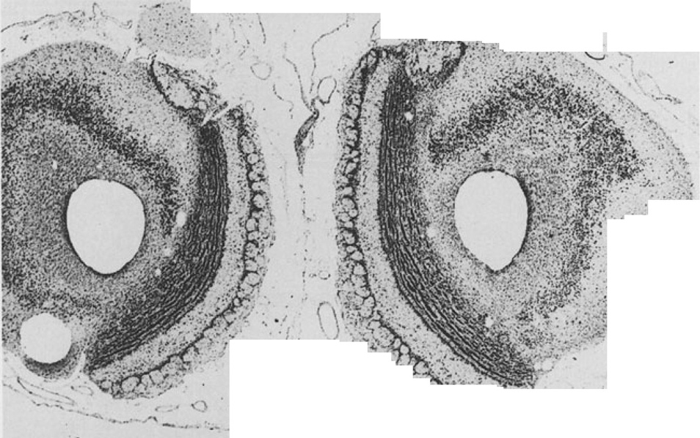
MOB
A 12.5
11- 10- 9- 8- |  |  |  | 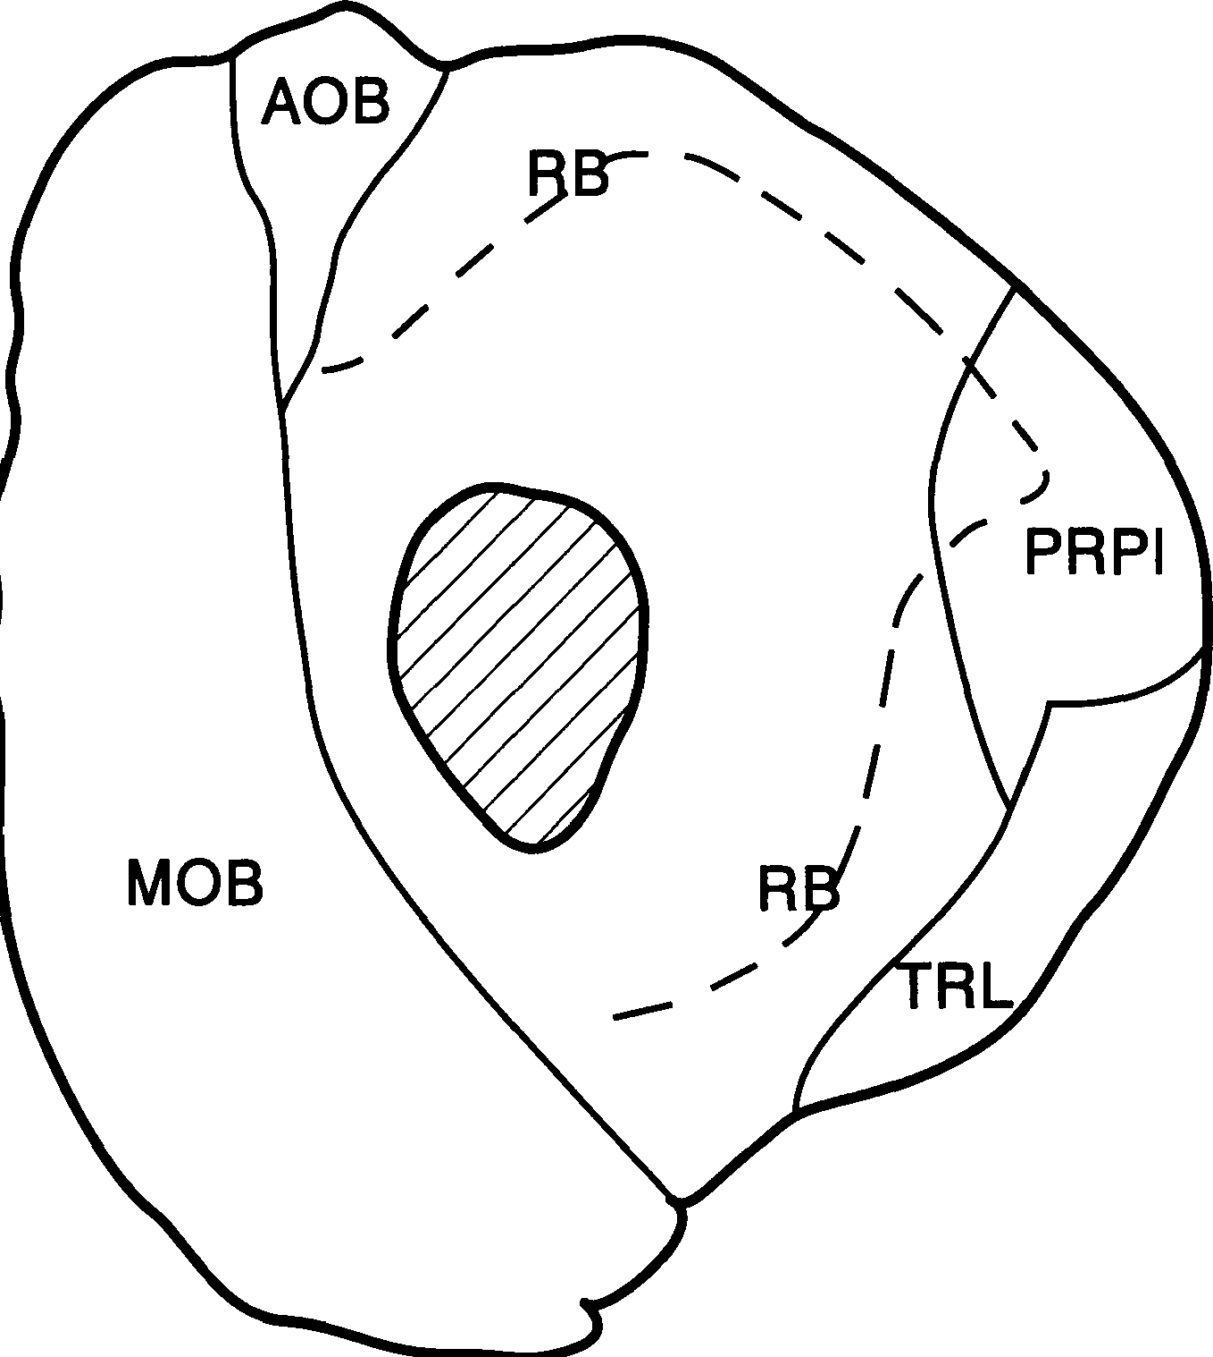
7- 6-
 | 57 I I I I 0 2 3 4 5
AOB MOB PRPI |  |  |  |  | accessory olfactory bulb main olfactory bulb prepiriform region |  |  |  |  |  |  |  |  |  |  |  |  |  |  |  |  |  | RB TRL |  |  |  |  |  |  | retrobulbar region lateral olfactory tract
,
'
 |  |  |  |  |  |  |  |  |  |  |  |  |  |  |  |  |  |  |  |  |  |  |  |  |  | - ., . .- ' - - -- ·,:,;.·$r1... ;:_;·..... |  |  |  |  |  |  |  |  |  |  | I I " '· j 1-· ·
; \ \ I , ... - ; 1,,' -·- - - ) t "-,\,' \ 7 •( -, :.;;., ·. -r_:....r i L .' ., , "" ,.
A 10
 |  |  |  |  |  |  |  | 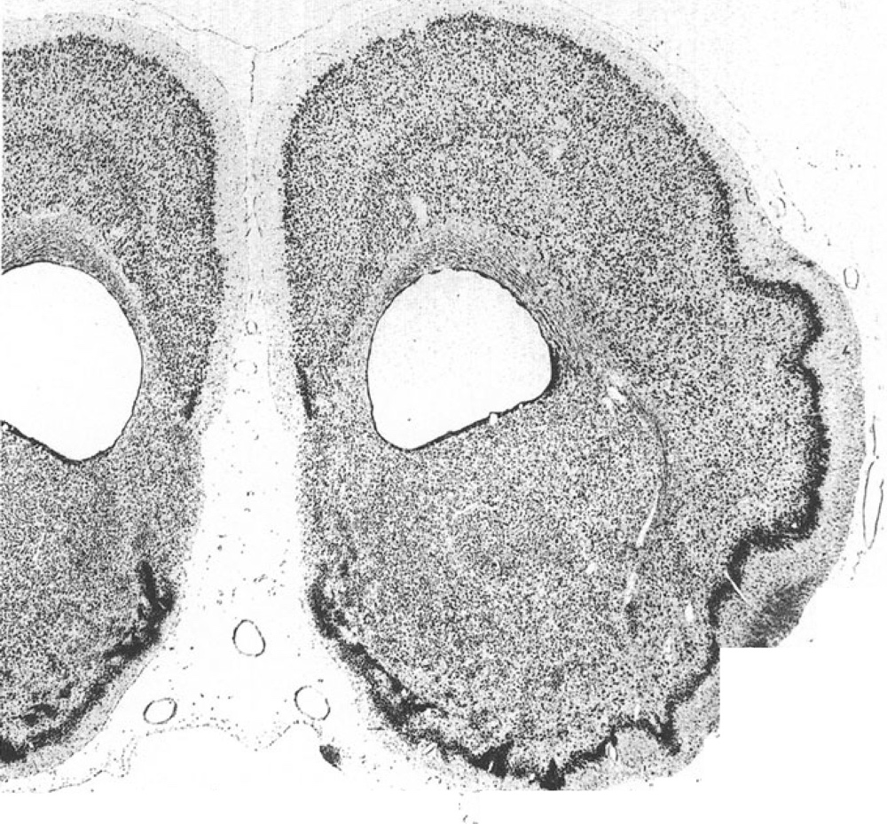
, . P - , fr,-·c- • •A·,
11
10-
(
9-
PAPI I
\
I
8-
e
STR
I
7-
6-
TOL
5-
4-
3-
A 10
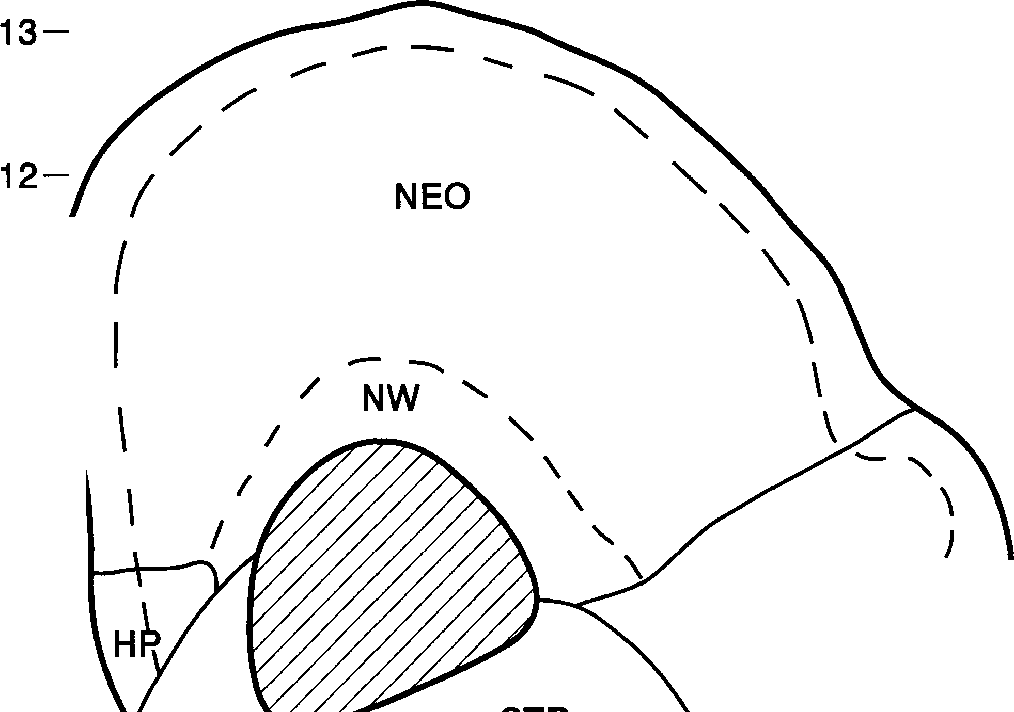 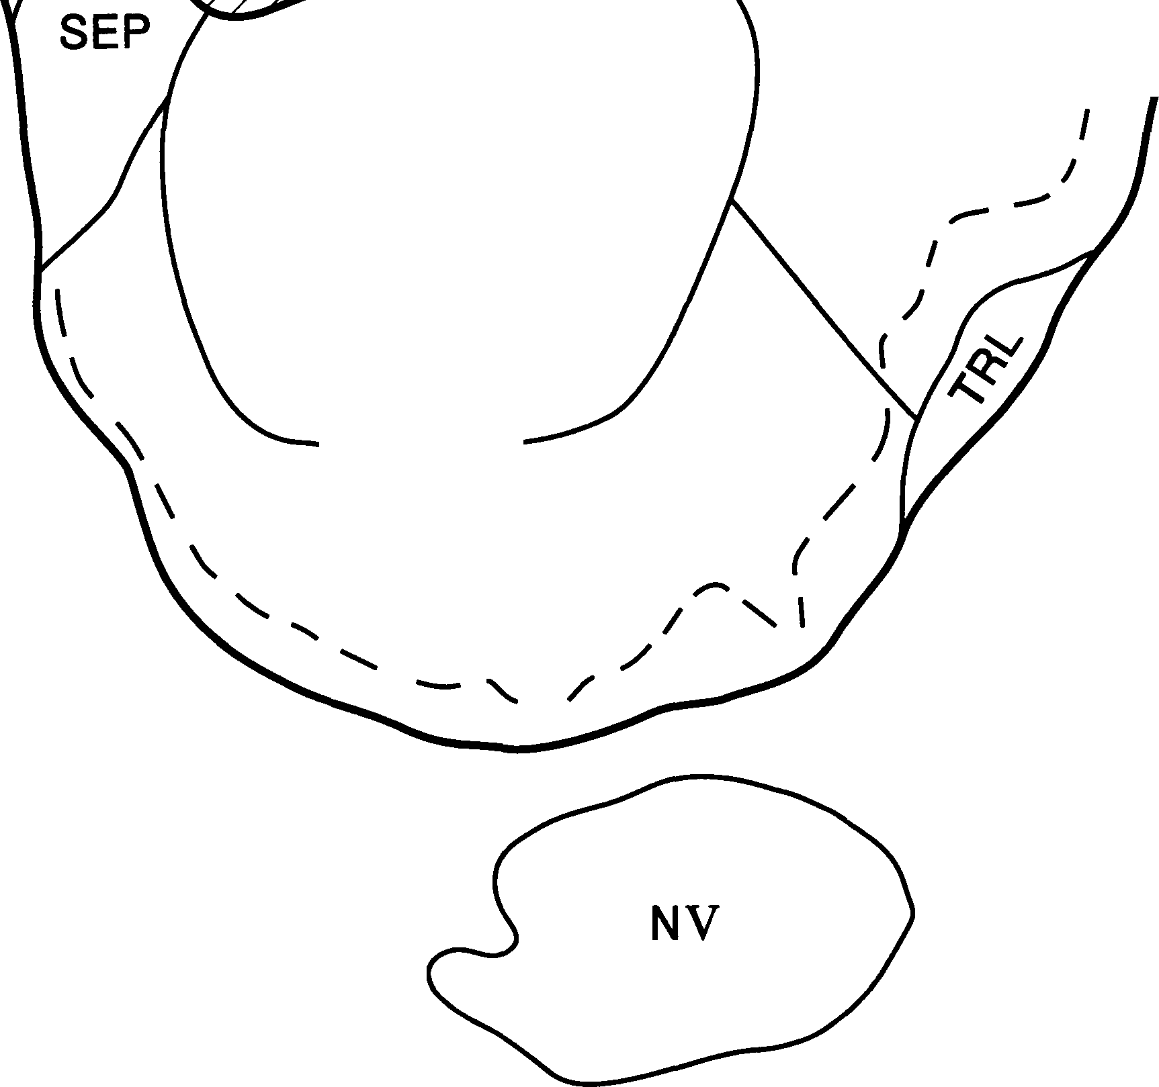 COA HP NEO NW NV |  |  |  | I I I I I I 2 3 4 5 6 7 anterior commissure PRPI prepiriform region hipp. precommissuralis SEP telencephalic septum neocortex STR striatum neocortical white matter TOL olfactory tubercle trigeminal nerve TRL lateral olfactory tract
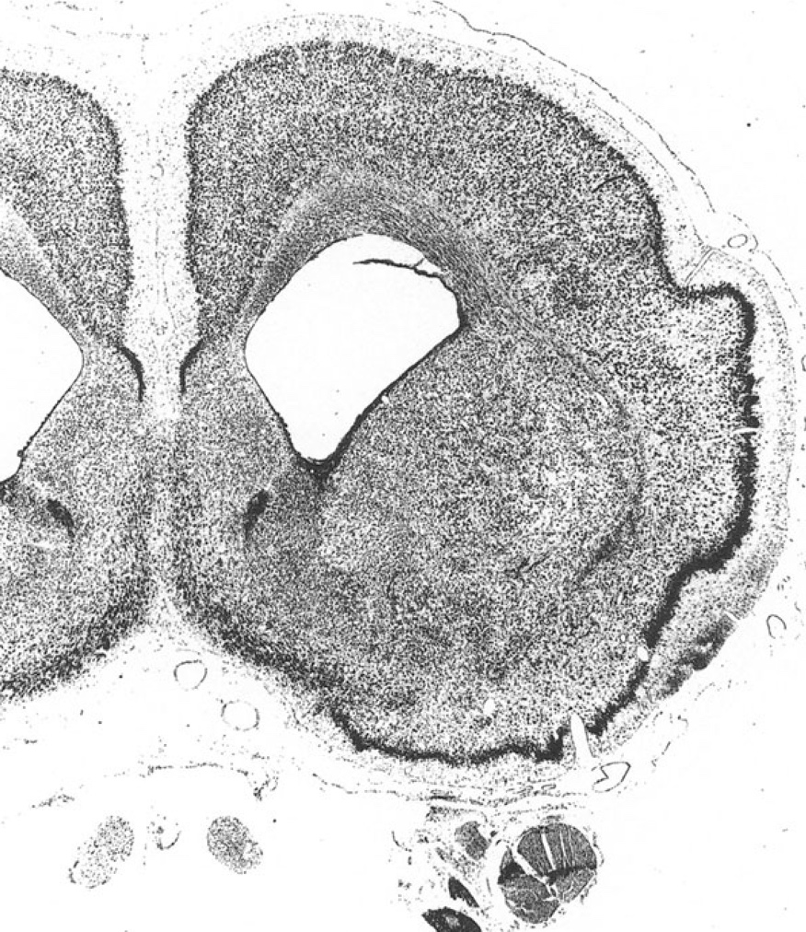 A 9

6
A 9
4- 3- | 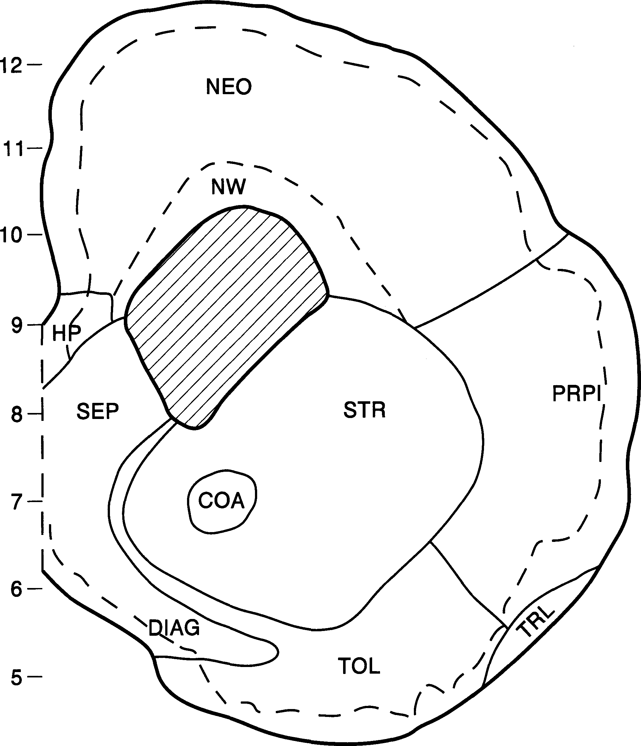
27 |  |  |  |  |  |  | I |  |  |  |  |  |  |  |  |  | I |  |  |  |  | I |  |  |  | I |  |  |  |  | I |  |  |  |  |  |  |  | I
0 |  |  |  |  |  |  | 2 |  |  |  |  |  |  |  |  |  | 3 |  |  |  |  | 4 |  |  |  | 5 |  |  |  |  | 6 |  |  |  |  |  |  |  | 7
COA anterior commissure DIAG diagonal band of Broca HP hipp. precommissuralis NEO neocortex NW neocortical white matter NII optic nerve |  |  |  |  |  |  |  |  |  |  |  |  |  |  |  |  |  |  |  |  |  |  |  |  |  |  |  | NV trigeminal nerve PRPI prepiriform region SEP telencephalic septum STR striatum TOL olfactory tubercle TRL lateral olfactory tract

t

 |  |  | (iI' ..

•. . '·.
·-
1
% 1, ;,. -;'I! ' '
&:,H bi..." •..
'Y f"
)l=.-..
:
; " "
j.
"..;
...
.
.
.'.
.•,
f
.,
'.(
...
7
,,
•!
}'.
'
1
.. .
;
....',
. ,•
'J
,_
·.. ·; :';'.:.\ .
._,.... ·,. ·-·
.>. .... . ' ·: #
r '
'
 |  |  | i.' | . .
A 8
 |  |  |  |  |  |  |  | 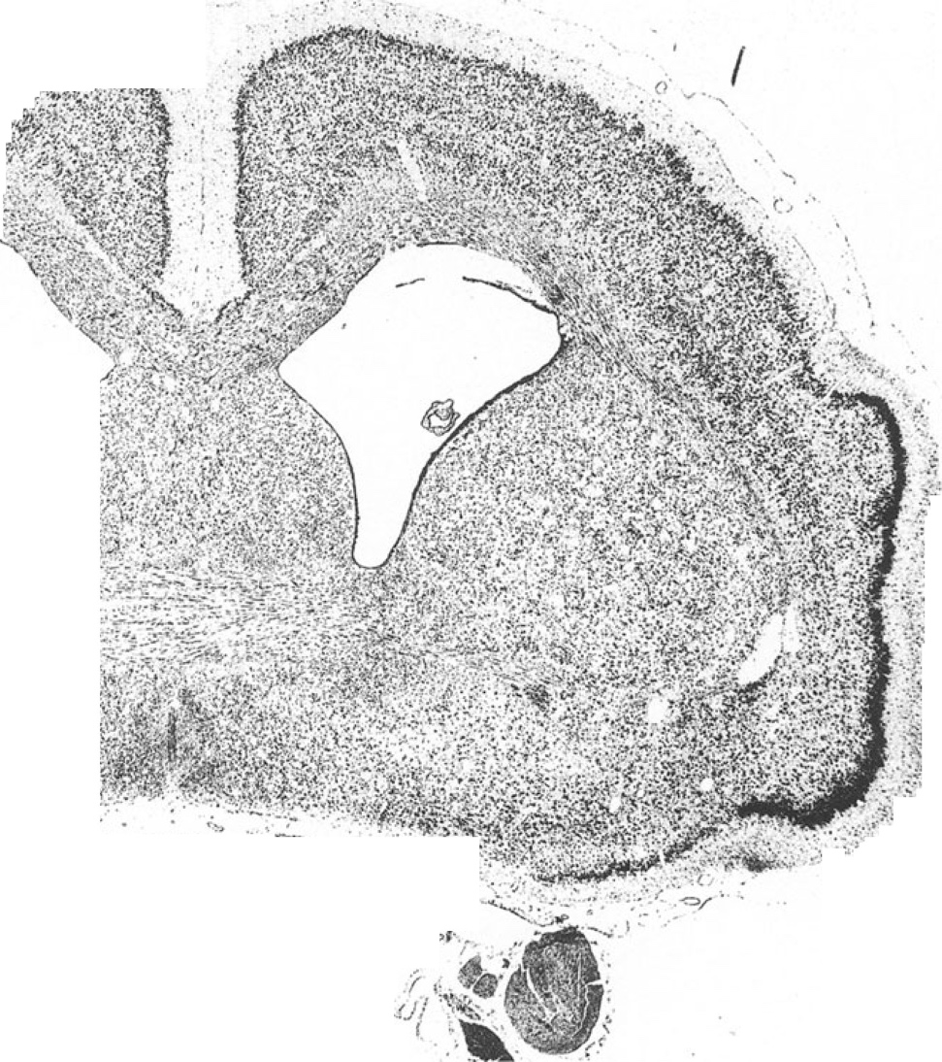
13-
12-
11-
------
/
I
I
10
STR
PRPI /
I I I
l
I
)
4-
3-
A 8 | 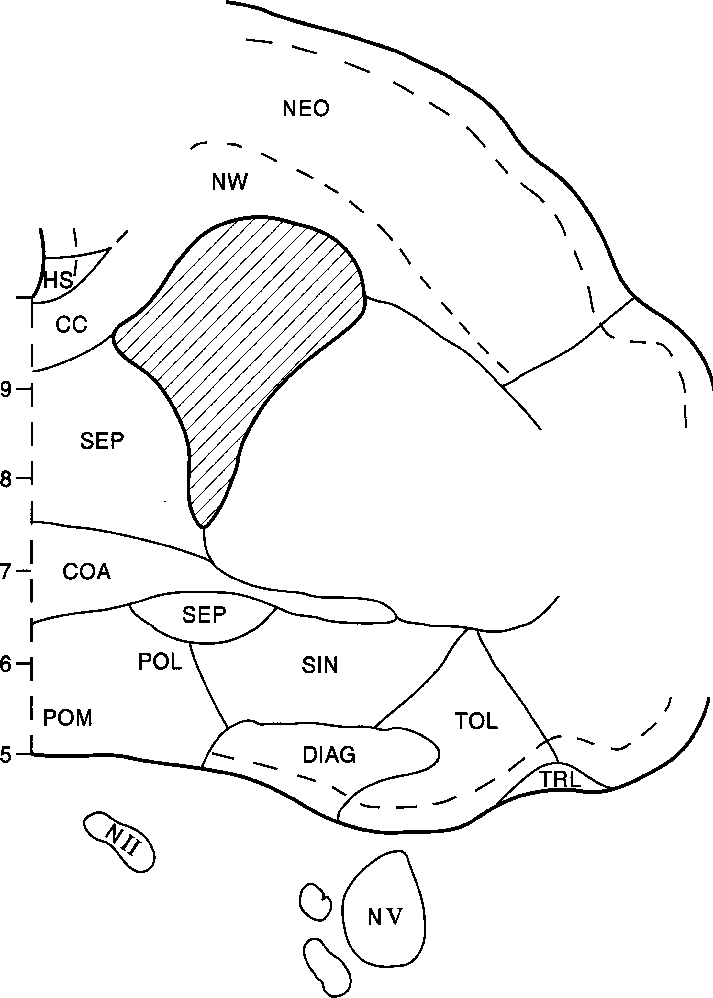

I |  |  |  |  |  |  |  |  |  |  |  |  |  |  |  | I |  |  |  |  | I |  |  |  |  |  | I |  |  |  |  | I |  |  |  |  |  |  | I |  |  | I
2 |  |  |  |  |  |  |  |  |  |  |  |  |  |  |  | 3 |  |  |  |  | 4 |  |  |  |  |  | 5 |  |  |  |  | 6 |  |  |  |  |  |  | 7 |  |  | 8
cc |  |  |  |  |  |  | corpus callosum |  |  |  |  |  |  |  |  |  |  |  |  |  |  |  |  |  |  |  | POL |  |  |  |  | lateral preoptic area
COA |  |  |  |  |  |  | anterior commissure |  |  |  |  |  |  |  |  |  |  |  |  |  |  |  |  |  |  |  | POM |  |  |  |  | medial preoptic area
DIAG |  |  |  |  |  |  | diagonal band of Broca |  |  |  |  |  |  |  |  |  |  |  |  |  |  |  |  |  |  |  | PRPI |  |  |  |  | prepiriform region
HS |  |  |  |  |  |  | hipp. supracommissuralis |  |  |  |  |  |  |  |  |  |  |  |  |  |  |  |  |  |  |  | SEP |  |  |  |  | telencephalic septum
NEO |  |  |  |  |  |  | neocortex |  |  |  |  |  |  |  |  |  |  |  |  |  |  |  |  |  |  |  | SIN |  |  |  |  | substantia innominata
NW |  |  |  |  |  |  | neocortical white matter |  |  |  |  |  |  |  |  |  |  |  |  |  |  |  |  |  |  |  | STR |  |  |  |  | striatum
NII |  |  |  |  |  |  | optic nerve |  |  |  |  |  |  |  |  |  |  |  |  |  |  |  |  |  |  |  | TOL |  |  |  |  | olfactory tubercle
NV |  |  |  |  |  |  | trigeminal nerve |  |  |  |  |  |  |  |  |  |  |  |  |  |  |  |  |  |  |  | TRL |  |  |  |  | lateral olfactory tract
► , ,•! ;: •·· ' .:.· .... ....,
\
( . .
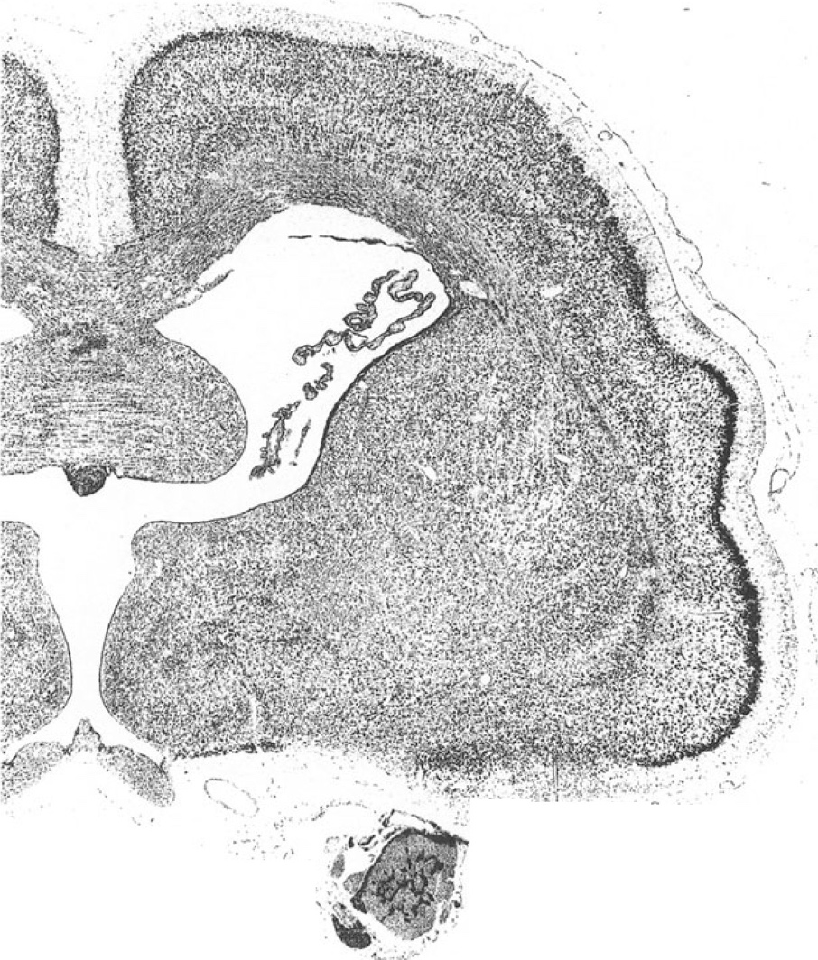 A 7

13-
12- 11- |  |  | NEO / -NW --- |  |  |  |  |  |  |  |  |  |  |  |  |  |  |  |  |  |  |  | '- A 7
10- 9- 8- 7- 6- 5- 4- 3- |  |  |  |  |  |  |  | 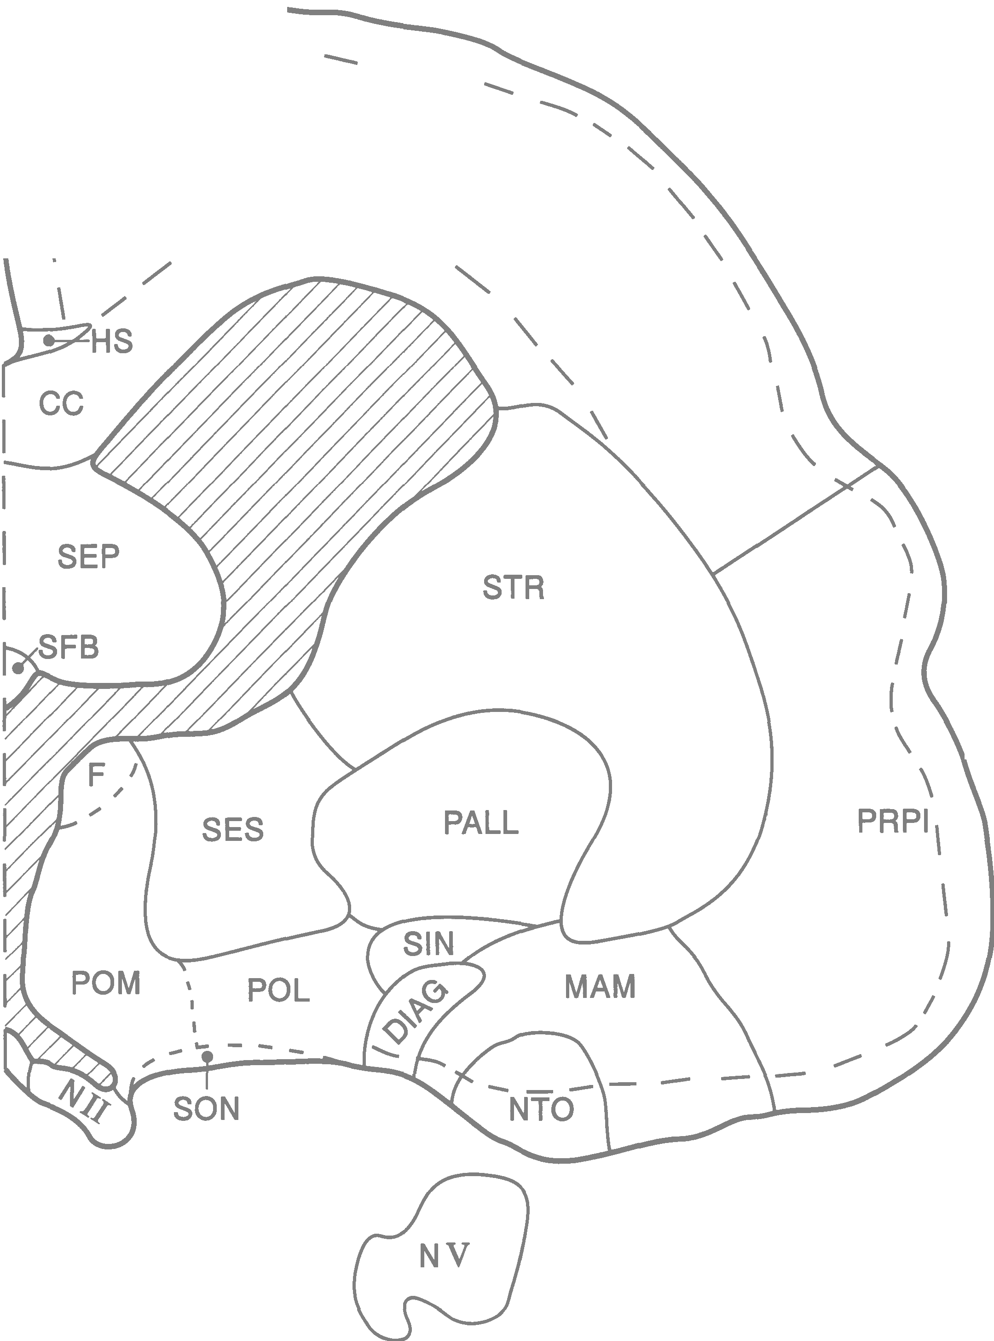
I |  |  |  |  |  |  |  |  |  |  |  |  |  |  |  |  | I |  |  |  |  | I |  |  |  |  | I |  |  |  |  |  |  | I |  |  |  |  | I |  |  | I |  |  | I
2 |  |  |  |  |  |  |  |  |  |  |  |  |  |  |  |  | 3 |  |  |  |  | 4 |  |  |  |  | 5 |  |  |  |  |  |  | 6 |  |  |  |  | 7 |  |  | 8 |  |  | 9
cc |  |  |  |  |  |  | corpus callosum |  |  |  |  |  |  |  |  |  |  |  |  |  |  |  |  |  |  |  | PALL |  |  |  |  |  |  | pallidum, globus pallidus
DIAG |  |  |  |  |  |  | diagonal band of Broca |  |  |  |  |  |  |  |  |  |  |  |  |  |  |  |  |  |  |  | POL |  |  |  |  |  |  | lateral preoptic area
F |  |  |  |  |  |  | fimbria-fornix complex |  |  |  |  |  |  |  |  |  |  |  |  |  |  |  |  |  |  |  | POM |  |  |  |  |  |  | medial preoptic area
HS |  |  |  |  |  |  | hipp. supracommissuralis |  |  |  |  |  |  |  |  |  |  |  |  |  |  |  |  |  |  |  | PRPI |  |  |  |  |  |  | prepiriform region
MAM |  |  |  |  |  |  | medial amygdaloid division |  |  |  |  |  |  |  |  |  |  |  |  |  |  |  |  |  |  |  | SEP |  |  |  |  |  |  | telencephalic septum
NEO |  |  |  |  |  |  | neocortex |  |  |  |  |  |  |  |  |  |  |  |  |  |  |  |  |  |  |  | SES |  |  |  |  |  |  | stria terminalis nuclei
NTO |  |  |  |  |  |  | nucleus of the lateral |  |  |  |  |  |  |  |  |  |  |  |  |  |  |  |  |  |  |  | SFB |  |  |  |  |  |  | subfornical body
 |  |  |  |  |  |  | olfactory tract |  |  |  |  |  |  |  |  |  |  |  |  |  |  |  |  |  |  |  | SIN |  |  |  |  |  |  | substantia innominata
NW |  |  |  |  |  |  | neocortical white matter |  |  |  |  |  |  |  |  |  |  |  |  |  |  |  |  |  |  |  | SON |  |  |  |  |  |  | supraoptic nucleus
NII |  |  |  |  |  |  | optic nerve |  |  |  |  |  |  |  |  |  |  |  |  |  |  |  |  |  |  |  | STR |  |  |  |  |  |  | striatum
NV |  |  |  |  |  |  | trigeminal nerve
:"' . ·. ...
'-'
!..;,.....
_{l}t·t;!
.
t
-- . · :
C) , ,-
_ ..,., -; .. .
-
.:..::··· ,:
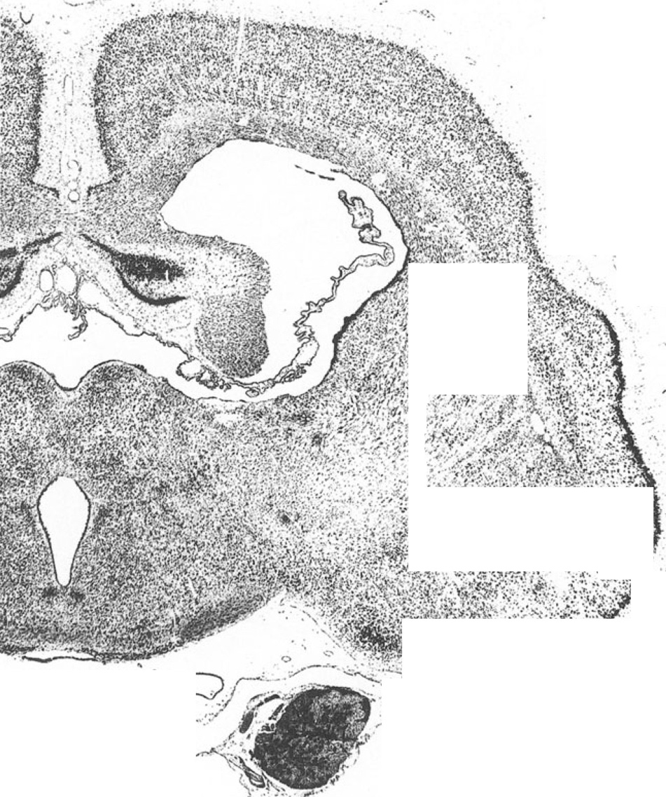 A 6

13- 12 |  | NEO ,,,,,.. - - -- A 6
8 I I PAPI\ \ \
 | 5
0
4 3- 27 I I I I I I I I 0 2 3 4 5 6 7 8 9
ANT nucleus anterior thalami CAI capsula intema cc corpus callosum HR hipp. retrocommissuralis HS hipp. supracommissuralis HTA anterior hypothalamic area HTD dorsal hypothalamic area HTL lateral hypothalamus LAM lateral amygdaloid division MAM medial amygdaloid division NEO neocortex |  |  |  |  |  |  |  |  |  |  |  |  |  |  |  |  |  |  |  |  |  |  |  |  |  | NW NV PALL PH PRPI PT RTH SC SES STR TRO |  |  |  |  |  | neocortical white matter trigeminal nerve pallidum, globus pallidus ncl. parahypothalamicus prepiriform region ncl. paratenialis thalami nuclei reticulares thalami ncl. suprachiasmaticus stria terminalis nuclei striatum optic tract
 |  |  |  |  |  |  |  | 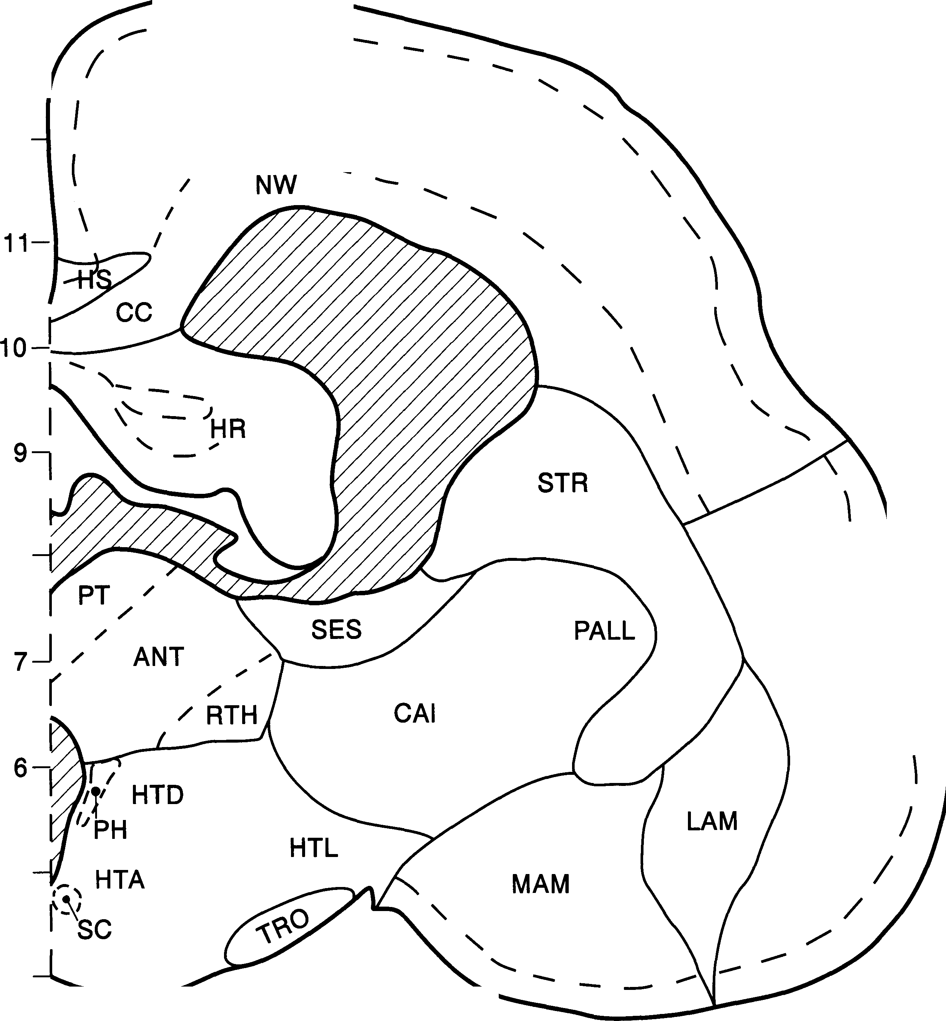
. ...
. '
-'-- ...... · - \ ;
·
-
-:,\
:f;
, ...
-i)
, I
- -· '..- .·
;.f-J -;-;;,..r·
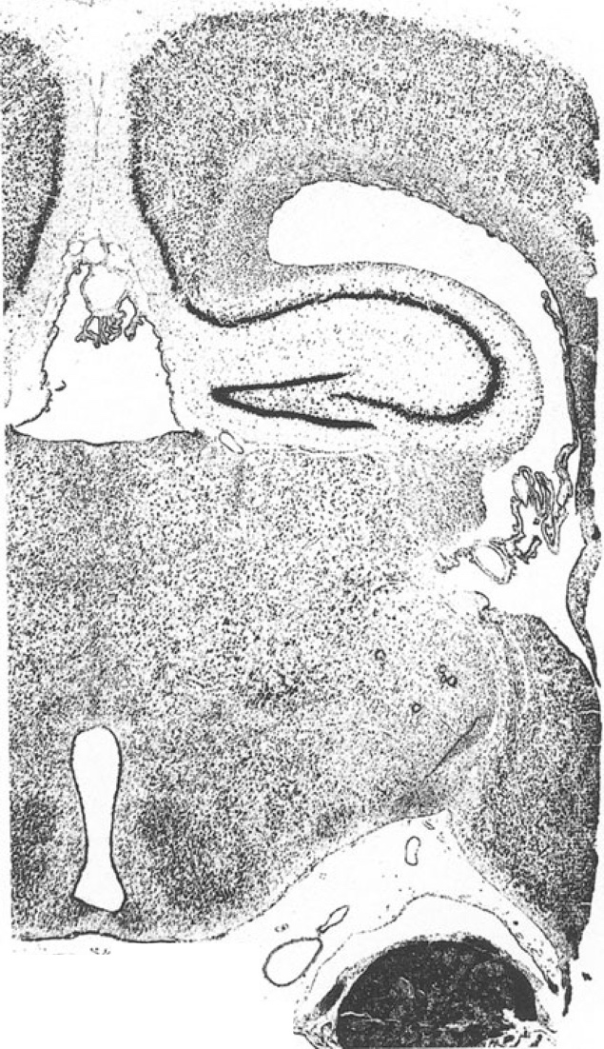 -· ""-,.? |  |  |  |  |  |  |  |  |  |  |  |  |  |  |  |  |  |  |  |  |  |  |  |  |  |  |  |  |  |  |  |  | 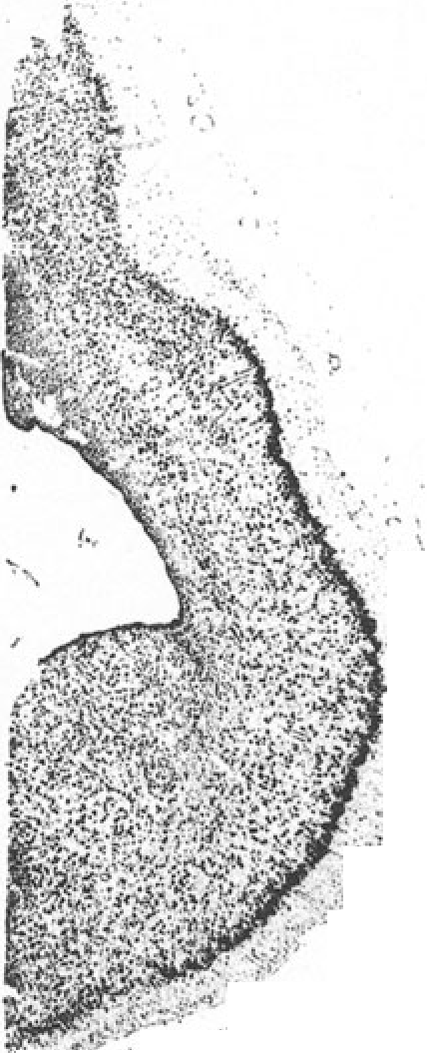
A 5
12 I'­ / |  |  |  |  |  |  |  |  |  | NEO A 5
,
/
10 9 I IPT,'' |  |  |  |  |  | MD ' 1 LO I |  |  |  |  |  | - --- _ HR --
 |  | 8 -I , .. I
 |  |  | I CMT,,,, VLT

6 4
3- 27 |  |  |  |  |  |  | I |  |  |  |  |  |  |  |  |  |  |  | NV |  |  |  | I |  |  | I |  |  |  |  |  | I |  |  |  |  |  |  | I |  |  | I |  |  | I
0 |  |  |  |  |  |  | 2 |  |  |  |  |  |  |  |  |  | 3 |  |  |  |  |  | 4 |  |  | 5 |  |  |  |  |  | 6 |  |  |  |  |  |  | 7 |  |  | 8 |  |  | 9
AD |  |  |  |  |  |  | ncl. anterodorsalis thalami |  |  |  |  |  |  |  |  |  |  |  |  |  |  |  |  |  |  | NW |  |  |  |  |  | neocortical white matter
CAI |  |  |  |  |  |  | capsula interna |  |  |  |  |  |  |  |  |  |  |  |  |  |  |  |  |  |  | NV |  |  |  |  |  | trigeminal nerve
CMT |  |  |  |  |  |  | ncl. centromedialis thalami |  |  |  |  |  |  |  |  |  |  |  |  |  |  |  |  |  |  | PRPI |  |  |  |  |  | prepiriform region
GLD |  |  |  |  |  |  | dorsal nucleus of CGL |  |  |  |  |  |  |  |  |  |  |  |  |  |  |  |  |  |  | PT |  |  |  |  |  | ncl. paratenialis thalami
GLV |  |  |  |  |  |  | ventral nucleus of CGL |  |  |  |  |  |  |  |  |  |  |  |  |  |  |  |  |  |  | RE |  |  |  |  |  | nucleus reuniens thalami
HR |  |  |  |  |  |  | hipp. retrocommissuralis |  |  |  |  |  |  |  |  |  |  |  |  |  |  |  |  |  |  | RTH |  |  |  |  |  | nuclei reticulares thalami
HTL |  |  |  |  |  |  | lateral hypothalamus |  |  |  |  |  |  |  |  |  |  |  |  |  |  |  |  |  |  | SCH |  |  |  |  |  | schizocortex
LAM |  |  |  |  |  |  | lateral amygdaloid division |  |  |  |  |  |  |  |  |  |  |  |  |  |  |  |  |  |  | TRO |  |  |  |  |  | optic tract
LD |  |  |  |  |  |  | ncl. laterodorsalis thalami |  |  |  |  |  |  |  |  |  |  |  |  |  |  |  |  |  |  | VLT |  |  |  |  |  | ncl. ventrolateralis thalami
MAM |  |  |  |  |  |  | medial amygdaloid division |  |  |  |  |  |  |  |  |  |  |  |  |  |  |  |  |  |  | VMH |  |  |  |  |  | ncl. ventromed. hypothalami
MD |  |  |  |  |  |  | ncl. med. thalami dorsalis |  |  |  |  |  |  |  |  |  |  |  |  |  |  |  |  |  |  | ZI |  |  |  |  |  | zona incerta
NEO |  |  |  |  |  |  | neocortex
 |  |  |  |  |  |  |  | 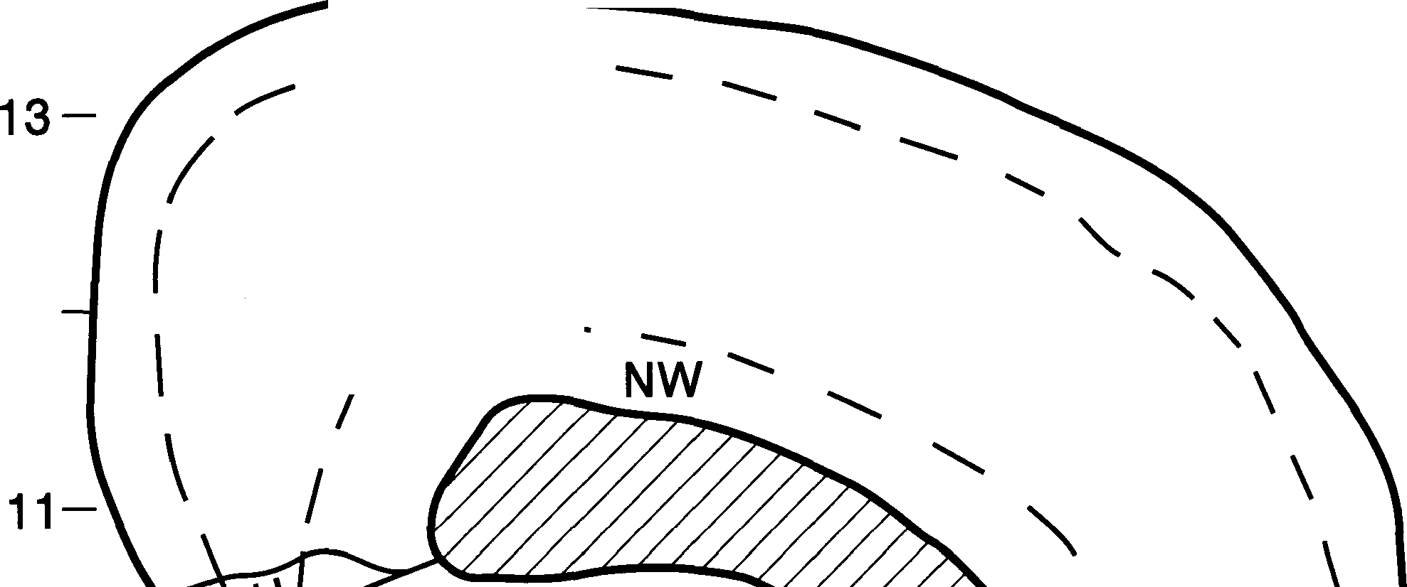 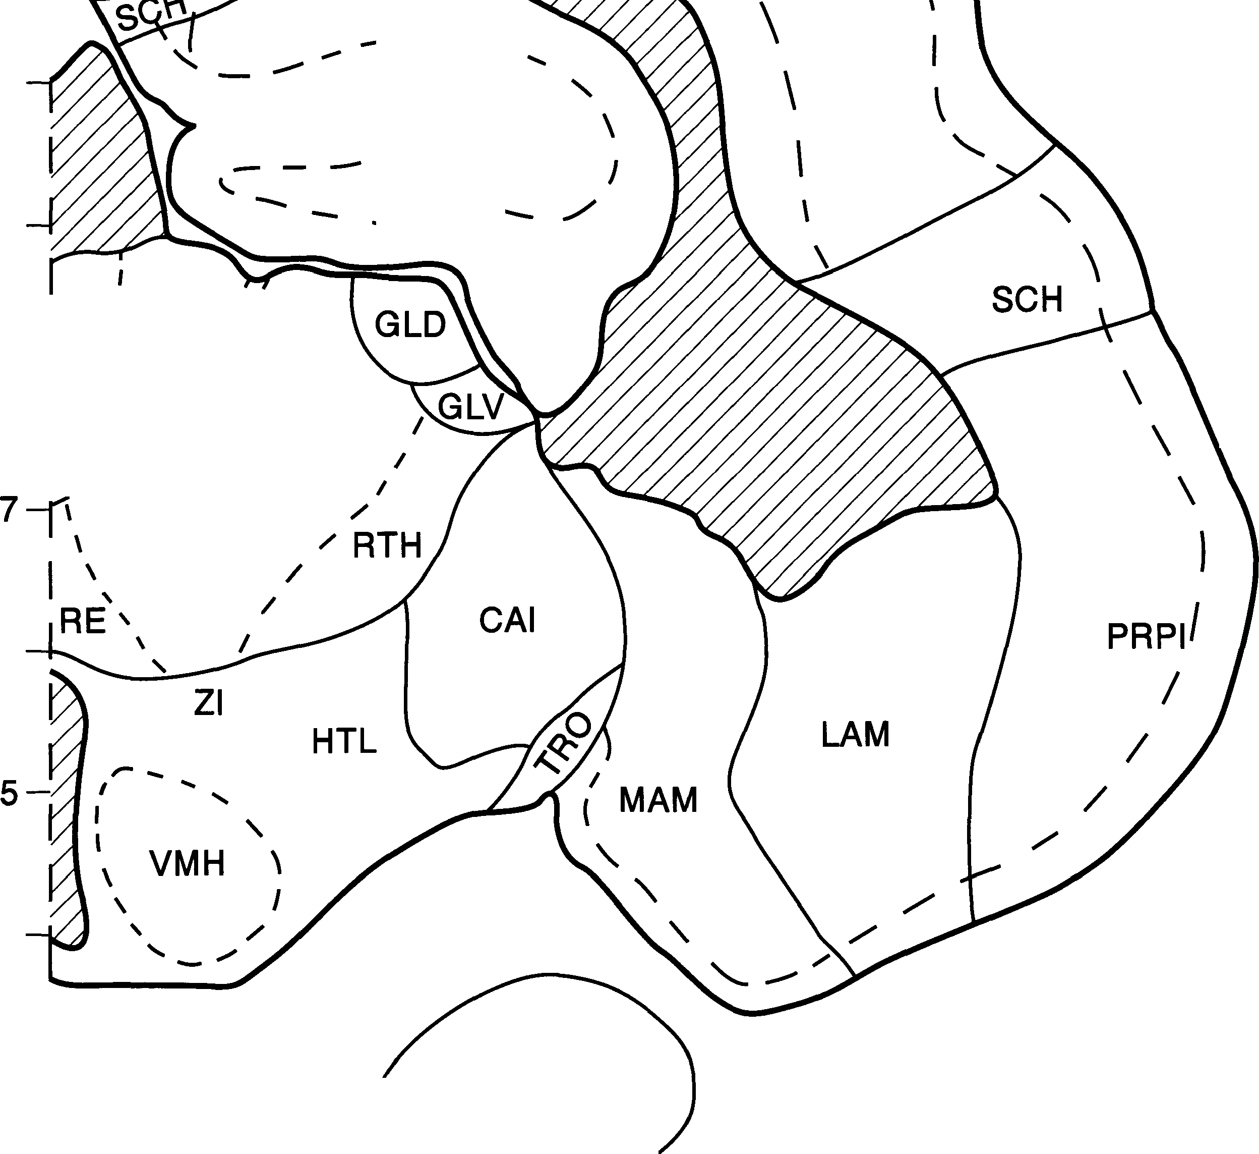
!")-•· ''_. .
'1(
:::
^{r}r :·.') ·, :.)
\;/""
'
I
- ....
• " r ' I • -.., ,, ./1'.
-· ....
-·
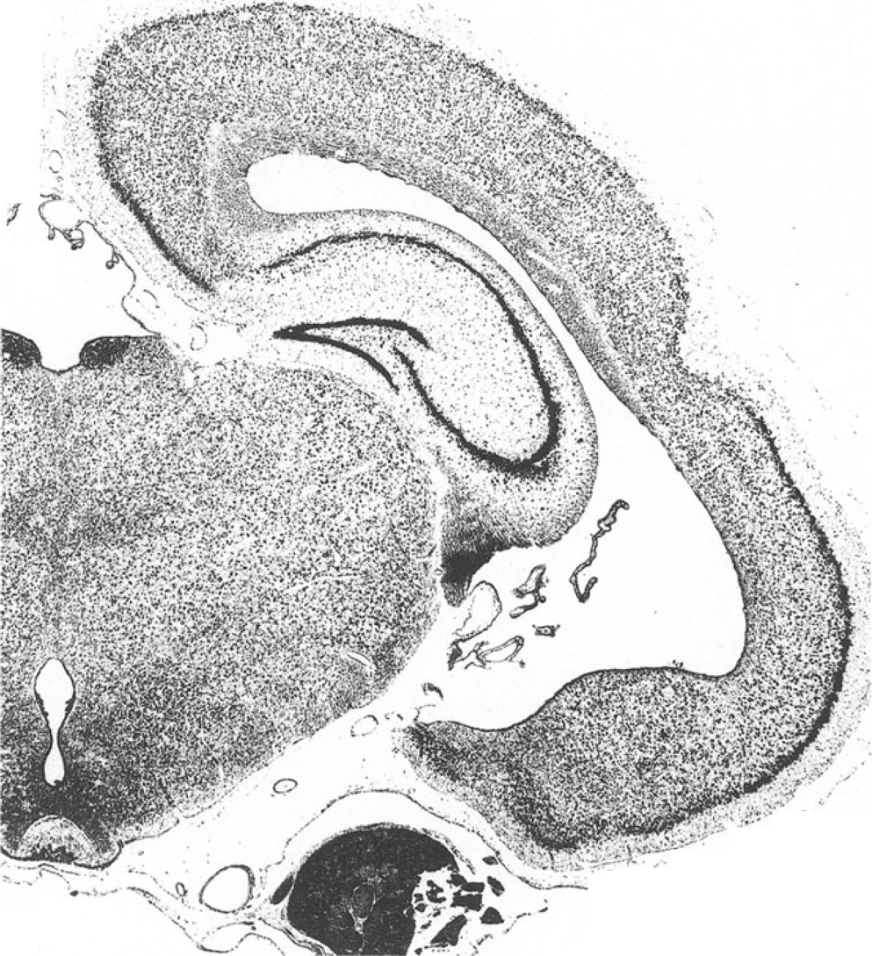 A 4

27 |  |  |  |  |  |  | I |  |  |  |  |  |  |  |  | I |  |  |  |  |  | I |  |  |  | I |  |  |  |  | I |  |  |  |  |  |  |  | I |  |  | I |  |  | I
0 |  |  |  |  |  |  | 2 |  |  |  |  |  |  |  |  | 3 |  |  |  |  |  | 4 |  |  |  | 5 |  |  |  |  | 6 |  |  |  |  |  |  |  | 7 |  |  | 8 |  |  | 9
CLT CMT DMH GLD GLV HAL HAM HR HTL IMD INF LAM LD |  |  |  |  |  |  |  |  |  |  |  |  |  |  |  |  |  |  |  |  |  |  |  |  |  |  |  | MD NEO NW NV PRPI RE RH RTH SCH VLT VMH VMT ZI
 |  |  |  |  |  |  | ncl. centrolateralis thalami ncl. centromedialis thalami ncl. dorsomed. hypothalami dorsal nucleus of CGL ventral nucleus of CGL ncl. habenularis lateralis ncl. habenularis medialis hipp. retrocommissuralis hypothalamus lateralis ncl. intermediodors. thalami nucleus infundibularis lateral amygdaloid division ncl. laterodorsalis thalami |  |  |  |  |  |  |  |  |  |  |  |  |  |  |  |  |  |  |  |  |  |  |  |  |  |  | ncl. med. thalami dorsalis neocortex neocortical white matter trigeminal nerve prepiriform region nucleus reuniens thalami ncl. rhomboides thalami nuclei reticulares thalami schizocortex ncl. ventrolateralis thalami ncl. ventromed. hypothalami ncl. ventromed. thalami zona incerta
MAM medial amygdaloid division
. ·..,.r
.
.
) - -·-
• ;;
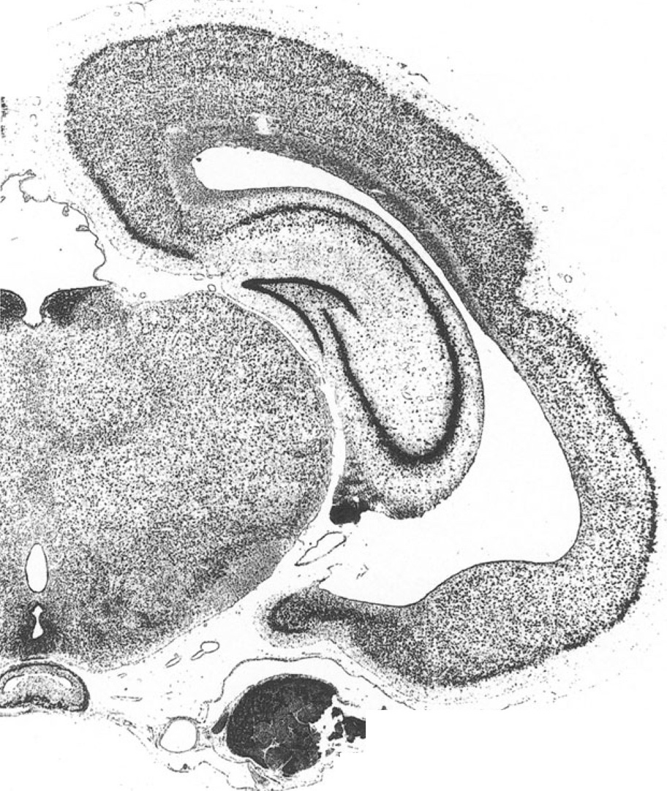 A 3.5

13- - |  |  |  |  |  |  |  |  |  |  |  |  |  |  |  |  |  |  |  |  |  |  |  |  |  |  |  | Hedgehog Brain Atlas 523
12- |  |  |  |  |  |  |  |  |  | NEO |  |  |  |  |  |  |  |  |  |  |  |  |  |  |  |  |  |  |  |  |  | A 3.5
10
9
's I 8---j : MD 1 \ I\ .,'CLT, /
7J_C J - - - ,, :} · 4 |  |  |  |  |  |  |  |  |  |  |  |  |  |  |  |  |  |  |  |  |  |  | LAM
 |  |  |  |  |  |  |  |  |  |  |  |  |  |  |  |  |  |  |  |  | .......
3- |  |  |  |  |  |  |  |  |  | 0
27 |  |  |  |  |  |  |  |  |  | I |  |  |  |  |  | I |  |  |  |  | I |  |  |  |  |  |  |  | I |  | I |  |  |  |  |  |  | I |  |  |  | I |  |  | I
0 |  |  |  |  |  |  |  |  |  | 2 |  |  |  |  |  | 3 |  |  |  |  | 4 |  |  |  |  |  |  |  | 5 |  | 6 |  |  |  |  |  |  | 7 |  |  |  | 8 |  |  | 9
CLT ncl. centrolateralis thalami CMT ncl. centromedialis thalami GLD dorsal nucleus of CGL GLV ventral nucleus of CGL HAL ncl. habenularis lateralis HAM ncl. habenularis medialis HR hipp. retrocommissuralis HTL hypothalamus lateralis HTP area hypothalamica posterio IMD ncl. intermediodors. thalami LAM lateral amygdaloid division LD ncl. laterodorsalis thalami |  |  |  |  |  |  |  |  |  |  |  |  |  |  |  |  |  |  |  |  |  |  |  |  |  |  | LUY nucleus subthalamicus Luysi MD ncl. med. thalami dorsalis NEO neocortex NW neocortical white matter NV trigeminal nerve PRPI prepiriform region RE nucleus reuniens thalami RTH nuclei reticulares thalami SCH schizocortex VLT ncl. ventrolateralis thalami VMT ncl. ventromed. thalami ZI zona incerta
 |  |  |  |  |  |  |  | 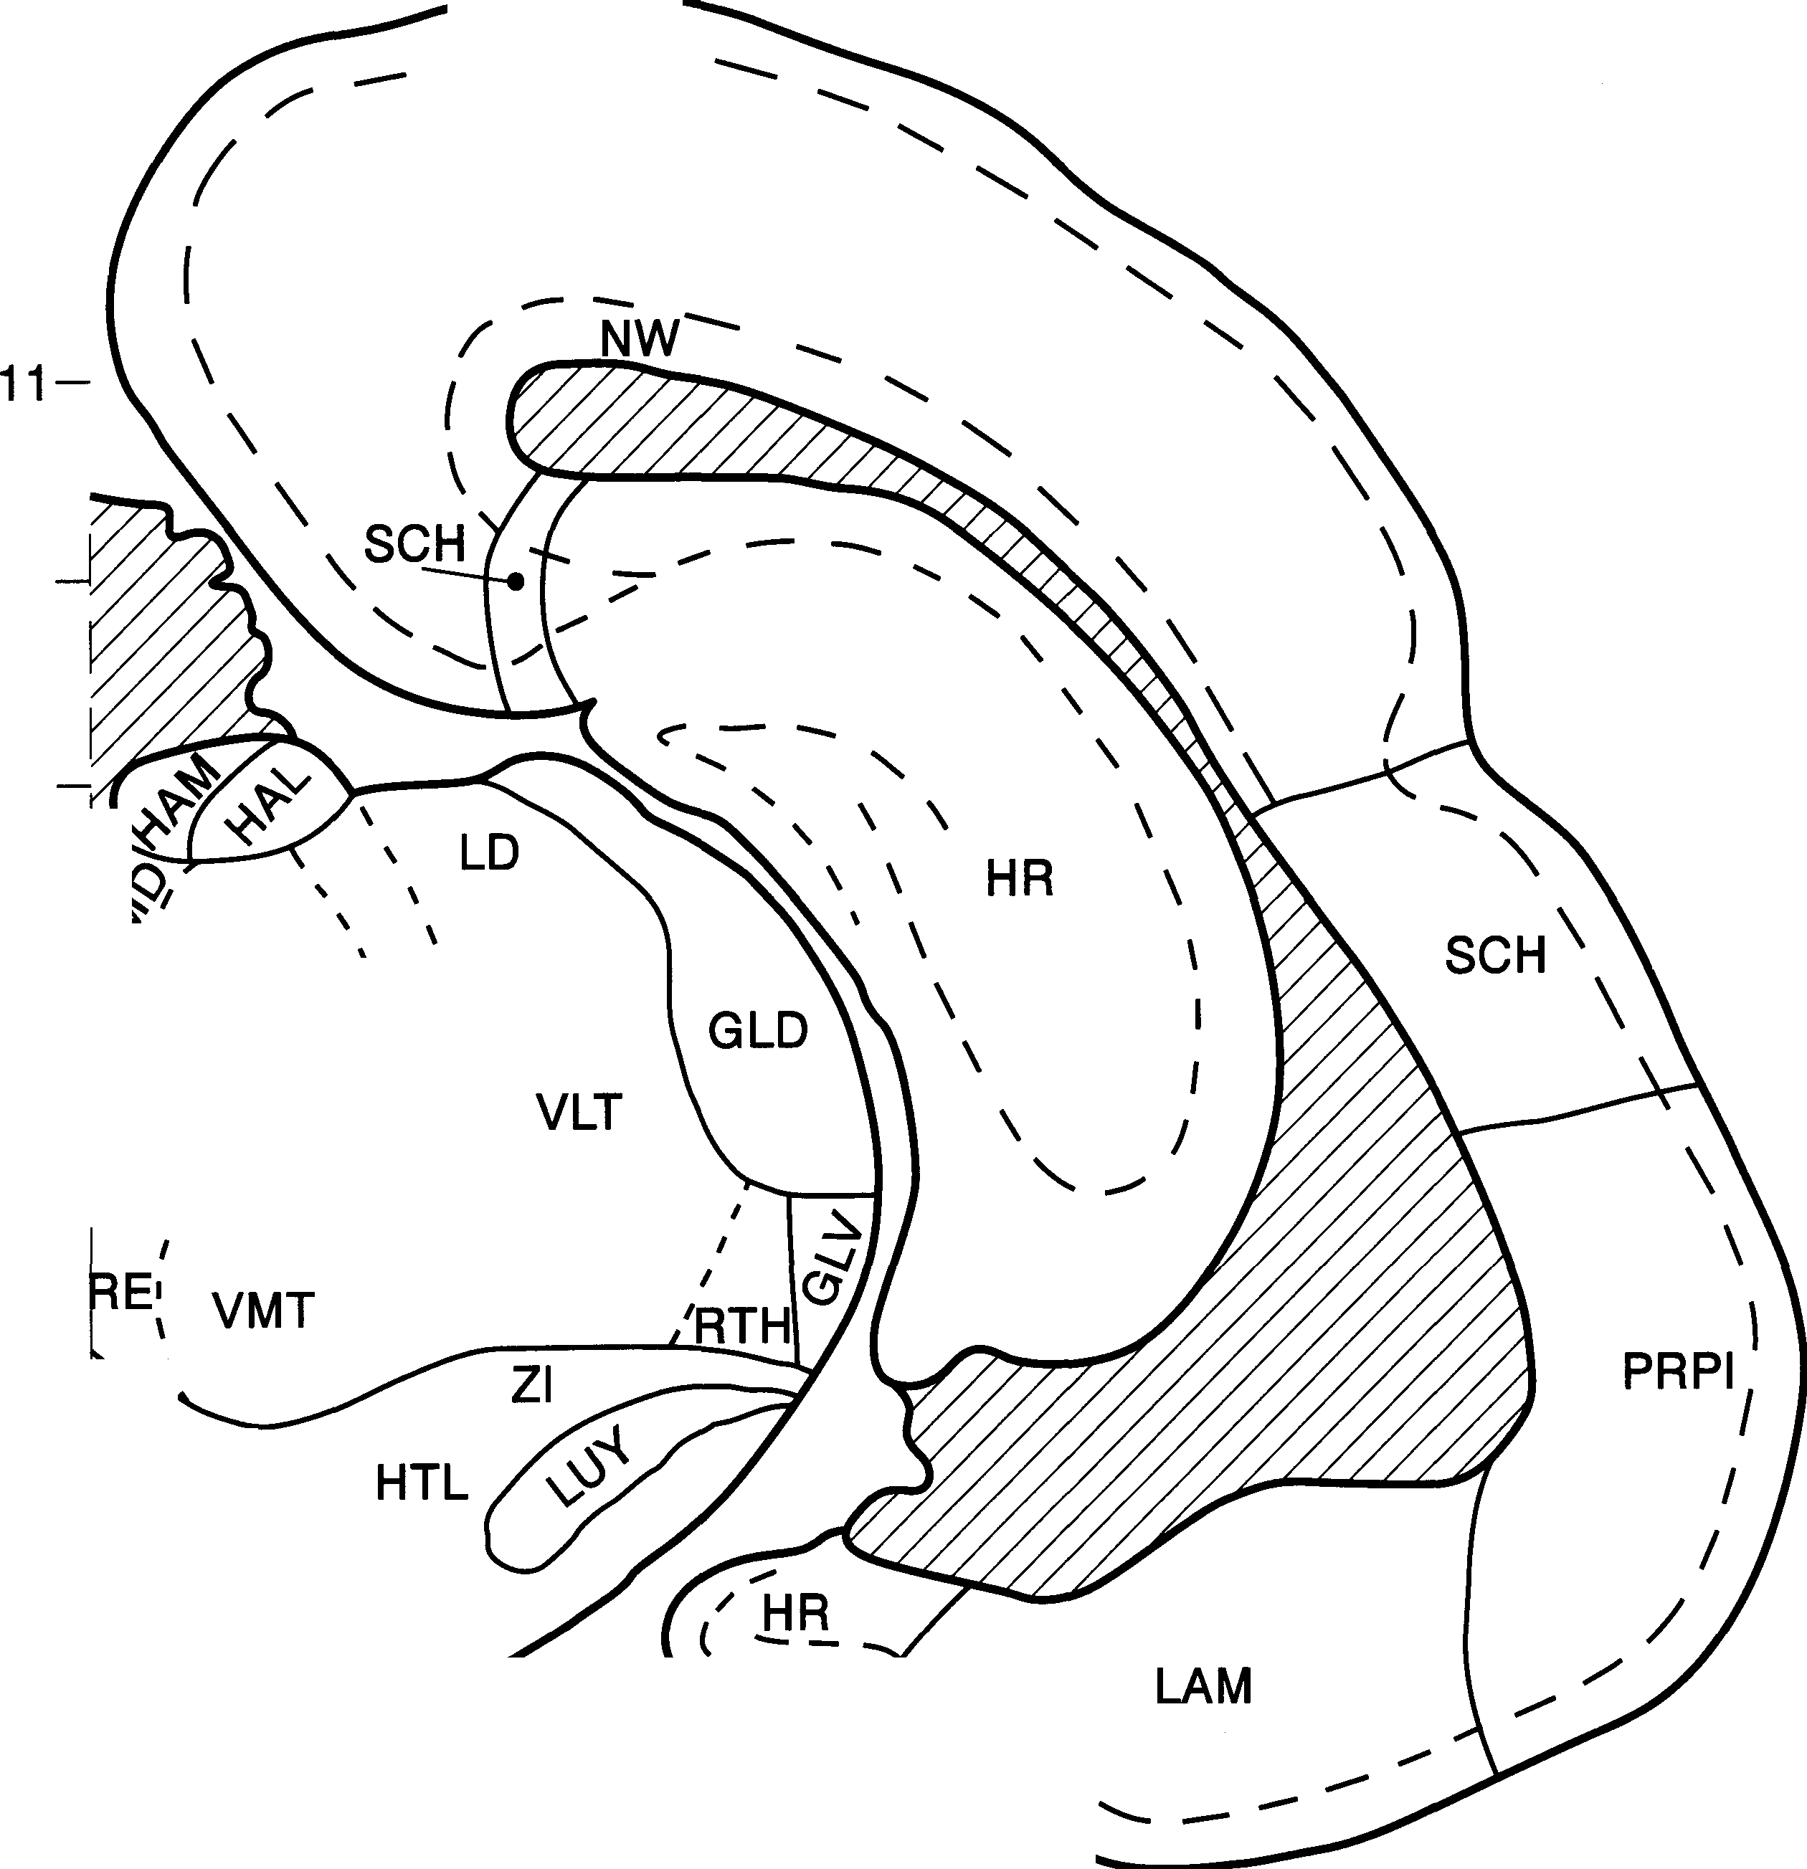
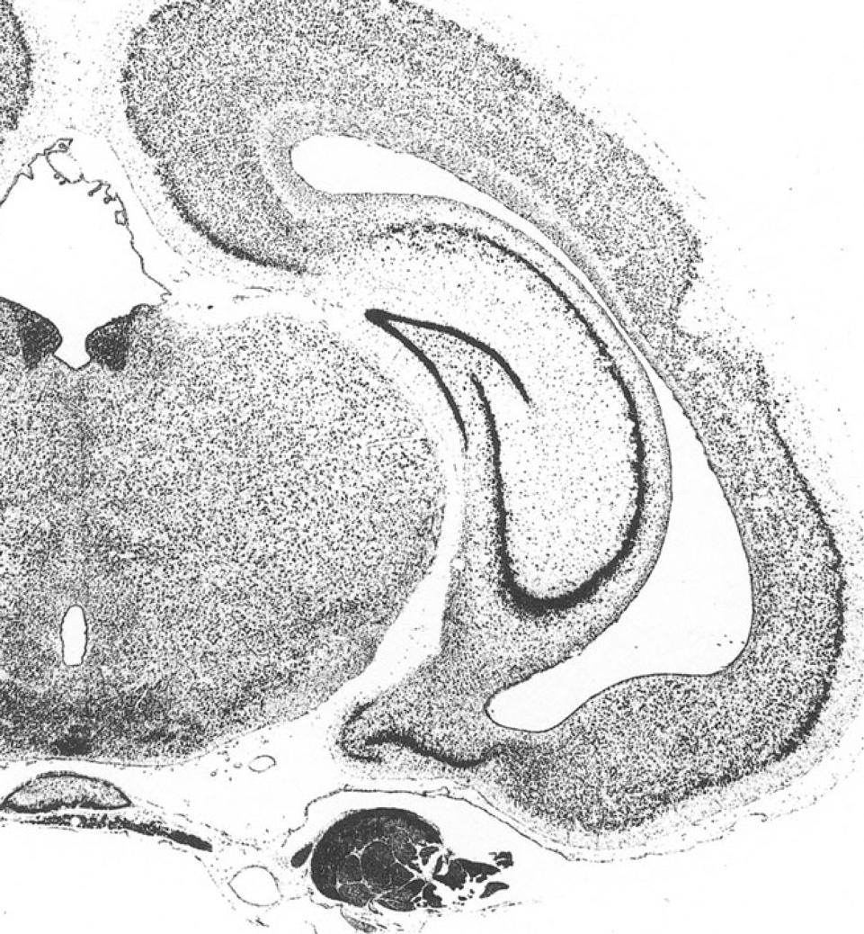 A 3

I
13- Hedgehog Brain Atlas 525 NEO 12- \ A 3
10-
 | 9 ---h' MD |  |  |  |  |  |  |  | ........ " \ HR
8 I I \ I I
/
 | 7 J- q ;: ::- _:-/ VP I - <- RE ', HTL |  |  |  |  |  |  |  |  |  |  |  |  | I I I '- - ,.
:iH:P CM 4- HYP 3-
 | 27 I 0 2 |  |  |  |  |  |  |  |  |  |  | I I I I I I I 3 4 5 6 7 8 9
AVT area ventralis tegmenti CM corpus mamillare CMT ncl. centromedialis thalami GLD dorsal nucleus of CGL GLV ventral nucleus of CGL HAL ncl. habenularis lateralis HAM ncl. habenularis medialis HR hipp. retrocommissuralis HTL hypothalamus lateralis HTP area hypothalamica posterio HYP hypophysis IMD ncl. intermediodors. thalami LAM lateral amygdaloid division |  |  |  |  |  |  |  |  |  |  |  |  |  |  |  |  |  |  |  |  |  |  |  |  | LP ncl. lateralis post. thalami MD ncl. med. thalami dorsalis NEO neocortex NW neocortical white matter NV trigeminal nerve PC pedunculus cerebri PRPI prepiriform region RE nucleus reuniens thalami RTH nuclei reticulares thalami SCH schizocortex SN substantia nigra VP thalamus ventroposterior ZI zona incerta
 |  |  |  |  |  |  |  | 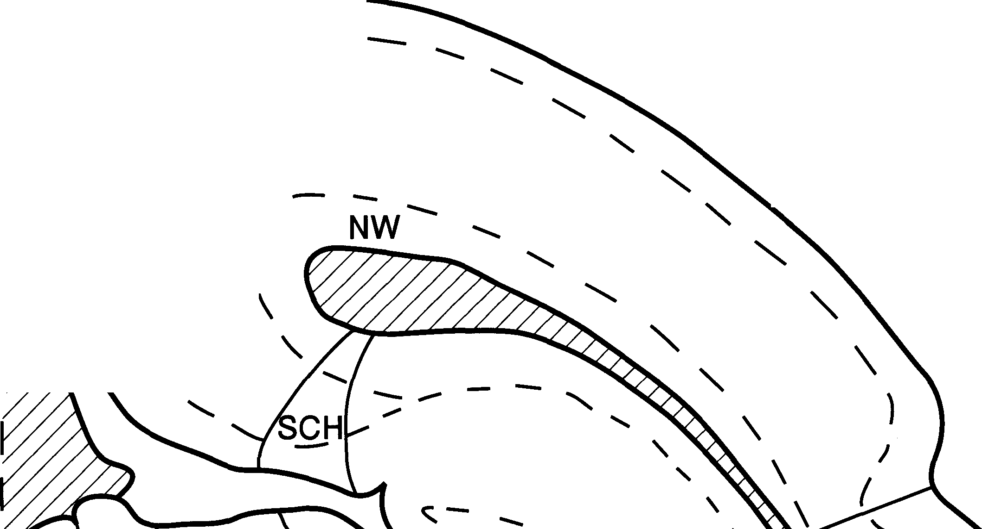 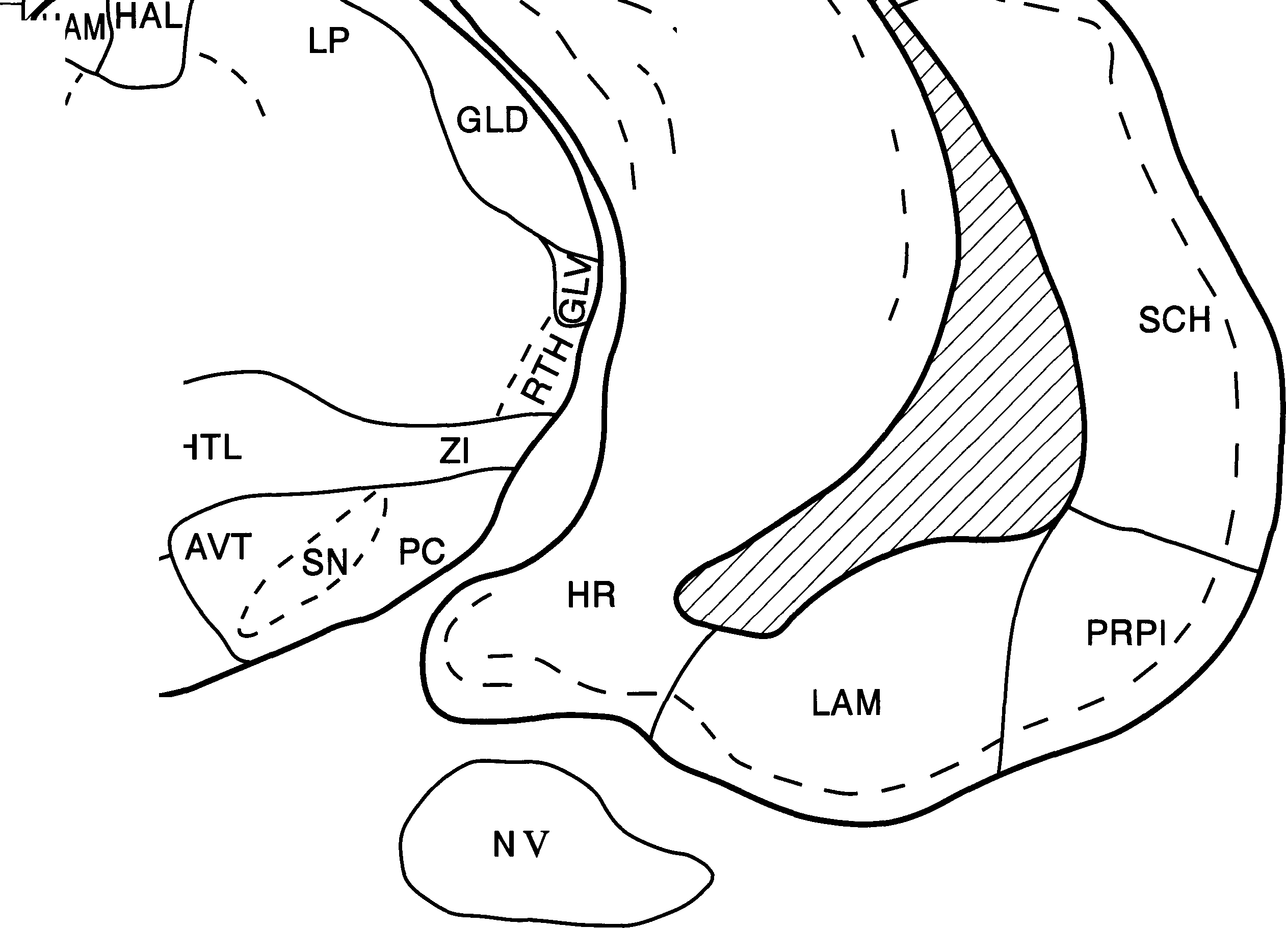
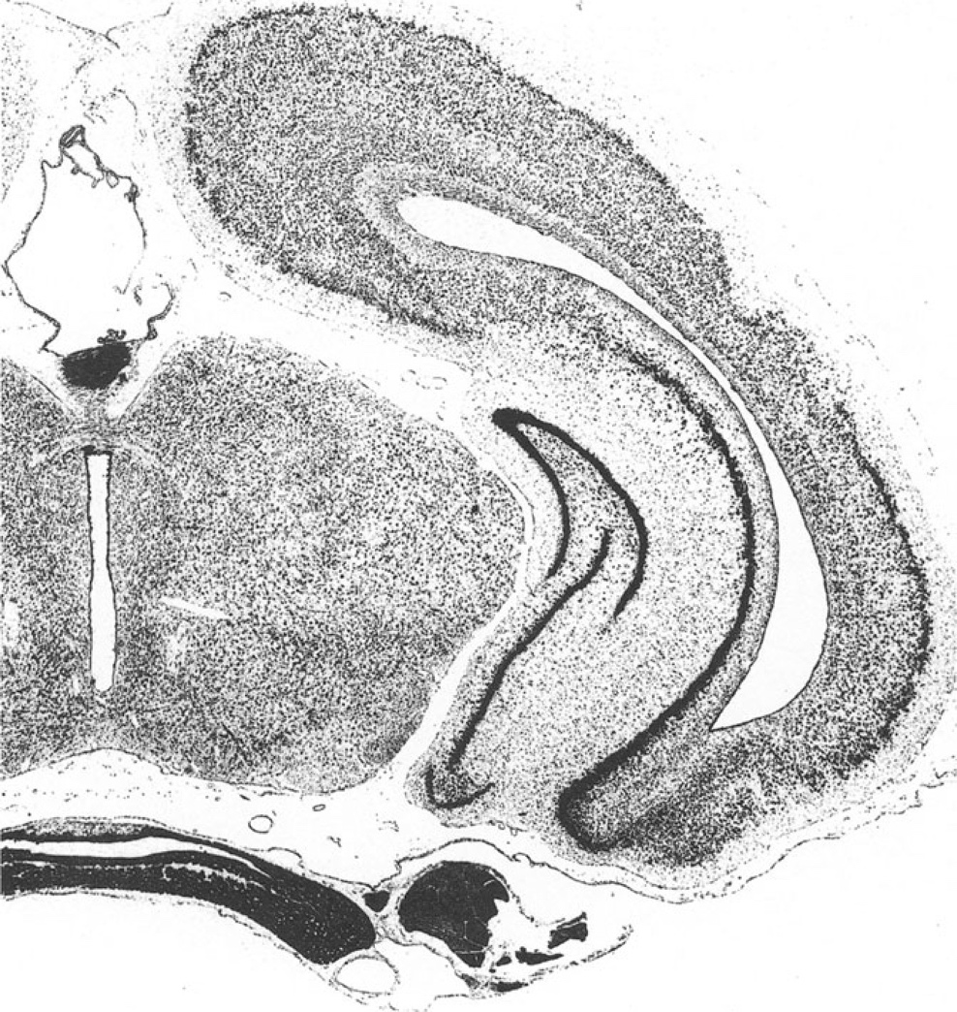 A 2

13 -
12 -
11 |  |  |  |  |  |  |  |  |  |  |  |  |  |  |  |  |  |  | A |  |  |  |  |  |  |  |  |  |  |  |  |  |  |  |  |  |  |  |  |  |  |  |  |  |  |  | 2
10
27 |  |  |  |  |  |  | I |  |  |  |  |  |  |  |  |  |  |  | I |  | I |  |  |  |  |  | I |  |  |  | I |  |  |  |  |  |  |  |  |  |  | I |  |  | I
0 |  |  |  |  |  |  | 2 |  |  |  |  |  |  |  |  |  |  |  | 3 |  | 4 |  |  |  |  |  | 5 |  |  |  | 6 |  |  |  |  |  |  |  | 7 |  |  | 8 |  |  | 9
8
\
\
I
I
7
/
/
I
I
6
I
HR
/
/
/
4
APT area pretectalis AVT area ventralis tegmenti CA 1 area 1 of hippocampus (HR) CA3 area 3 of hippocampus (HR) CGM corpus geniculatum mediale EPI epiphysis, pineal body FD fascia dentata of HR GC griseum centrale HR hipp. retrocommissuralis HYP hypophysis LAM lateral amygdaloid division |  |  |  |  |  |  |  |  |  |  |  |  |  |  |  |  |  |  |  |  |  |  |  |  |  |  |  | LP ncl. lateralis post. thalami NEO neocortex NW neocortical white matter NV trigeminal nerve PC pedunculus cerebri RUB nucleus ruber SCH schizocortex SN substantia nigra SUB subiculum (hippocampi) sue colliculus superior THP thalamus posterior
 |  |  |  |  |  |  |  | 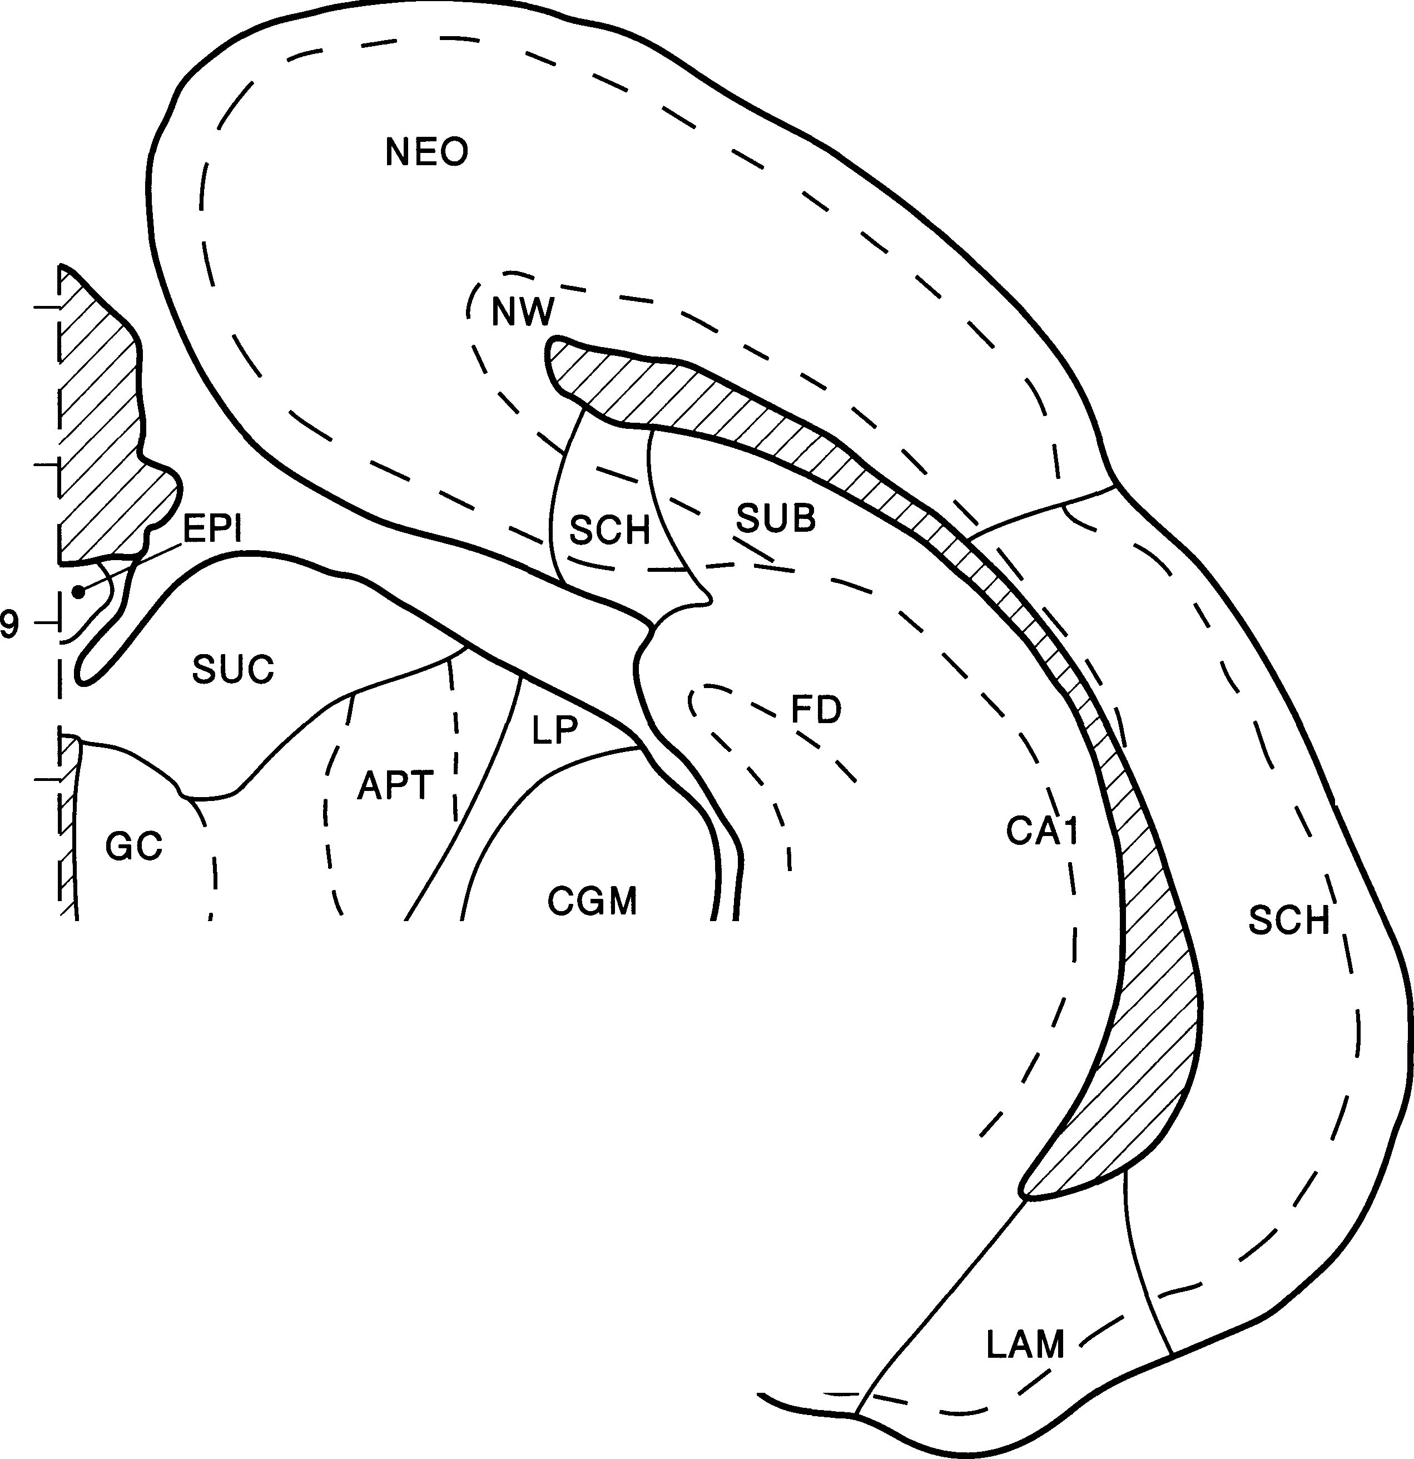
(
"_{f}' _{Lr}:₋:,r: ..._{l}
'X i
1,/ t:;' •-l..E
I^{t}(^{f};:,;·
₋;
'
. - .-.:..:../
.,
;_,I
;^{t}J) .
,I!: .} ·
.
-
.. . i \
.,
• --
-
1_; ·,.
_; ,--··
--·, .
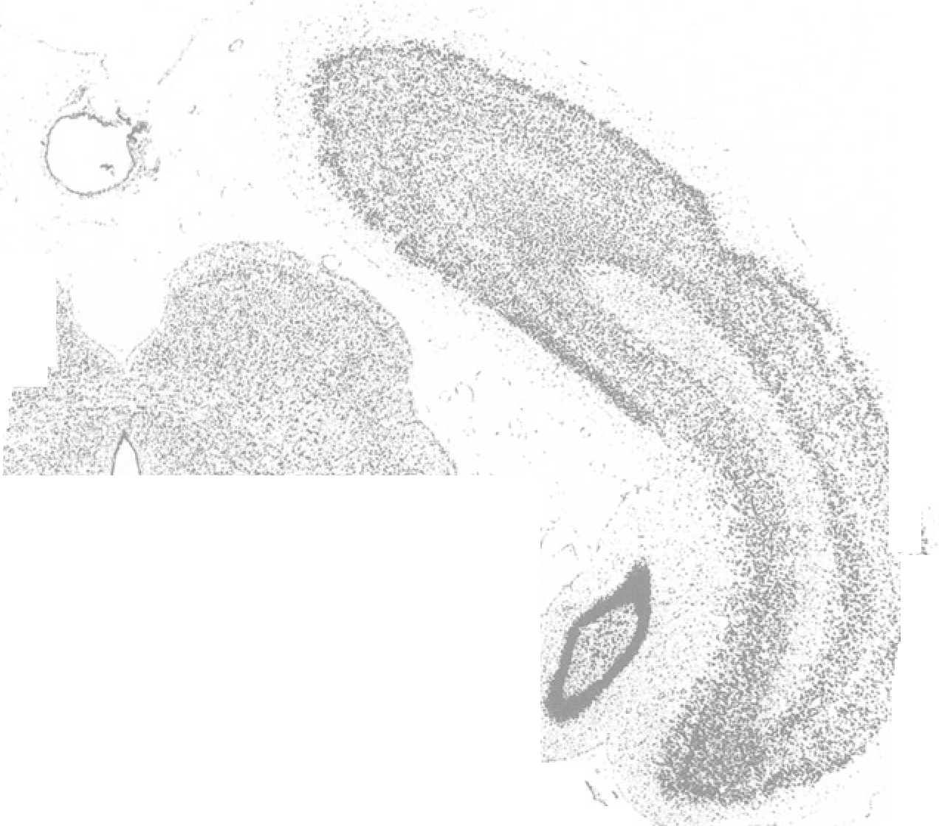 A 1
 |  |  |  |  |  |  |  |  |  |  |  |  |  |  |  |  |  |  |  |  |  |  |  |  |  |  |  |  |  |  |  |  | ·:-_

12-
10 -
8
7
u
2
I
3
4
I
5
I
6
7
8
A 1
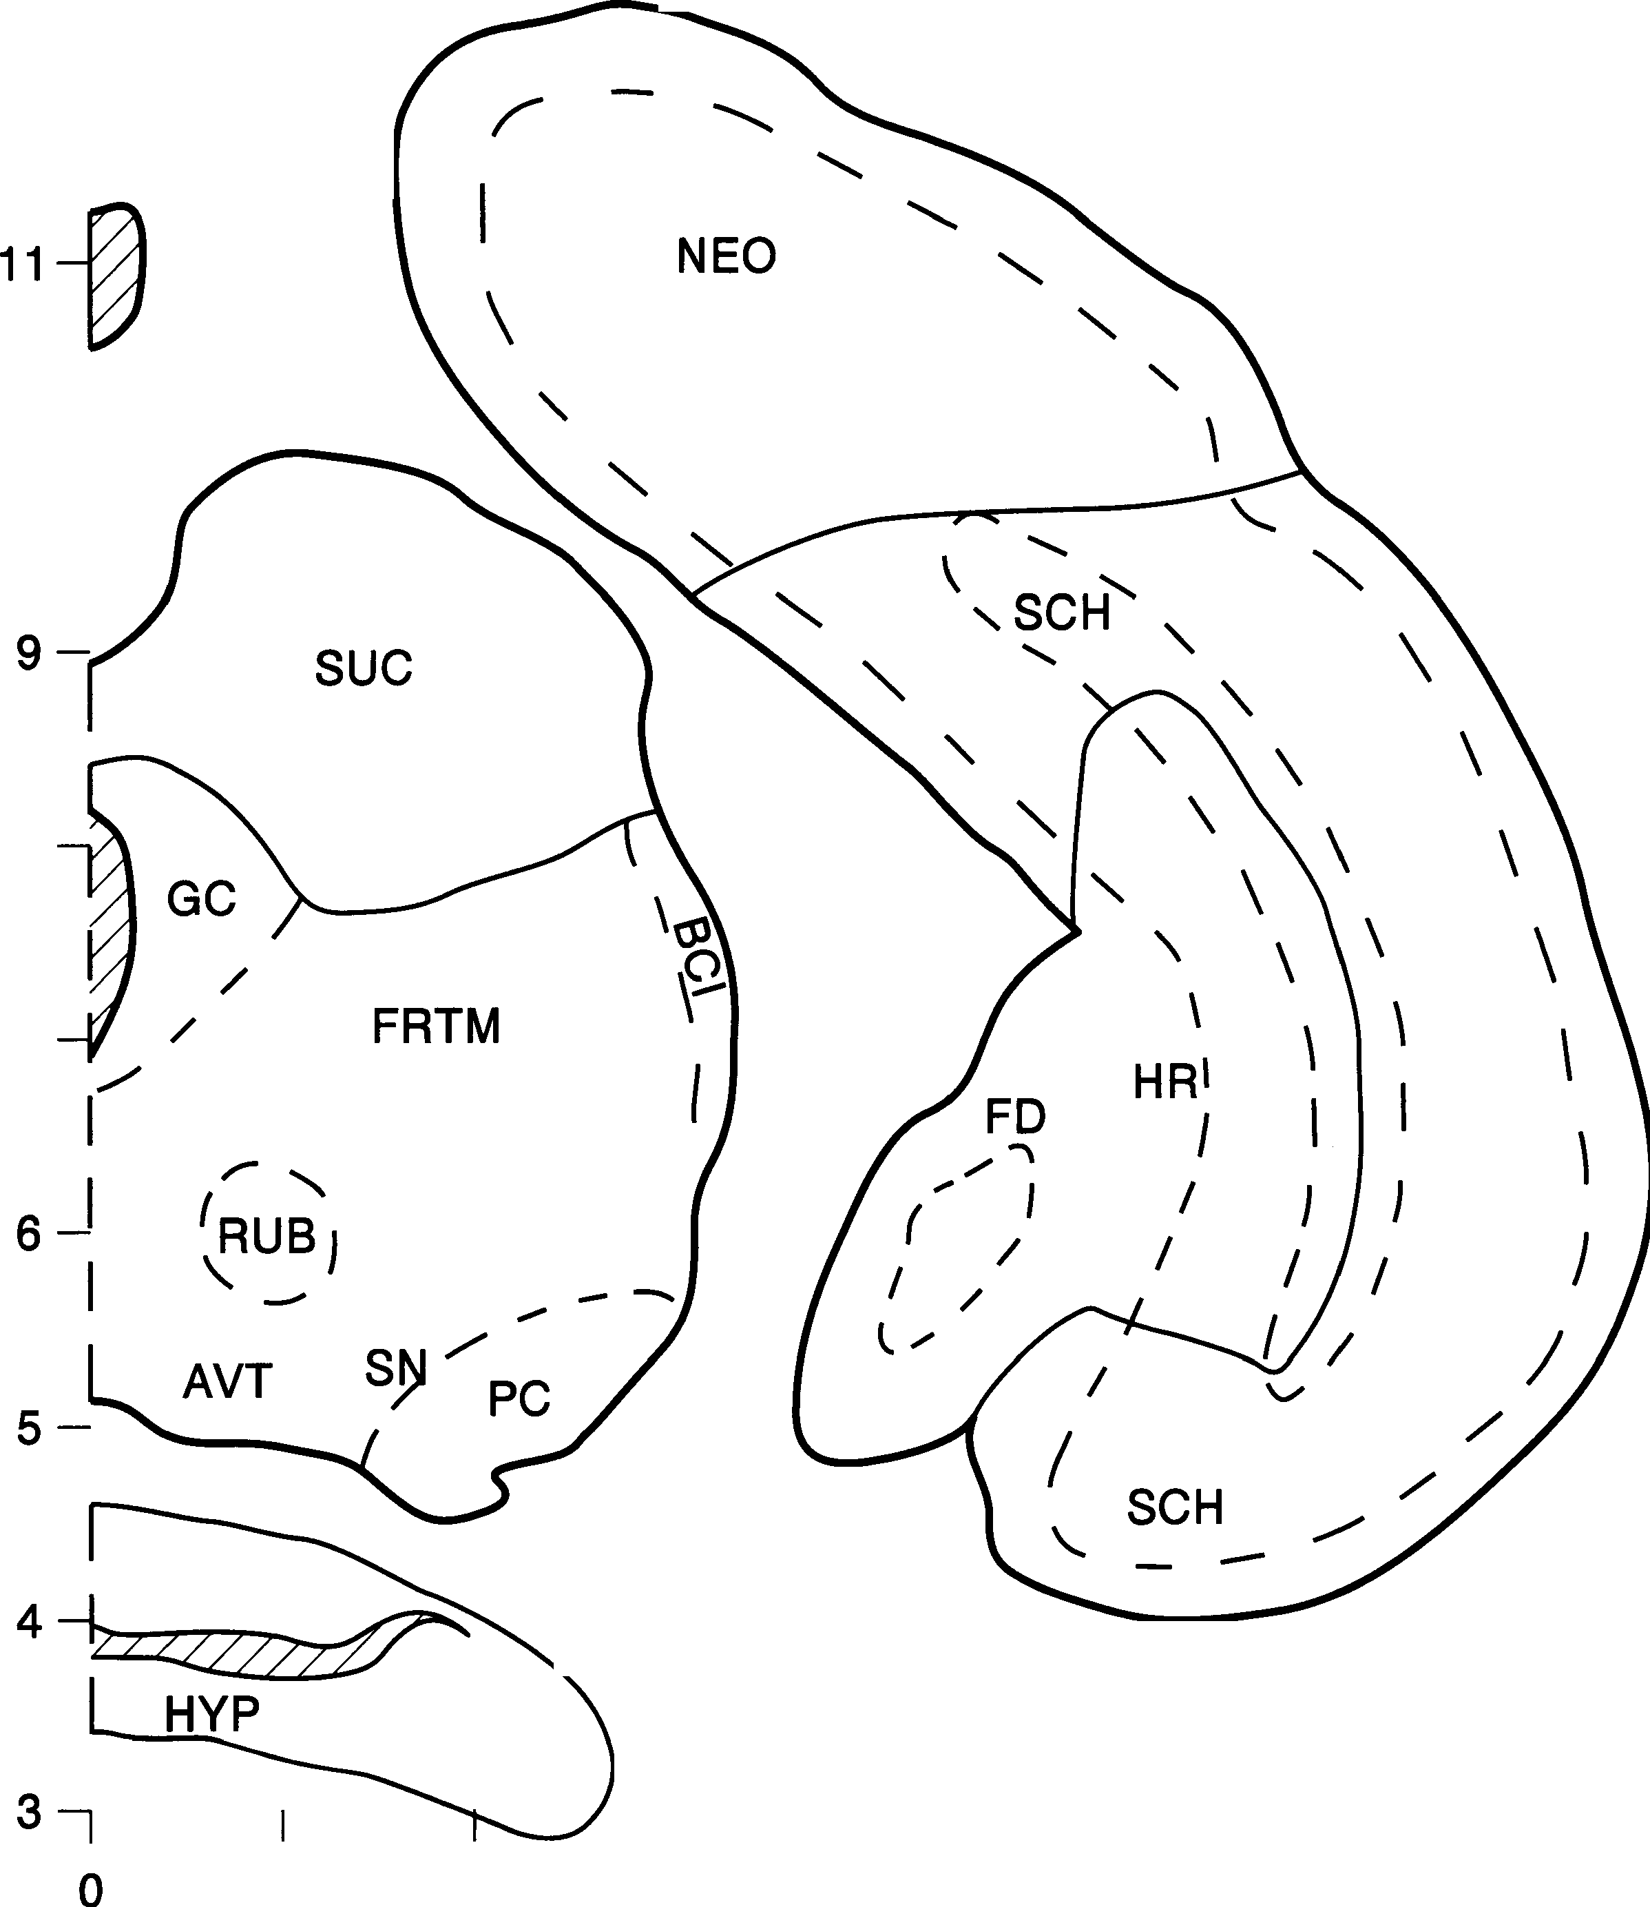 AVT area ventralis tegmenti BCI brachium colliculi inferioris FD fascia dentata of HR FRTM formatio reticularis tegmenti mesencephali GC griseum centrale HR hipp. retrocommissuralis HYP hypophysis |  |  |  |  |  |  |  |  |  |  |  |  |  |  |  |  |  |  |  |  |  |  |  |  | NEO neocortex NV trigeminal nerve PC pedunculus cerebri RUB nucleus ruber SCH schizocortex SN substantia nigra sue colliculus superior

.........
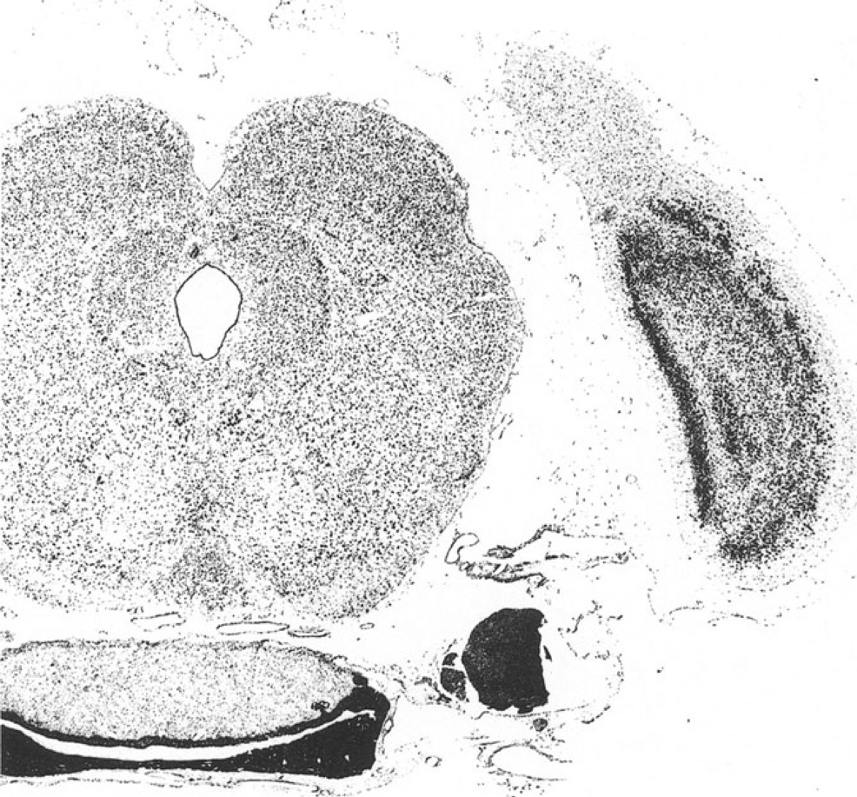 AP 0

11-
10-
08
AP 0 | 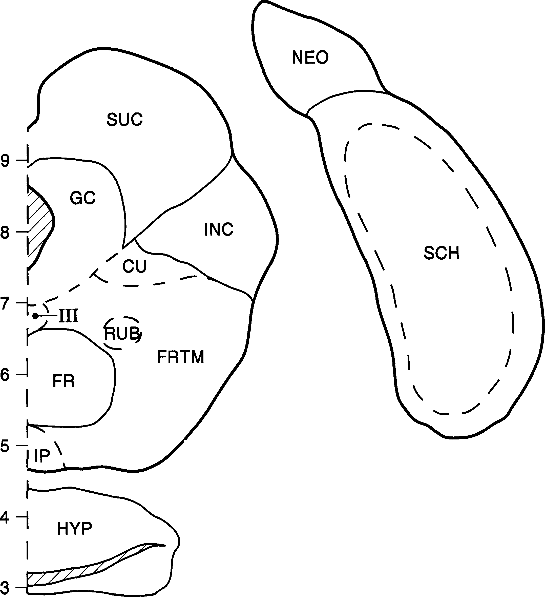
I |  |  |  |  |  |  | I |  |  |  |  |  |  |  |  |  |  |  | I |  |  |  |  |  |  |  | I |  |  |  | I |  |  |  |  |  |  |  | I
0 |  |  |  |  |  |  | 2 |  |  |  |  |  |  |  |  |  |  |  | 3 |  | 4 |  |  |  |  |  | 5 |  |  |  | 6 |  |  |  |  |  |  |  | 7
cu nucleus cuneiformis FR formatio reticularis FRTM formatio reticularis tegmenti mesencephali GC griseum centrale HYP hypophysis INC colliculus inferior
 |  |  |  |  |  |  |  |  |  |  |  |  |  |  |  |  |  |  |  |  |  |  |  |  |  |  |  | IP nucleus interpeduncularis NEO neocortex NV trigeminal nerve RUB nucleus ruber SCH schizocortex sue colliculus superior III nucleus oculomotorius
 |  |  |  |  |  |  |  |  |  |  |  |  |  |  |  |  |  |  |  |  |  |  |  |  |  |  |  |  |  |  |  |  |  |  |  |  |  |  |  | .. ,
 |  |  |  |  |  |  |  |  |  | ..- 'lo-· ..

 |  |  |  |  |  |  | .@0
 |  |  |  |  | ,.,;\ |  | :,·i,
 |  |  |  |  |  |  |  |  |  |  |  |  |  |  |  |  |  |  |  |  |  |  |  |  |  |  |  |  |  |  |  |  |  |  |  |  |  |  |  |  |  |  |  |  |  | ,

 |  |  |  |  |  |  |  |  | ·:. :...ti:.:-..!{, r .-<jJ_

 |  |  |  |  |  |  |  |  |  |  |  |  |  |  |  |  |  |  |  |  |  |  |  |  |  |  | ; |  | ,,..1

 |  |  |  | ··.- | -,;-·.-..
 |  |  |  | ._.... i •l | l.t&, ,
'
I
...
....
:tt t
:,:_;
I . ';'
•-.({
- ; \j,•. = . .¹- -=li ·..
}ff_f 5}1\-f { }F ( .
" _{-:}..·\; · ' .,.,;..:-
-^{-·}:.-
·,
,^{I},.,
='/-;.:i
'
?1t l_{t}1\_{i}l'(._{t}:•·:_{f}':_{l}:₁.s--...\_{fii}.:. r:;t{J₋...'
o , ,{I
d•: ; f.:J\ ;:,.,!..\f,,,1
,. r
.i.'
p 1
 |  |  |  |  |  |  |  | 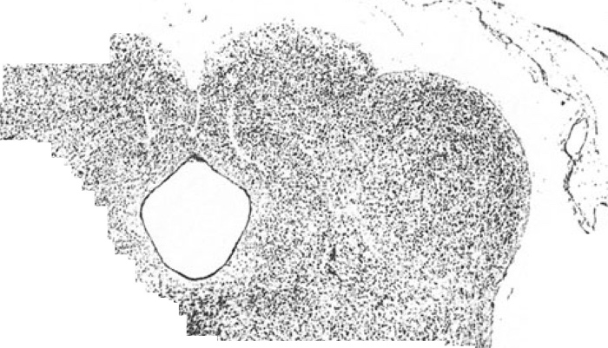

p 1
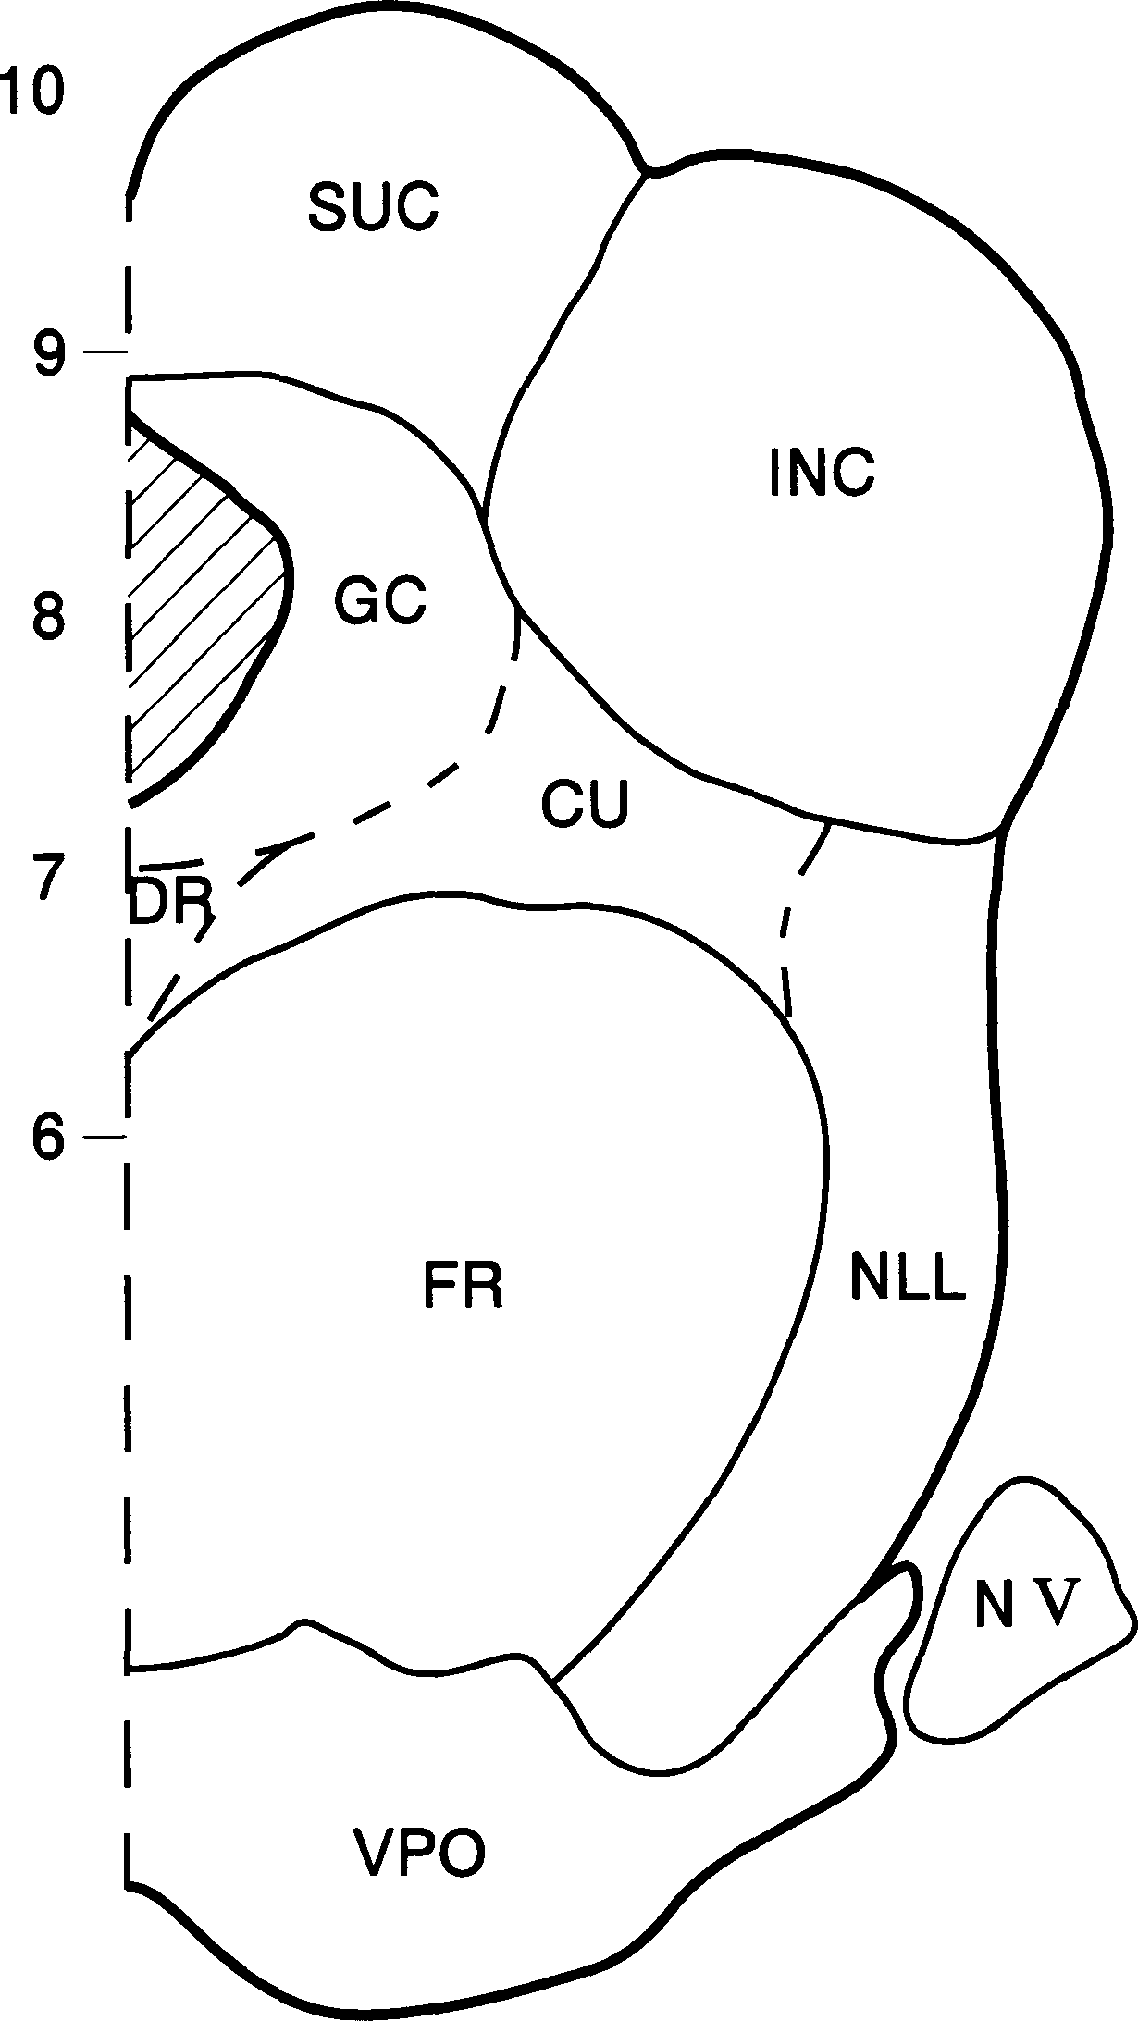 2 0 2 3 4
cu nucleus cuneiformis DR nucleus dorsalis raphe FR formatio reticularis GC griseum centrale INC colliculus inferior |  |  |  |  |  |  |  |  |  |  |  |  |  |  |  |  |  |  |  |  | NLL nuclei of lateral lemniscus NV trigeminal nerve sue colliculus superior VPO ventral pons
- | 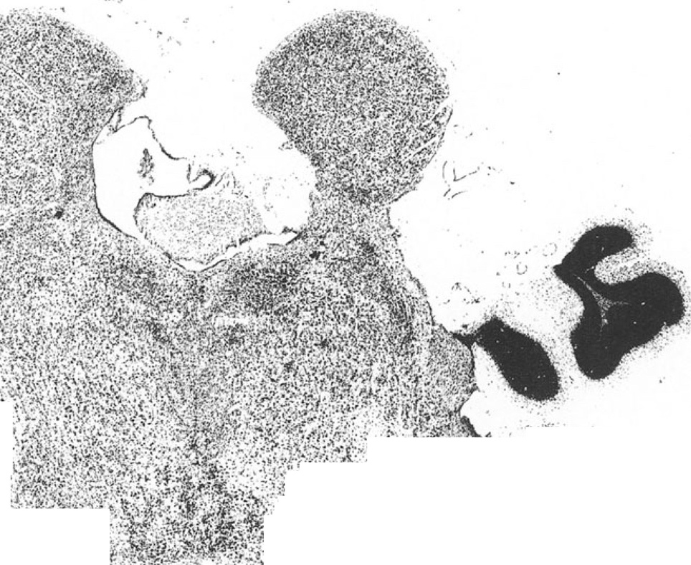
p 2
p 2
1 |  |  |  |  |  |  |  |  |  |  |  |  |  |  |  | I |  |  |  |  |  |  |  |  |  | I |  |  |  |  | I
0 |  |  |  |  |  |  | 2 |  |  |  |  |  |  |  |  | 3 |  |  |  |  |  | 4 |  |  |  | 5 |  |  |  |  | 6 |  |  |  |  |  |  |  | 7
CER cerebellum FR formatio reticularis GC griseum centrale INC colliculus inferior NLL nuclei of lateral lemniscus |  |  |  |  |  |  |  |  |  |  |  |  |  |  |  |  |  |  |  |  |  |  |  |  |  |  |  | OLS superior olive TR complexus sensorius nervi trigemini VPO ventral pons VT ncl. ventralis tegmenti
 |  |  |  |  |  |  |  | 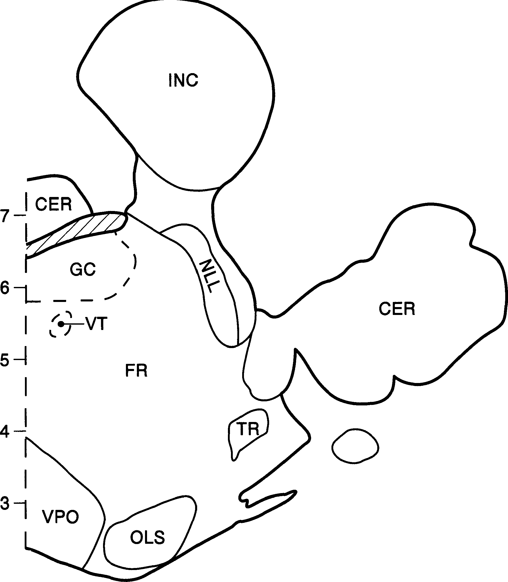
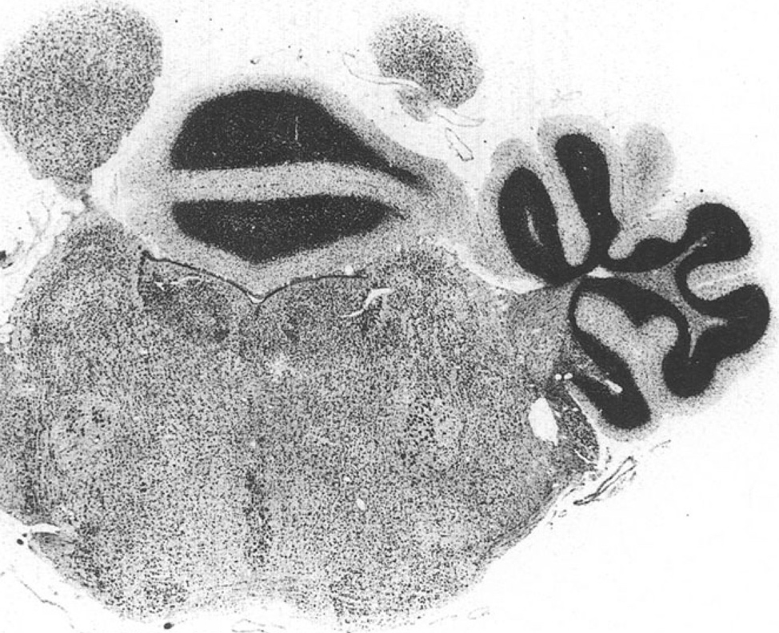 P 2.5

P 2.5 | 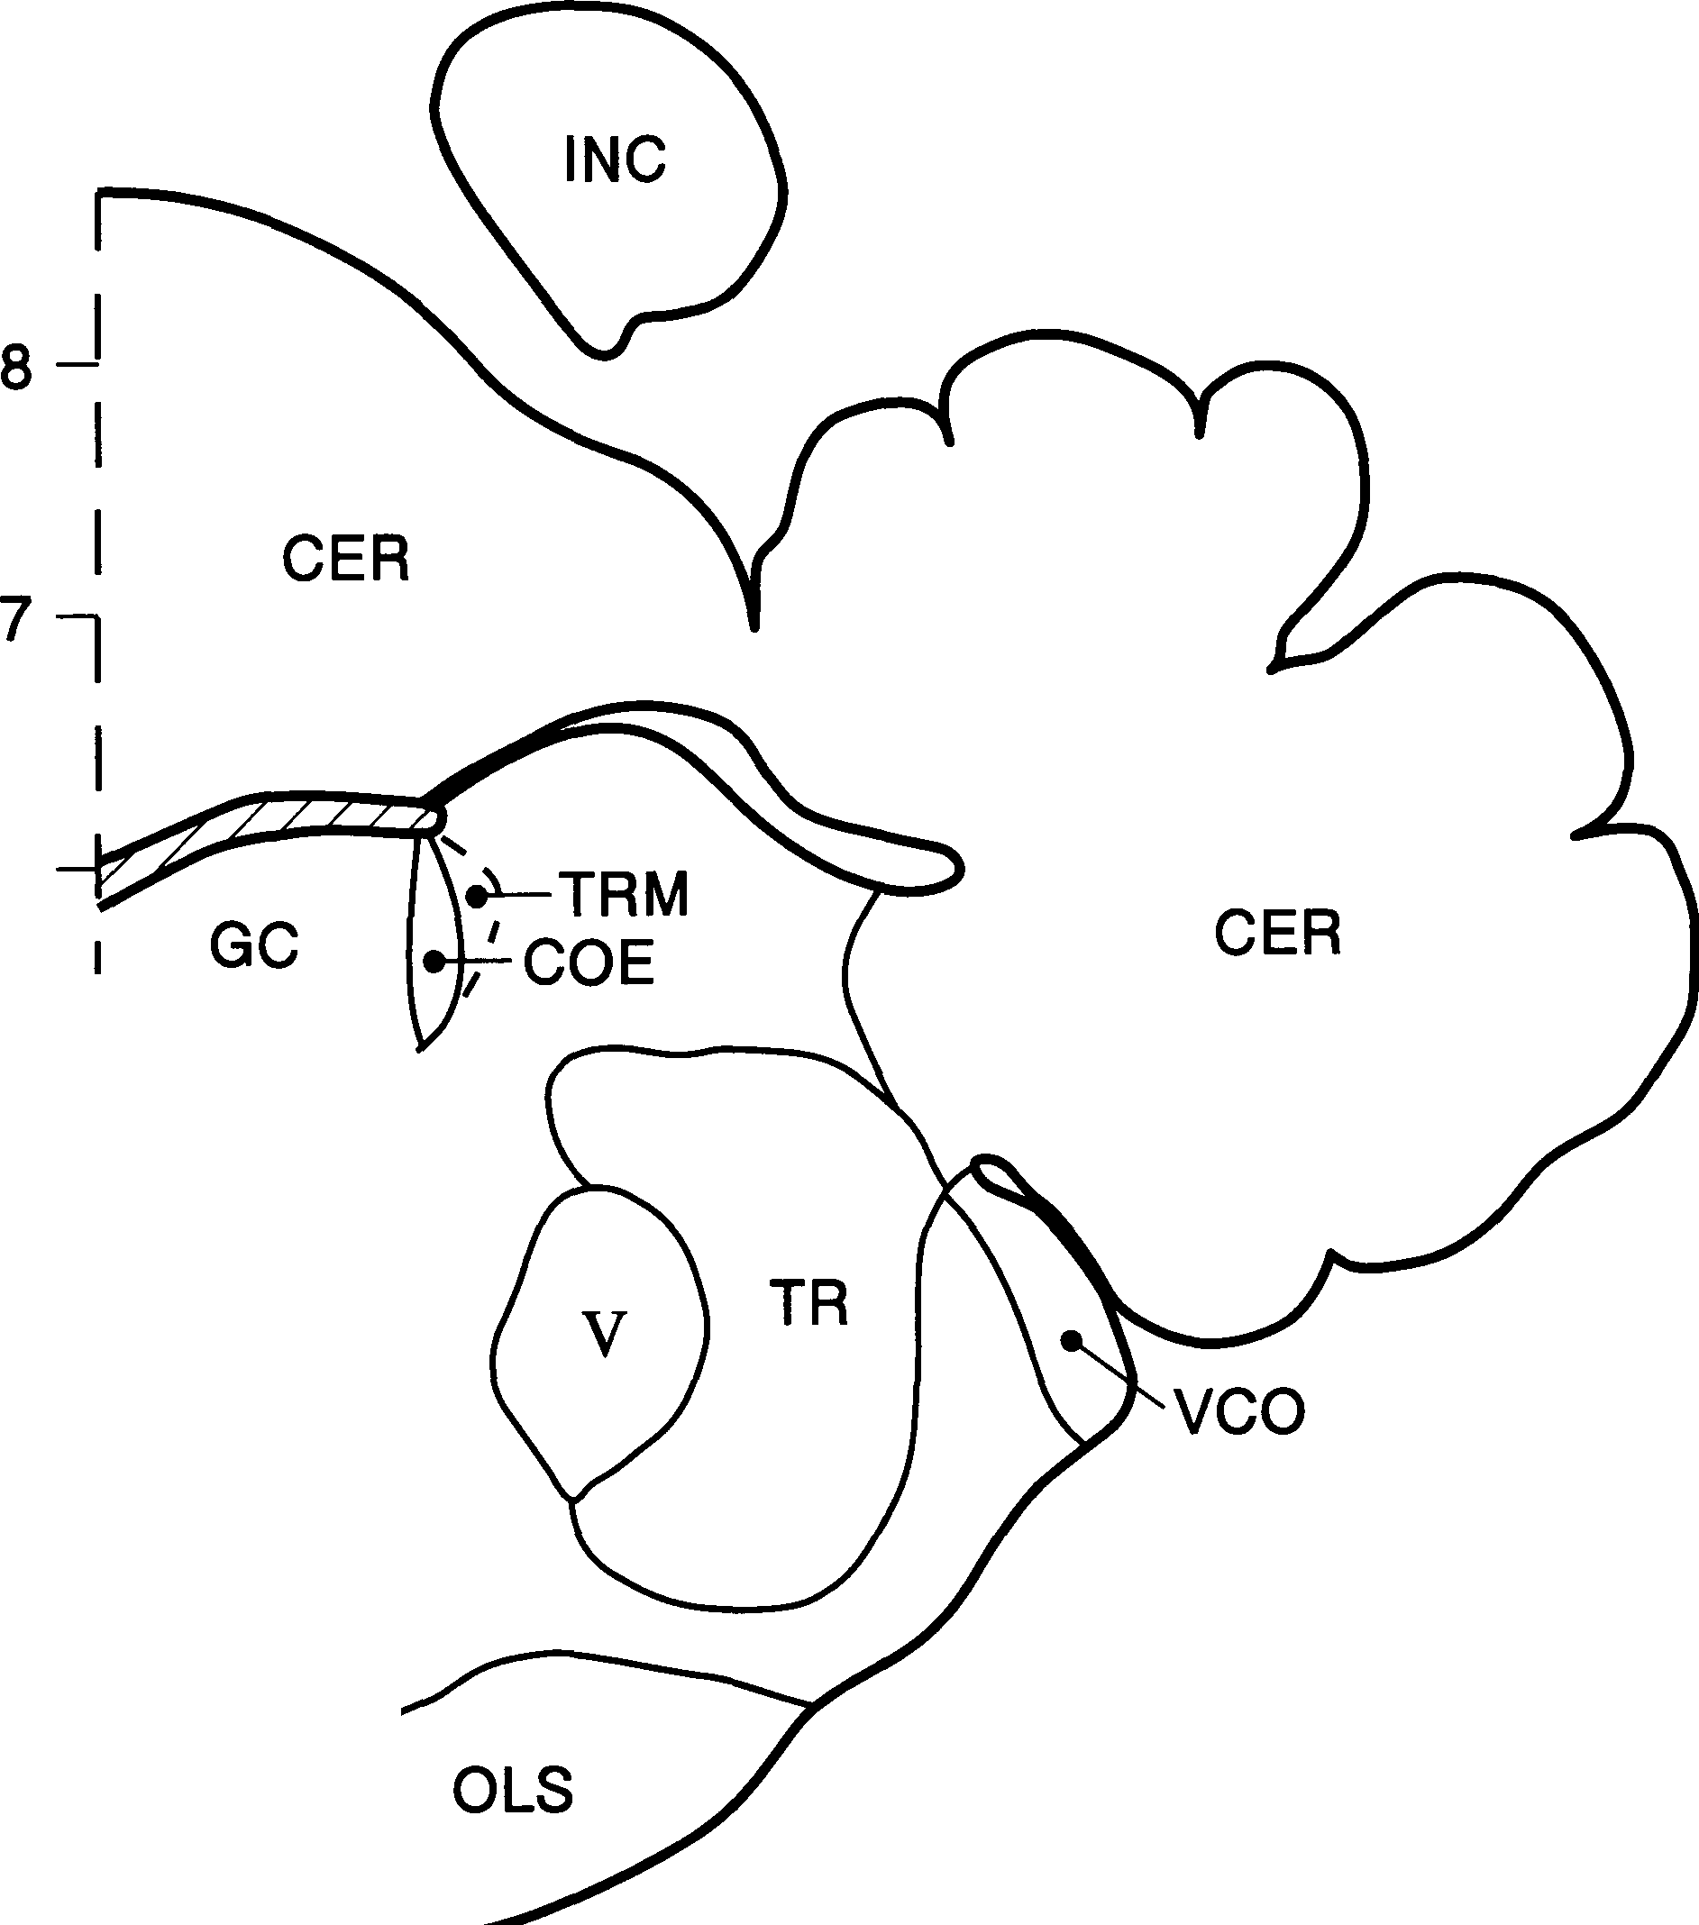
I |  |  |  |  |  |  |  |  |  |  |  |  |  |  |  |  | I |  |  |  |  |  |  |  |  | I |  |  | I
0 |  |  |  |  |  |  | 2 |  |  |  |  |  |  |  |  |  | 3 |  | 4 |  |  |  |  |  |  | 5 |  |  | 6 |  |  |  |  |  |  |  |  |  | 7
CER cerebellum COE nucleus locus coeruleus FR formatio reticularis GC griseum centrale INC colliculus inferior OLS superior olive RA nucleus raphes |  |  |  |  |  |  |  |  |  |  |  |  |  |  |  |  |  |  |  |  |  |  |  |  |  |  |  | TR complexus sensorius nervi trigemini TRM nucleus mesencephalicus nervi trigemini vco ncl. cochlearis ventralis V nucleus motorius nervi trigemini
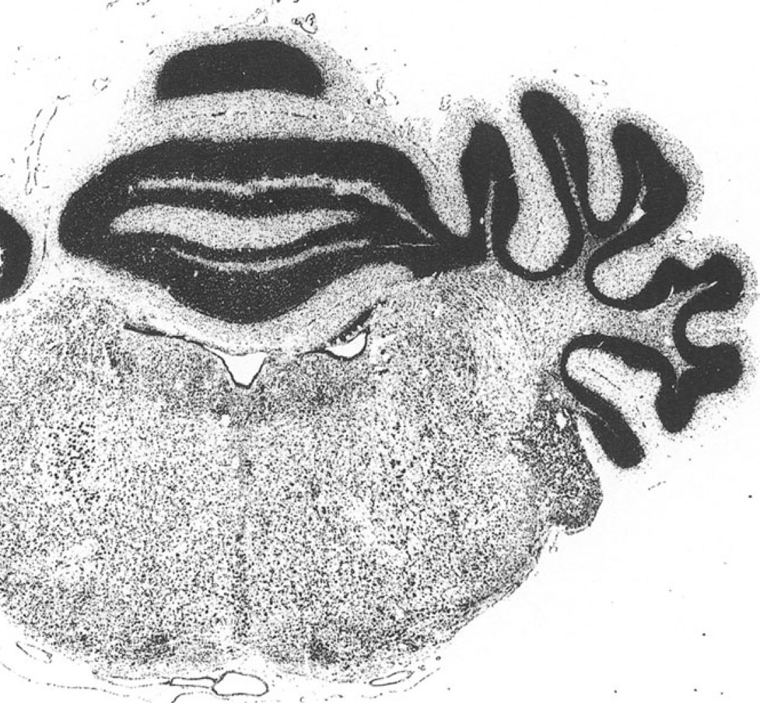 p 3

10- p 3
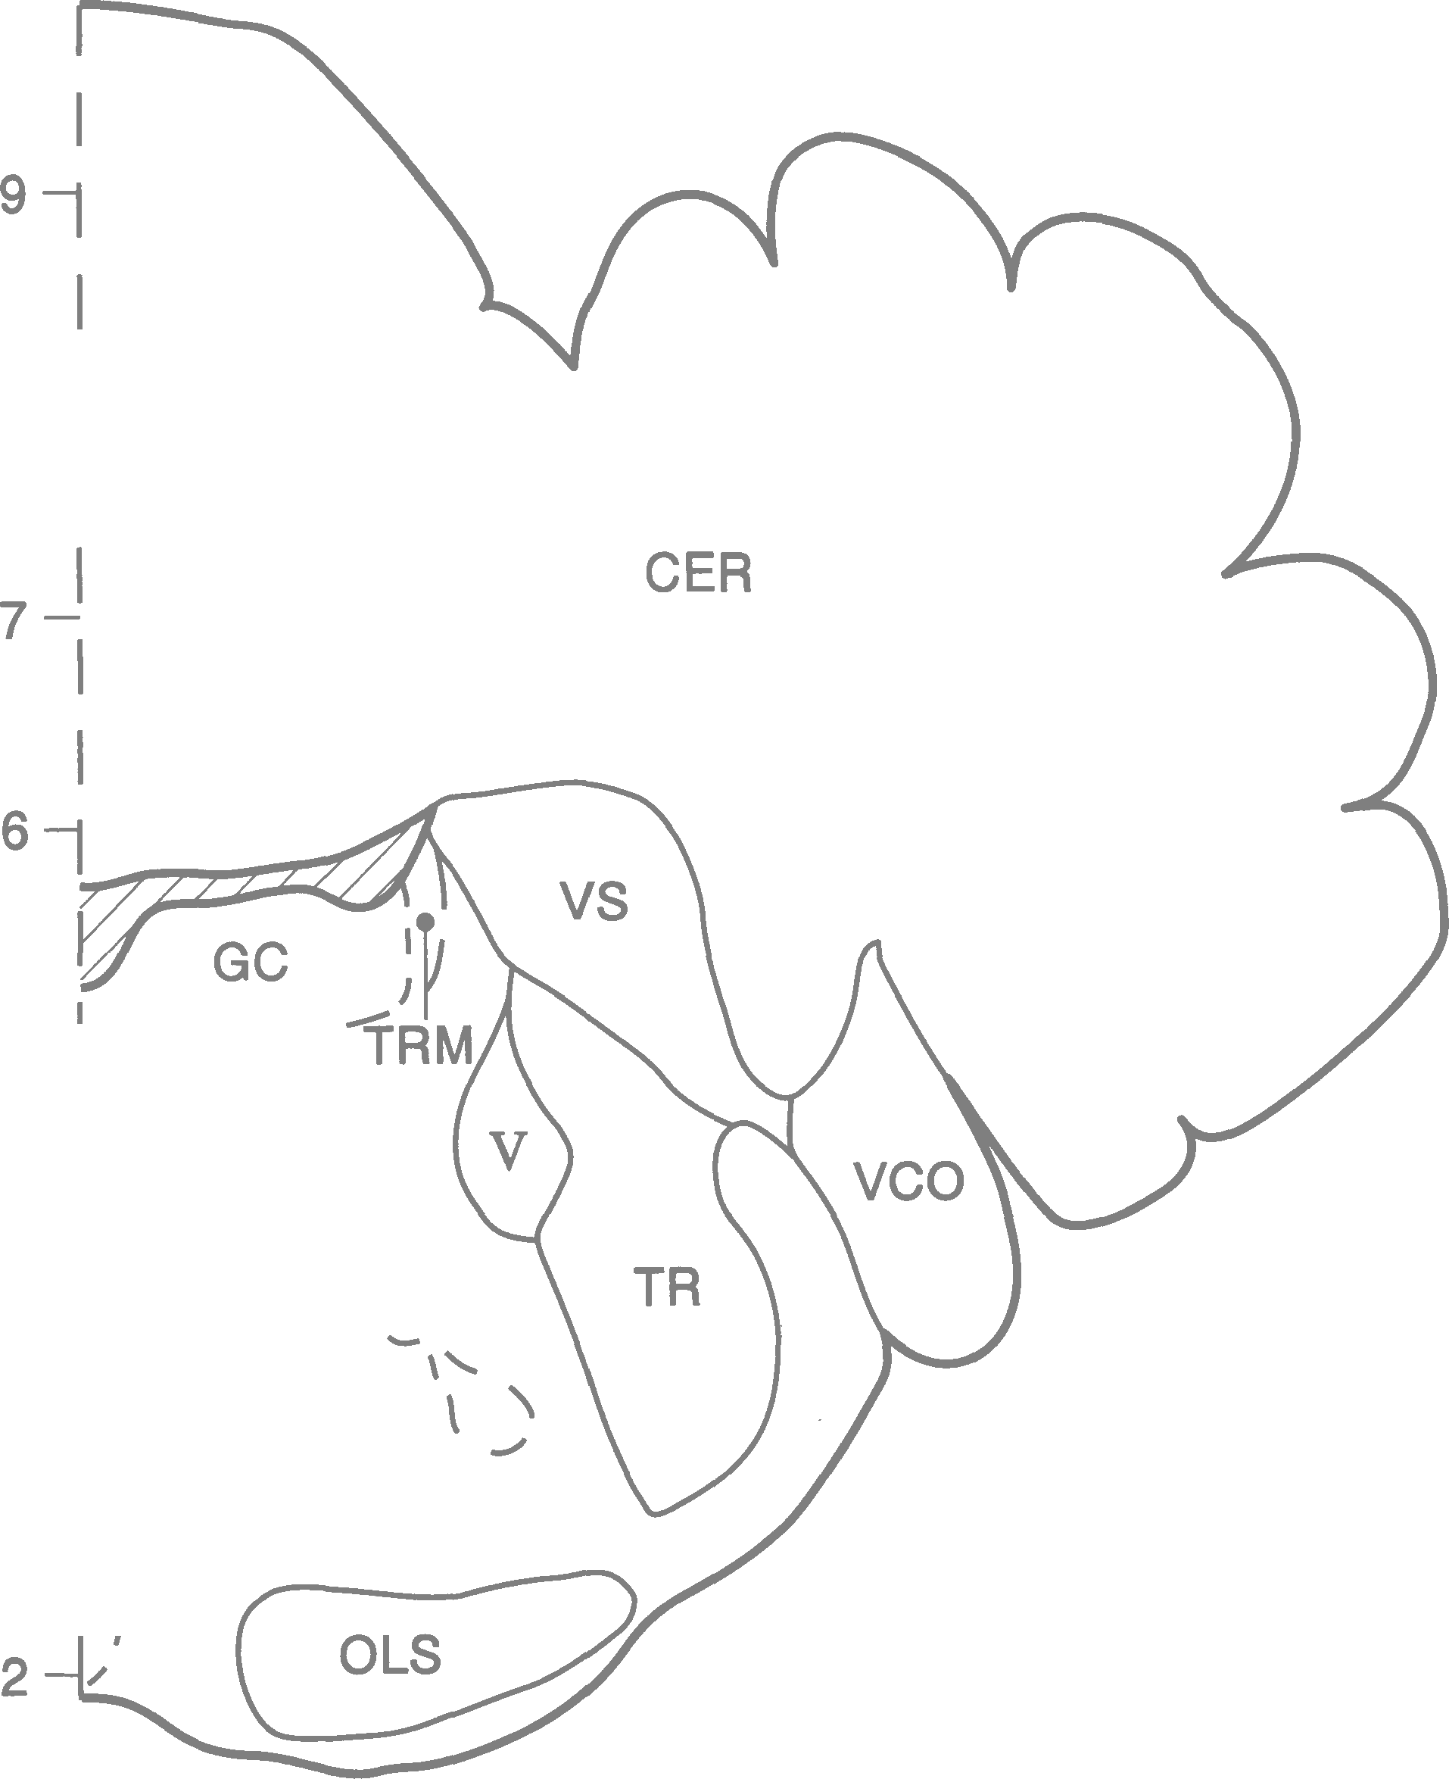 |  |  |  |  |  |  |  |  |  |  | I I I I I I 2 3 4 5 6 7
CER FR GC NVII OLS RA TR |  |  |  | cerebellum formatio reticularis griseum centrale nervus facialis superior olive nucleus raphes complexus sensorius nervi trigemini |  |  |  |  |  |  |  |  |  |  |  |  |  |  |  |  |  |  |  | TRM vco vs V |  |  |  |  |  | nucleus mesencephalicus nervi trigemini ncl. cochlearis ventralis ncl. vestibularis superior nucleus motorius nervi trigemini
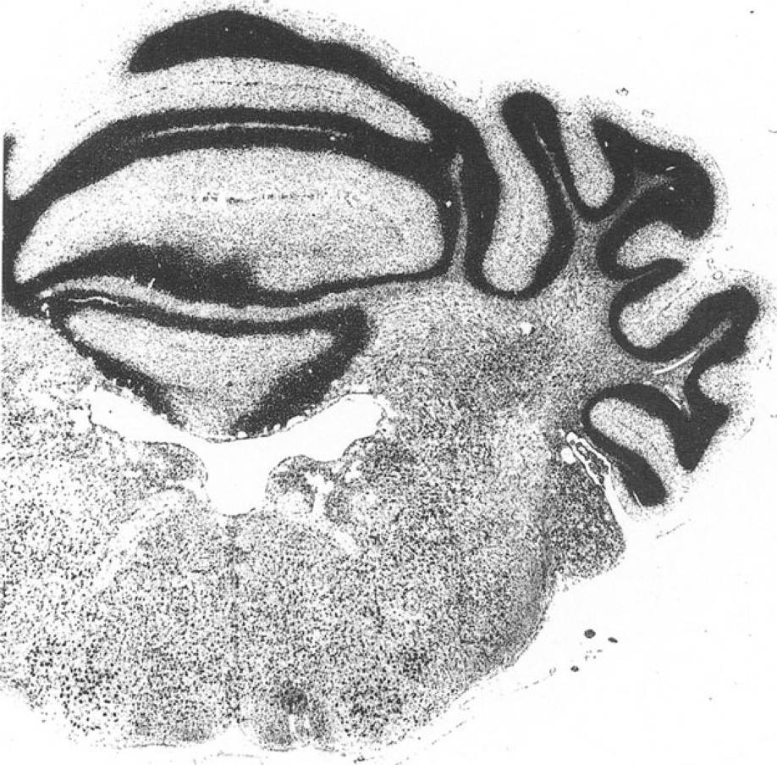 P 3.5

P 3.5 | 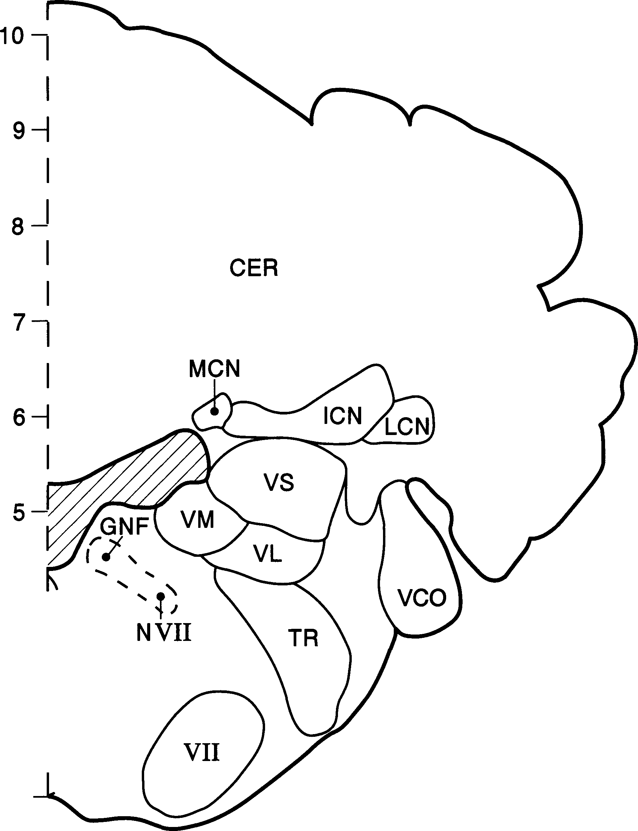
17 |  |  |  |  |  |  | I |  |  |  |  |  |  |  |  | I |  |  |  | I |  |  |  |  |  | I |  |  |  |  | I |  |  |  |  |  |  |  | I
0 |  |  |  |  |  |  | 2 |  |  |  |  |  |  |  |  | 3 |  |  |  | 4 |  |  |  |  |  | 5 |  |  |  |  | 6 |  |  |  |  |  |  |  | 7
CER cerebellum FR formatio reticularis GNF genu nervi facialis ICN nucleus interpositus cerebelli LCN nucleus lateralis cerebelli MCN nucleus medialis cerebelli NVII nervus facialis
 |  |  |  |  |  |  |  |  |  |  |  |  |  |  |  |  |  |  |  |  |  |  |  |  |  |  |  | RA nucleus raphes TR complexus sensorius nervi trigemini vco ncl. cochlearis ventralis VL ncl. vestibularis lateralis VM ncl. vestibularis medialis vs ncl. vestibularis superior

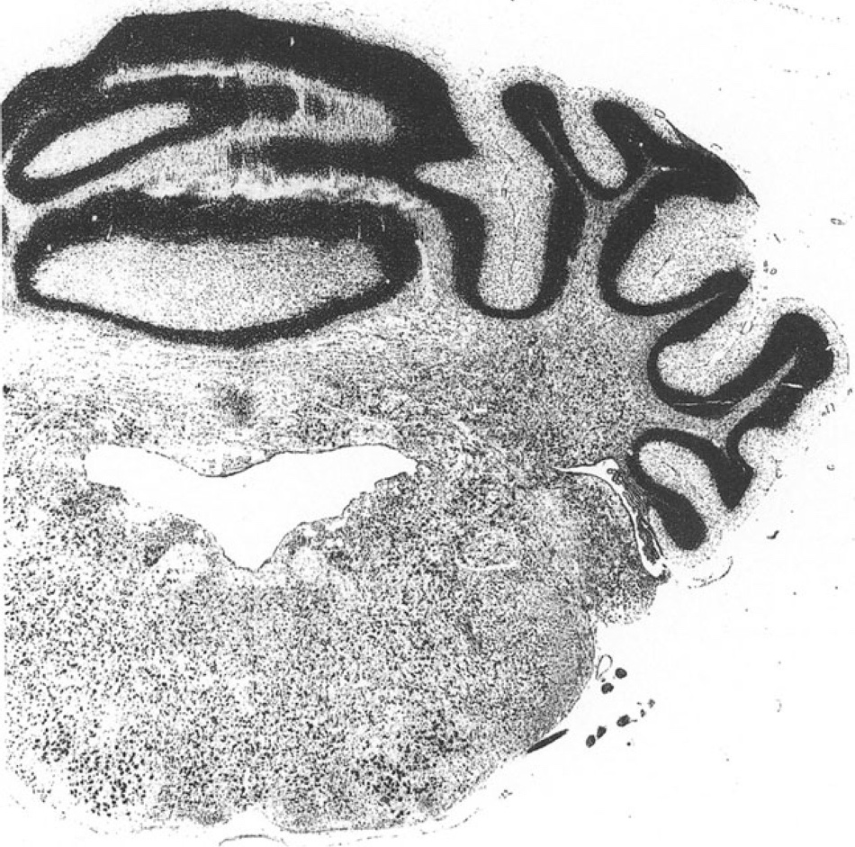 p 4

p 4 | 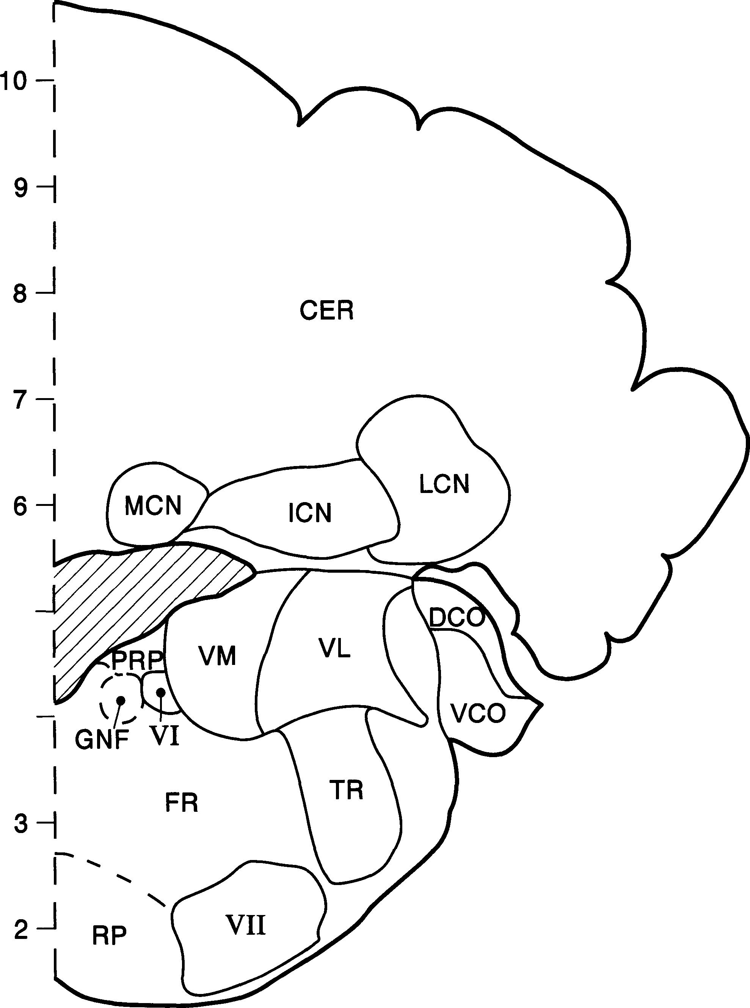

17 |  |  |  |  |  |  | I |  |  |  |  |  |  |  |  | I |  |  |  |  |  | I |  |  |  | I |  |  |  |  | I |  |  |  |  |  |  |  | I
0 |  |  |  |  |  |  | 2 |  |  |  |  |  |  |  |  | 3 |  |  |  |  |  | 4 |  |  |  | 5 |  |  |  |  | 6 |  |  |  |  |  |  |  | 7
CER cerebellum DCO ncl. cochlearis dorsalis FR formatio reticularis GNF genu nervi facialis ICN nucleus interpositus cerebelli LCN nucleus lateralis cerebelli MCN nucleus medialis cerebelli PRP ncl. prepositus hypoglossi
 |  |  |  |  |  |  |  |  |  |  |  |  |  |  |  |  |  |  |  |  |  |  |  |  |  |  |  | RP ncl. reticularis paramediani TR complexus sensorius nervi trigemini vco ncl. cochlearis ventralis VL ncl. vestibularis lateralis VM ncl. vestibularis medialis VI nucleus nervi abducentis VII nucleus nervi facialis

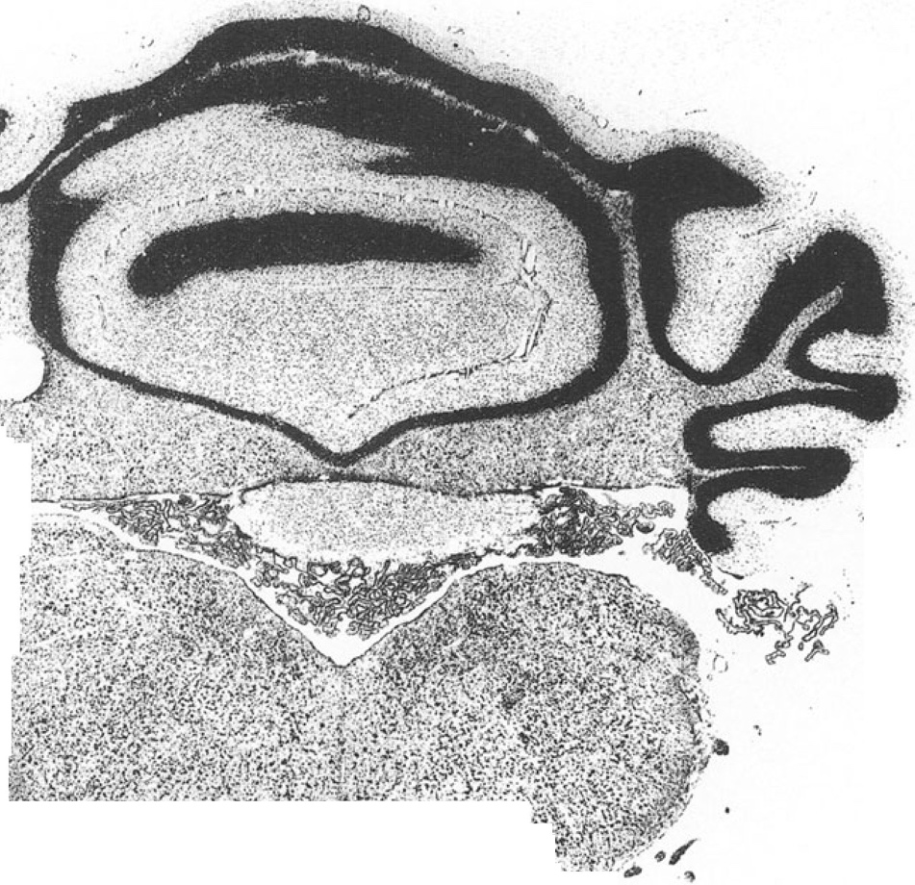 p 5

p 5 | 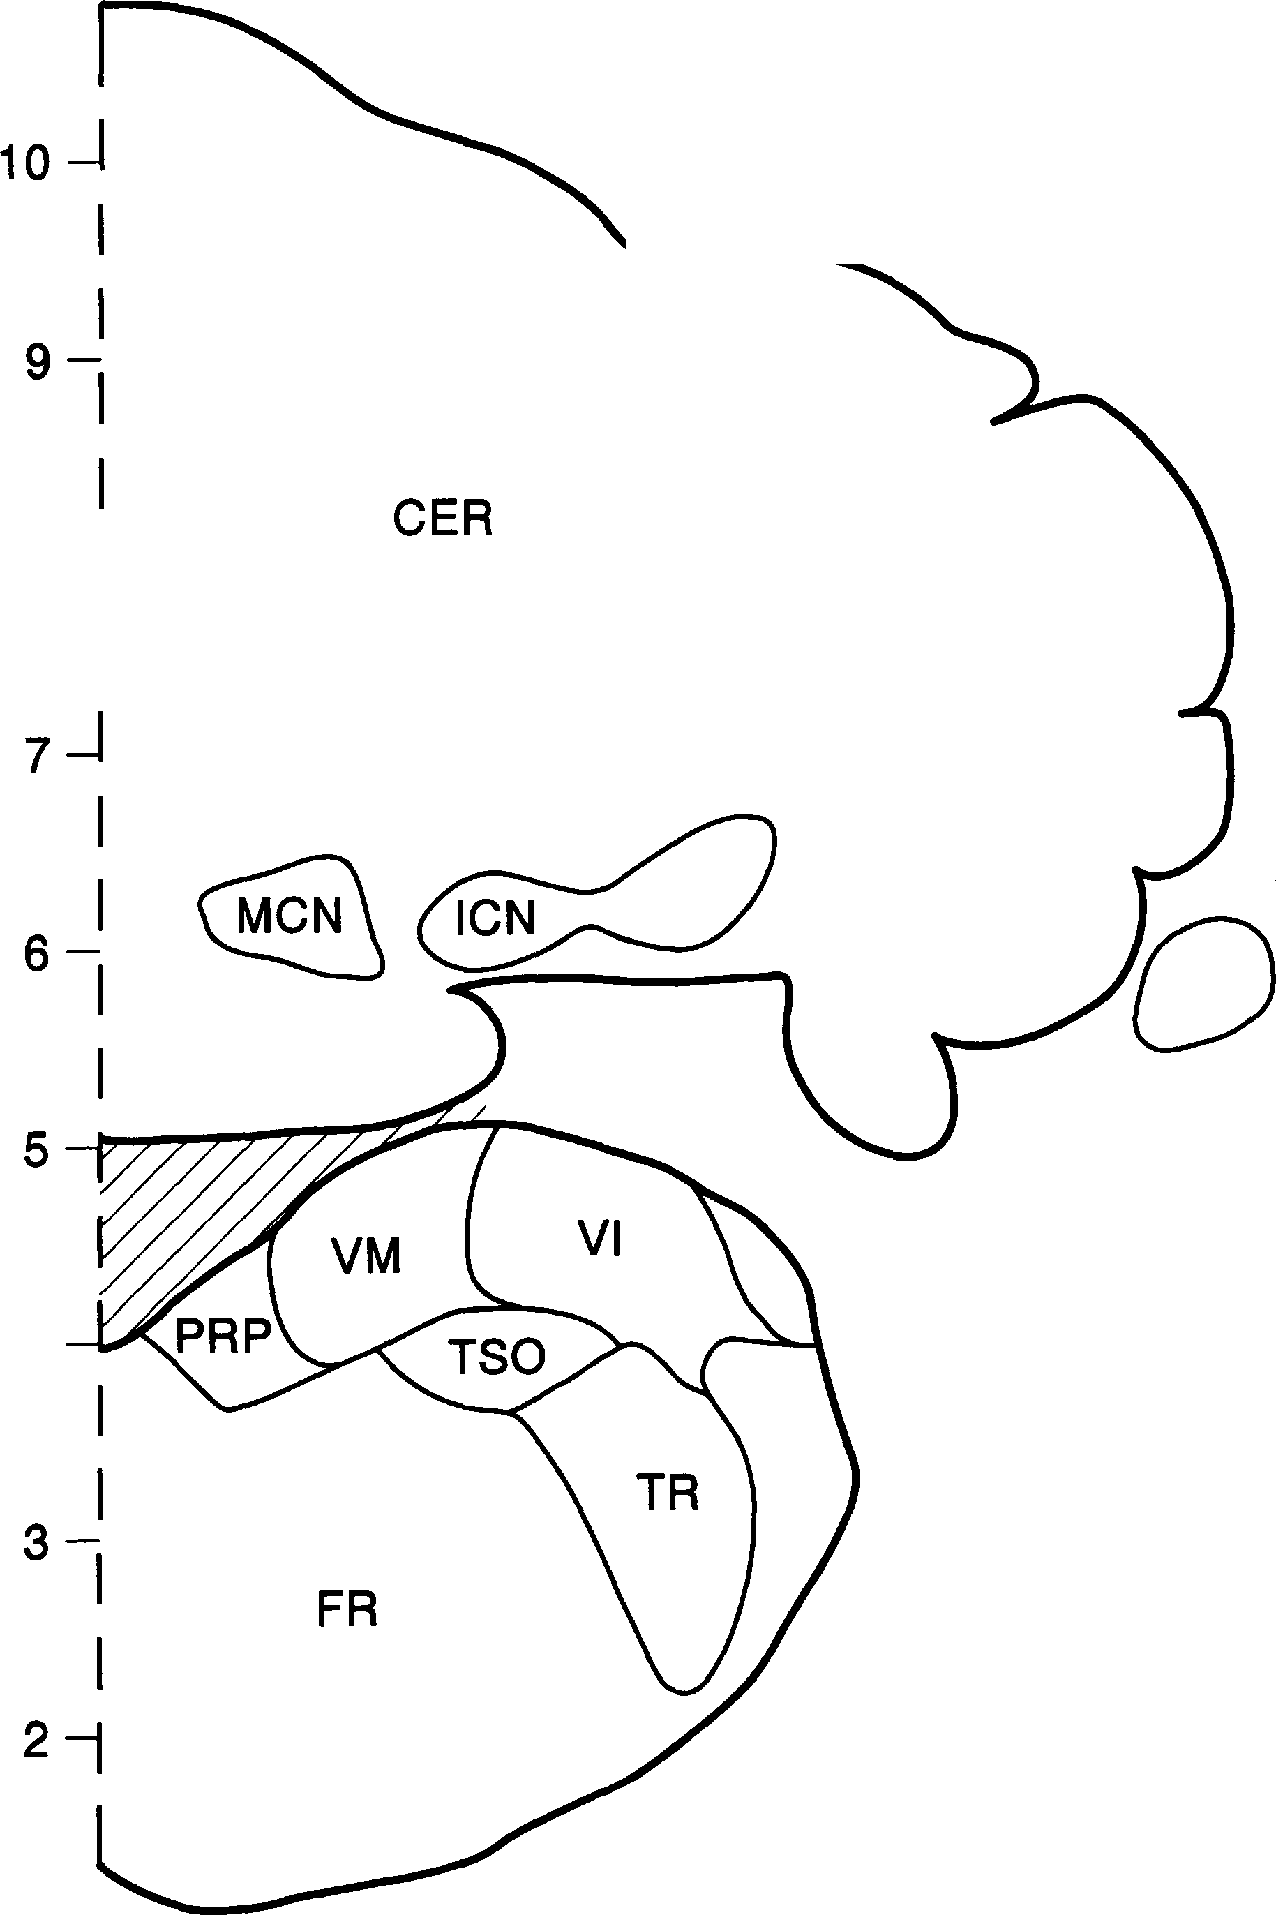

17 |  |  |  |  |  |  | I |  |  |  |  |  |  |  |  | I |  |  |  | I |  |  |  |  | I |  |  |  |  |  | I
0 |  |  |  |  |  |  | 2 |  |  |  |  |  |  |  |  | 3 |  |  |  | 4 |  |  |  |  | 5 |  |  |  |  |  | 6
 |  |  |  |  |  |  |  |  |  |  |  |  |  |  |  |  |  |  |  |  |  |  |  |  |  |  |  | TR complexus sensorius nervi trigemini TSO nucleus tractus solitarii VI ncl. vestibularis inferior VM ncl. vestibularis medialis
CER cerebellum FR formatio reticularis ICN nucleus interpositus cerebelli MCN nucleus medialis cerebelli PRP ncl. prepositus hypoglossi

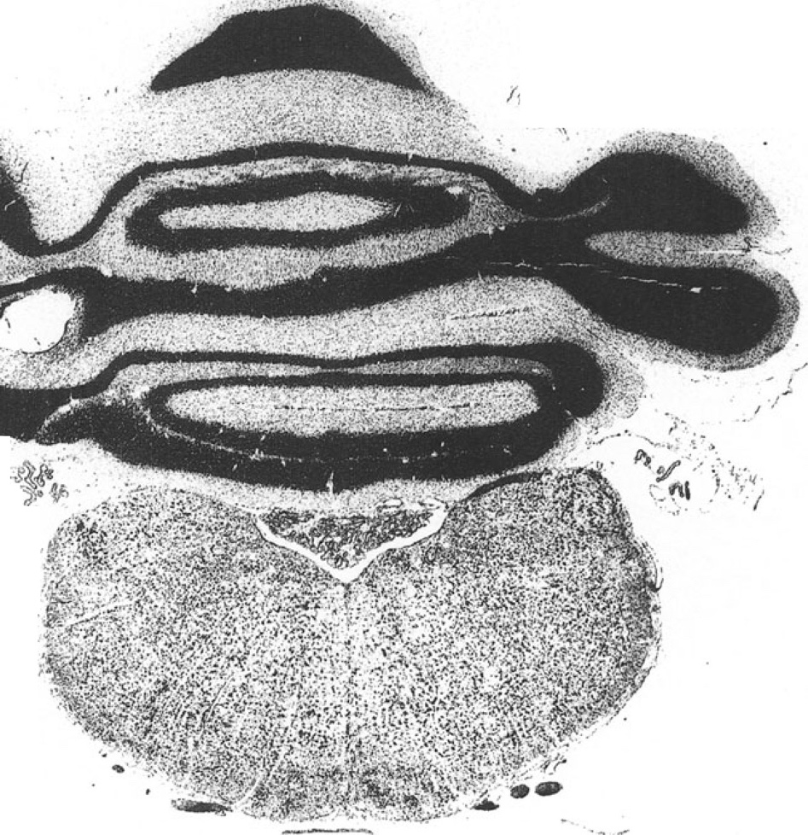 p 6

p 6 I | 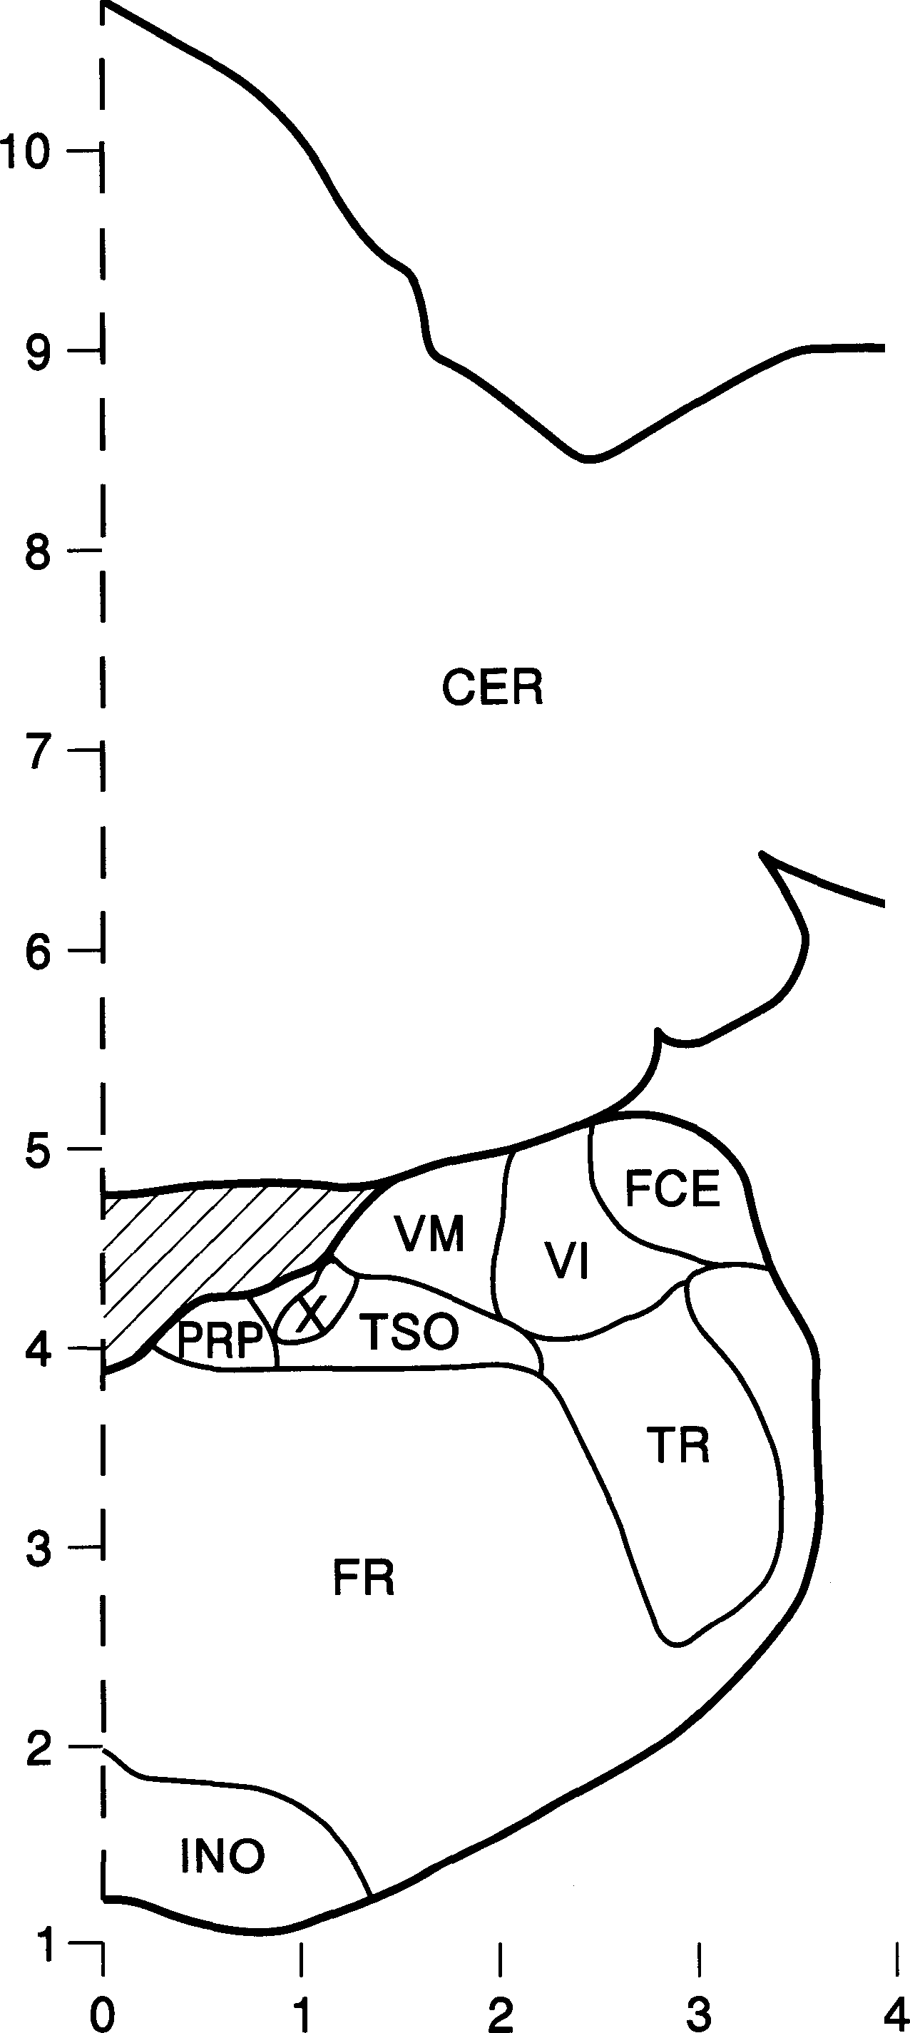

 |  |  |  |  |  |  |  |  |  |  |  |  |  |  |  |  |  |  |  |  |  |  |  |  |  | 5
CER |  |  |  |  |  |  | cerebellum |  |  |  |  |  |  |  |  |  |  |  |  |  |  |  |  |  |  | TR |  |  |  |  |  | complexus sensorius nervi
FCE |  |  |  |  |  |  | ncl. fascicularis cuneatus |  |  |  |  |  |  |  |  |  |  |  |  |  |  |  |  |  |  |  |  |  |  |  |  | trigemini
 |  |  |  |  |  |  | externus |  |  |  |  |  |  |  |  |  |  |  |  |  |  |  |  |  |  | TSO |  |  |  |  |  | nucleus tractus solitarii
FR |  |  |  |  |  |  | formatio reticularis |  |  |  |  |  |  |  |  |  |  |  |  |  |  |  |  |  |  | VI |  |  |  |  |  | ncl. vestibularis inferior
INO |  |  |  |  |  |  | inferior olive |  |  |  |  |  |  |  |  |  |  |  |  |  |  |  |  |  |  | VM |  |  |  |  |  | ncl. vestibularis medialis
PRP |  |  |  |  |  |  | ncl. prepositus hypoglossi |  |  |  |  |  |  |  |  |  |  |  |  |  |  |  |  |  |  | X |  |  |  |  |  | ncl. dorsalis motorius nervi vagi
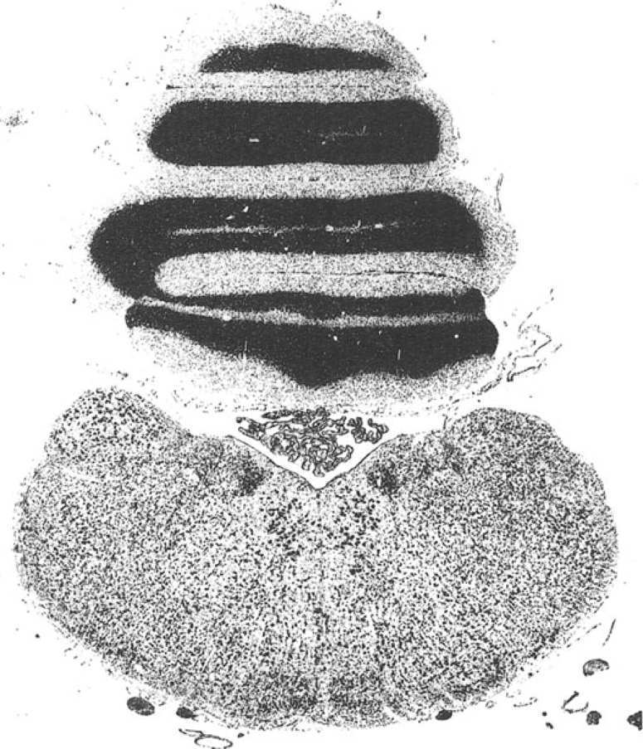 p 7

p 7
I 4 |  | 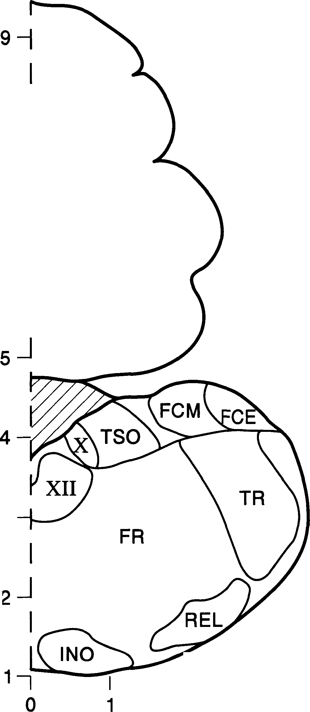
CER |  |  |  |  |  |  | cerebellum |  |  |  |  |  |  |  |  |  |  |  |  |  |  |  |  |  |  | REL |  |  |  |  |  | ncl. reticularis lateralis
FCE |  |  |  |  |  |  | ncl. fascicularis cuneatus externus |  |  |  |  |  |  |  |  |  |  |  |  |  |  |  |  |  |  | TR |  |  |  |  |  | complexus sensorius nervi trigemini
FCM |  |  |  |  |  |  | ncl. fascicularis cuneatus |  |  |  |  |  |  |  |  |  |  |  |  |  |  |  |  |  |  | TSO |  |  |  |  |  | nucleus tractus solitarii
FR |  |  |  |  |  |  | medialis formatio reticularis |  |  |  |  |  |  |  |  |  |  |  |  |  |  |  |  |  |  | X |  |  |  |  |  | ncl. dorsalis motorius nervi vagi
INO |  |  |  |  |  |  | inferior olive |  |  |  |  |  |  |  |  |  |  |  |  |  |  |  |  |  |  | XII |  |  |  |  |  | nucleus nervi hypoglossi
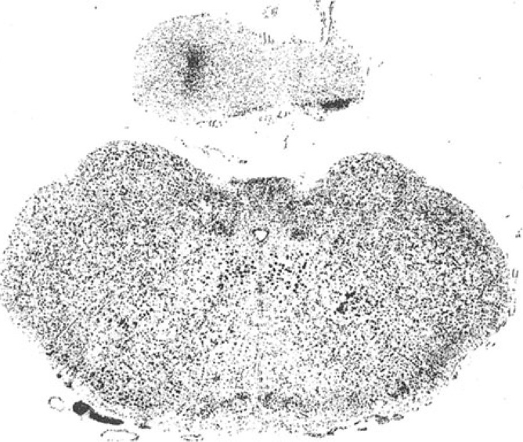 p 8
p 8 | 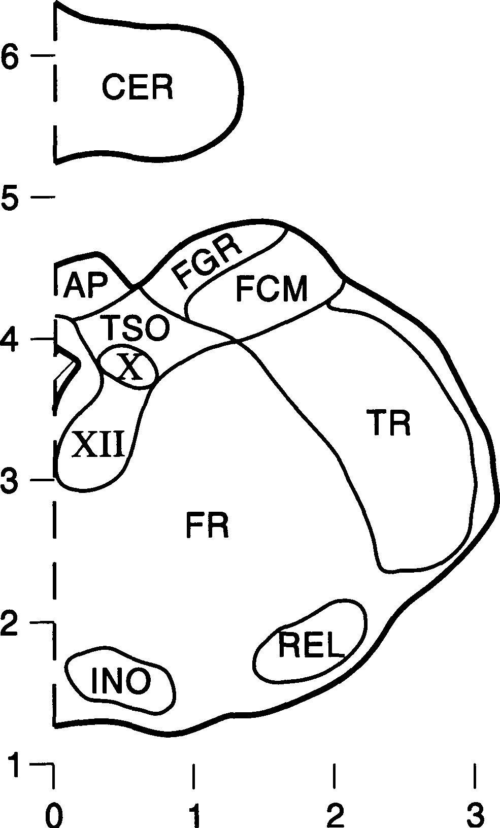

AP |  |  |  |  |  |  | area postrema |  |  |  |  |  |  |  |  |  |  |  |  |  |  |  |  |  |  | REL |  |  |  |  | ncl. reticularis lateralis
CER |  |  |  |  |  |  | cerebellum |  |  |  |  |  |  |  |  |  |  |  |  |  |  |  |  |  |  | TR |  |  |  |  | complexus sensorius nervi
FCM |  |  |  |  |  |  | ncl. fascicularis cuneatus |  |  |  |  |  |  |  |  |  |  |  |  |  |  |  |  |  |  |  |  |  |  |  | trigemini
 |  |  |  |  |  |  | medialis |  |  |  |  |  |  |  |  |  |  |  |  |  |  |  |  |  |  | TSO |  |  |  |  | nucleus tractus solitarii
FGR |  |  |  |  |  |  | ncl. fascicularis gracilis |  |  |  |  |  |  |  |  |  |  |  |  |  |  |  |  |  |  | X |  |  |  |  | ncl. dorsalis motorius
FR |  |  |  |  |  |  | formatio reticularis |  |  |  |  |  |  |  |  |  |  |  |  |  |  |  |  |  |  |  |  |  |  |  | nervi vagi
INO |  |  |  |  |  |  | inferior olive |  |  |  |  |  |  |  |  |  |  |  |  |  |  |  |  |  |  | XII |  |  |  |  | nucleus nervi hypoglossi

·
 |  |  |  |  |  |  |  |  |  |  |  |  |  |  |  | :;:.._.¥;-}·
 |  |  |  |  |  |  |  |  |  | ,: ......

p 9 |  | 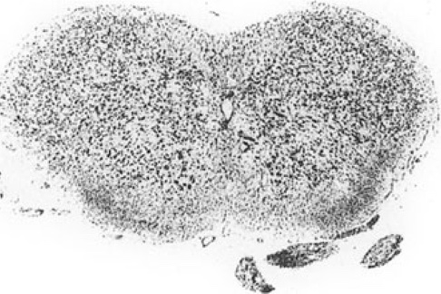
P 10
p 9
 I I 2 3
 P 10 0 I I 2 3
FCM FGR RC |  |  |  | ncl. fascicularis cuneatus medialis ncl. fascicularis gracilis nucleus residualis cornus ventralis |  |  |  |  |  |  |  |  |  |  |  |  |  |  |  |  |  |  |  |  | RMO nucleus reticularis medullae oblongatae TR complexus sensorius nervi trigemini
12 Subject Index
bold faced: page numbers of Tables bold-faced italic: page numbers of Figures bold-faced italic, marked A: page numbers of Atlas Figures
Accessory olfactory bulb (AOB) and components accessory olfactory system adaptive radiation advanced characters allocortex (ALLO) allometric methods ammons horn amygdala (AMY) ancestral characters Anourosorex squamipes brain and body weights summary of brain characteristics anterior amygdaloid area (AA) anterior commissure (COA) anterior hippocampal commissure anterior hypothalamic area (HTA) apomorphic characters archicortex (ARCH) area hypothalamica posterior (HTP) area measurements on brain parts in Chrysochloridae Crocidurinae Desmaninae Erinaceinae Oryzorictinae Potamogalinae Solenodontidae Soricinae Talpinae Tenrecinae area postrema (AP) area preoptica (PO) |  |  |  |  |  |  |  |  |  |  |  |  |  |  |  |  |  |  |  |  |  |  |  |  |  |  |  |  |  | 103, 106, 107, 106-109, 150, 151,297, 322 - 324,463 - 467, A 506 - 507 322 - 324 298 - 311 6 110 20, 21 see comu ammonis 100, 122 - 127,123,126, 150, 151, 153, 154, 297, 453 - 457 6, 21, 22 256 285 122,123 111, 115, 116, 120, 151, 152, 468 - 472, 493 - 497, A 508 - 513 120 A 516 -517 6 110 A 522 - 525 187 273 230 203 - 205 170 173 194 258 - 260 236,237 162 A 550 - 551 120, see also lateral preoptic area, medial preoptic area

area pretectalis (APT) A 526 - 527
area striata (AS) |  |  |  |  |  |  |  |  |  |  |  |  |  |  |  |  |  |  |  |  |  |  |  |  |  | 136, 137, 156, 486
area ventralis tegmenti (AVT) |  |  |  |  |  |  |  |  |  |  |  |  |  |  |  |  |  |  |  |  |  |  |  |  |  | A 524 - 529
Atelerix algirus
brain and body weights |  |  |  |  |  |  |  |  |  |  |  |  |  |  |  |  |  |  |  |  |  |  |  |  |  | 202
summary of brain characteristics |  |  |  |  |  |  |  |  |  |  |  |  |  |  |  |  |  |  |  |  |  |  |  |  |  | 227
brain atlas |  |  |  |  |  |  |  |  |  |  |  |  |  |  |  |  |  |  |  |  |  |  |  |  |  | 503 - 553
auditory nuclei (AUD) |  |  |  |  |  |  |  |  |  |  |  |  |  |  |  |  |  |  |  |  |  |  |  |  |  | 75 - 78, 140, 141, 142, 144,
 |  |  |  |  |  |  |  |  |  |  |  |  |  |  |  |  |  |  |  |  |  |  |  |  |  | 433 - 435
auditory system |  |  |  |  |  |  |  |  |  |  |  |  |  |  |  |  |  |  |  |  |  |  |  |  |  | 330 - 333
average indices in Insectivora families and subfamilies (AvlF) |  |  |  |  |  |  |  |  |  |  |  |  |  |  |  |  |  |  |  |  |  |  |  |  |  | 22,159
species (AvIS) |  |  |  |  |  |  |  |  |  |  |  |  |  |  |  |  |  |  |  |  |  |  |  |  |  | 22,159
Tenrecinae (AvTn) |  |  |  |  |  |  |  |  |  |  |  |  |  |  |  |  |  |  |  |  |  |  |  |  |  | 22,159
Basal amygdaloid nucleus (BA) basal Insectivora best fit lines Blarina brevicauda brain and body weights macromorphology of brain summary of brain characteristics Blarini Bouin's fluid brachium colliculi inferioris (BCI) brain weight, encephalization in Chrysochloridae Crocidurinae Desmaninae Echinosoricinae Erinaceinae Geogalinae Oryzorictinae Potamogalinae Solenodontidae Soricinae Talpinae Tenrecinae bulbus olfactorius, bulbi olfactorii bulbus olfactorius accessorius
 |  |  |  |  |  |  |  |  |  |  |  |  |  |  |  |  |  |  |  |  |  |  |  |  |  |  |  |  |  |  | 123 17,21 20 - 23 256 36,39,42,47 284 307 12, 13, 15 A 528 - 529 185, 186 270 - 272 229 198 201,202 167 169 172 193 255 - 257 234,235 161 see olfactory bulbs, main olfactory bulb see accessory olfactory bulb
Capsula intema (CAI) caudatum cell measurements in Chrysochloridae Crocidurinae Desmaninae Erinaceinae Soricinae |  |  |  |  |  |  |  |  |  |  |  |  | 89,90, 146, 442 - 444, A 516 - 519 see striatum 187 273 230 203,204 258, 259
cell measurements in Talpinae central amygdaloid nucleus (CEA) cerebellar nuclei (TCN) cerebellum (CER) cerebral sulci chiasma opticum (CHO) Chrysochloridae adaptive radiation brain and body weights, encephalization cell and area measurements histology index profiles linear brain measures macromorphology of brains sense organs summary of brain characteristics volume measurements Chrysochloris asiatica summary of brain characteristics Chrysochloris stuhlmanni macromorphology of brain summary of brain characteristics cingular cortex classification claustrocortex cochlear nuclei (CON) coefficient of variation (CV) colliculus inferior (INC) colliculus superior (SUC) commissura anterior complexus olivaris inferior (INO) complexus olivaris superior (OLS) complexus sensorius trigeminalis (TR), complexus sensorius nervi trigemini congeneric species, congeneric groups conservative characters, conservative groups conversion factors cornu ammonis (CAI - CA4) cornu ammonis inversum |  |  |  |  |  |  |  |  |  |  |  |  |  |  |  |  |  |  |  |  |  |  |  |  |  |  | 236,237 123 86 - 88, 145, 439 - 441 29, 30, 52, 83, 84 - 88, 85, 138, 140, 141, 145, 294, 416 - 420, A 534 - 551 28 493 - 497 185 - 192 303 185, 186, 405, 410, 412 187 189, 190 294 - 297 400 - 404 31, 186, 187 191 191, 192 187 - 189 192 35,38,41,45 192 110, 133 298 133 433 - 435 see variability 81, 82,436 - 438, A 530 - 537 81, 82, 436 - 438, A 526 - 533 see anterior commissure 57,61,65,66,140, 142,143, 157, 295, 424 - 426, A 546 • 551 78, 140, 142, 144, 433 • 435, A 534 - 539 56 - 58, 57, 61,140, 142, 143, 157, 295, 421 - 423, A 534 - 553 23 6, 21, 22 15, 16 110, 128, 129, 131, 154, 155 110

corpus callosum (CC) length area in midsagittal sections (CCA) corpus geniculatum laterale (CGL) corpus geniculatum mediale (CGM) corpus mamillare (CM) corpus subthalamicum, corpus Luysi cortical amygdaloid nucleus (CAM) cortical maps of Erinaceus of Ta/pa cranial capacity of Echinosoricinae Geogalinae Potamogalinae Soricinae Crocidura attenuata brain and body weights summary of brain characteristics Crocidura flavescens brain and body weights summary of brain characteristics Crocidura giffardi brain and body weights Crocidura group index profiles summary of brain characteristics Crocidura hildegardeae brain and body weights summary of brain characteristics Crocidura jacksoni brain and body weights summary of brain characteristics Crocidura leucodon brain and body weights Crocidura russula brain and body weights summary of brain characteristics Crocidura suaveolens brain and body weights summary of brain characteristics |  |  |  |  |  |  |  |  |  |  |  |  |  |  |  |  |  |  |  |  |  |  |  | 120, A 512 - 517 13, 27, 400 - 404 27,493 - 497 93, 94, 96, 97, 136, 146, 148, 296, 445 - 447, 490 - 492, see also dorsal nucleus of CGL, ventral nucleus of CGL 93, 94, 96, 97, 146, 148, 157, 296, 445 - 447, 490 - 492, A 526 - 527 A 524 - 525 see nucleus subthalamicus 123 110 (allocortex), 216 246 198 167 172 255 - 257 271 287 271 287 271 294,297 286 - 290 271 288 271 288 271 271 286,287 271 288

Crocidurinae |  |  |  |  |  |  |  |  |  |  |  |  |  |  |  |  |  |  |  |  |  |  |  |  |  |  |  |  | 270 - 281, 285 - 292
adaptive radiation |  |  |  |  |  |  |  |  |  |  |  |  |  |  |  |  |  |  |  |  |  |  |  |  |  |  |  |  | 309, 310
brain and body weights, encephalization |  |  |  |  |  |  |  |  |  |  |  |  |  |  |  |  |  |  |  |  |  |  |  |  |  |  |  |  | 270 - 272, 407, 408, 412
cell and area measurements |  |  |  |  |  |  |  |  |  |  |  |  |  |  |  |  |  |  |  |  |  |  |  |  |  |  |  |  | 273
histology, histochemistry |  |  |  |  |  |  |  |  |  |  |  |  |  |  |  |  |  |  |  |  |  |  |  |  |  |  |  |  | 278,279
index profiles |  |  |  |  |  |  |  |  |  |  |  |  |  |  |  |  |  |  |  |  |  |  |  |  |  |  |  |  | 294 - 297
linear brain measures |  |  |  |  |  |  |  |  |  |  |  |  |  |  |  |  |  |  |  |  |  |  |  |  |  |  |  |  | 400 - 404
macromorphology of brains |  |  |  |  |  |  |  |  |  |  |  |  |  |  |  |  |  |  |  |  |  |  |  |  |  |  |  |  | 272
sense organs, physiology |  |  |  |  |  |  |  |  |  |  |  |  |  |  |  |  |  |  |  |  |  |  |  |  |  |  |  |  | 280,281
summary of brain characteristics |  |  |  |  |  |  |  |  |  |  |  |  |  |  |  |  |  |  |  |  |  |  |  |  |  |  |  |  | 285 - 292
volume measurements |  |  |  |  |  |  |  |  |  |  |  |  |  |  |  |  |  |  |  |  |  |  |  |  |  |  |  |  | 274 - 277
Cryptotis parva brain and body weights summary of brain characteristics cubic root of brain weight or volume
 |  |  |  |  |  |  |  |  |  |  |  |  |  |  |  |  |  |  |  |  |  |  |  |  |  |  |  |  |  |  | 256 284,285 13, 14, 400 - 404
Derived characters Desmana moschata summary of brain characteristics Desmaninae brain and body weights, encephalization cell and area measurements histology index profiles linear brain measures macromorphology of brains sense organs summary of brain characteristics volume measurements diagonal band of Broca (DIAG) diencephalon (DIE) and components Dilambdodonta dorsal hypothalamic area (HTD) dorsal nucleus of CGL (GLD) |  |  |  |  |  |  |  |  |  |  |  |  |  |  |  |  |  |  |  |  |  |  |  |  |  |  |  |  |  |  | 6 251 229 - 233, 250, 251 229, 406, 410 230 232,233 294 - 297 400 - 404 229,230 233 250, 251 230 - 232 110, 119, 121, 153, A 510 - 515 52, 83, 88 - 100, 138, 140, 141, 146, 147 - 149,157,294, 416 - 420 298 A 516 - 517 445 - 447, A 518 - 525

Echinops telfairi summary of brain characteristics Echinosorex gymnurus brain and body weights cranial capacities macromorphology summary of brain characteristics
 |  |  |  |  |  |  |  |  |  |  |  |  |  |  |  |  |  |  |  |  |  |  |  |  |  |  |  |  |  |  | 179 198 198 35,38,41,46 225,226
Echinosoricinae adaptive radiation brain and body weights, encephalization histology index profiles linear brain measures macromorphology of brains sense organs summary of brain characteristics volume measurements ecoethological adaptation elephant shrews, Macroscelidea encephalization, encephalization indices entorhinal cortex, entorhinal region (ENT) epiphysis (EPI) epithalamus (ETH) Erinaceidae adaptive radiation body and brain weights linear brain measures macromorphology of brains Erinaceinae adaptive radiation brain and body weights, encephalization cell and area measurements fiber connections hibernation histology, histochemistry index profiles linear brain measures macromorphology of brains physiology, evoked potentials sense organs summary of brain characteristics volume measurements Erinaceus europaeus macromorphology of brain summary of brain characteristic evolved characters Fascia dentata (FD) fiber connections in brains of Crocidurinae Erinaceinae Tenrecinae fimbria-fomix complex (SFF or F) fixation of brains (Bouin's fluid) |  |  |  |  |  |  |  |  |  |  |  |  |  |  |  |  |  |  |  |  |  |  |  |  |  |  | 197 - 200, 225, 226 305,306 198, 406, 410, 412 200 294,295,297 400 · 404 198, 199 200 225,226 199 312-317 158 48, 50, 410 - 412 110, 128, 131, 132, 155 91, 92,146,147,448 · 452, A 526 - 527 88 - 92, 89, 146, 147, 442 · 444, 487 - 489 197 - 228 304 - 306 406,410,412 400,402,404 31 200 - 224, 226 - 228 304 - 306 201,202,406,410,412 203 - 205 218 - 221 223 207 - 218 294 - 297 400 - 404 202,203 221 - 222 223,224 225,226 205 - 207 35,38,41,46 226,227 6 110,128, 129,131,154, 278, 279 218 - 221 165 120, 152, A 514 - 515 12, 13, 15

formatio reticularis (FR) formatio reticularis tegmenti mesencephali (FRTM) fossorial species functional systems funicular nuclei (FUN) Galemys pyrenaicus macromorphology of brain summary of brain characteristics |  |  |  |  |  |  |  |  |  |  |  |  |  |  |  |  |  |  |  |  |  |  |  |  |  | A 530 - 551 A 528 - 531 314,315 318 - 340 59 - 63, 421 - 423 36,39,42,46 251
general body characteristics of
Chrysochloridae |  |  |  |  |  |  |  |  |  |  |  |  |  |  |  |  |  |  |  |  |  |  |  |  |  |  | 185
Desmaninae |  |  |  |  |  |  |  |  |  |  |  |  |  |  |  |  |  |  |  |  |  |  |  |  |  |  | 229
Echinosoricinae |  |  |  |  |  |  |  |  |  |  |  |  |  |  |  |  |  |  |  |  |  |  |  |  |  |  | 197
Erinaceidae |  |  |  |  |  |  |  |  |  |  |  |  |  |  |  |  |  |  |  |  |  |  |  |  |  |  | 197
Erinaceinae |  |  |  |  |  |  |  |  |  |  |  |  |  |  |  |  |  |  |  |  |  |  |  |  |  |  | 200, 201
Geogalinae |  |  |  |  |  |  |  |  |  |  |  |  |  |  |  |  |  |  |  |  |  |  |  |  |  |  | 166
Insectivora |  |  |  |  |  |  |  |  |  |  |  |  |  |  |  |  |  |  |  |  |  |  |  |  |  |  | 158
Oryzorictinae |  |  |  |  |  |  |  |  |  |  |  |  |  |  |  |  |  |  |  |  |  |  |  |  |  |  | 168
Potamogalinae |  |  |  |  |  |  |  |  |  |  |  |  |  |  |  |  |  |  |  |  |  |  |  |  |  |  | 171, 172
Solenodontidae |  |  |  |  |  |  |  |  |  |  |  |  |  |  |  |  |  |  |  |  |  |  |  |  |  |  | 192, 193
Soricidae |  |  |  |  |  |  |  |  |  |  |  |  |  |  |  |  |  |  |  |  |  |  |  |  |  |  | 254
...

13-
Hedgehog Brain Atlas 521
12-
A 4
10
9
8- 1IMD,
I
,'
\I ' \
MD 1 1
1 ,
I
'
'CLT'
GMT'-
,, ¹
⁷⁷,, _.. ⁻I
IR s"'
'
- - _,
VMT
VLT
6---l RE ',
ZI
_{I} / DMH ,, 1
/ -'
,.
4,.........,._.,.,,,.
I ..._ -,/
I \
I VMH \
\ )
3-

